INSTAGRAM
Date | November 26th | November 29th | November 26th | November 29th | December 2nd
Image |  | 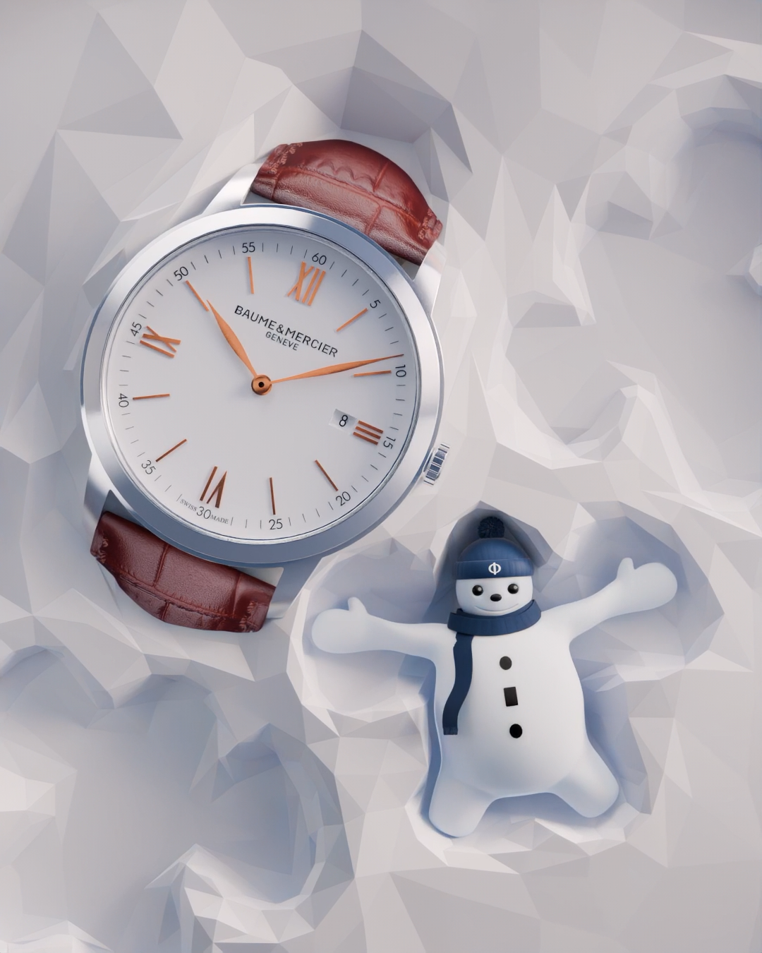 | 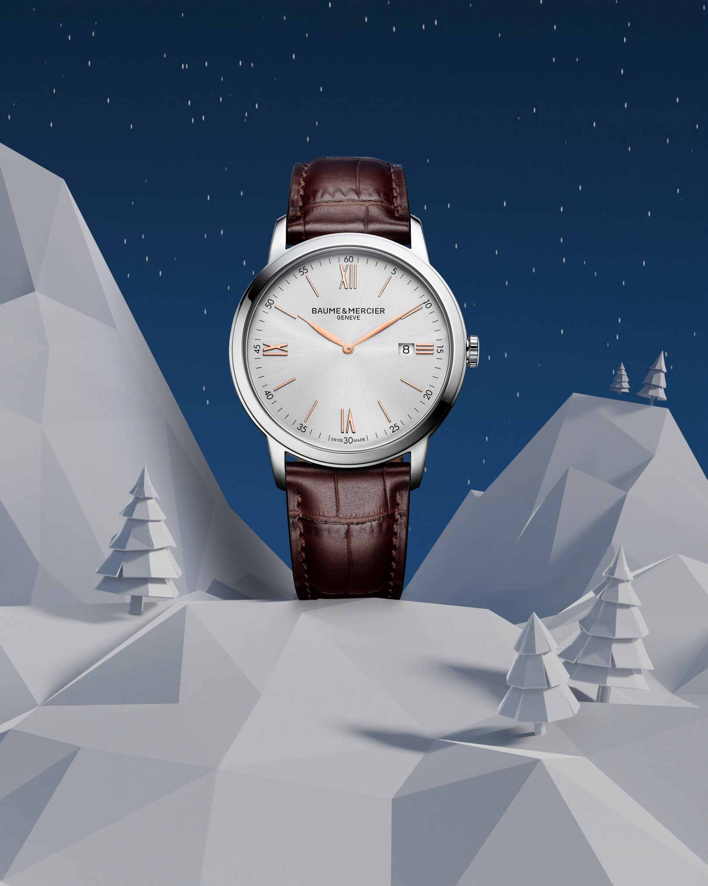 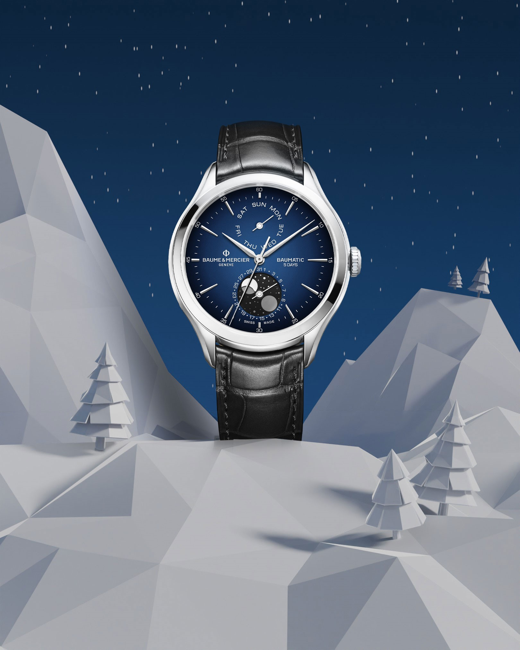   |  | 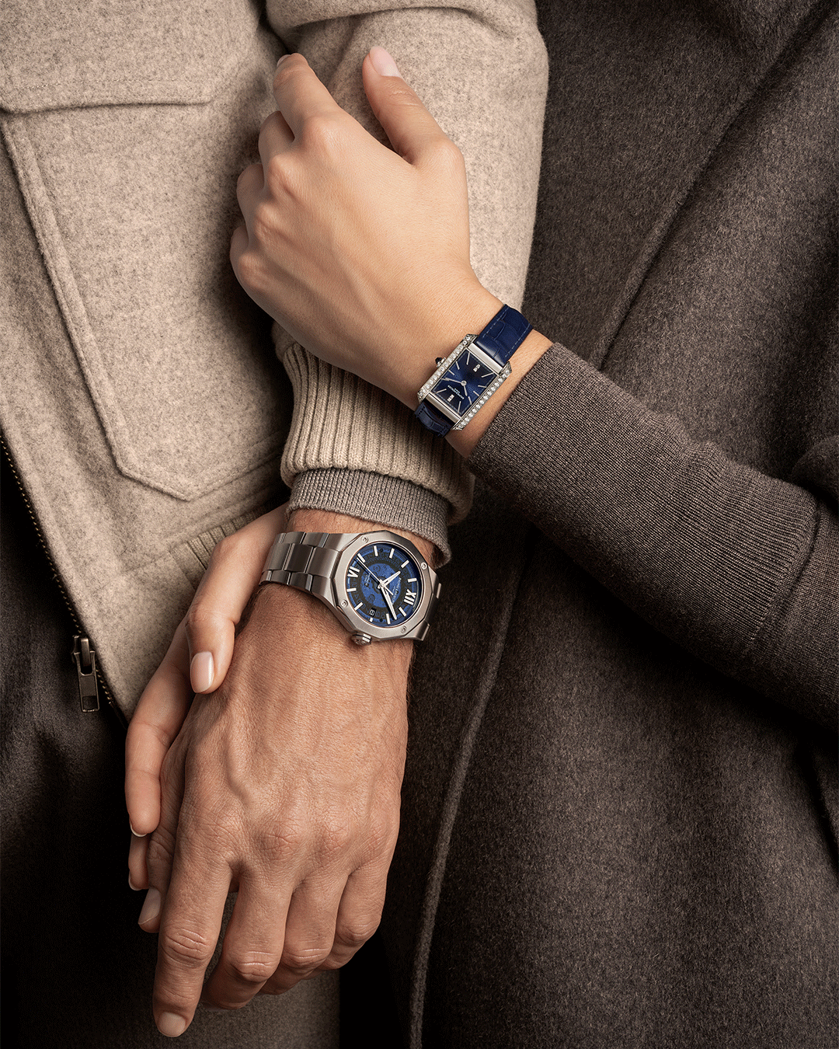
Text | Slide into the holiday season with our newest team member: Baumy the Snowman! Baumy celebrates the Maison's expertise in the art of shapes and our commitment to the highest quality. Over the next week, brighten your holiday season with a unique Baume & Mercier gift coming from the heart of the Swiss Jura. -- Riviera 10616, Clifton 10593, Hampton 10472, Classima 10415 -- #BaumeetMercier #HolidaySeason #BaumyTheSnowman #SwissSince1830 #ArtOfShapes #Christmas #Christmasgifts | 🎨❄️ Baumy, the Snowman, is up to something magical! ❄️🎨 In the heart of a winter wonderland, Baumy is sketching the most beautiful snow angel, and guess what he’s found? A stunning, round Classima that’s simply the perfect gift for Christmas. 🎁✨ Whether you're sketching memories or marking time, this holiday season is all about creating moments to treasure. 🎄💫 Don’t let time slip by—make this Classima the highlight under your tree! 🎁 -- Classima 10415 42mm, Quartz, Date aperture at 3 o’clock, red-brown alligator strap. -- #BaumeetMercier #HolidaySeason #BaumyTheSnowman #Celebration #SwissSince1830 #ArtOfShapes #Christmas #Christmasgifts | Step into a winter wonderland where craftsmanship meets celebration. ❄️ Our collections, brought to life with the art of shape and the magic of Baumy, await to tell your time stories. Which one will be yours this season? -- Hit the link in bio to discover our gifts selection -- #BaumeetMercier #HolidaySeason #BaumyTheSnowman #SwissSince1830 #ArtOfShapes #Christmas #Christmasgifts | Baumy's playful spirit is getting stronger as Christmas is approaching ❄️ Behind every snowball is a masterpiece waiting to be unveiled. Celebrate time with Baumy and Baume & Mercier this season. -- Hit the link in bio to discover our gifts selection -- #BaumeetMercier #HolidaySeason #BaumyTheSnowman #SwissSince1830 #ArtOfShapes #Christmas #Christmasgifts | Baumy knows that time conects us in the most beautiful ways. ✨This Holiday Season, celebrate these moments with one of Baumy's favorite creations elegantly crafted from the Riviera and Hampton collections. -- Hit the link in bio to discover our gifts selection -- #BaumeetMercier #HolidaySeason #BaumyTheSnowman #SwissSince1830 #ArtOfShapes #Christmas #Christmasgifts

Date | December 5th (VIDEO) | December 8th | December 11th (VIDEO) | December 14th | December 17th
Image | 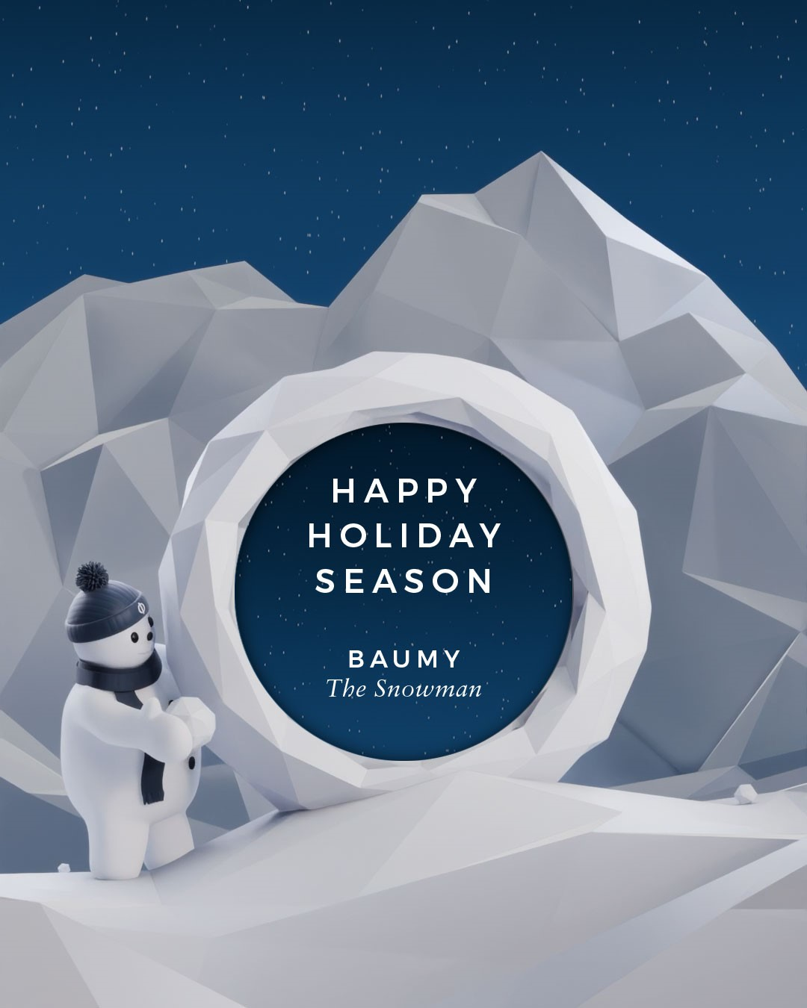 | 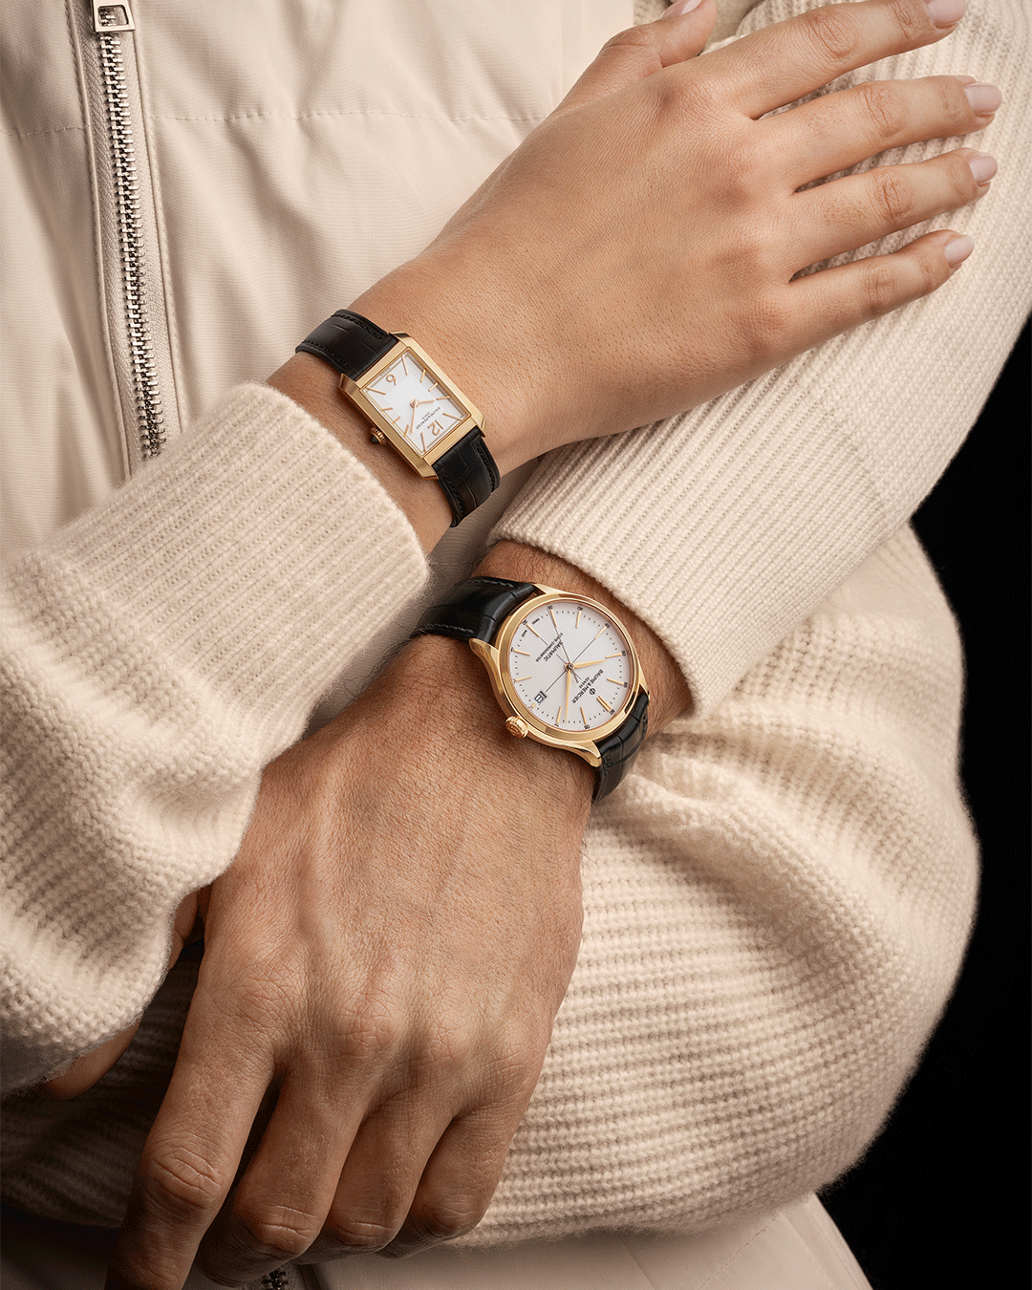 | 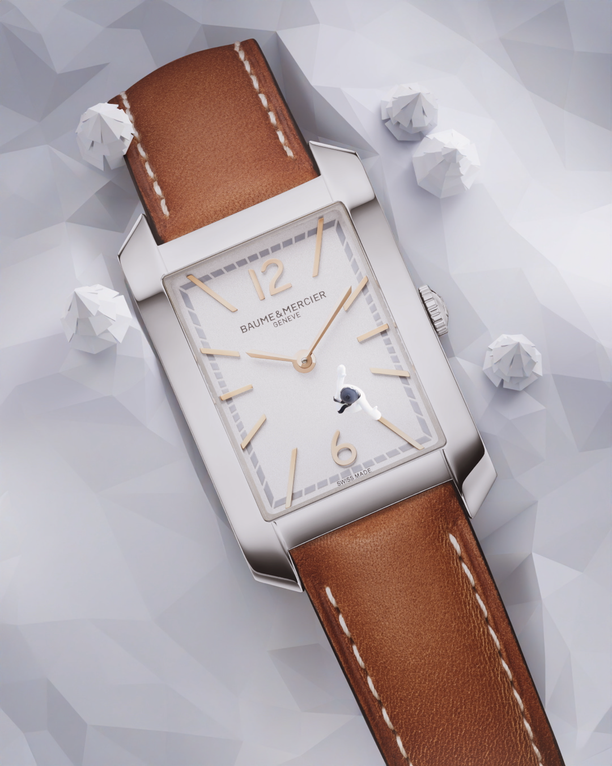 | 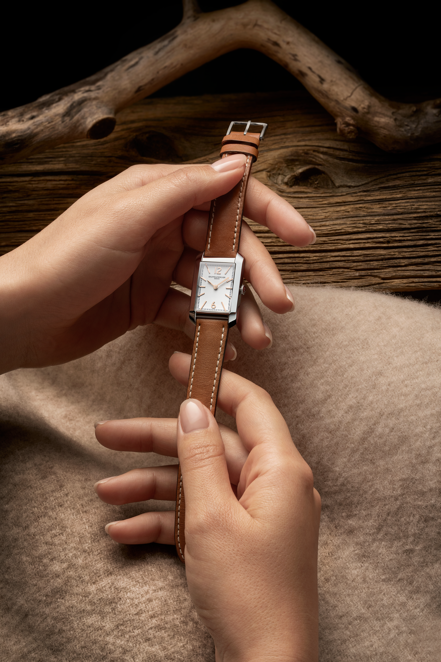  | 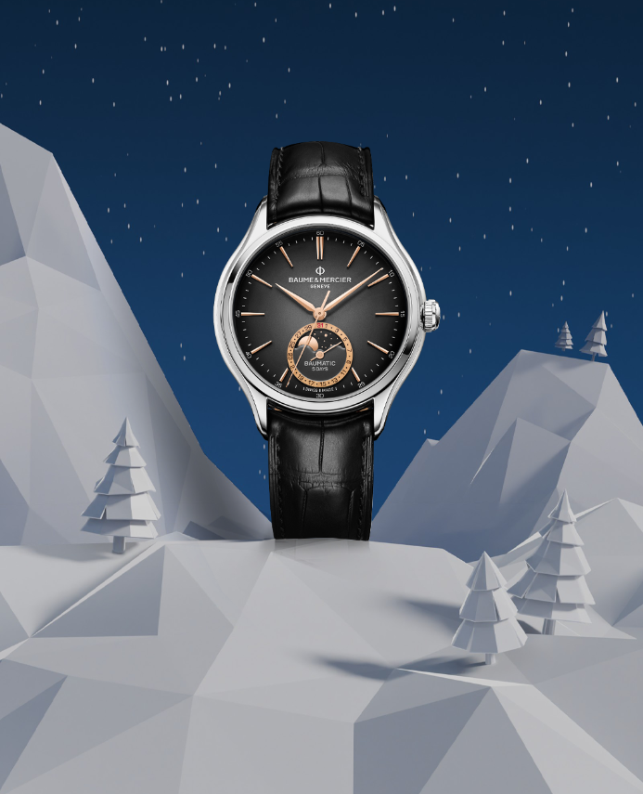 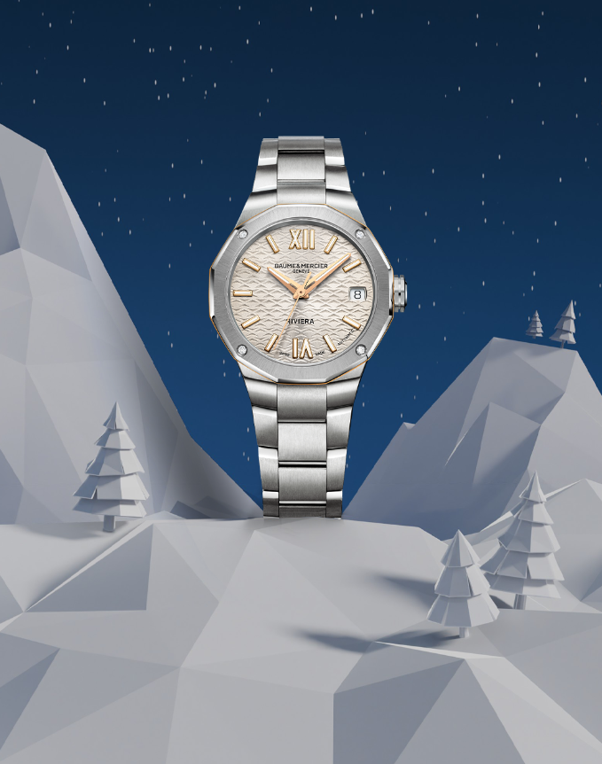 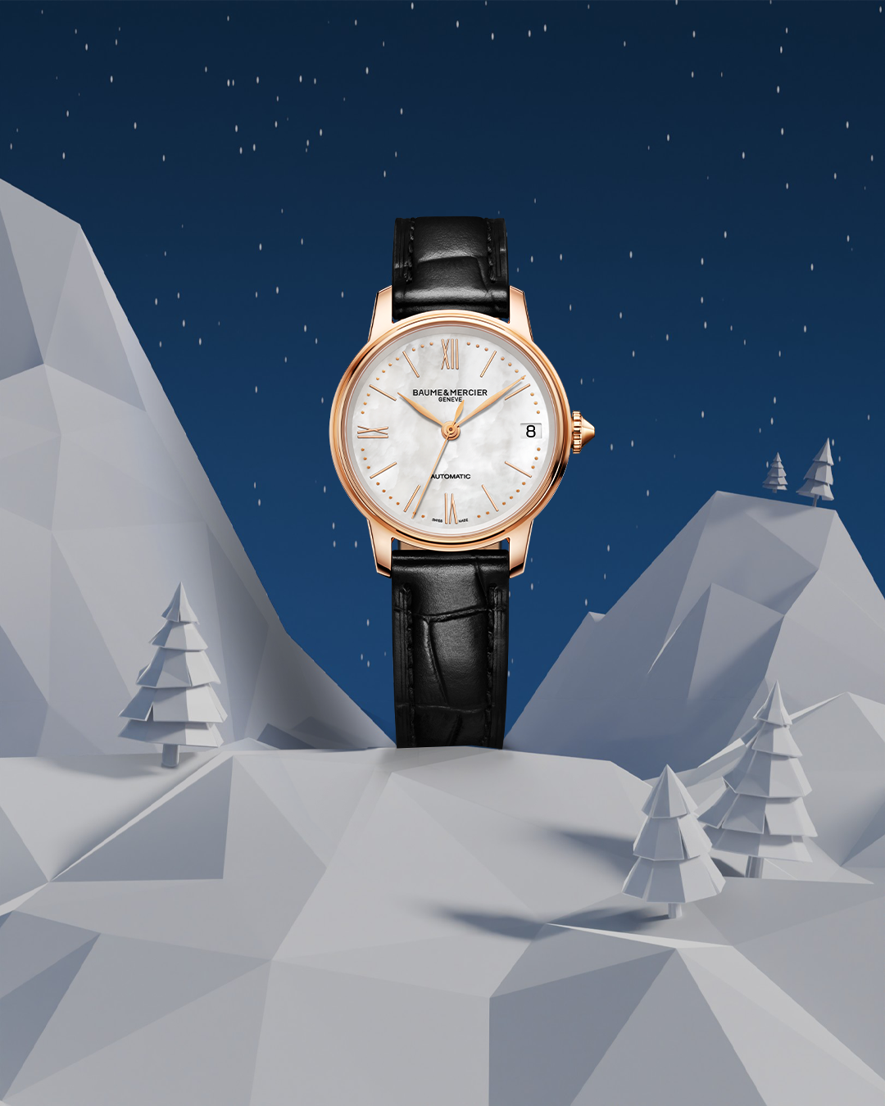 
Text | Baumy’s final masterpiece: unveiling time itself. ❄️ Discover the dial of the Clifton 10467 as Baumy's magic reveals it to the world. -- Hit the link in bio to discover our gifts selection -- #BaumeetMercier #HolidaySeason #BaumyTheSnowman #SwissSince1830 #ArtOfShapes #Christmas #Christmasgifts | Precious moments deserve golden timepieces. Celebrate love, connection, and the art of giving with Baumy-approved elegance this holiday season. -- Hit the link in bio to discover our gifts selection -- #BaumeetMercier #HolidaySeason #BaumyTheSnowman #SwissSince1830 #ArtOfShapes #Christmas #Christmasgifts | Watch Baumy glide gracefully on the dial of the Hampton, bringing playfulness to precision this festive season. Discover the magic of movement. -- Hit the link in bio to discover our gifts selection -- #BaumeetMercier #HolidaySeason #BaumyTheSnowman #SwissSince1830 #ArtOfShapes #Christmas #Christmasgifts | Vintage elegance merging seamlessly with modern craftmanship. ✨ The Hampton 10472 and 10752 are inspired by the 1920s, giving it its Art Deco style. Hold onto the past, cherish the present, and celebrate with our Maison. -- Hit the link in bio to discover our gifts selection -- #BaumeetMercier #HolidaySeason #BaumyTheSnowman #SwissSince1830 #ArtOfShapes #Christmas #Christmasgifts | Another glance at Baumy’s favorites from our Maison’s collections, each crafted with the art of shape. ❄️ Let these timepieces add a little magic to your season. Which one would you love to unwrap? -- Hit the link in bio to discover our gifts selection -- #BaumeetMercier #HolidaySeason #BaumyTheSnowman #SwissSince1830 #ArtOfShapes #Christmas #Christmasgifts
Date | December 20th | December 23rd (VIDEO) | December 26th | December 29th
VISUAL TBC
Image | 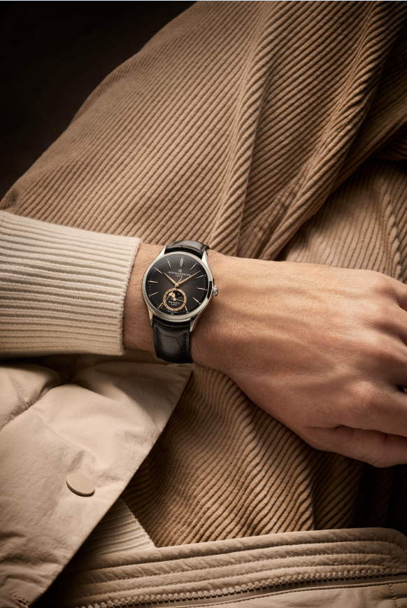 | 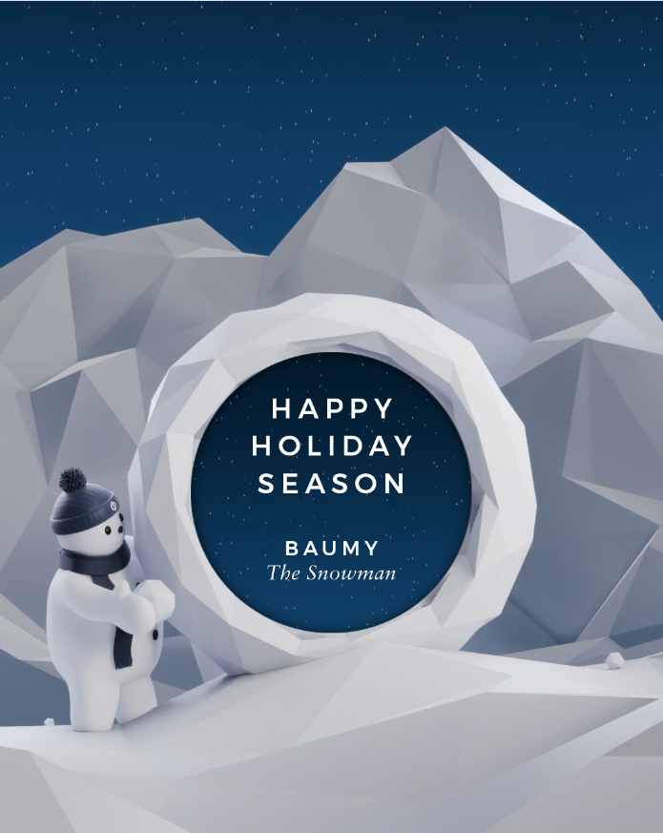 | 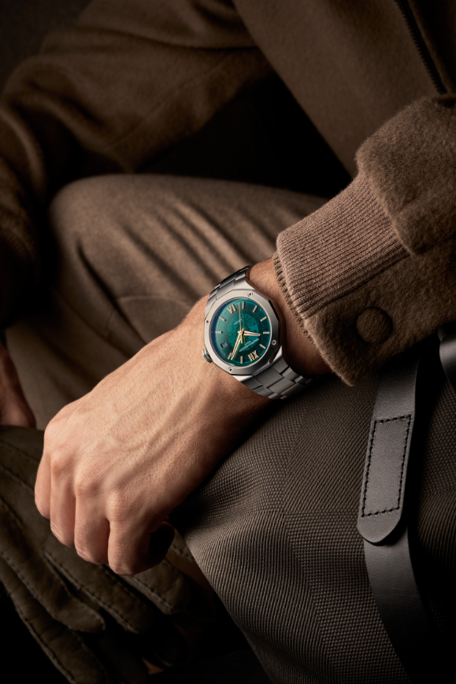 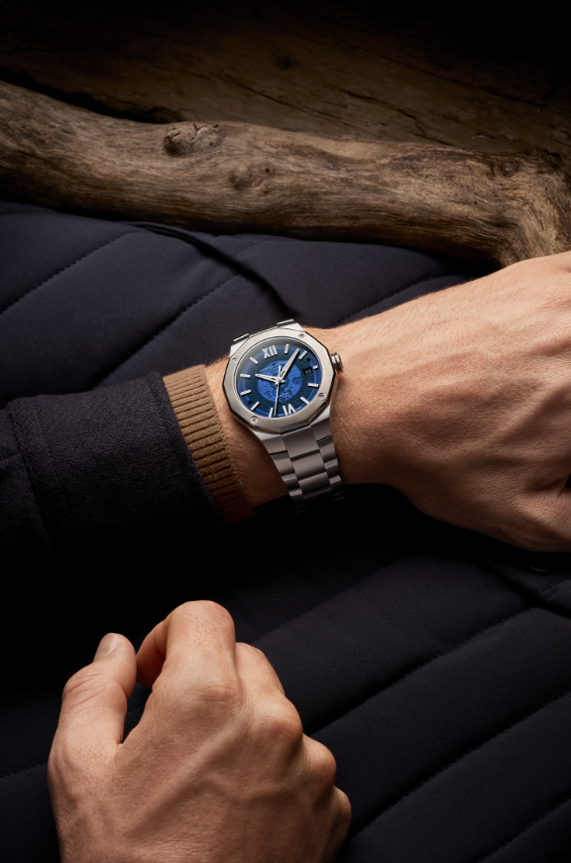  | 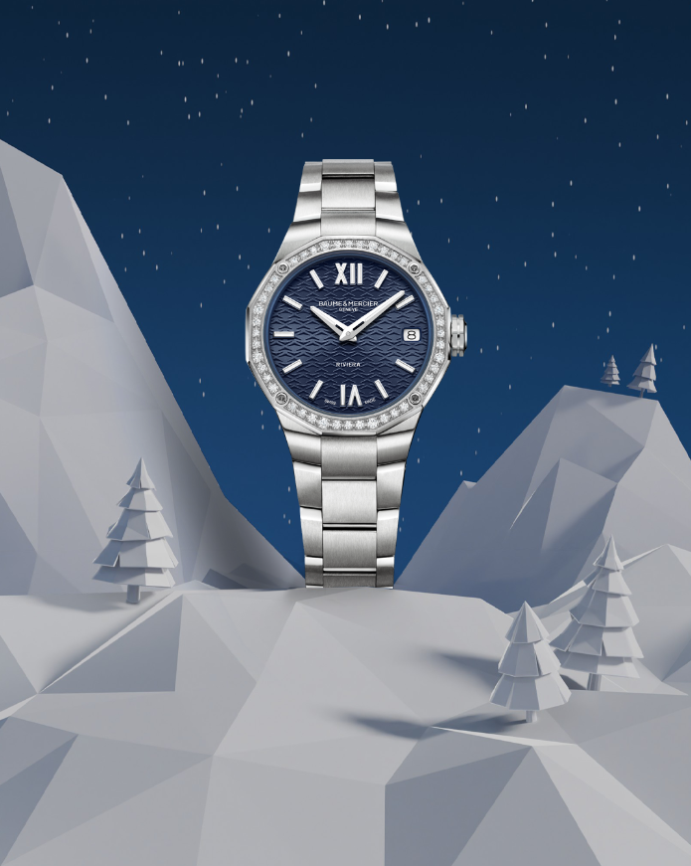 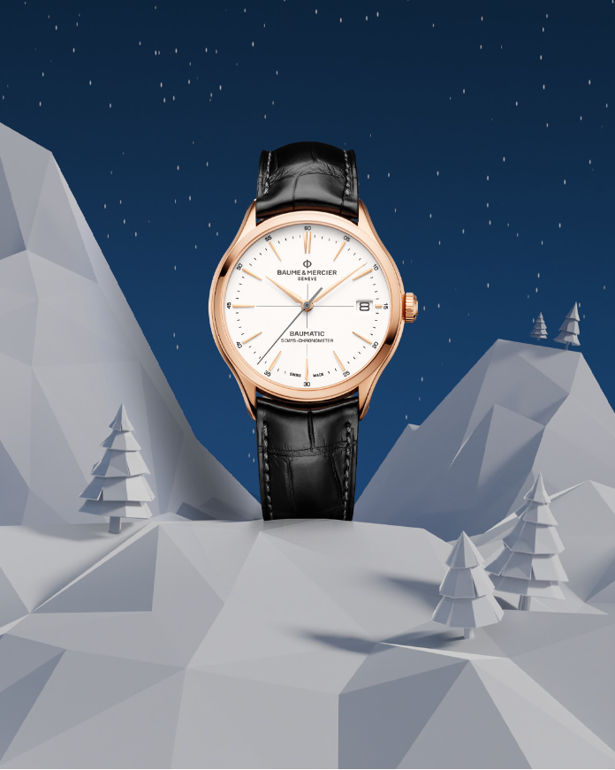 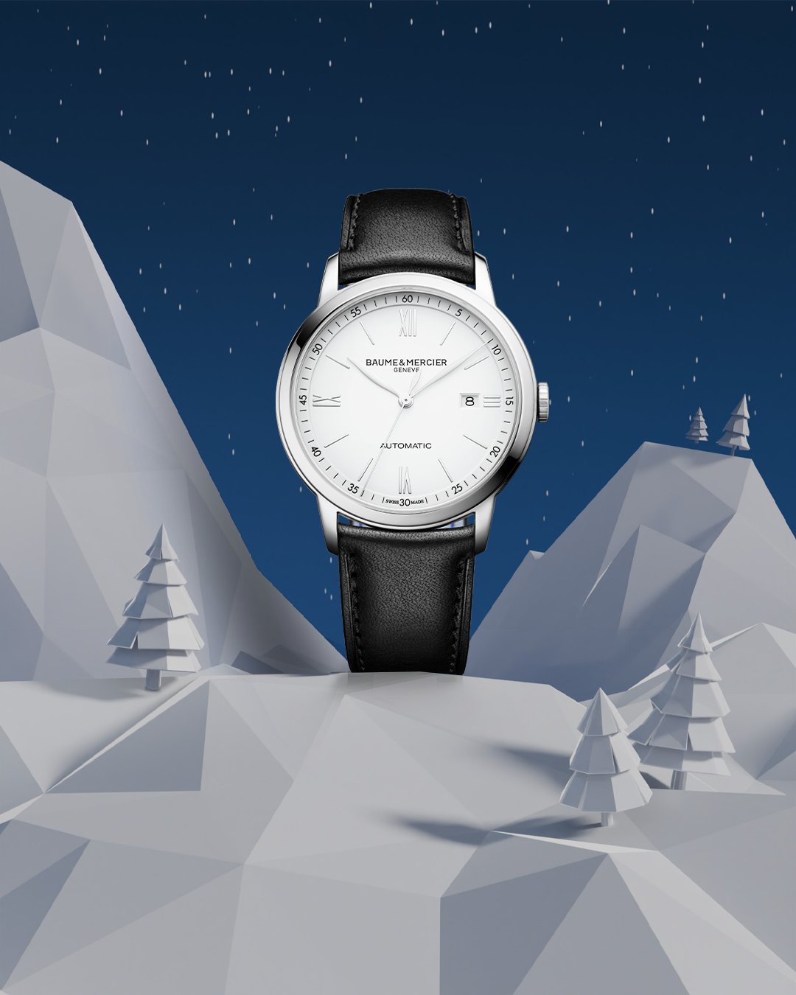  | 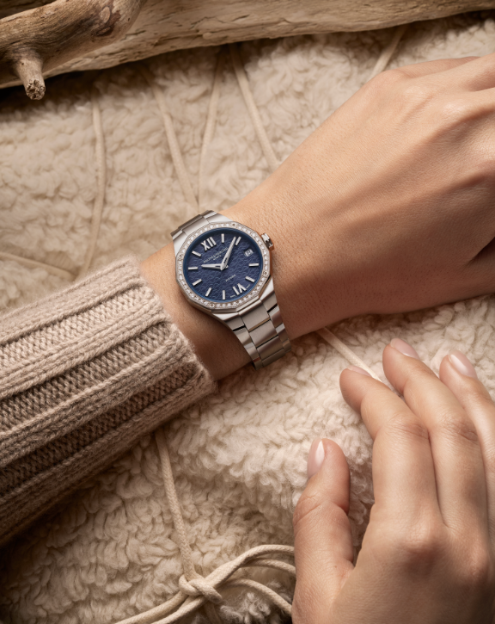 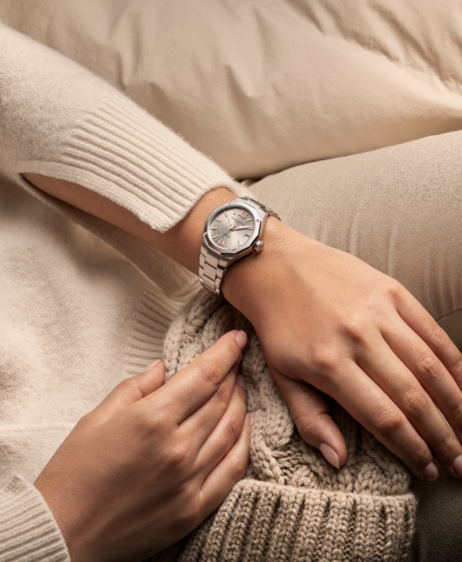
Text | For the dreamers and stargazers. 🌙 The Clifton 10758 with its moonphase complication captures the rhythm of the universe. Celebrate the magic of the night with Baume & Mercier. -- Hit the link in bio to discover our gifts selection -- #BaumeetMercier #HolidaySeason #BaumyTheSnowman #SwissSince1830 #ArtOfShapes #Christmas #Christmasgifts | A message from Baumy to you: ‘Happy Holiday Season!’ 🎄 Celebrate time, cherish moments, and embrace the art of giving. From our Maison to your home, may your holidays be as timeless as our creations. – Baumy ❄️ -- Hit the link in bio to discover our gifts selection -- #BaumeetMercier #HolidaySeason #BaumyTheSnowman #SwissSince1830 #ArtOfShapes #Christmas #Christmasgifts | On every wrist, a story of caftmanship and Baume & Mercier's art of shape comes to life. Which timepiece will Baumy inspire you to wear this Holiday Season? -- Hit the link in bio to discover our gifts selection -- #BaumeetMercier #HolidaySeason #BaumyTheSnowman #SwissSince1830 #ArtOfShapes #Christmas #Christmasgifts | Every collection tells a story, and Baumy is here to bring it to life. ❄️ Which story will you wear? -- Hit the link in bio to discover our gifts selection -- #BaumeetMercier #HolidaySeason #BaumyTheSnowman #SwissSince1830 #ArtOfShapes #Christmas #Christmasgifts | Champagne tones for celebrations that sparkle. ✨ This season, let your Baume & Mercier timepiece shine as brightly as the moments you create. Baumy approves, and so will you. -- Hit the link in bio to discover our gifts selection -- #BaumeetMercier #HolidaySeason #BaumyTheSnowman #SwissSince1830 #ArtOfShapes #Christmas #Christmasgifts

DEC-JAN
Date | February 1st - VIDEO | February 3rd - VIDEO | February 5th - CARROUSEL | February 6th - VIDEO | February 7th - CARROUSEL
Image | 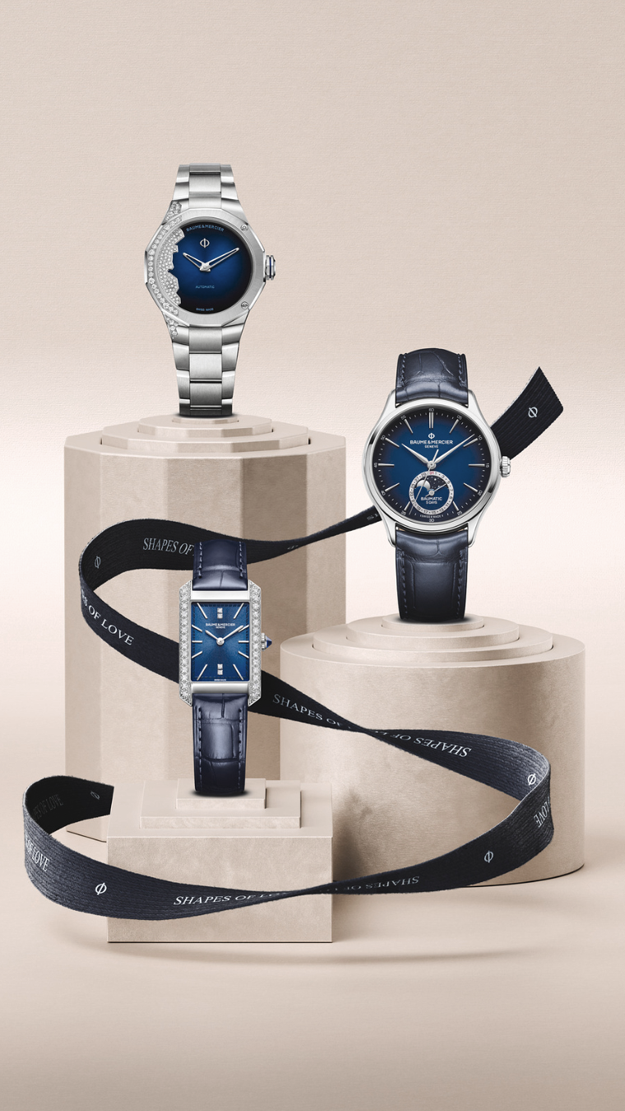 | 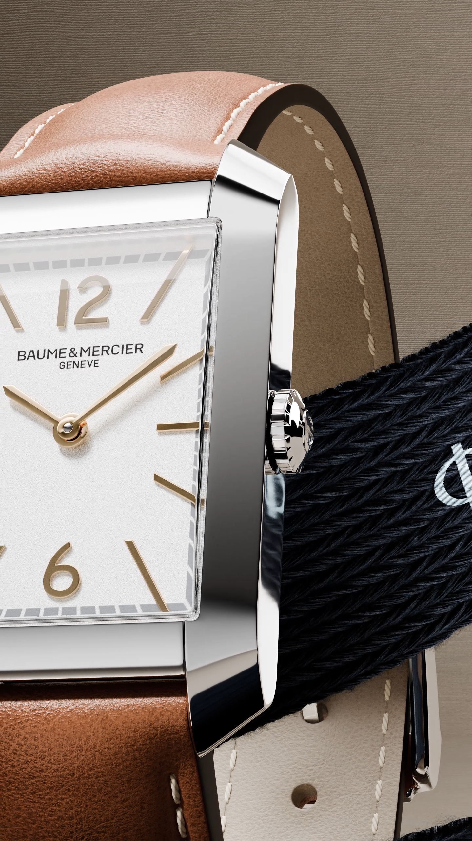 | 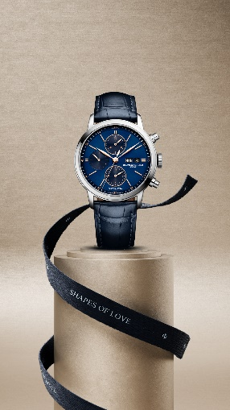 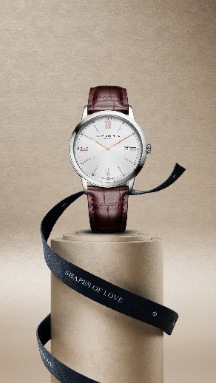 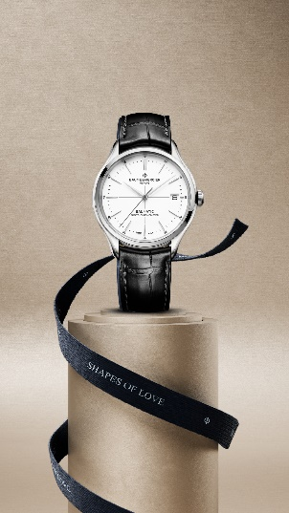 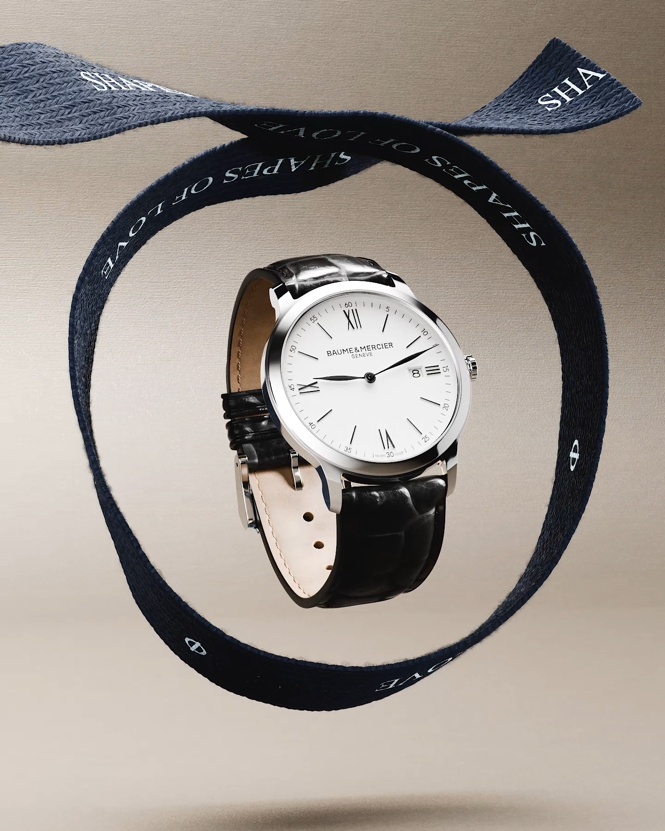 | 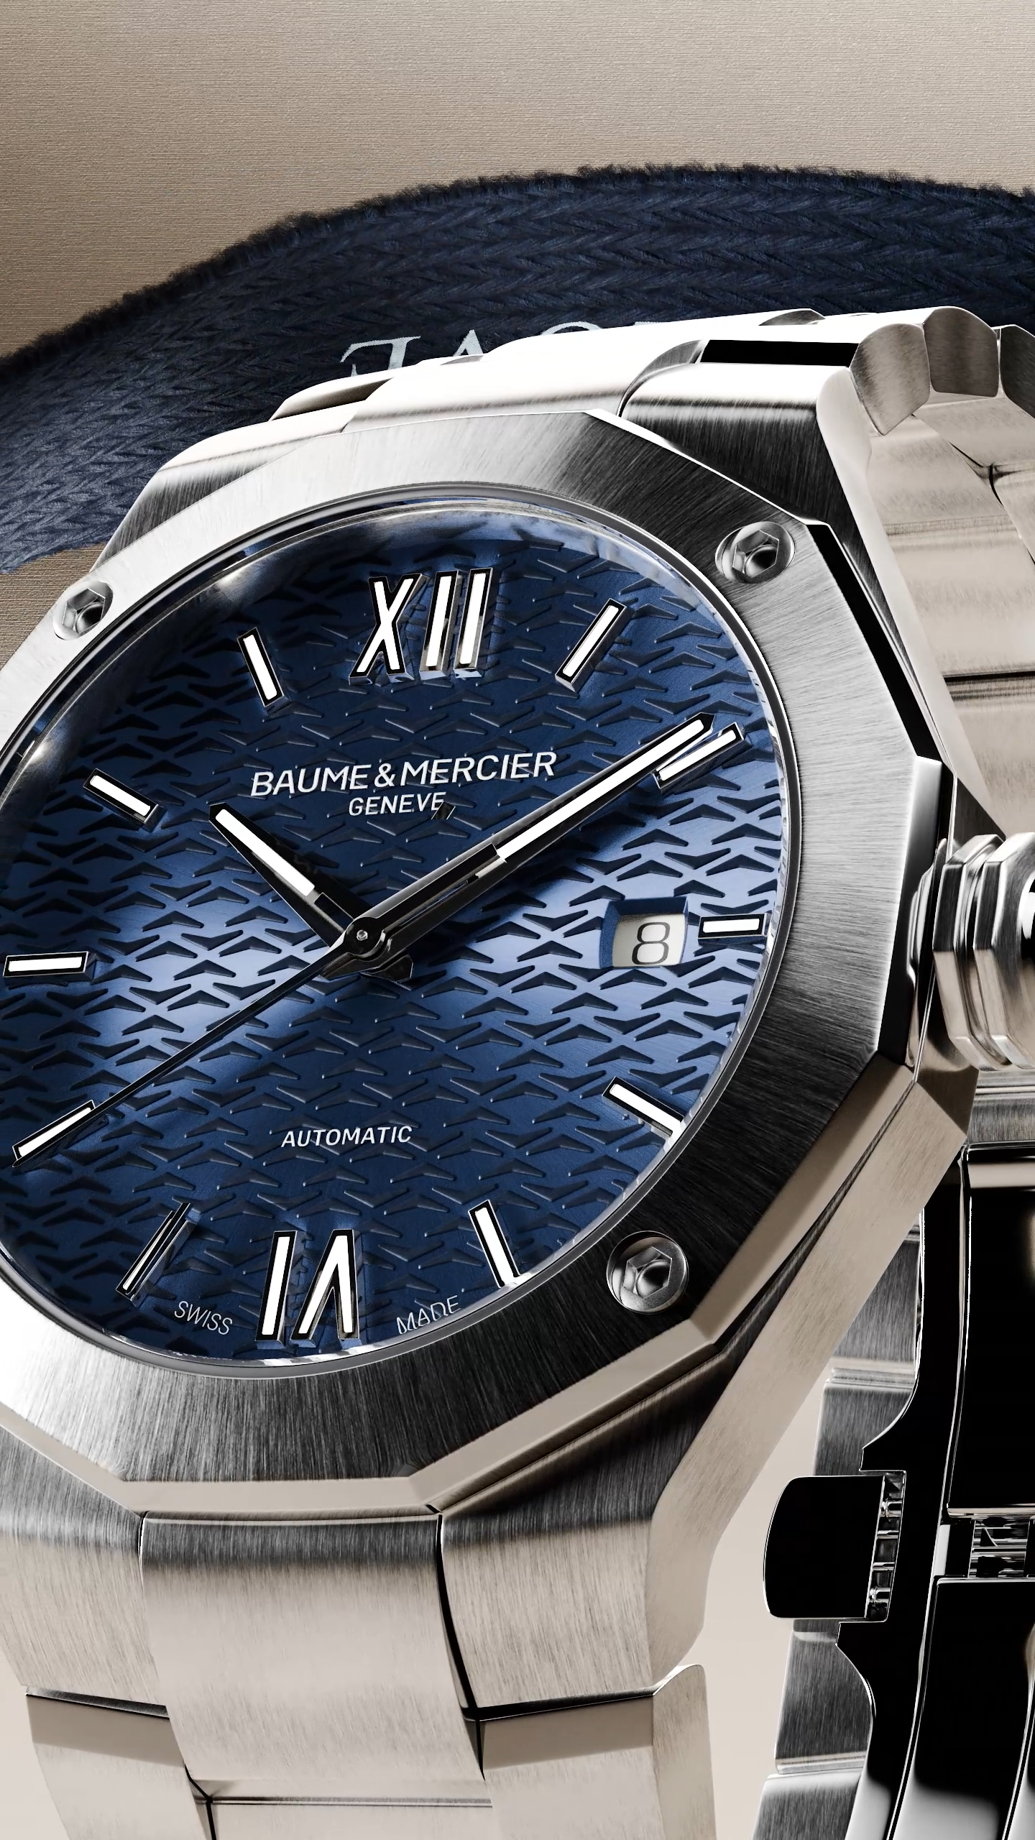 | 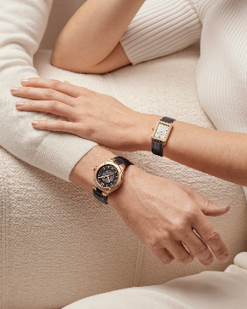 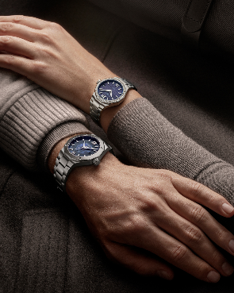 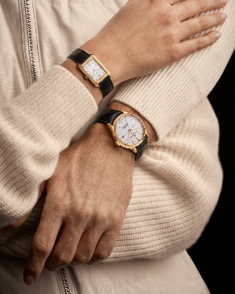 
Text | Embrace the "Shapes of Love" celebrating the Maison's artistry of form and the beauty of human bonds. This Valentine’s Day, the Maison’s creations become more than timepieces—they are tokens of love and expressions of timeless watchmaking expertise. -- Riviera 10620, Clifton 10593, Hampton 10472, Classima 10323 Rivera Coastline 10677, Clifton Moonphase 10756, Hampton 10709 -- #BaumeetMercier #ShapesOfLove #Riviera #Clifton #Hampton #Classima #Valentinesday #WatchOfTheDay #WatchLover #LuxuryTimepiece | Which shape of love speaks to you? Round, rectangular, or dodecagonal? Baume & Mercier's Shapes of Love lineup offers a unique watch for every style and personality. What about the Hampton collection and its rectangular silhouette and meticulous finishes making it the perfect gift for a discerning loved one. Let us know your favorite in the comments! -- Hampton 10472, Riviera 10620, Classima 10323 -- #BaumeetMercier #ShapesOfLove #Hampton #Valentinesday #WatchOfTheDay #WatchLover #LuxuryTimepiece | This Valentine's Day, express your enduring love with the timeless elegance of Classima. Our "Shapes of Love" lineup features exquisitely crafted timepieces, each a symbol of enduring affection and refined style. A Classima watch is a gift that speaks by itself. Let us know your favorite in the comments! -- Classima 10323 -- #BaumeetMercier #ShapesOfLove #Classima #Valentinesday #WatchOfTheDay #WatchLover #LuxuryTimepiece | Dare to be different This Valentine's Day, make a statement with the Baume & Mercier Riviera featured as one of our "Shapes of Love", a bold and daring timepiece that embodies sporty elegance and avant-garde design. Its unique dodecagonal shape is as unforgettable as your love. Let us know your favorite in the comments! -- Riviera 10620 -- #BaumeetMercier #ShapesOfLove #Riviera #Clifton #Valentinesday #WatchOfTheDay #WatchLover #LuxuryTimepiece | This Valentine's Day, find a timeless way to express your affection. Our new "Shapes of Love" lineup offers exquisite timepieces, each a unique reflection of enduring romance. Discover the perfect timepiece to celebrate your special bond. Let us know your favorite in the comments! -- Riviera 10616 & Hampton 10709 Clifton 10469 & Hampton 10752 Riviera 10616 & Riviera 10765 Riviera 10787 & Hampton 10752 -- #BaumeetMercier #ShapesOfLove #Riviera #Clifton #Hampton #Valentinesday #WatchOfTheDay #WatchLover #LuxuryTimepiece

Date | February 8th - CARROUSEL | February 9th - CARROUSEL | February 10th - CARROUSEL | February 12th - VIDEO | February 15th
Image | 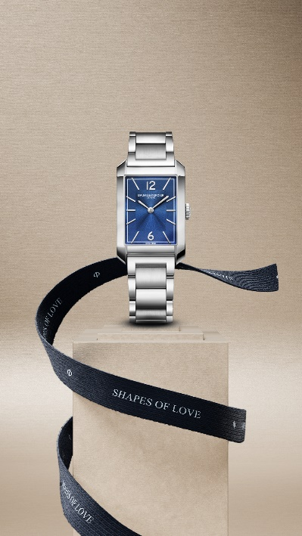 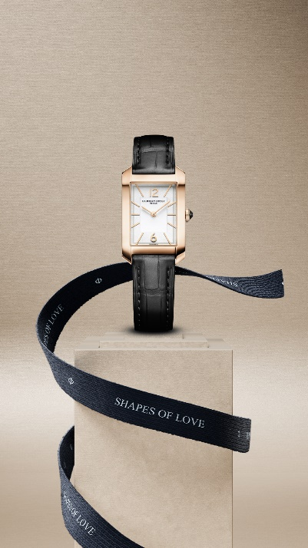 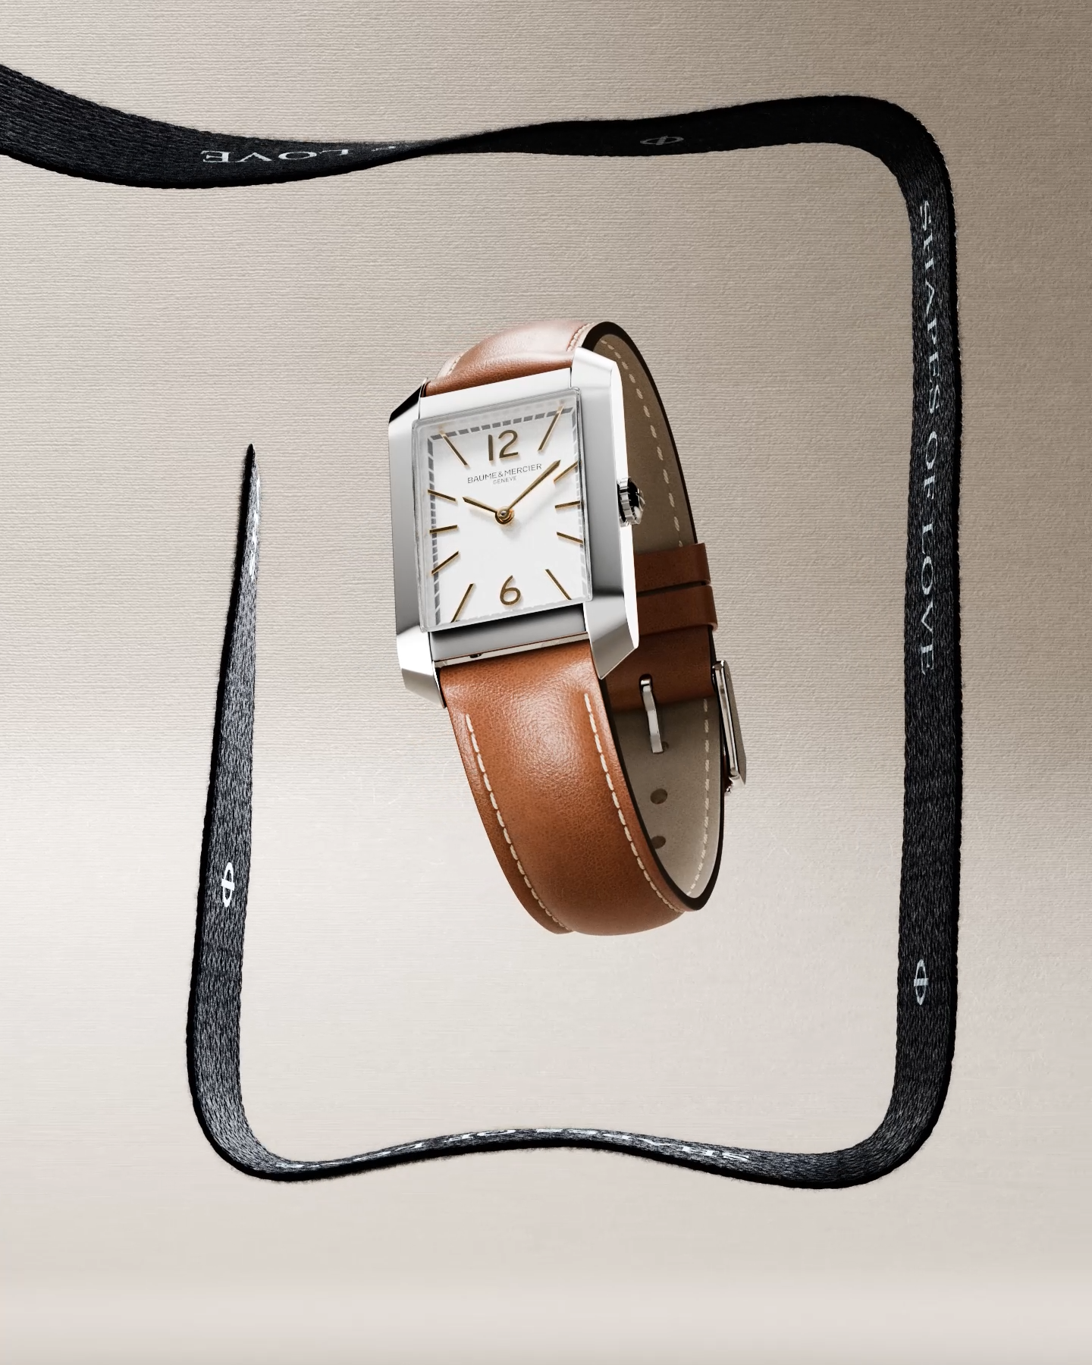 | 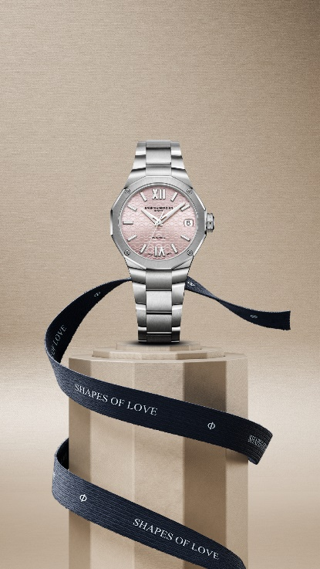 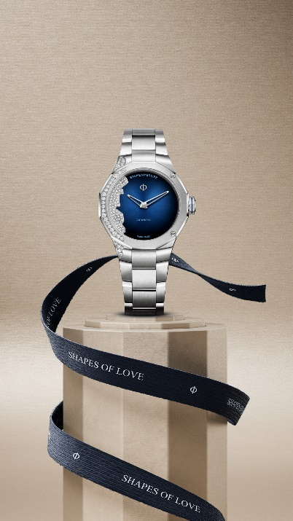  |  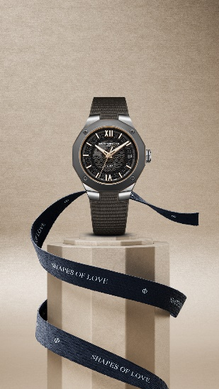 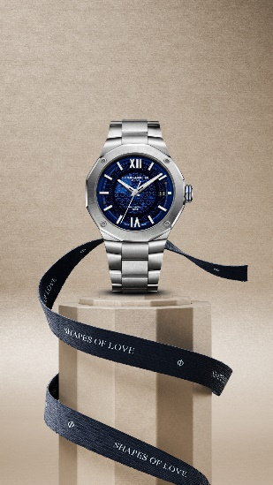 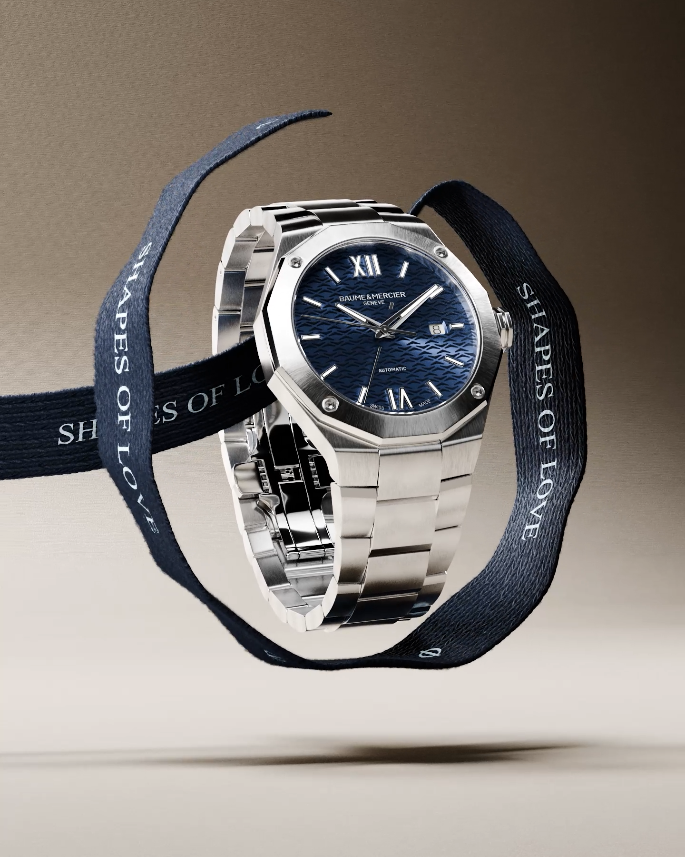 | 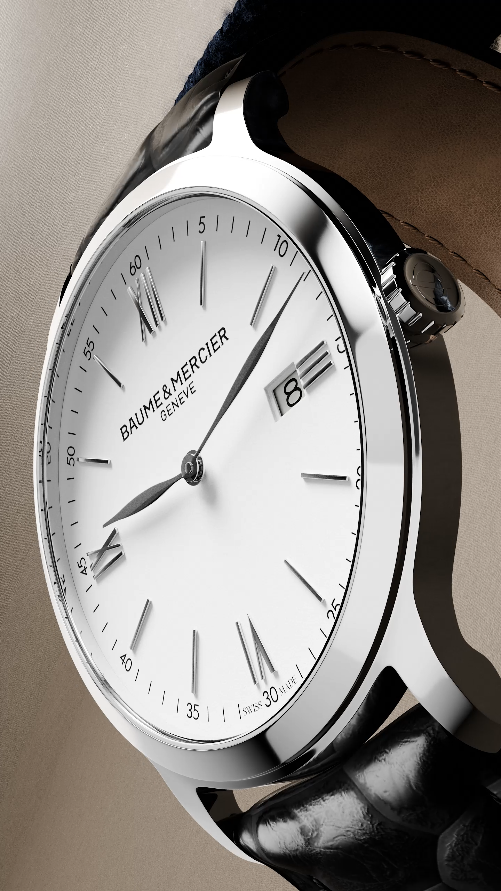 | IN PREPARATION
Text | A love letter to yourself. This Valentine's Day, celebrate your own unique brilliance with the Baume & Mercier Hampton collection. Its refined design and captivating dodecagonal shape are a testament to your enduring beauty and grace. -- Hampton 10472, Hampton 10752, Hampton 10754 -- #BaumeetMercier #ShapesOfLove #Riviera #Clifton #Hampton #Classima #Valentinesday #WatchOfTheDay #WatchLover #LuxuryTimepiece | Sophistication redefined. The Baume & Mercier Riviera: a statement of effortless style and refined taste. This Valentine's Day, embrace your inner radiance with this exquisite timepiece. Its unique dodecagonal design is as captivating as you are. Let us know your favorite in the comments! -- Riviera 10730, Riviera 10767, Riviera 10675 -- #BaumeetMercier #ShapesOfLove #Riviera #Clifton #Hampton #Classima #Valentinesday #WatchOfTheDay #WatchLover #LuxuryTimepiece | A love as multifaceted as its design. The Baume & Mercier Riviera collection, with its striking dodecagonal shape, embodies the dynamic energy of modern romance. Sporty yet sophisticated, it's the perfect timepiece to celebrate your unique connection. Let us know your favorite in the comments! -- Riviera 10620, Riviera 10616, Riviera 10720, Riviera 10717 -- #BaumeetMercier #ShapesOfLove #Riviera #Clifton #Hampton #Classima #Valentinesday #WatchOfTheDay #WatchLover #LuxuryTimepiece | The classic round shape, a timeless symbol of love. Our "Shapes of Love" lineup features beautifully crafted round watches, each a perfect expression of enduring affection and refined taste. This Valentine's Day, give the gift of a Classima. Let us know your favorite in the comments! -- Classima 10323 -- #BaumeetMercier #ShapesOfLove #Riviera #Clifton #Hampton #Classima #Valentinesday #WatchOfTheDay #WatchLover #LuxuryTimepiece
Date | February 17th - CARROUSEL | February 20th - CARROUSEL | February 22th - CARROUSEL | February 24th - VIDEO | February 27th
Image | IN PREPARATION | IN PREPARATION | IN PREPARATION | IN PREPARATION | IN PREPARATION
Text

GRID PREVIEW
