MAY
Date | MAY 2nd | MAY 4th (VIDEO) | MAY 6th | MAY 8th | MAY 10th
Image | 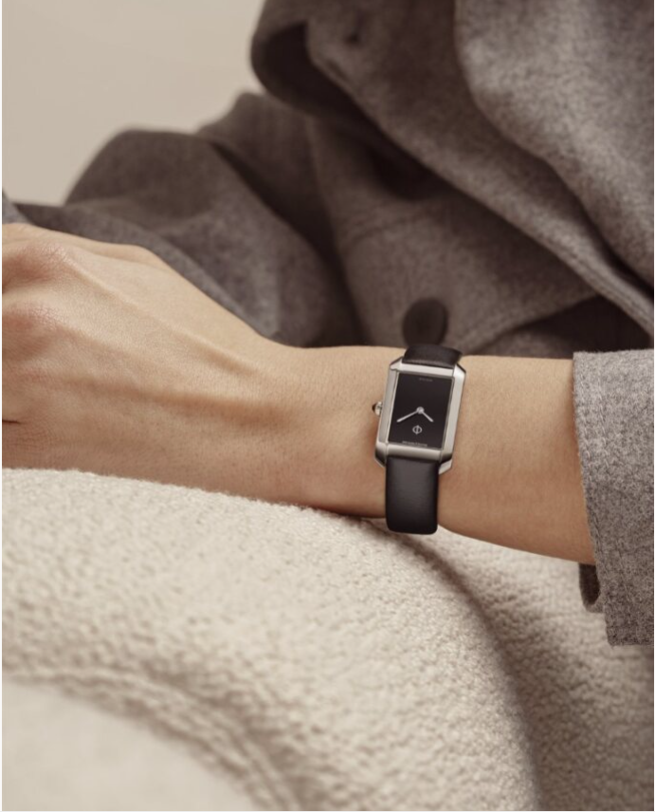 | 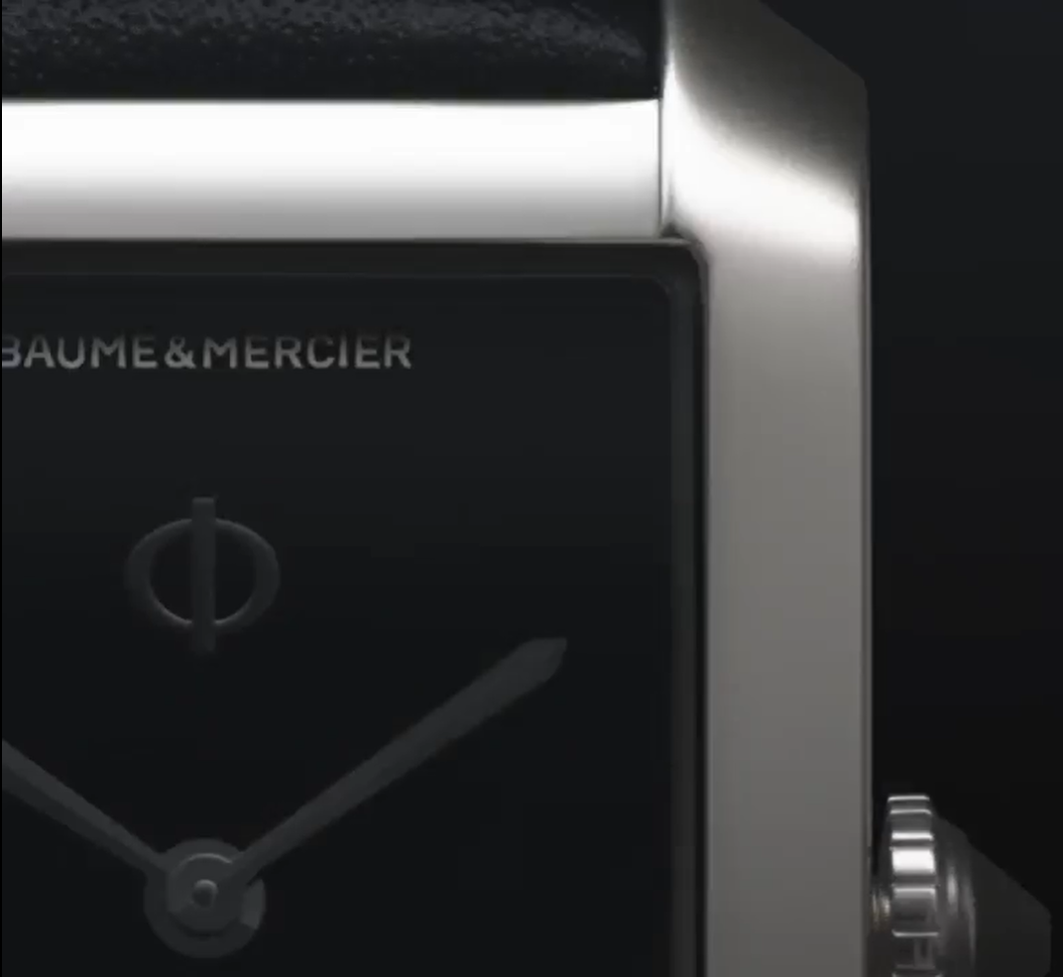 VIDEO 10760 | 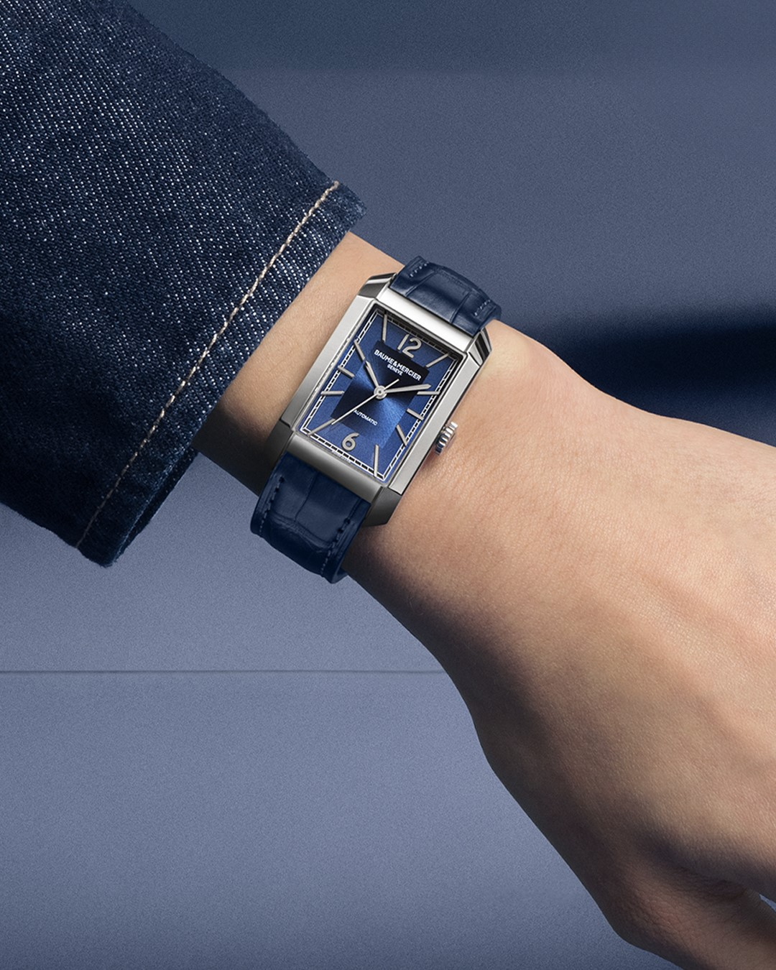 | 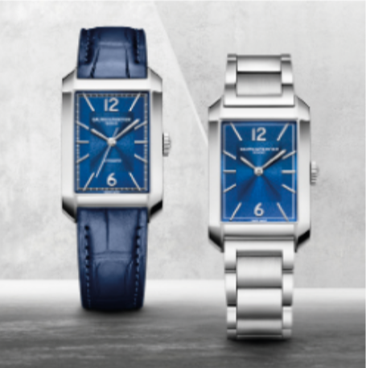 | 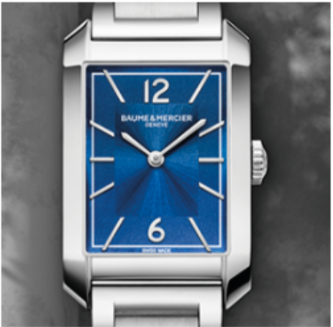
Text | Opt for the chic of black with our new Hampton piece. The Hampton M0A10760 asserts an all-black look, with its black dial and integrated, edged smooth black calfskin strap -- Hampton 10760 Small size, Quartz, 5 ATM Water-Resistance, Interchangeable black calfskin strap. -- #BaumeetMercier #Hampton #ShapingTime #Baumatic #DailyWatch #Watches #Watch #InstaWatch #WatchOfTheDay #WatchesOfInstagram #WatchLover #WatchCollector #LuxuryWatch #InstaWatch #Style #Elegant #WristWatch #Timepiece #WatchMaking #InstaWatches | Choose a minimalist black elegance with our new Hampton 10760. This couture-inspired timepiece features a finely worked black dial and a black agate on its crown. -- Hampton 10760 Small size, Quartz, 5 ATM Water-Resistance, Interchangeable black calfskin strap. -- #BaumeetMercier #Hampton #ShapingTime #Baumatic #DailyWatch #Watches #Watch #InstaWatch #WatchOfTheDay #WatchesOfInstagram #WatchLover #WatchCollector #LuxuryWatch #InstaWatch #Style #Elegant #WristWatch #Timepiece #WatchMaking #InstaWatches | Opt for a luminous and unconventional timepiece. Meet the Hampton 10754 with its radiant blue dial associated with a sport-chic stainless steel strap that will never go unnoticed. -- Hampton 10754 Medium size, Quartz, 5 ATM Water-Resistance, Interchangable integrated blue alligator strap. -- #BaumeetMercier #Hampton #ShapingTime #Baumatic #DailyWatch #Watches #Watch #InstaWatch #WatchOfTheDay #WatchesOfInstagram #WatchLover #WatchCollector #LuxuryWatch #InstaWatch #Style #Elegant #WristWatch #Timepiece #WatchMaking #InstaWatches | Classic or sport chic ? The Hampton 10732 and 10754 are more than just timepieces, they are statements of style and sophistication. Their streamlined allure, soft curves, and rounded horns all bring to mind an iconic model of the 1960s complemented with a modern twist. -- Hampton 10732 Hampton 10754 -- #BaumeetMercier #Hampton #ShapingTime #Baumatic #DailyWatch #Watches #Watch #InstaWatch #WatchOfTheDay #WatchesOfInstagram #WatchLover #WatchCollector #LuxuryWatch #InstaWatch #Style #Elegant #WristWatch #Timepiece #WatchMaking #InstaWatches | The Hampton 10754 is all about beautiful contrasts. Appreciate the radiant blue color of the dial perfectly balancing the brilliance of the steel case and bracelet. -- Hampton 10754 Medium size, Quartz, 5 ATM Water-Resistance, Interchangable integrated stainless steel strap. -- #BaumeetMercier #Hampton #ShapingTime #Baumatic #DailyWatch #Watches #Watch #InstaWatch #WatchOfTheDay #WatchesOfInstagram #WatchLover #WatchCollector #LuxuryWatch #InstaWatch #Style #Elegant #WristWatch #Timepiece #WatchMaking #InstaWatches | $

Date | MAY 12th | MAY 14th (VIDEO) | MAY 16th | MAY 18th | MAY 20th
Image |  | 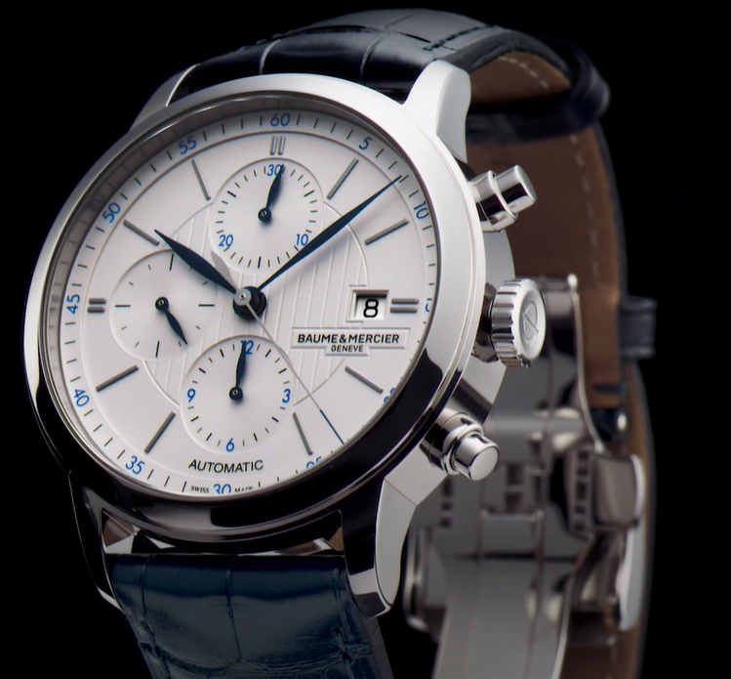 | 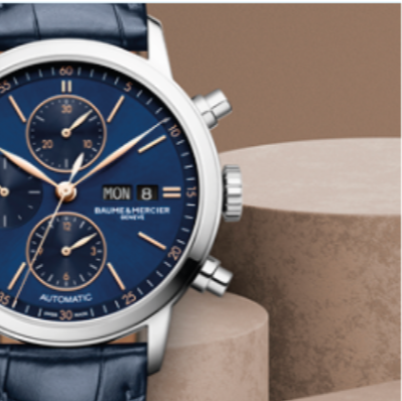 | 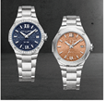 DUO 10765 + Terra cotta 10764 |  RIVIERA 10764
Text | The Classima 10330 Automatic Chronograph features a classic design, enhanced by blued steel hands and a transparent sapphire crystal case back, immerses you into a world of refinement. -- Classima 10330 42 mm, Automatic, 5 ATM Water-Resistance, Blue alligator strap. -- #BaumeetMercier #Classima #Chronograph #ShapingTime #Baumatic #DailyWatch #Watches #Watch #InstaWatch #WatchOfTheDay #WatchesOfInstagram #WatchLover #WatchCollector #LuxuryWatch #InstaWatch #Style #Elegant #WristWatch #Timepiece #WatchMaking #InstaWatches | Indulge in the allure of precision with the Classima 10330 Automatic Chronograph. From its polished steel case to the intricate details of the opaline silver dial, this timepiece reflects the elegance of its owner. -- Classima 10330 42 mm, Automatic, 5 ATM Water-Resistance, Blue alligator strap. -- #BaumeetMercier #Classima #Chronograph #ShapingTime #Baumatic #DailyWatch #Watches #Watch #InstaWatch #WatchOfTheDay #WatchesOfInstagram #WatchLover #WatchCollector #LuxuryWatch #InstaWatch #Style #Elegant #WristWatch #Timepiece #WatchMaking #InstaWatches | A beloved feature of models from the Classima Collection, the chronograph is a complication that has set Baume & Mercier apart since the beginning of its history. The Classima 10784 pays tribute to precision with its stylized push-pieces located at 2 and 4 o’clock. -- Classima 10784 42 mm, Automaic, Polished stainless steel case, Scratch-resistant sapphire crystal, Open case back, , small seconds, chronograph, day, date, Alligator blue strap -- #BaumeetMercier #Classima #Chronograph #ShapingTime #Baumatic #DailyWatch #Watches #Watch #InstaWatch #WatchOfTheDay #WatchesOfInstagram #WatchLover #WatchCollector #LuxuryWatch #InstaWatch #Style #Elegant #WristWatch #Timepiece #WatchMaking #InstaWatches | Time to let the colors of the Riviera illuminate your wrist! Whether you are more on a festive or natural mood, the Riviera 10765 and 10764 will add a colorful touch to your style. -- Riviera 10765 Riviera 10764 -- #BaumeetMercier #Riviera #Since73 #ShapingTime #Baumatic #DailyWatch #Watches #Watch #InstaWatch #WatchOfTheDay #WatchesOfInstagram #WatchLover #WatchCollector #LuxuryWatch #InstaWatch #Style #Elegant #WristWatch #Timepiece #WatchMaking #InstaWatches | Take a look at this luminous "terracotta-inspired" dial. The Riviera 10764 evokes nature and especially the specific stones true to the French Riviera. With summer around the corner, choose the right watch that will accompany you during your escapades under the sunlight! -- Riviera 10764 36 mm, Automatic, Polished and satin-finished steel case, Open case Back, Sun satin-finished lacquered terracotta and transparent waves decor, Fast Strap technology - Interchangeable strap system. -- #BaumeetMercier #Riviera #Since73 #ShapingTime #Baumatic #DailyWatch #Watches #Watch #InstaWatch #WatchOfTheDay #WatchesOfInstagram #WatchLover #WatchCollector #LuxuryWatch #InstaWatch #Style #Elegant #WristWatch #Timepiece #WatchMaking #InstaWatches
Date | MAY 22nd | MAY 24th | MAY 26th | MAY 28th | MAY 30th
Image |  RIVIERA 10765 | 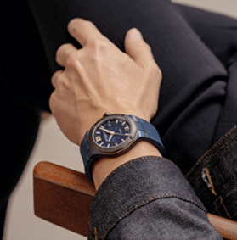 RIVIERA 10769 | 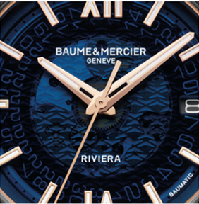 RIVIERA 10769 | 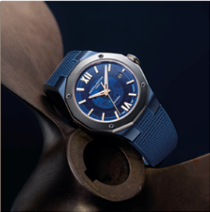 RIVIERA 10769 | 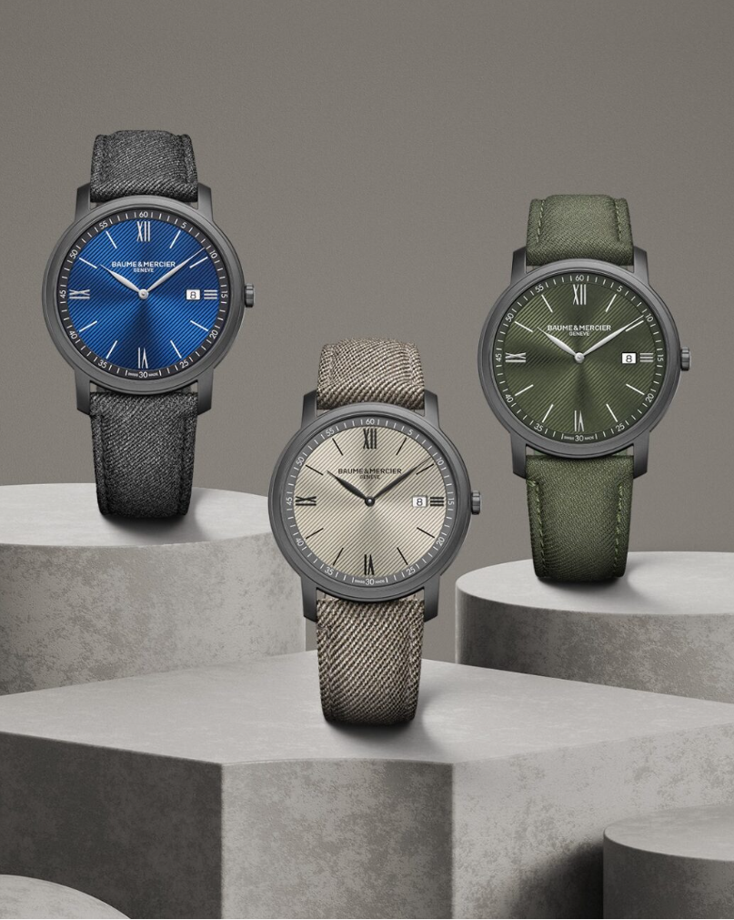
Text | Picture yourself on a festive night out wearing this refined timepiece as the finishing touch to your elegant outfit. The Riviera 10765 is designed to enhance your femininity in all occasions. -- RIVIERA 10765 33 mm, sun satin-finished and polished stainless steel bezel set with 44 diamonds, night blue dial and transparent waves decor, metal bracelet, Fast strap technology - Interchangeable strap system. -- #watchesandwonders2024 #WatchesAndWonders #BaumeetMercier #ShapingTime #Riviera #Since73 #WatchCollector #Horology #DailyWatch #Watches #Watch #SwissMade #WatchOfTheDay #WatchesOfInstagram #WatchLover #WatchAddict #WristWatch #InstaWatch #InstaWatches #LuxuryTimepiece #ArtofHorology | A titanium bezel, a gilded ring, a sapphire blue dial, the Riviera 10769 represents the mineral layers of the hills surrounded the sea and bathered in light. -- Riviera 10769 42 mm, Baumatic manufacture movement, steel case paired with a sandblasted titanium bezel, sapphire blue dial, 5-Day Power Reserve, Antimagnetic 1500 Gauss, Fast Strap technology - Interchangeable strap system. Eligible for an 8-year warranty -- #BaumeetMercier #ShapingTime #Baumatic #Riviera #Since73 #WatchCollector #Horology #DailyWatch #Watches #Watch #SwissMade #WatchOfTheDay #WatchesOfInstagram #WatchLover #WatchAddict #WristWatch #InstaWatch #InstaWatches #LuxuryTimepiece #ArtofHorology | Playing with transparency? The Riviera 10769 lets you appreciate every visible detail of the manufacture Baumatic movement. -- Riviera 10769 42 mm, Baumatic manufacture movement, steel case paired with a sandblasted titanium bezel, sapphire blue dial, 5-Day Power Reserve, Antimagnetic 1500 Gauss, Fast Strap technology - Interchangeable strap system. Eligible for an 8-year warranty -- #BaumeetMercier #ShapingTime #Baumatic #Riviera #Since73 #WatchCollector #Horology #DailyWatch #Watches #Watch #SwissMade #WatchOfTheDay #WatchesOfInstagram #WatchLover #WatchAddict #WristWatch #InstaWatch #InstaWatches #LuxuryTimepiece #ArtofHorology | Ticking thanks to our Baumatic manufacture movement, the Riviera 10769 is a mix and match of materials and colors and will bring your sport tyle to the next level. -- Riviera 10769 42 mm, Baumatic manufacture movement, steel case paired with a sandblasted titanium bezel, sapphire blue dial, 5-Day Power Reserve, Antimagnetic 1500 Gauss, Fast Strap technology - Interchangeable strap system. Eligible for an 8-year warranty -- #BaumeetMercier #ShapingTime #Baumatic #Riviera #Since73 #WatchCollector #Horology #DailyWatch #Watches #Watch #SwissMade #WatchOfTheDay #WatchesOfInstagram #WatchLover #WatchAddict #WristWatch #InstaWatch #InstaWatches #LuxuryTimepiece #ArtofHorology | Go for a casual timepiece to match your outfit with our new Classima and appreciate the subtle nuances of the diagonal line decor on the dial, mirroring the ones sewn on our Holland & Sherry straps. -- Classima 10780 Classima 10767 Classima 10766 -- #BaumeetMercier #ShapingTime #Baumatic #Riviera #Since73 #WatchCollector #Horology #DailyWatch #Watches #Watch #SwissMade #WatchOfTheDay #WatchesOfInstagram #WatchLover #WatchAddict #WristWatch #InstaWatch #InstaWatches #LuxuryTimepiece #ArtofHorology

JUNE PROPALE
Date | June 1st | June 3rd | June 5th | June 7th | June 9th
Image | CLASSIMA fete des peres 10780 - 10766 - 10767 - 10762 | CLASSIMA fete des peres 10780 - 10766 - 10767 - 10762 | CLASSIMA 10783 | CLASSIMA 10783 | CLASSIMA 10783
Text |  |  |  |  |  |  | $

Date | June 11th | June 13th | June 15th | June 17th | June 19th
Image | CLASSIMA 10782 | CLASSIMA 10782 | CLASSIMA 10782 | CLIFTON | CLIFTON
Text
Date | June 21st | June 23rd | June 25th | June 27th | June 29th
Image | CLIFTON | RIVIERA COULEURS | RIVIERA COULEURS | RIVIERA COULEURS | CLASSIMA | Stories: fete des meres the art of shape . Trouver une idee ludique saée pour fete des peres ou frame de stories voir en fonction NL
Text |  |  |  |  |  | Fin juin aurelien giraux

 |  | MAY 6th | MAY 8th | MAY 10th
 |  |  | 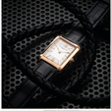 HAMPTON OR |  HAMPTON OR
 |  | Precious and unconventional - Meet the Hampton 10752 with its polished 18K pink gold and titanium case associated with an elegant alligator strap that will not go unoticed. -- Hampton 10752 Small size, Quartz, 5 ATM Water-Resistance, Interchangable integrated black alligator strap. -- #BaumeetMercier #Hampton #ShapingTime #Baumatic #DailyWatch #Watches #Watch #InstaWatch #WatchOfTheDay #WatchesOfInstagram #WatchLover #WatchCollector #LuxuryWatch #InstaWatch #Style #Elegant #WristWatch #Timepiece #WatchMaking #InstaWatches | The Hampton 10752 is more than just a timepiece; it's a statement of style and sophistication. Its streamlined allure, its soft curves, and its rounded horns all bring to mind a vintage and iconic model of the 1960s. -- Hampton 10752 Small size, Quartz, 5 ATM Water-Resistance, Interchangable integrated black alligator strap. -- #BaumeetMercier #Hampton #ShapingTime #Baumatic #DailyWatch #Watches #Watch #InstaWatch #WatchOfTheDay #WatchesOfInstagram #WatchLover #WatchCollector #LuxuryWatch #InstaWatch #Style #Elegant #WristWatch #Timepiece #WatchMaking #InstaWatches | Did you know that the black agate stone on the crown of the Hampton 10752 is believed to enhance overall well-being and quality of life? Wear it and feel empowered. -- Hampton 10752 Small size, Quartz, 5 ATM Water-Resistance, Interchangable integrated black alligator strap. -- #BaumeetMercier #Hampton #ShapingTime #Baumatic #DailyWatch #Watches #Watch #InstaWatch #WatchOfTheDay #WatchesOfInstagram #WatchLover #WatchCollector #LuxuryWatch #InstaWatch #Style #Elegant #WristWatch #Timepiece #WatchMaking #InstaWatches

