GRID PREVIEW
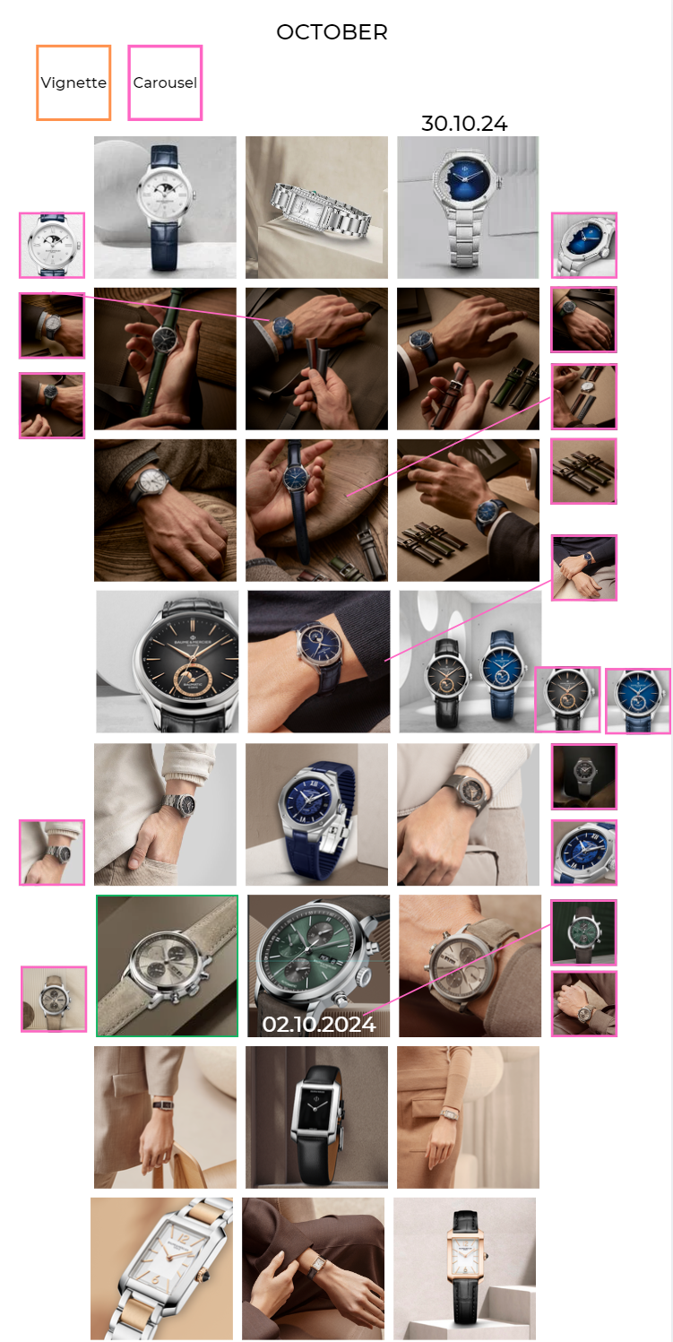

INSTAGRAM
Date | October 2nd | October 4th | October 6th | October 8th | October 10th
Image | 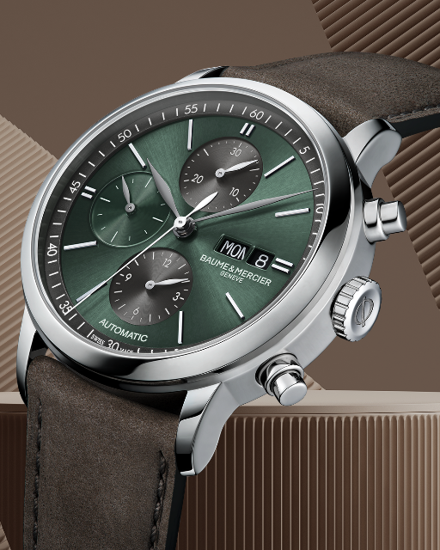 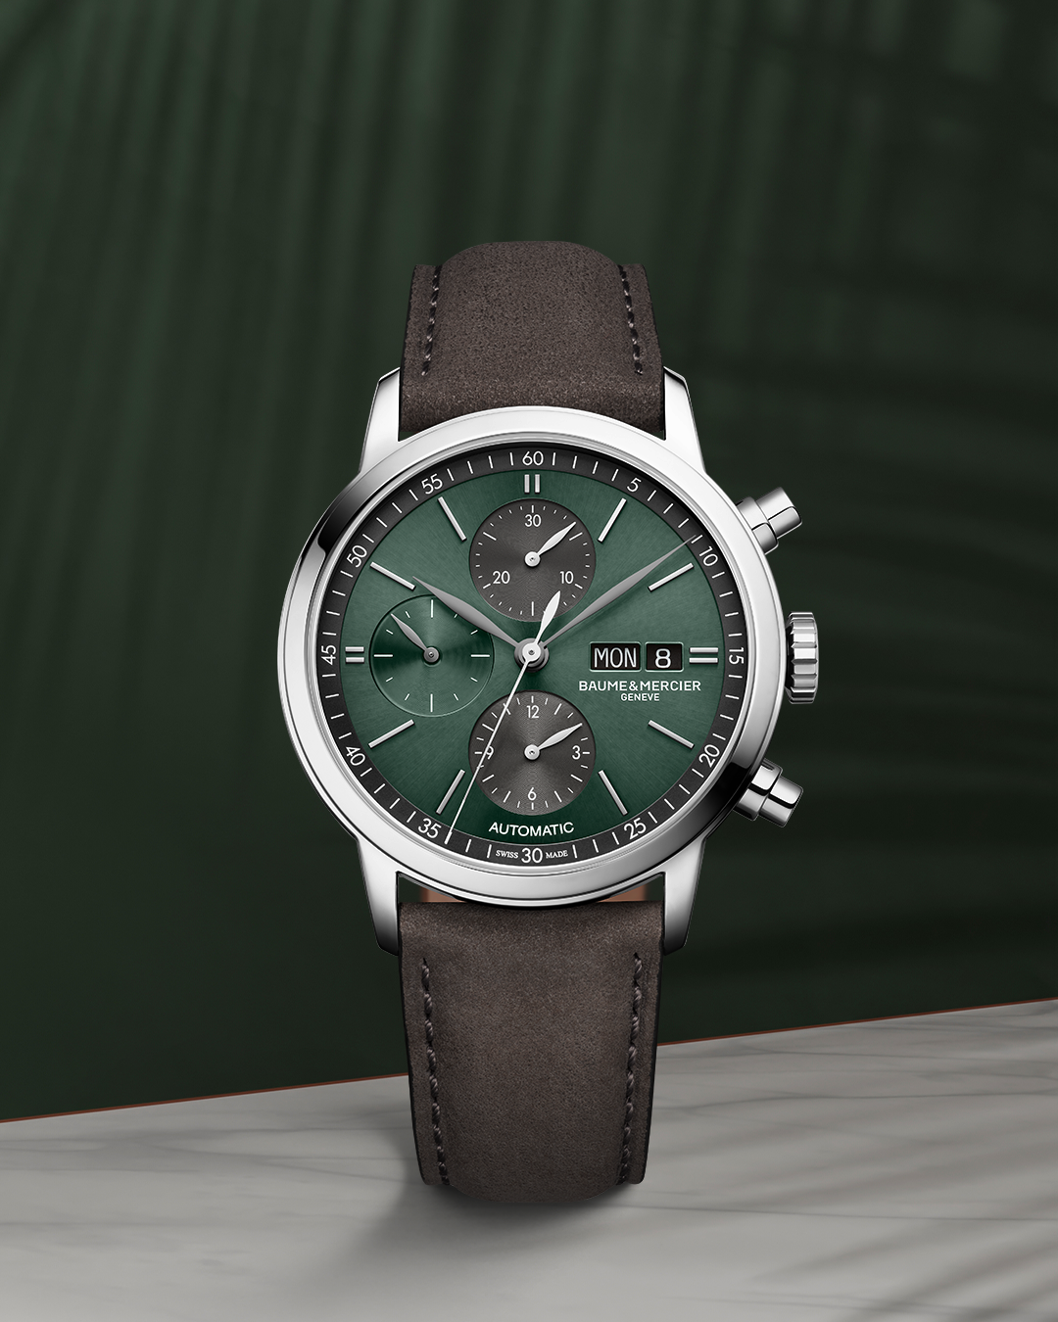 | 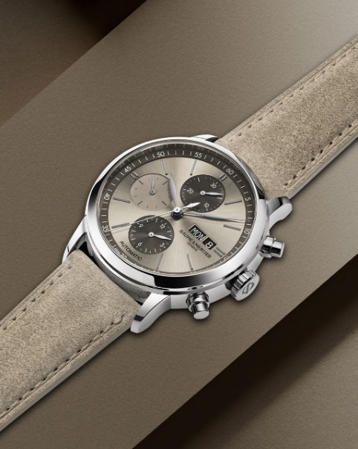 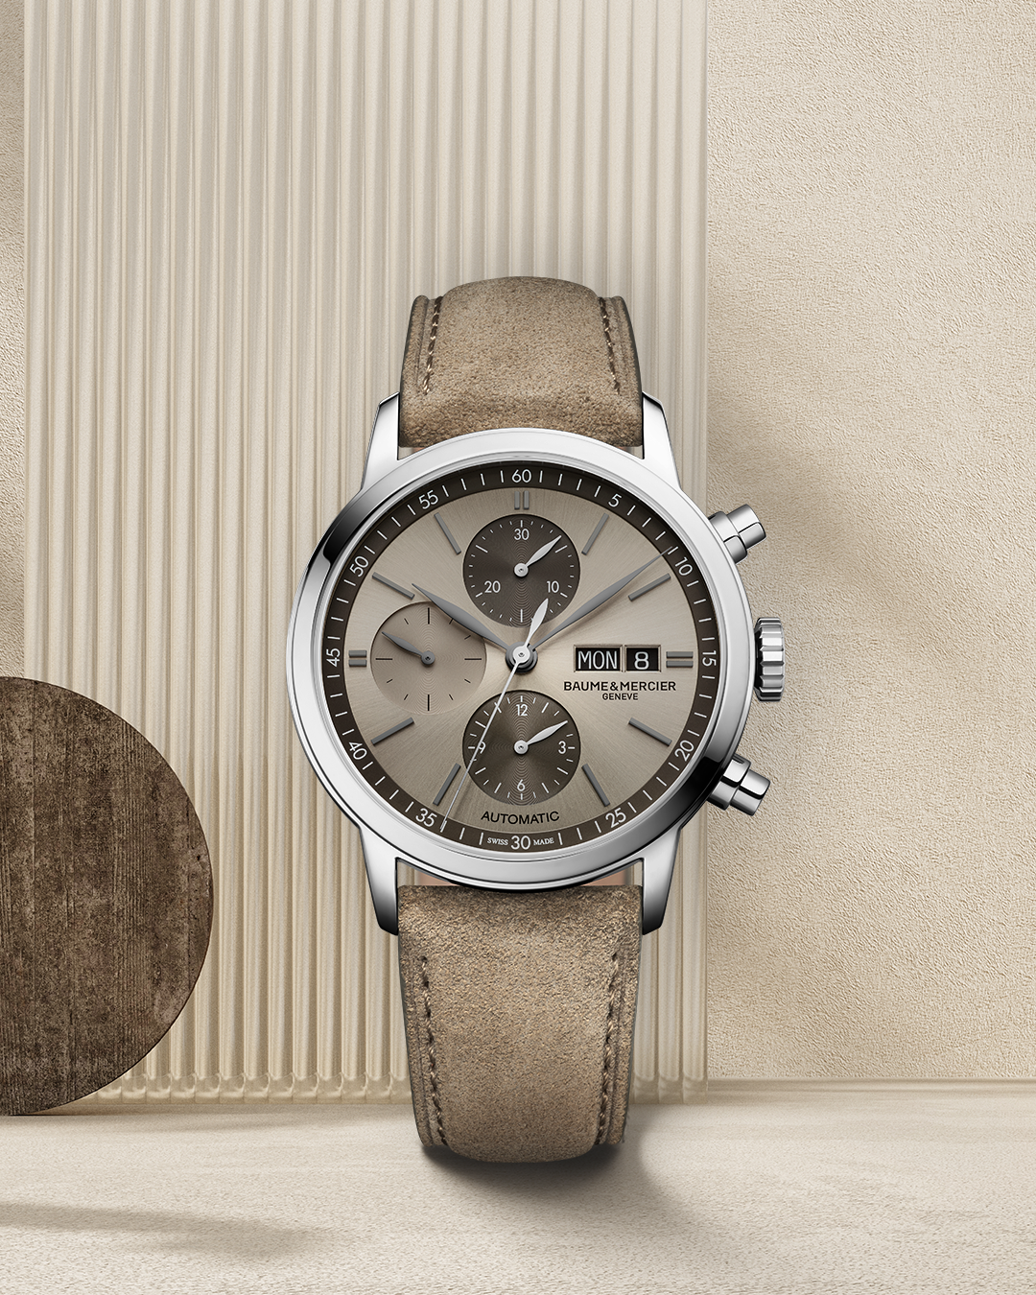 | 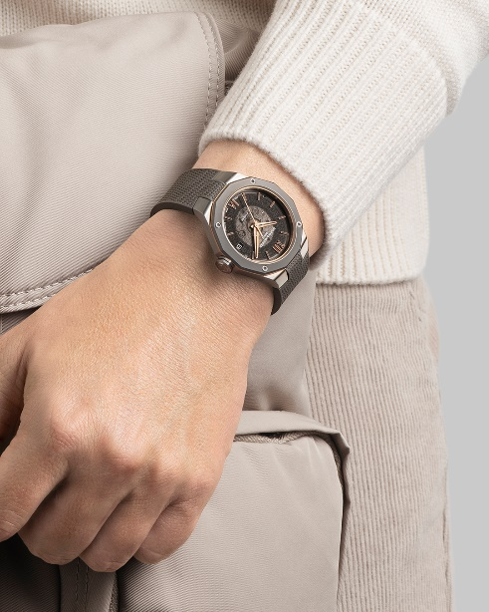 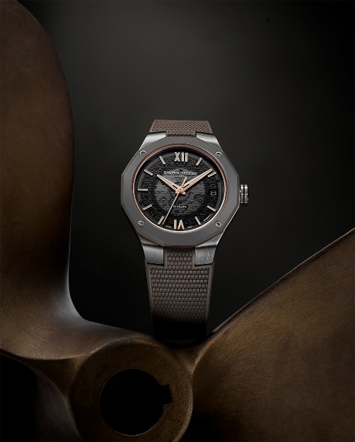 | 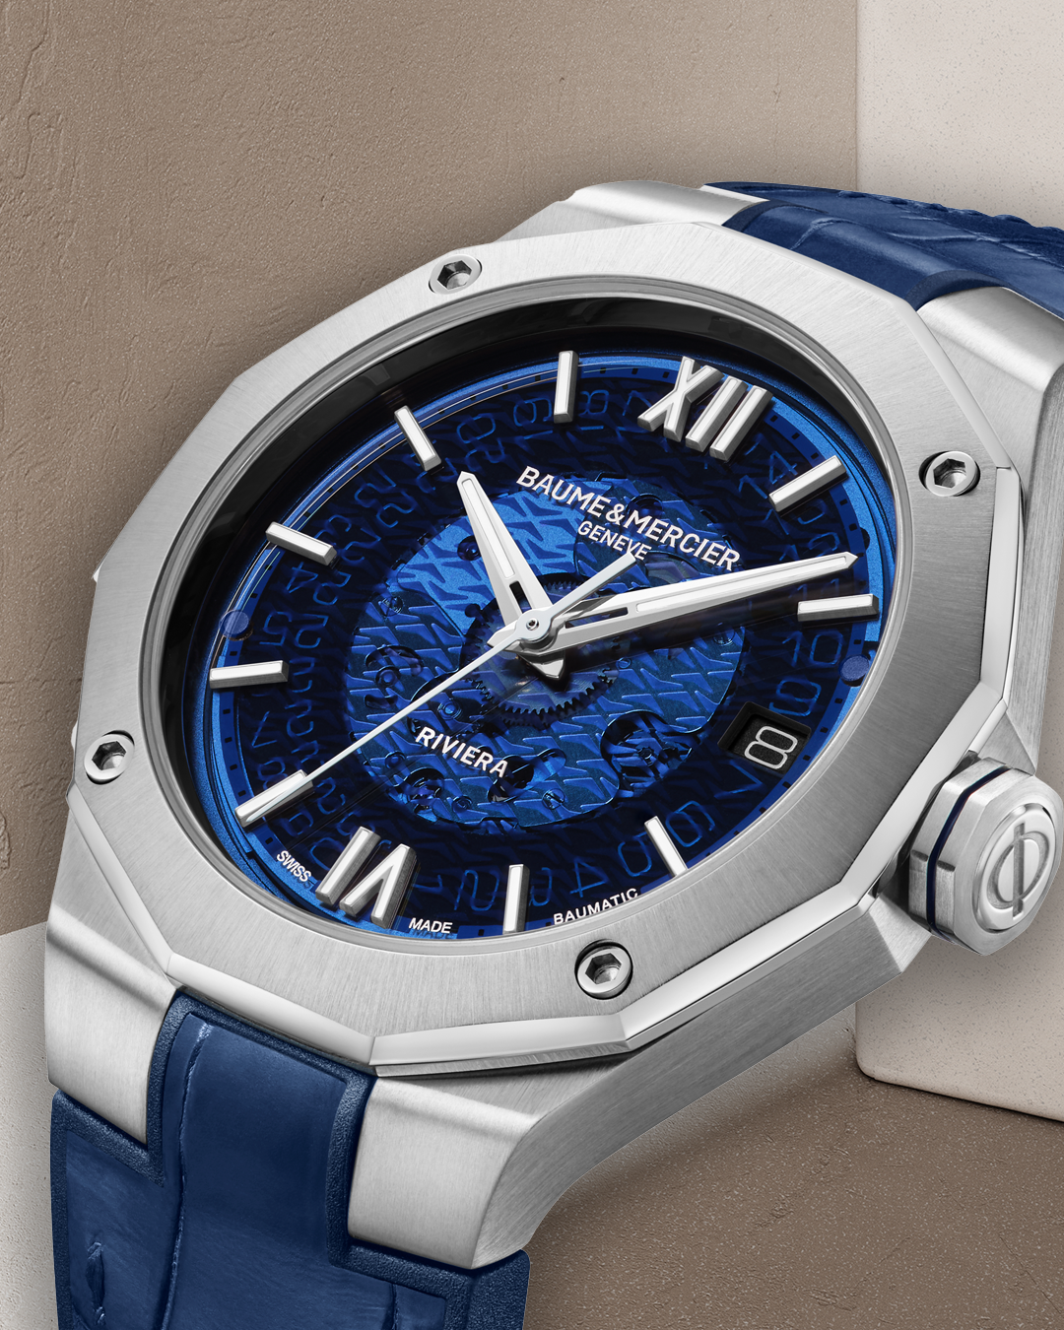 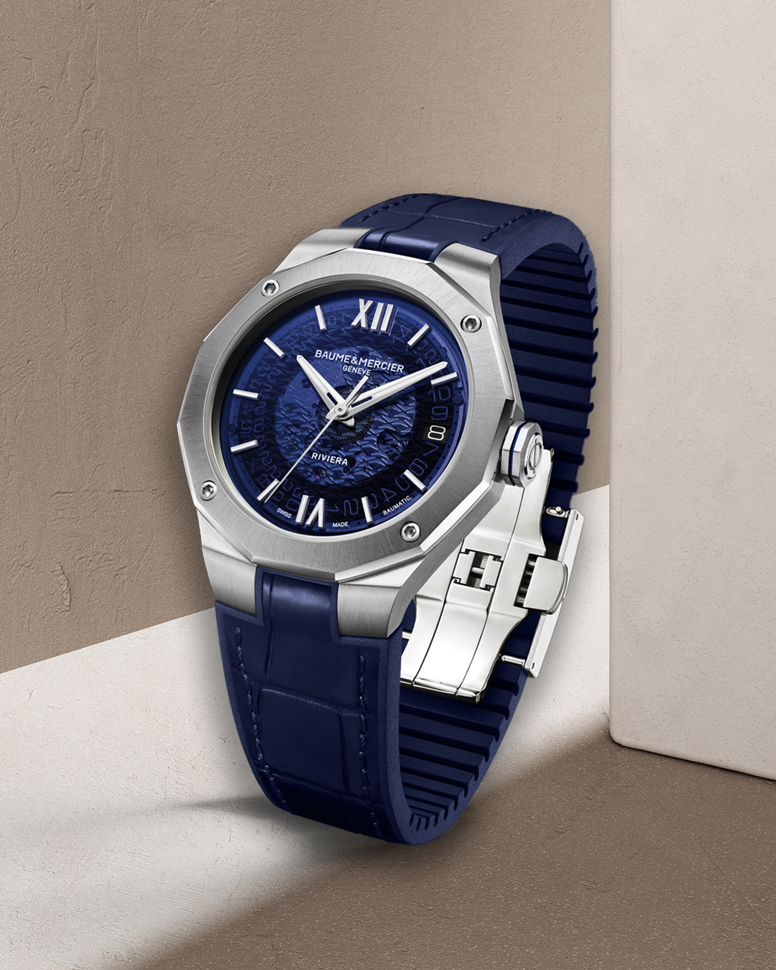 | 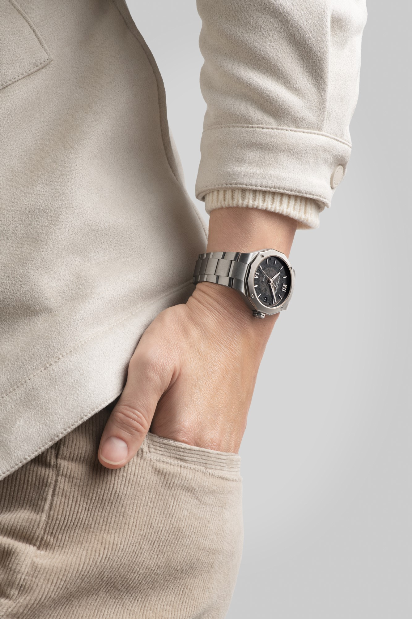 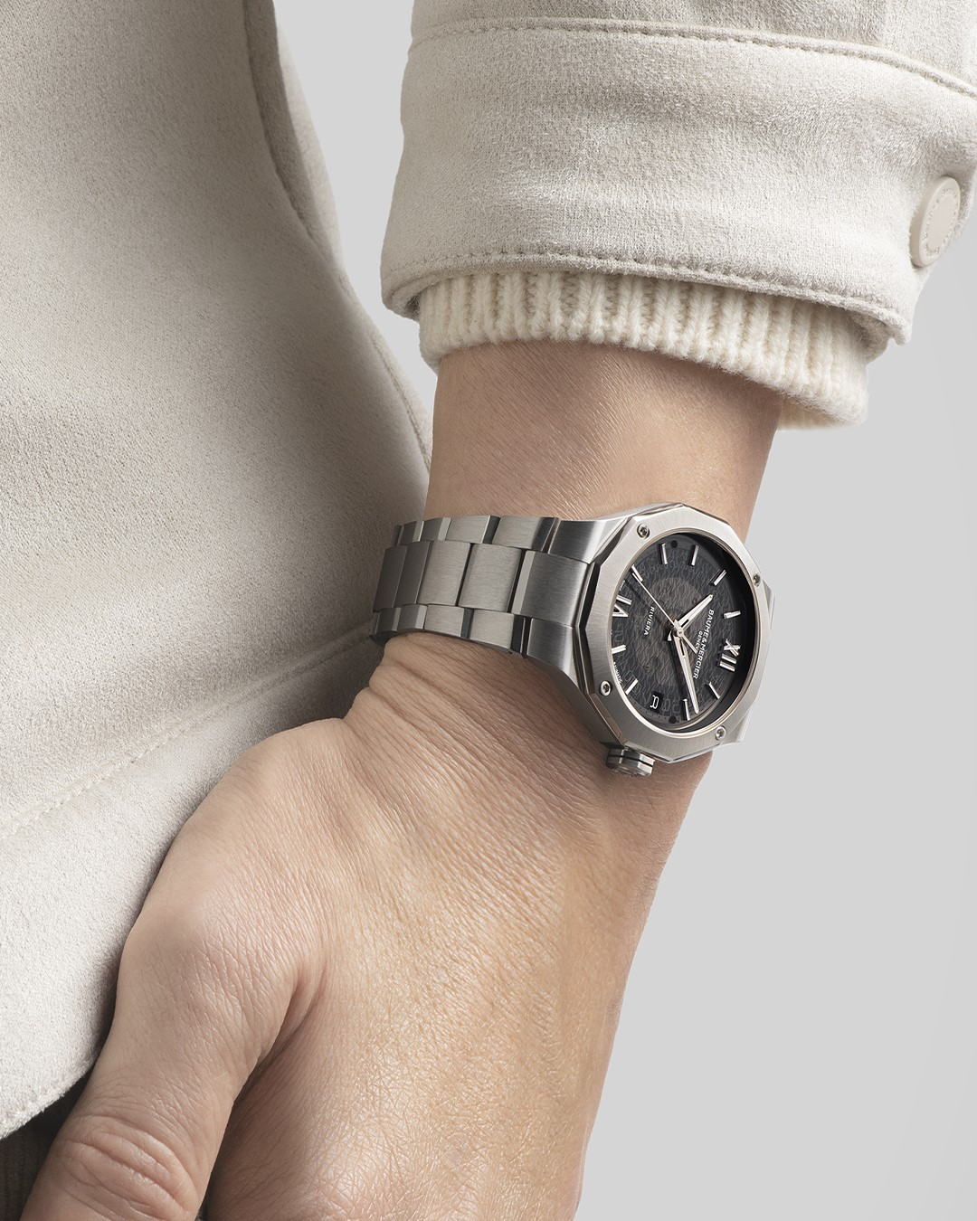
Text | The Classima 10783 extends the colors variations of the collection with this new green dial. This new color will match your autumn outfits with no doubt. -- Classima 10783 42 mm, Automatic, Polished stainless steel case, Scratch-resistant sapphire crystal, Open case back, small seconds, chronograph, day, date, sun-satin finished green with slate-grey dial, Interchangeable grey brown nubuck calfskin with tone-on-tone stitching strap. -- #BaumeetMercier #Classima #Chronograph #ShapingTime #Watch #LuxuryWatch #Style #Elegant #Timepiece #WatchMaking | Exuding elegance and functionality, the Classima 10782 watch showcases a sand-coloured sunburst dial adorned with anthracite flange and counters at 12 and 6 o'clock, creating a captivating visual contrast. -- Classima 10782 42 mm, Automatic, Polished stainless steel case, Scratch-resistant sapphire crystal, Open case back, small seconds, chronograph, day, date, sun-satin finished sand dial, Interchangeable sand nubuck calfskin strap. -- #BaumeetMercier #Classima #Chronograph #ShapingTime #Watch #LuxuryWatch #Style #Elegant #Timepiece #WatchMaking | Small size craze! Enhance your look with the versatile Riviera 10720 in 39mm. With its sleek titanium and gold tones, this timepiece is the perfect symbol of modern watchmaking. -- Riviera 10720 39 mm, Baumatic Manufacture movement, Stainless steel case with titanium sunblasted bezel, Smoked grey sapphire crystal dial, Date aperture at 3 o’clock, 5 days Power Reserve, Chronometric precision, Antimagnetic to 1500 Gauss, Fast Strap technology - Interchangeable strap system. Eligible for an 8-year warranty -- #BaumeetMercier #Riviera #Since73 #ShapingTime #Baumatic #Watch #LuxuryWatch #Style #Elegant #Timepiece #WatchMaking | Discover one of our few 39mm timepieces, a smaller size introduced in our Riviera collection to combine the striking attributes of our Riviera timepieces with a discreet and modern new size. -- Riviera 10714 39 mm, Baumatic Manufacture movement, Stainless steel case, Smoked blue sapphire crystal dial, Date aperture at 3 o'clock, 5 days Power Reserve, Chronometric precision, Antimagnetic to 1500 Gauss, Fast Strap technology - Interchangeable strap system. Eligible for an 8-year warranty -- #BaumeetMercier #Riviera #Since73 #ShapingTime #Baumatic #Watch #LuxuryWatch #Style #Elegant #Timepiece #WatchMaking | Another variation of our small dials. The Riviera 10715 showcases once again a good example of the sport-chic style with a subtle design thanks to its 39 mm case size. -- Riviera 10715 39 mm, Baumatic Manufacture movement, Stainless steel case, Smoked grey sapphire crystal dial, Date aperture at 3 o'clock, 5 days Power Reserve, Chronometric precision, Antimagnetic to 1500 Gauss, Fast Strap technology - Interchangeable strap system. Eligible for an 8-year warranty -- #BaumeetMercier #Riviera #Since73 #ShapingTime #Baumatic #Watch #LuxuryWatch #Style #Elegant #Timepiece #WatchMaking

Date | October 12th | October 14th | October 16th | October 18th | October 20th
Image | 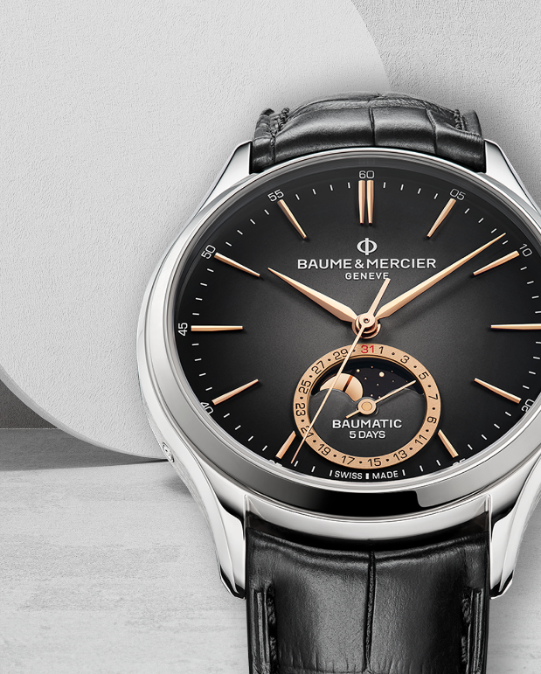 | 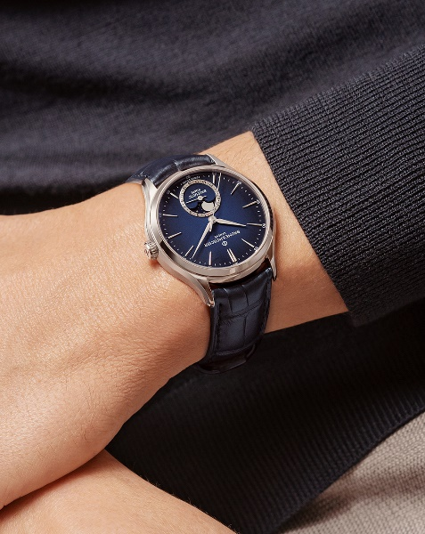 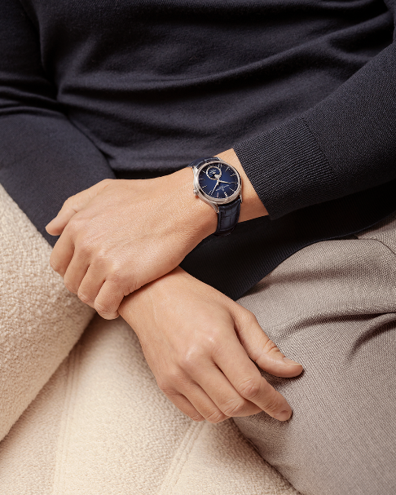 | 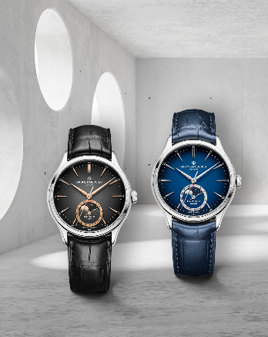 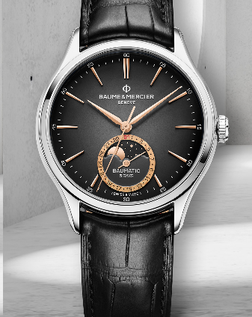 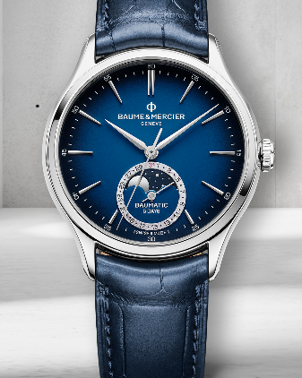 | 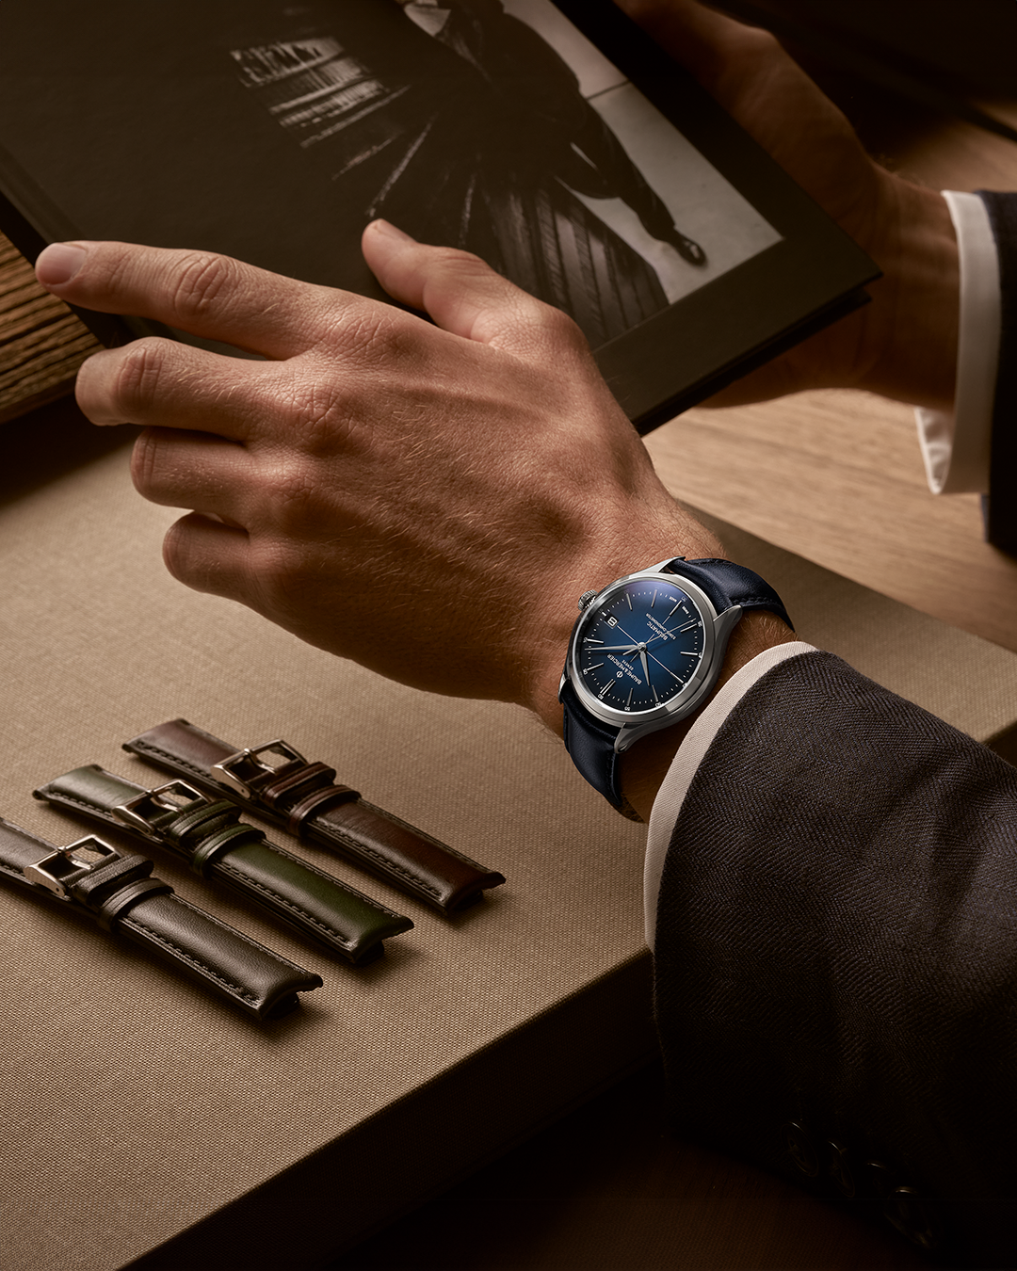 | 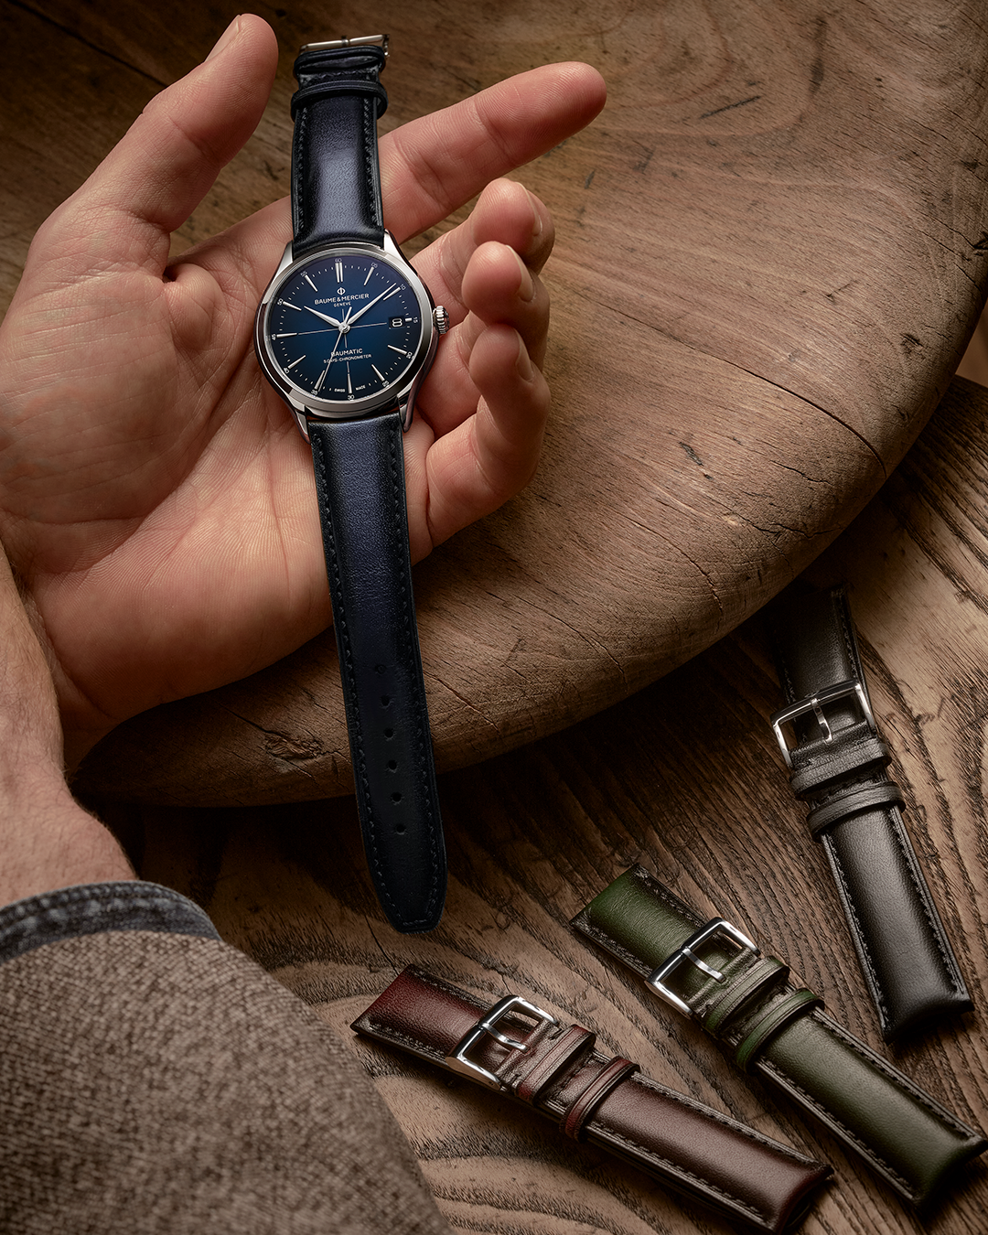 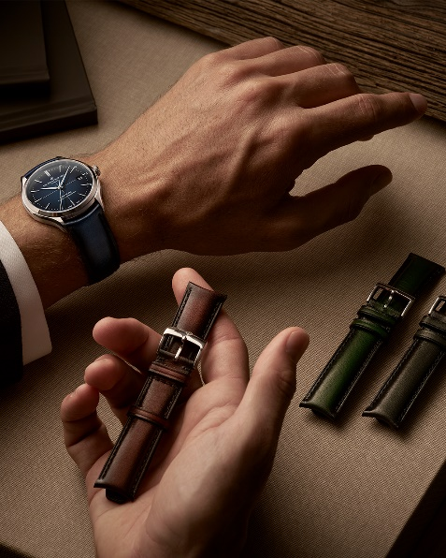
Text | The Clifton Baumatic Moonphase embodies the quintessence of refinement thanks to its captivating gilted moon-phase on a black starry sky mirroring the the deepness of the black gradient dial. -- Clifton 10758 39 mm, Baumatic movement, Satin-polished stainless steel case, domed scratch-resistant sapphire crystal, 5 days power reserve, Fast strap technology - Interchangeable strap system, back may be engraved Eligible for an 8-year warranty -- #BaumeetMercier #Baumatic #ShapingTime #Clifton #WatchCollector #Horology #DailyWatch #Watch #SwissMade #LuxuryTimepiece | As the ultimate expression of the round timepiece, this sophisticated Clifton Baumatic Moonphase with interchangeable blue alligator strap is designed for today's active man. -- Clifton 10756 39 mm, Baumatic movement, Satin-polished stainless steel case, domed scratch-resistant sapphire crystal, 5 days power reserve, Fast strap technology - Interchangeable strap system, back may be engraved Eligible for an 8-year warranty -- #BaumeetMercier #Baumatic #ShapingTime #Clifton #WatchCollector #Horology #DailyWatch #Watch #SwissMade #LuxuryTimepiece | The new Clifton 10756 and 10758 feature subtle design details that bring the timepieces to life. Here, Baume & Mercier carefully balances straight, curved, and beveled shapes with gradient dials to create a harmonious and well-crafted design. -- Clifton 10756 Clifton 10758 -- #BaumeetMercier #Baumatic #ShapingTime #Clifton #WatchCollector #Horology #DailyWatch #Watch #SwissMade #LuxuryTimepiece | Discover our exclusive combinations, made up of three models from the Clifton collection, paired with 4 patina straps, perfect for the autumn season! Add one of our Clifton timepiece (all models included) to your collection and enjoy a complementary patina strap - amongst the 6 colors - on us! -- Clifton 10467 mounted on a blue patina calfskin strap -- #BaumeetMercier #Baumatic #ShapingTime #Clifton #WatchCollector #Horology #DailyWatch #Watches #Watch #SwissMade #WatchOfTheDay #WatchesOfInstagram #WatchLover #WatchAddict #WristWatch #InstaWatch #InstaWatches #LuxuryTimepiece #ArtofHorology | Looking for an original way to elevate your style this season? Choose from our three exclusive Clifton models, available only until the end of the year! Add one of our Clifton timepiece (all models included) to your collection and enjoy a complementary patina strap - amongst the 6 colors - on us! -- Clifton 10467 mounted on a blue patina calfskin strap -- #BaumeetMercier #Baumatic #ShapingTime #Clifton #WatchCollector #Horology #DailyWatch #Watches #Watch #SwissMade #WatchOfTheDay #WatchesOfInstagram #WatchLover #WatchAddict #WristWatch #InstaWatch #InstaWatches #LuxuryTimepiece #ArtofHorology
Date | October 22nd | October 24th | October 26th | October 28th | October 30th
Image | 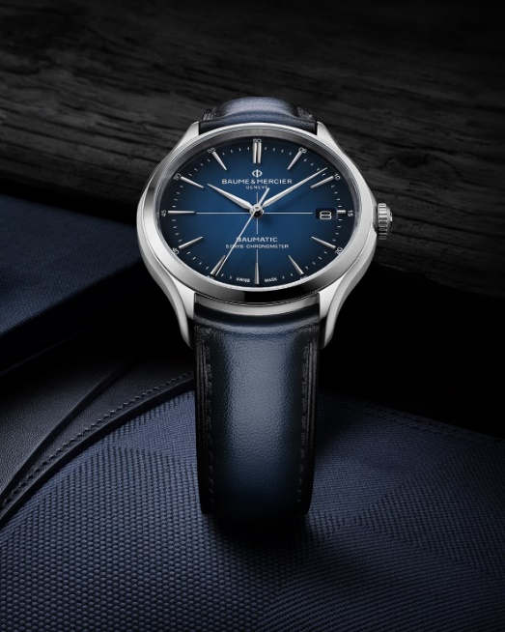 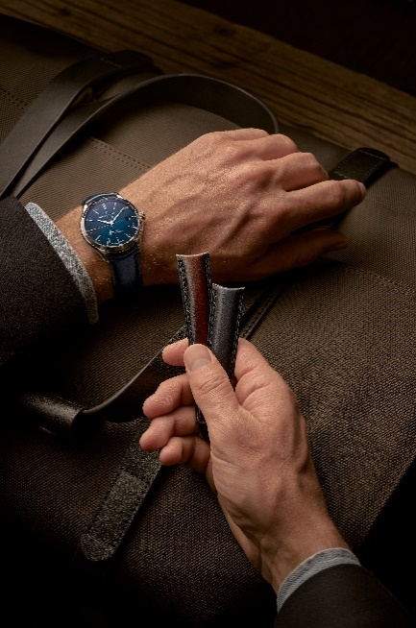 | 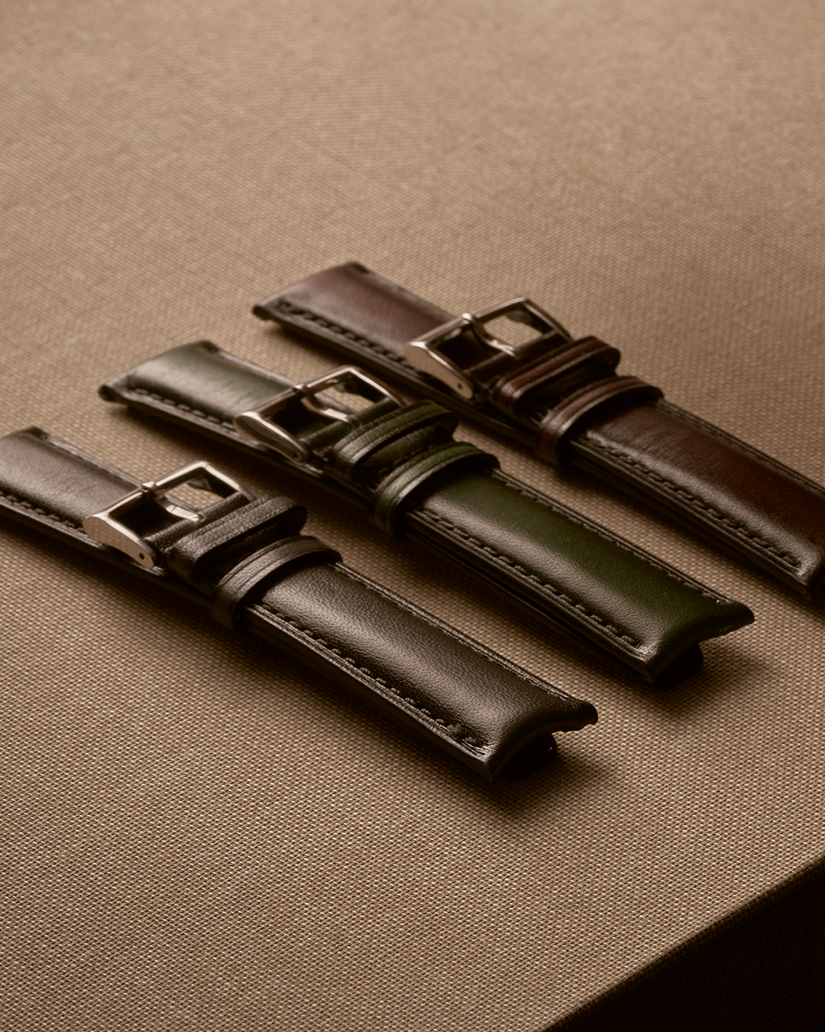 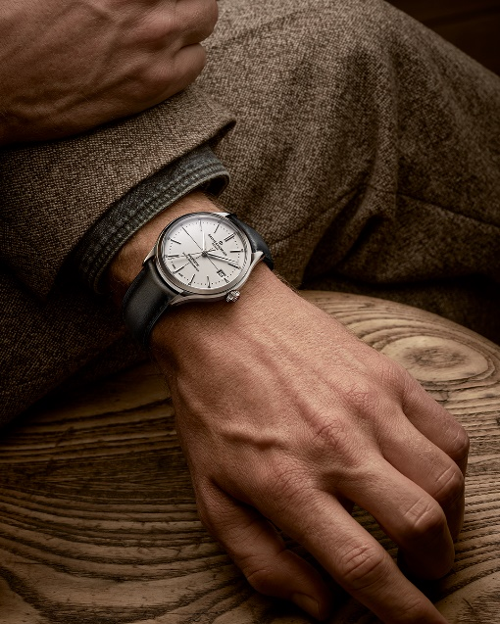 | 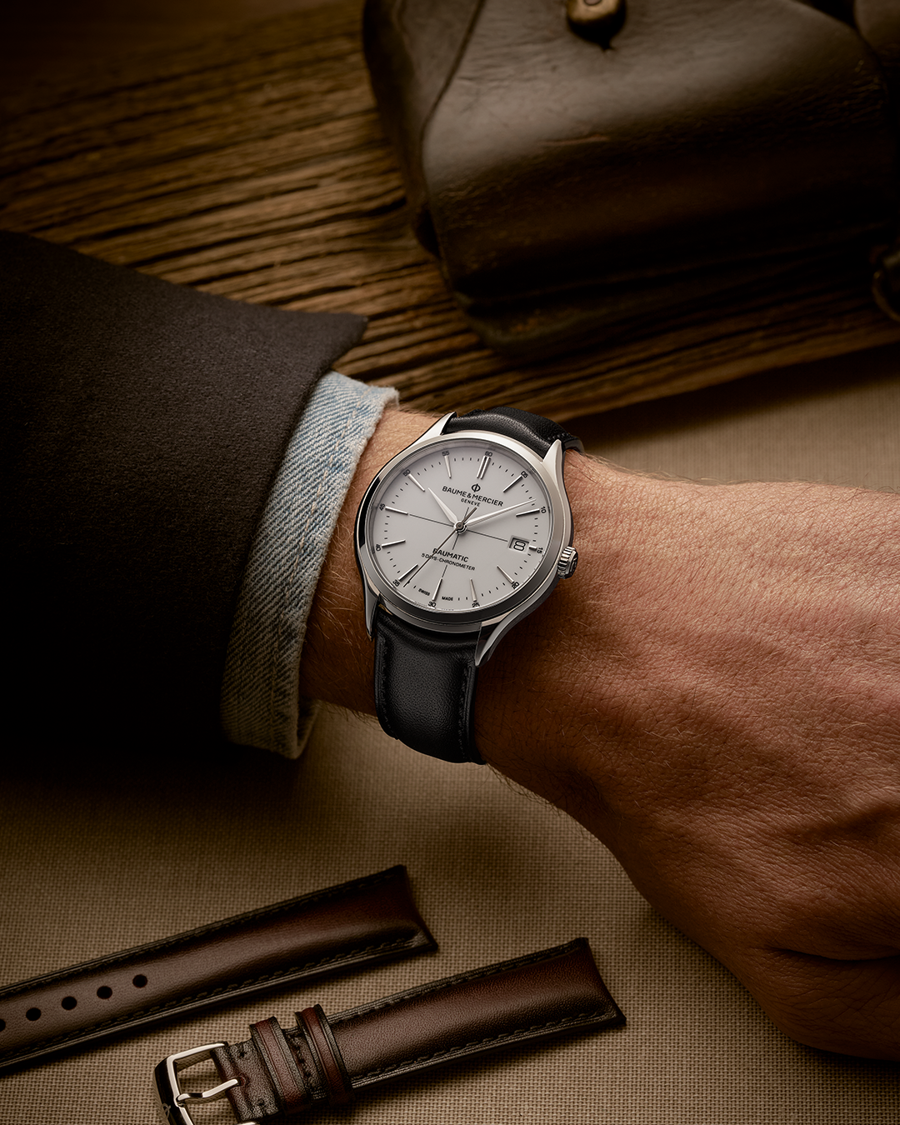 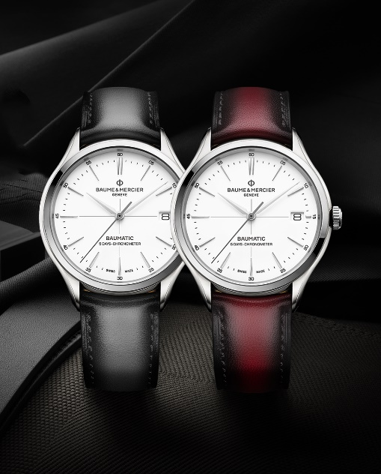 | 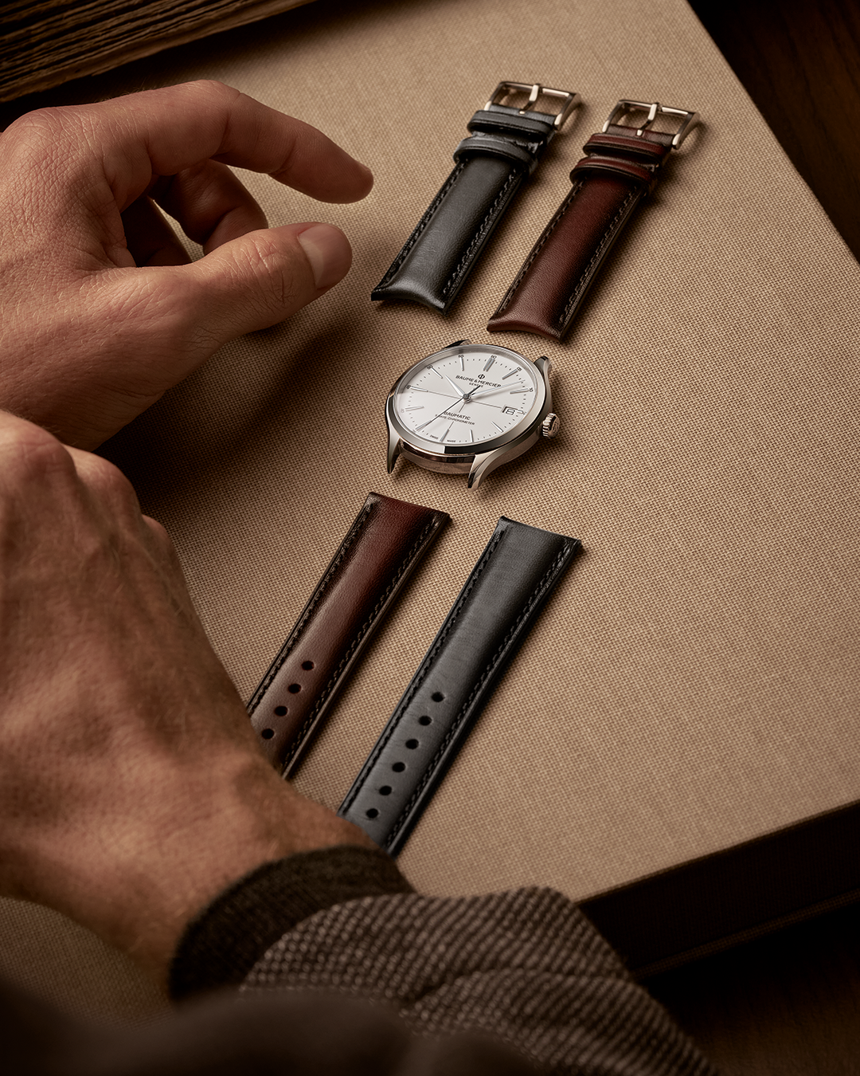 | 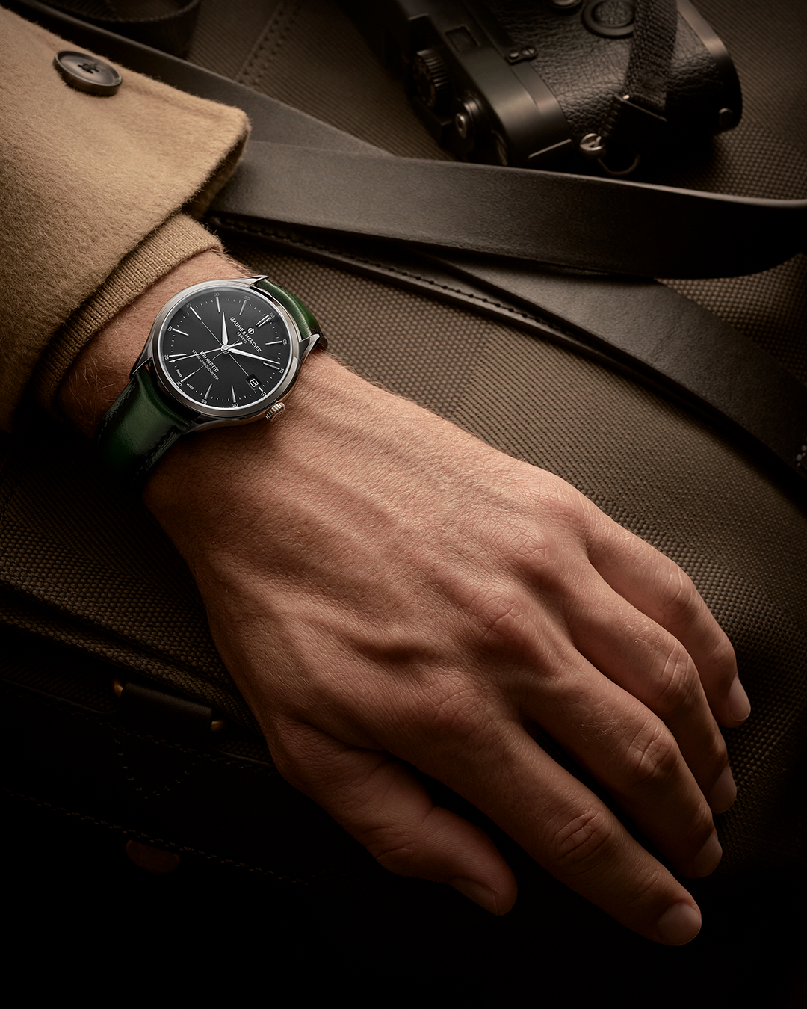 
Text | The Clifton collection showcases the classicism of the round shape paired with our Manufacture Baumatic movement, the right balance between Swiss watchmaking tradition and watchmaking expertise. Add one of our Clifton timepiece (all models included) to your collection and enjoy a complementary patina strap - amongst the 6 colors - on us! -- Clifton 10467 mounted on a blue patina calfskin strap -- #BaumeetMercier #Baumatic #ShapingTime #Clifton #WatchCollector #Horology #DailyWatch #Watches #Watch #SwissMade #WatchOfTheDay #WatchesOfInstagram #WatchLover #WatchAddict #WristWatch #InstaWatch #InstaWatches #LuxuryTimepiece #ArtofHorology | Our Clifton Gentlement strap offer mixes elegant and vintage color combinations to create a unique style for your daily timepiece: So, for your Clifton Baumatic, which would you choose: blue or black patina strap? Add one of our Clifton timepiece (all models included) to your collection and enjoy a complementary patina strap - amongst the 6 colors - on us! -- Clifton 10518 mounted on a grey patina calfskin strap -- #BaumeetMercier #Baumatic #ShapingTime #Clifton #WatchCollector #Horology #DailyWatch #Watches #Watch #SwissMade #WatchOfTheDay #WatchesOfInstagram #WatchLover #WatchAddict #WristWatch #InstaWatch #InstaWatches #LuxuryTimepiece #ArtofHorology | A new season comes with new styles, Autumn starts just in time for our Clifton Gentlemen strap offer, which one is your favourite? Add one of our Clifton timepiece (all models included) to your collection and enjoy a complementary patina strap - amongst the 6 colors - on us! -- Clifton 10518 mounted on a grey patina calfskin strap Clifton 10518 mounted on a burgundy patina calfskin strap -- #BaumeetMercier #Baumatic #ShapingTime #Clifton #WatchCollector #Horology #DailyWatch #Watches #Watch #SwissMade #WatchOfTheDay #WatchesOfInstagram #WatchLover #WatchAddict #WristWatch #InstaWatch #InstaWatches #LuxuryTimepiece #ArtofHorology | Black dial, green patina calfskin strap, the Clifton Gentleman offer push the codes of elegance to a new horizon with the possibility to create striking and daring combination of colors. How will you style yours? -- Clifton 10518 mounted on a grey patina calfskin strap Clifton 10518 mounted on a burgundy patina calfskin strap -- #BaumeetMercier #Baumatic #ShapingTime #Clifton #WatchCollector #Horology #DailyWatch #Watches #Watch #SwissMade #WatchOfTheDay #WatchesOfInstagram #WatchLover #WatchAddict #WristWatch #InstaWatch #InstaWatches #LuxuryTimepiece #ArtofHorology | From the sleek black dial to the daring green patina calfskin strap, it’s all about pushing boundaries. How will you make your statement? Add one of our Clifton timepiece (all models included) to your collection and enjoy a complementary patina strap - amongst the 6 colors - on us! -- Clifton 10692 mounted on a green patina calfskin strap -- #BaumeetMercier #Baumatic #ShapingTime #Clifton #WatchCollector #Horology #DailyWatch #Watches #Watch #SwissMade #WatchOfTheDay #WatchesOfInstagram #WatchLover #WatchAddict #WristWatch #InstaWatch #InstaWatches #LuxuryTimepiece #ArtofHorology

