JUNE
Date | JUNE 16th (VIDEO TEASING) | JUNE 18th (CAROUSEL) | JUNE 19th (VIDEO TEASING) | JUNE 21st (VIDEO TEASING) | JUNE 24th (VIDEO TEASING)
Image | 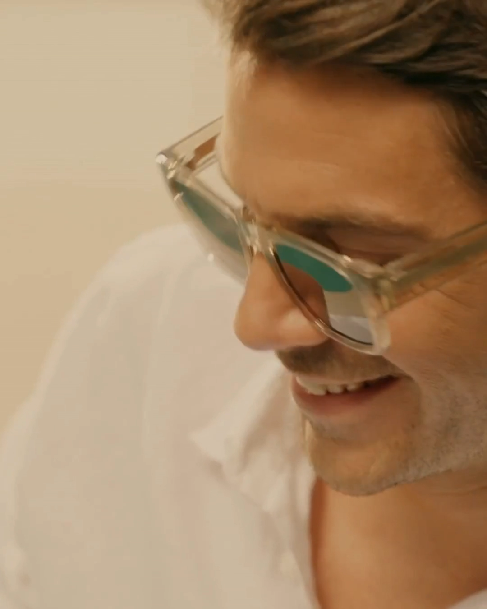 | 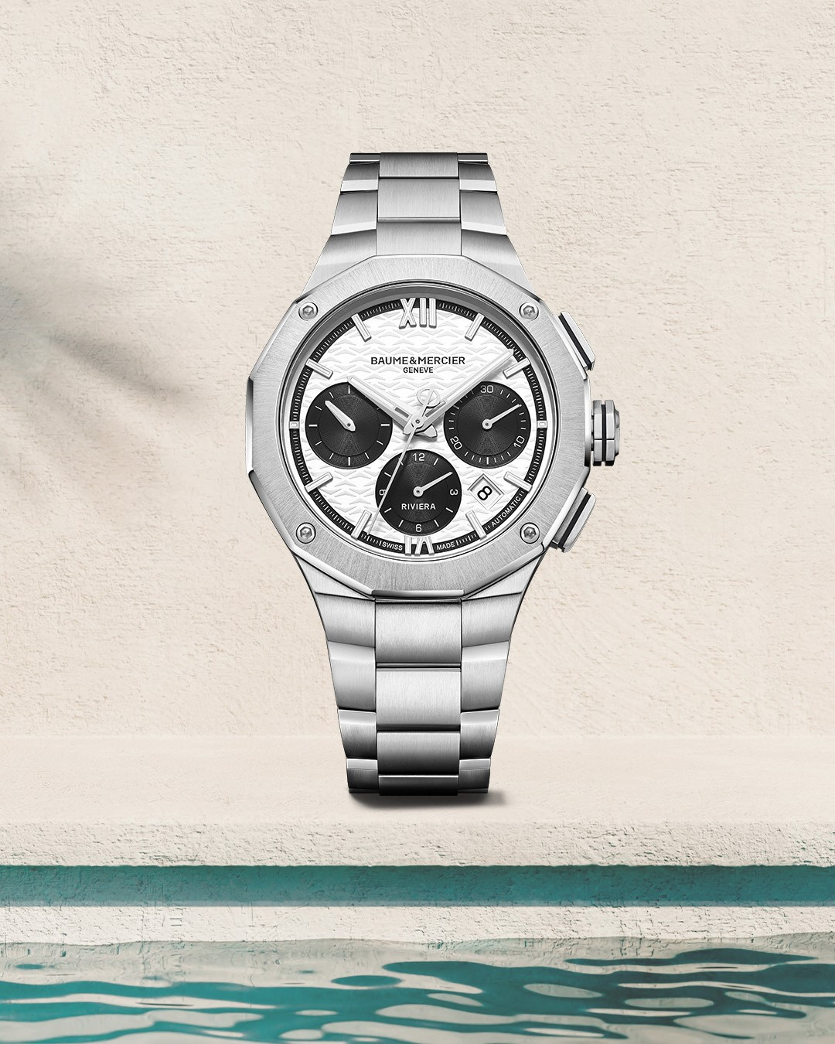 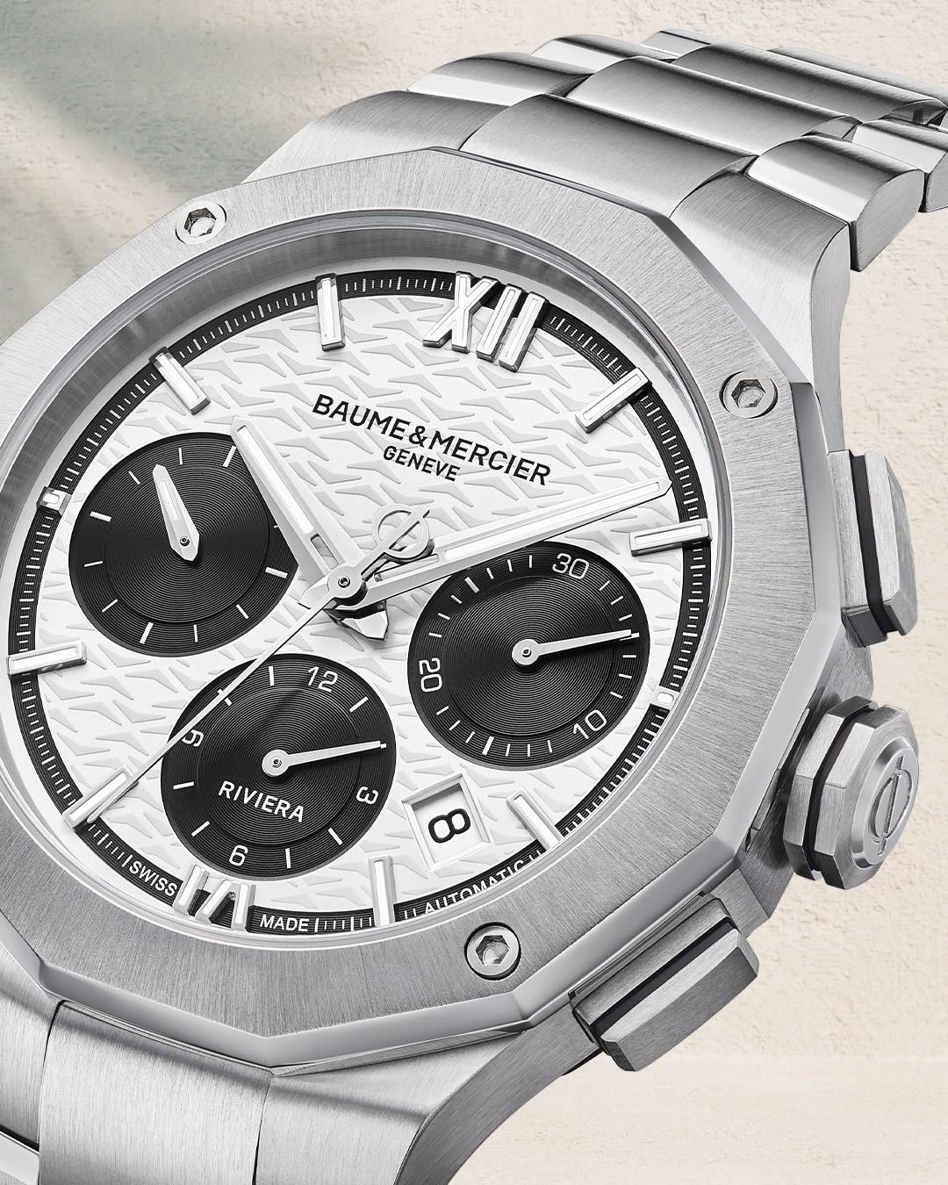 | 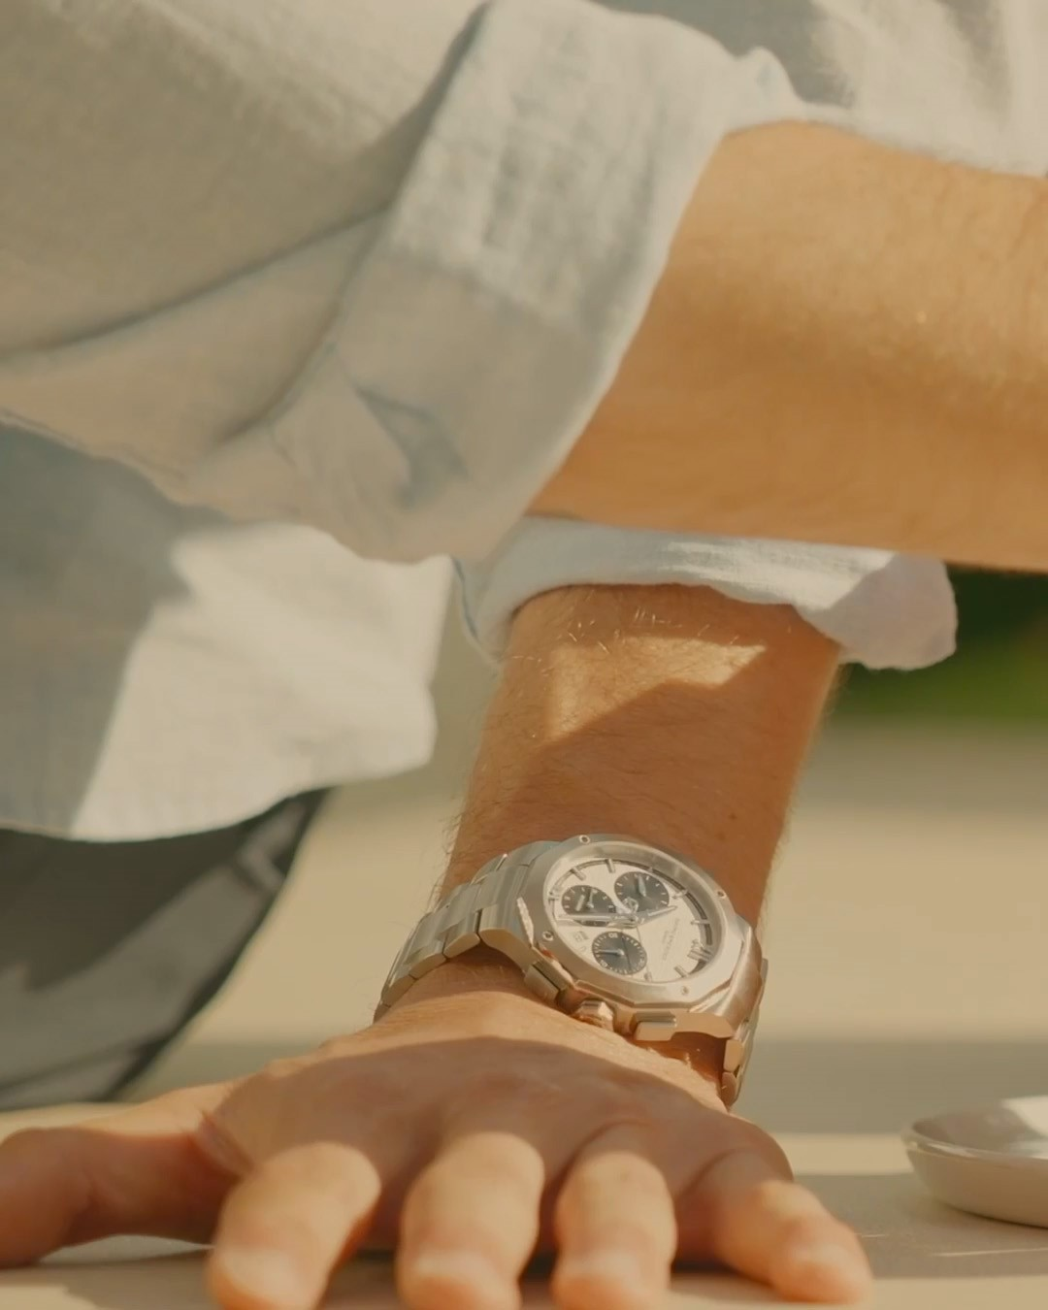 | 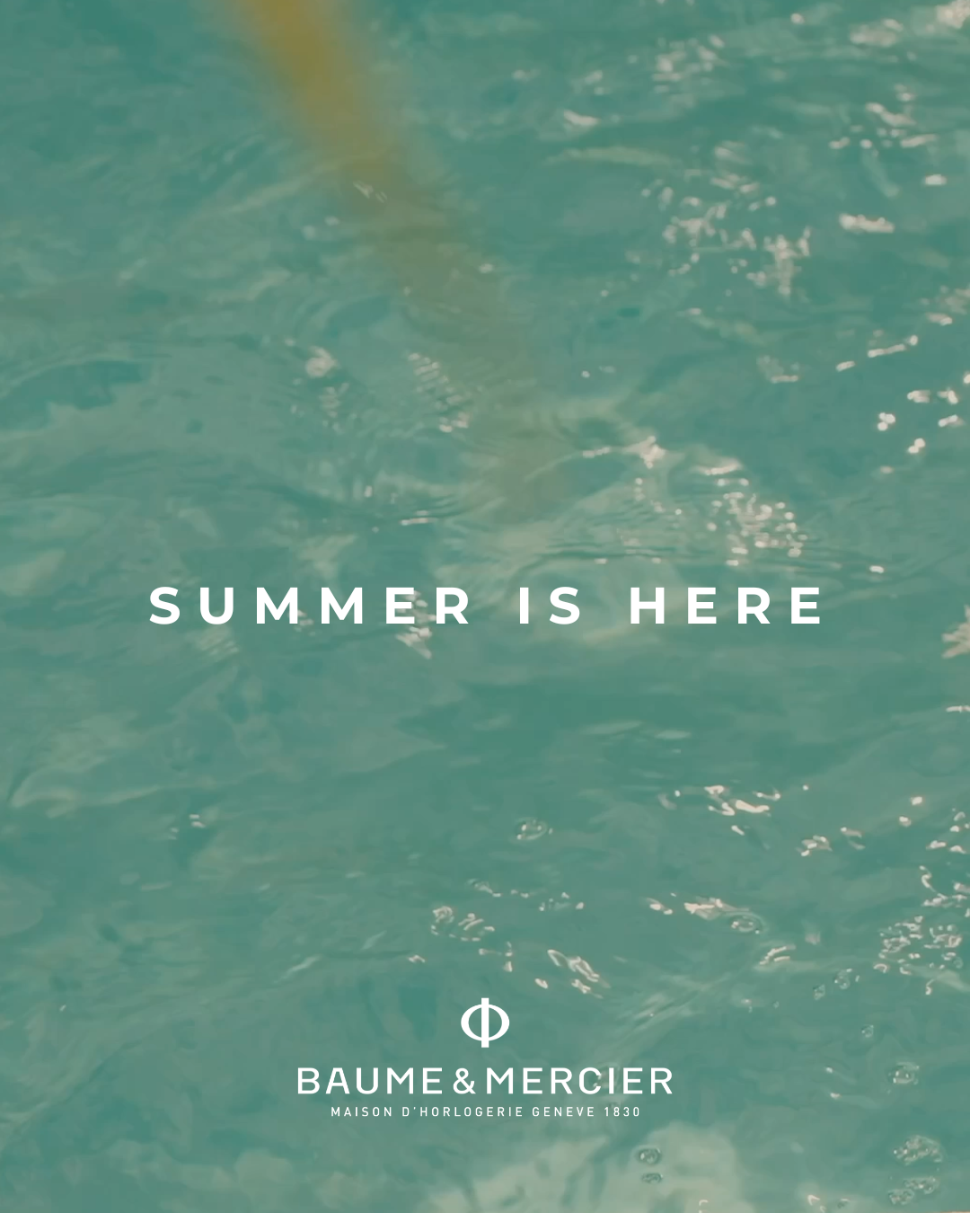 | 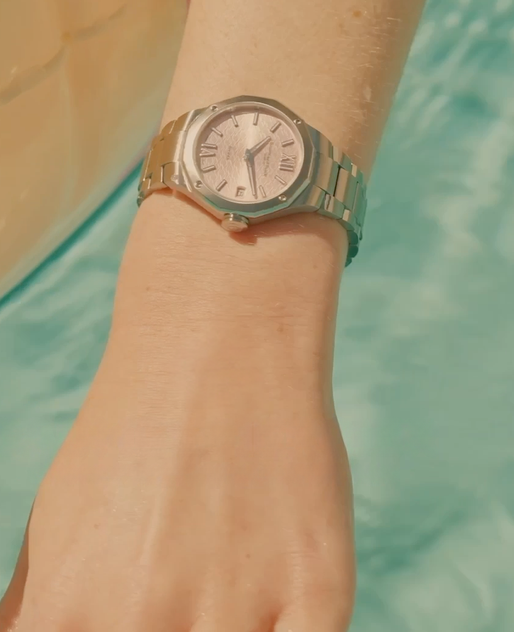
Text | Summer is calling. Color awaits. -- Riviera Summer -- #Summer #BaumeEtMercier #TheArtOfBalance #Form #Function #Heritage #Riviera #Since73 #WatchesOfInstagram #InstaWatch #WatchOfTheDay #LuxuryTimepiece | Where elegance meets design. Get ready to celebrate summer with Baume & Mercier. -- Riviera Summer -- #Summer #BaumeEtMercier #TheArtOfBalance #Form #Function #Heritage #Riviera #Since73 #WatchesOfInstagram #InstaWatch #WatchOfTheDay #LuxuryTimepiece | A hint of color. A trace of light. Something beautiful is on its way. -- Riviera Summer -- #Summer #BaumeEtMercier #TheArtOfBalance #Form #Function #Heritage #Riviera #Since73 #WatchesOfInstagram #InstaWatch #WatchOfTheDay #LuxuryTimepiece | This summer, the Riviera collection is infused with the vibrant energy of summer. Discover the perfect accessory for your sun-soaked adventures. More timepieces are about to be unveiled, stay tuned for your ultimate and colorful accessory this summer. -- Riviera Summer -- #Summer #BaumeEtMercier #TheArtOfBalance #Form #Function #Heritage #Riviera #Since73 #WatchesOfInstagram #InstaWatch #WatchOfTheDay #LuxuryTimepiece | A glance at the perfect pastel accent for your summer style. -- Riviera 10810 33 mm, Quartz, Stainless steel case, sun satin-finished gilded dial, Date aperture at 3 o’clock, Fast Strap technology - Interchangeable strap system. -- #Summer #BaumeEtMercier #TheArtOfBalance #Form #Function #Heritage #Riviera #Since73 #WatchesOfInstagram #InstaWatch #WatchOfTheDay #LuxuryTimepiece | $
Date | JUNE 21st (VIDEO) | JUNE 22nd (CAROUSEL)
Image | 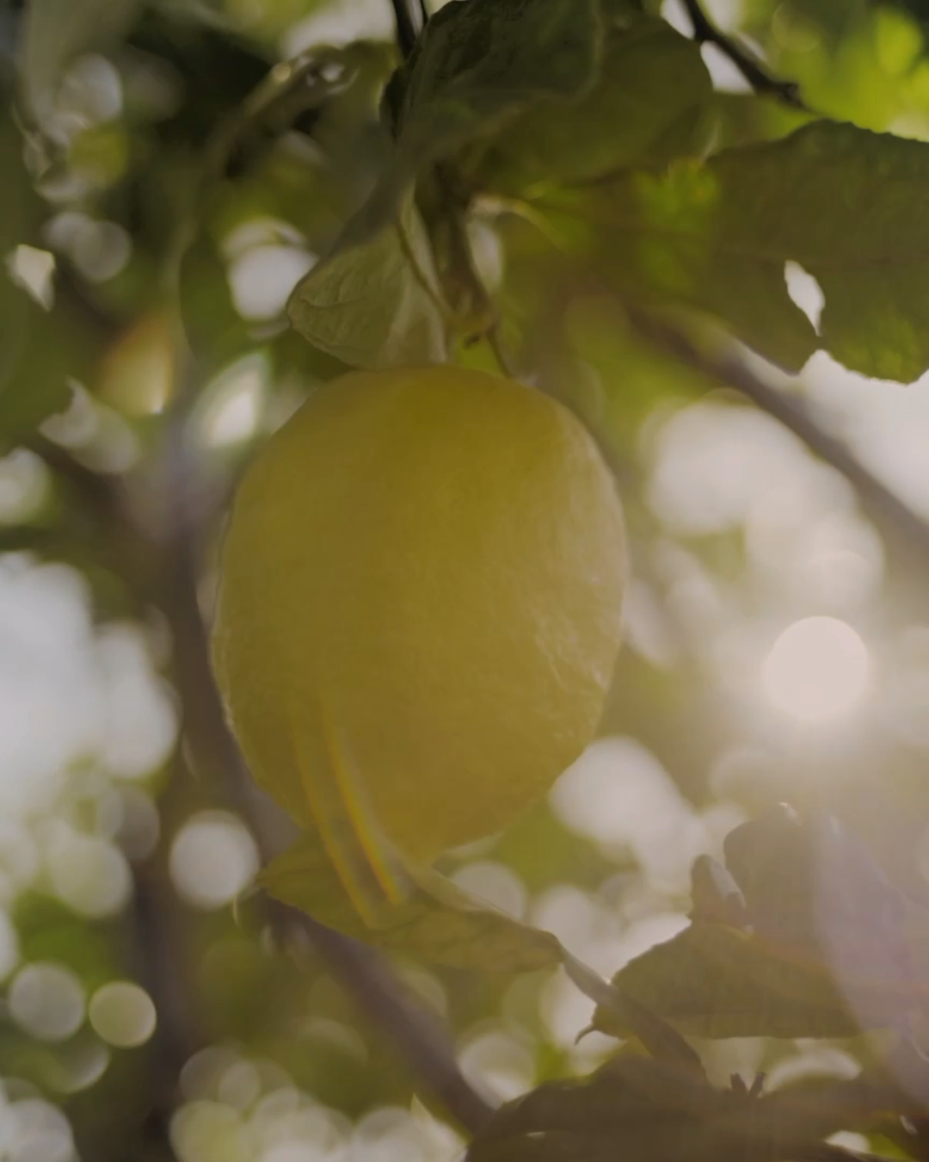 | 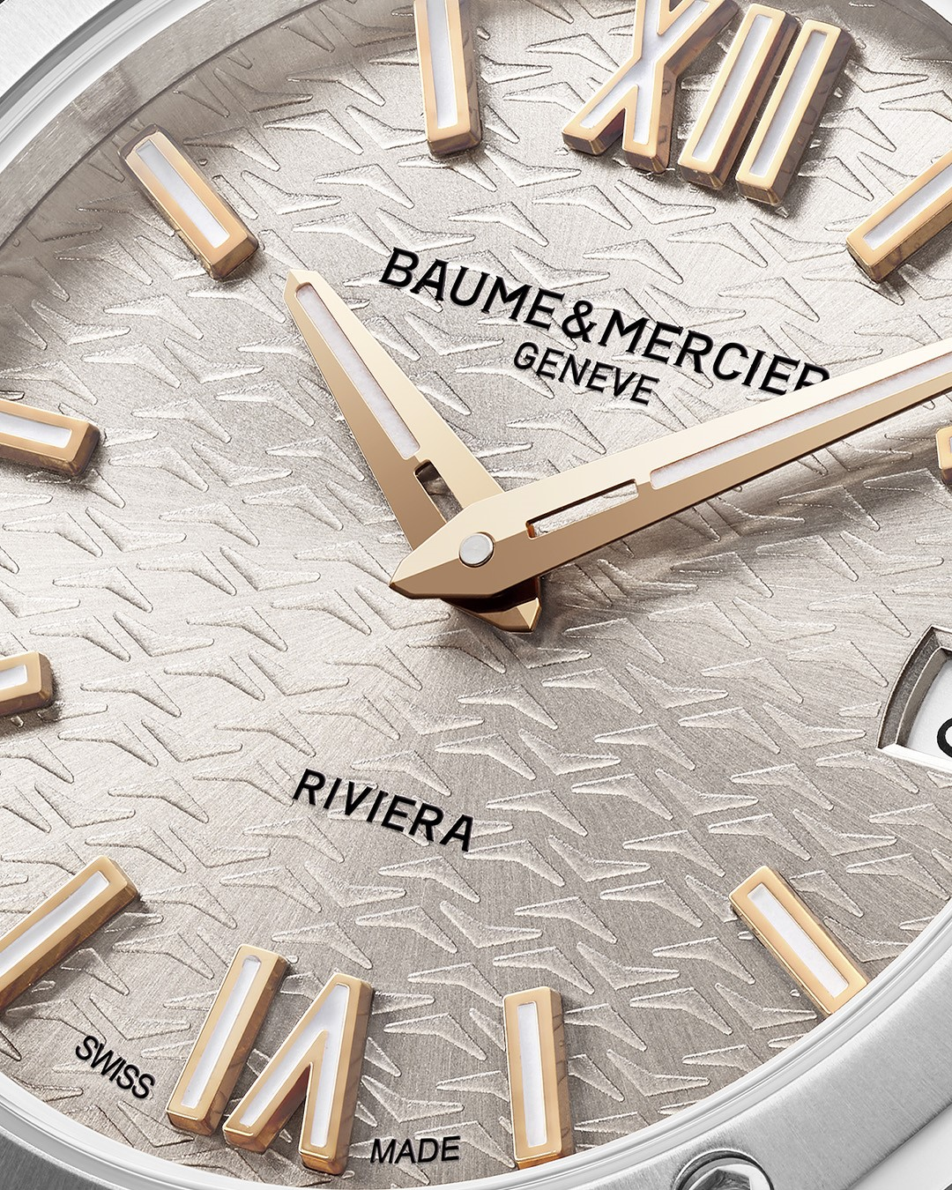 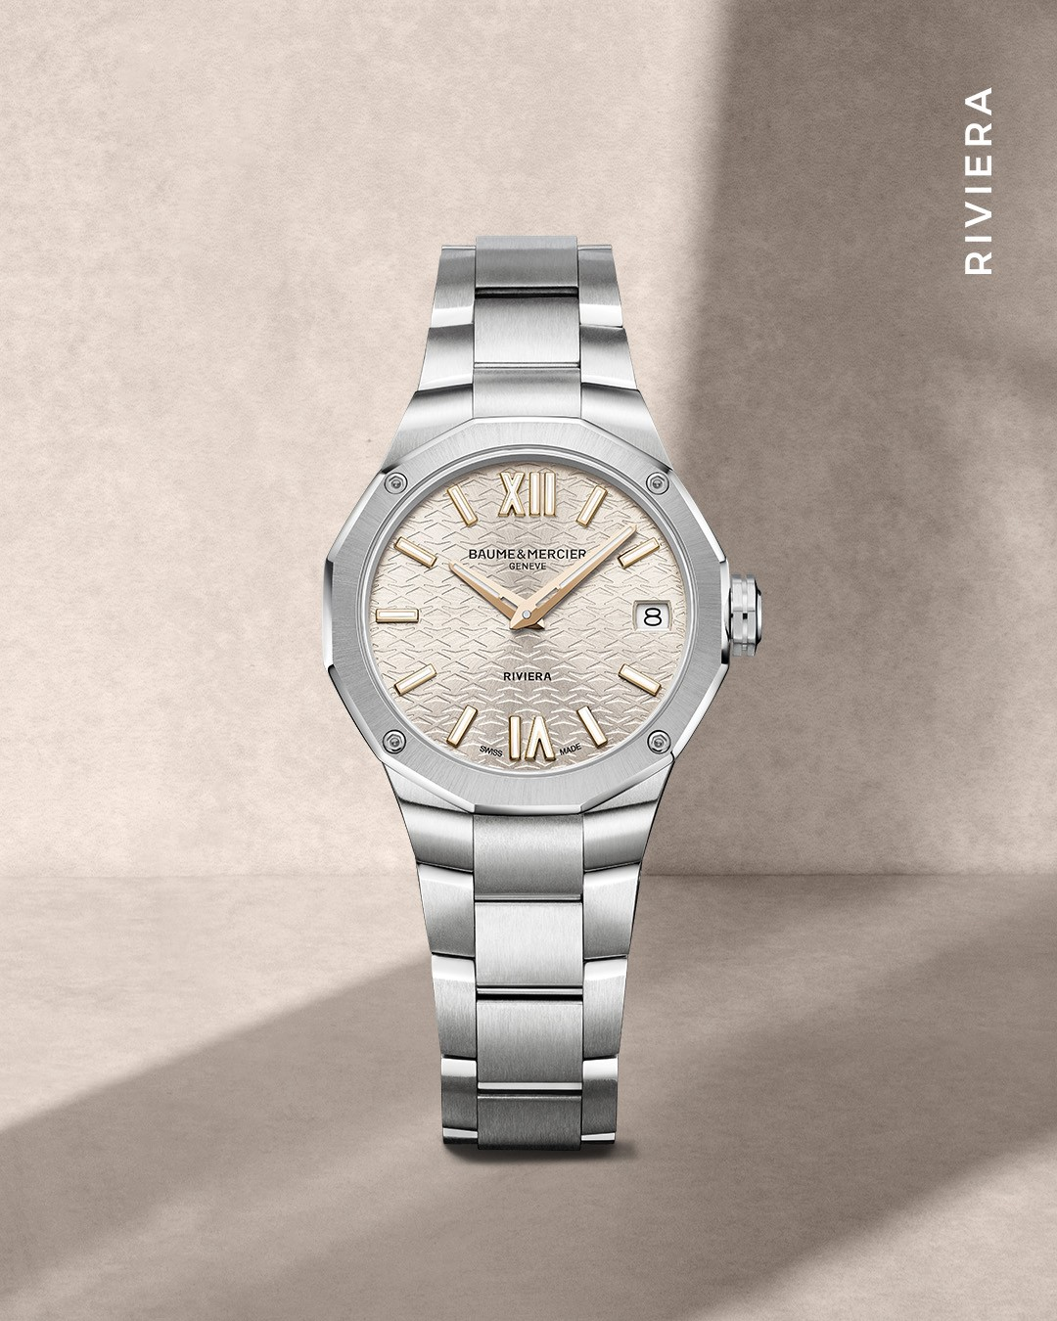
Text | Squeeze the day! Introducing the Riviera Warm Silver: a symphony of summer elegance. Bathed in the warmth of the summer sun, the Riviera Warm Silver is a radiant ode to color and elegance. Its warm silver dial, reminiscent of sun-kissed waves, brings a touch of luxury to every moment. -- Riviera 10810 33 mm, Quartz, Stainless steel case, sun satin-finished gilded dial, Date aperture at 3 o’clock, Fast Strap technology - Interchangeable strap system. -- #Summer #BaumeEtMercier #TheArtOfBalance #Form #Function #Heritage #Riviera #Since73 #WatchesOfInstagram #InstaWatch #WatchOfTheDay #LuxuryTimepiece | A closer look at summer sophistication. Swipe to explore the exquisite details of this iconic timepiece. From sunny days to elegant evenings, the Riviera Warm Silver is the perfect companion. Its design effortlessly complements any style, making it the ultimate accessory for every occasion. -- Riviera 10810 33 mm, Quartz, Stainless steel case, sun satin-finished gilded dial, Date aperture at 3 o’clock, Fast Strap technology - Interchangeable strap system. -- #BaumeEtMercier #TheArtOfBalance #Form #Function #Heritage #Riviera #Since73 #WatchesOfInstagram #InstaWatch #WatchOfTheDay #LuxuryTimepiece

