JANUARY

Date | JANUARY 12th | JANUARY 14th | JANUARY 16th
Image |  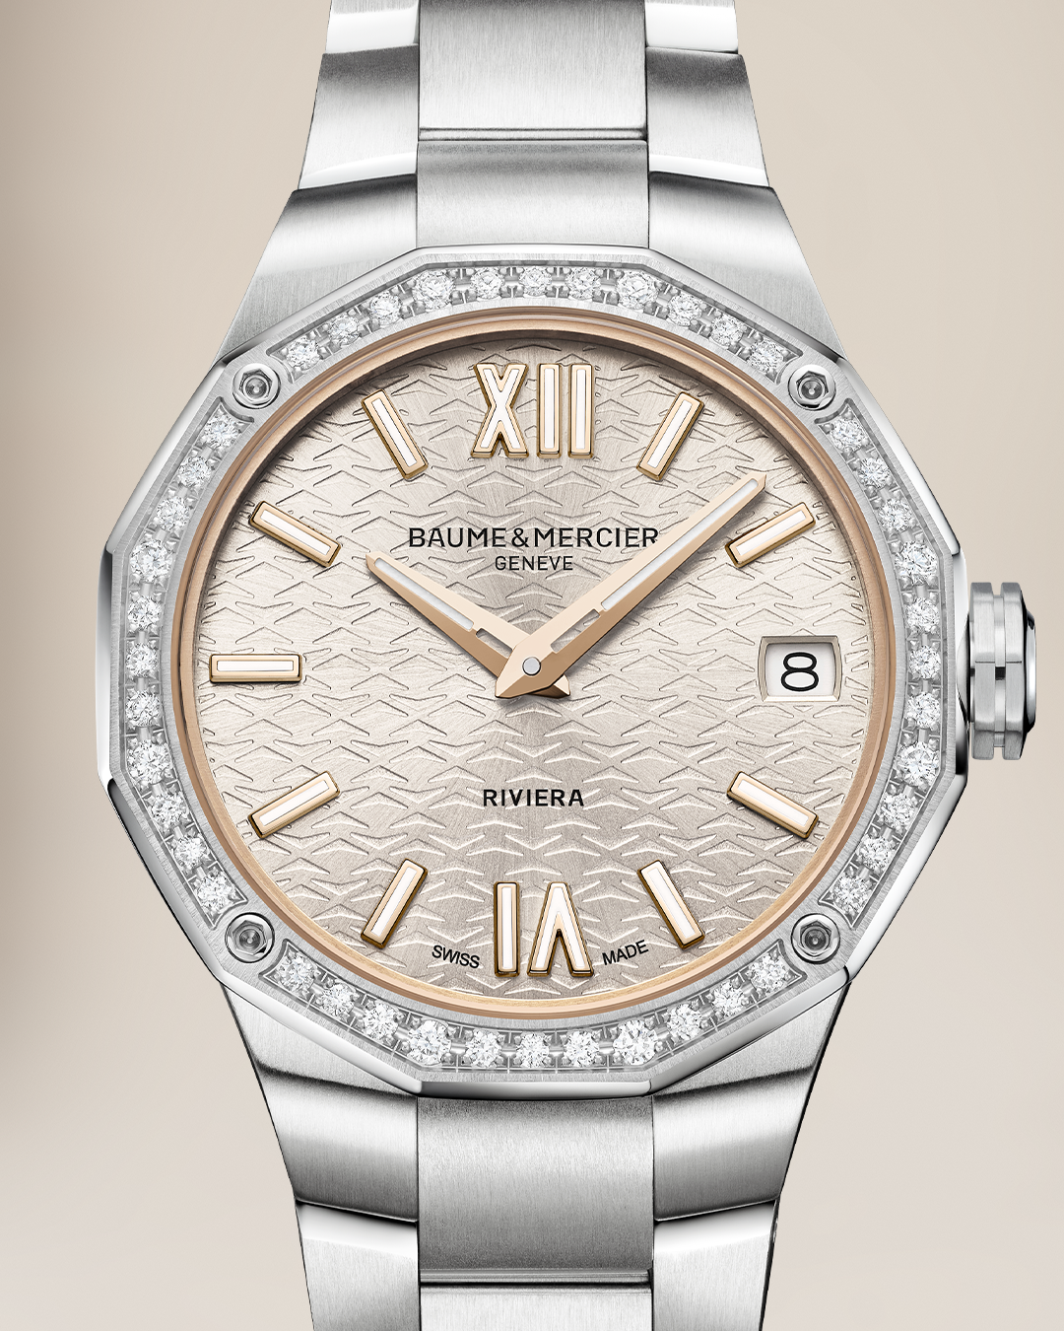 | 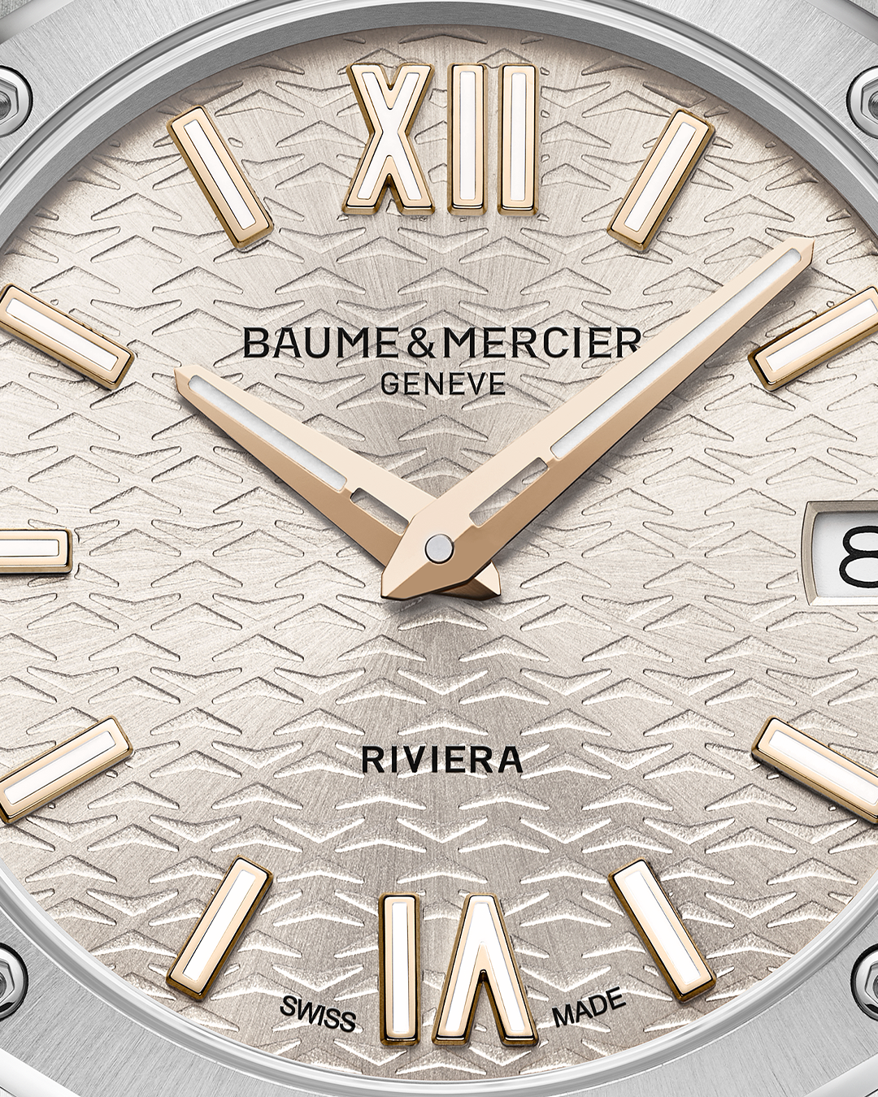 | 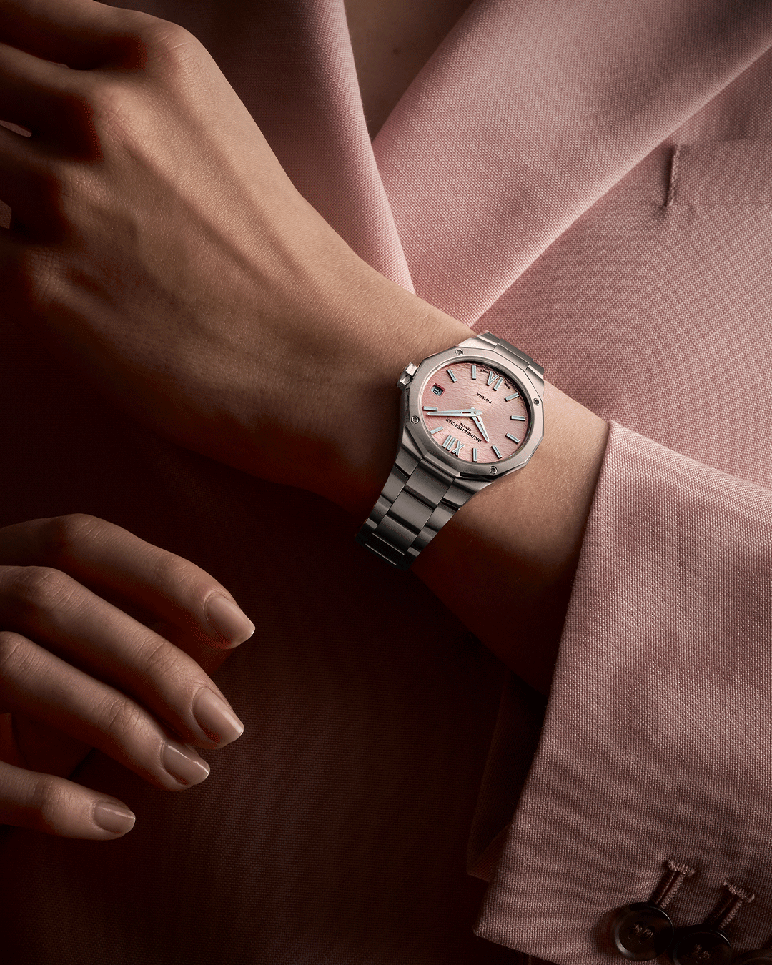 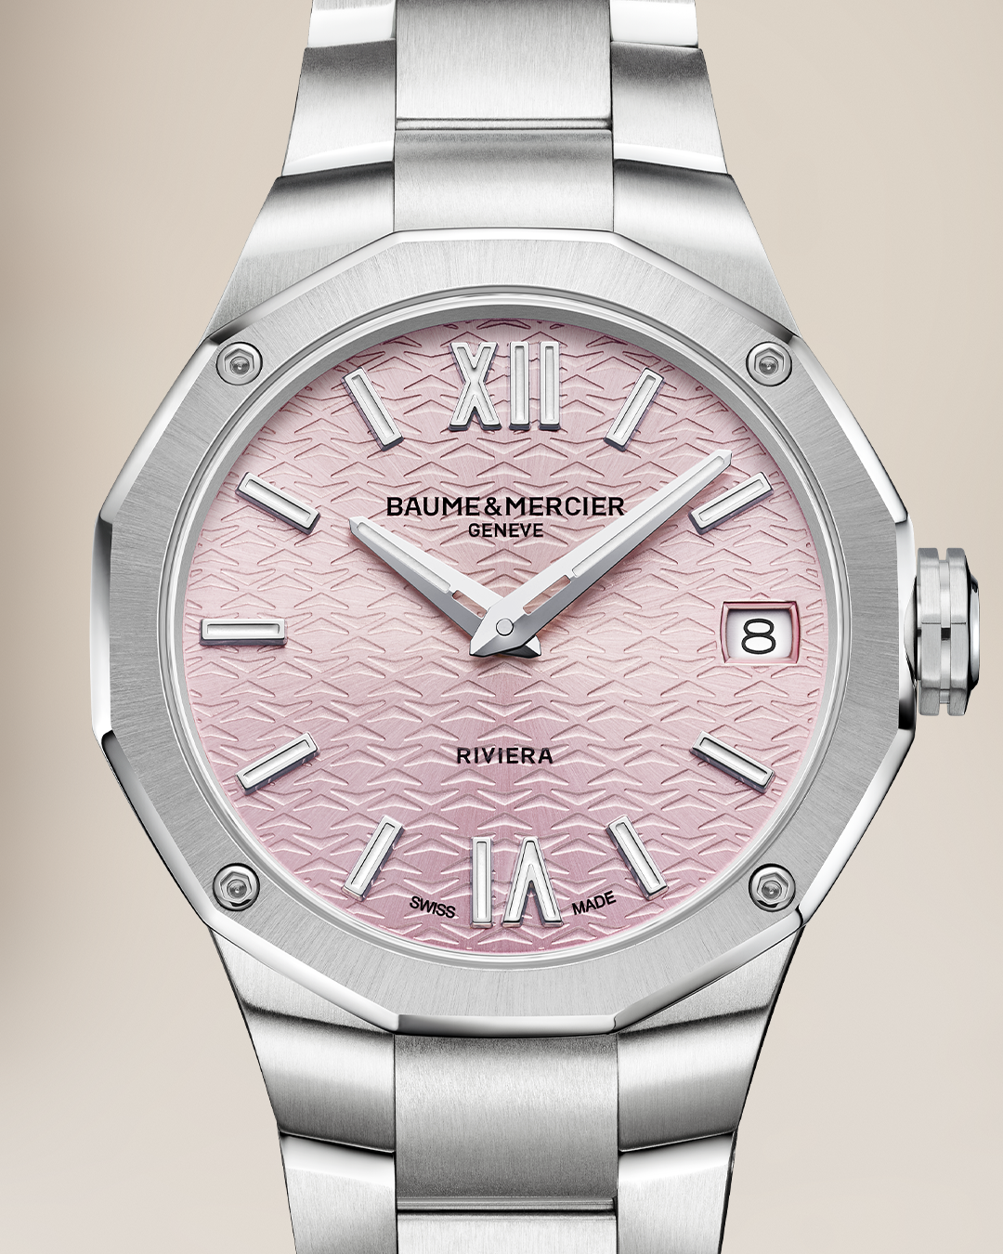
Text | Ring in the new year with the dazzling brilliance of champagne tones and a diamond-set Riviera. Choose one of our 33 mm Riviera quartz revealed this year. -- Riviera 10796 33 mm, Quartz, Stainless steel case, Diamond-set, Interchangeable strap system. -- #BaumeEtMercier #Riviera #Celebrate | A versatile timepiece: the Riviera 10810, designed to complement every one of your outfits. -- Riviera 10810 33 mm, Quartz, Stainless steel case, Interchangeable strap system. -- #BaumeEtMercier #Riviera #Celebrate | Expand your collection and accessorize your style with our captivating glowy pink dial. -- Riviera 10812 33 mm, Quartz, Stainless steel case, Interchangeable strap system -- #BaumeEtMercier #Riviera #Celebrate | $
Date | JANUARY 18th | JANUARY 20th | JANUARY 22nd
Image | 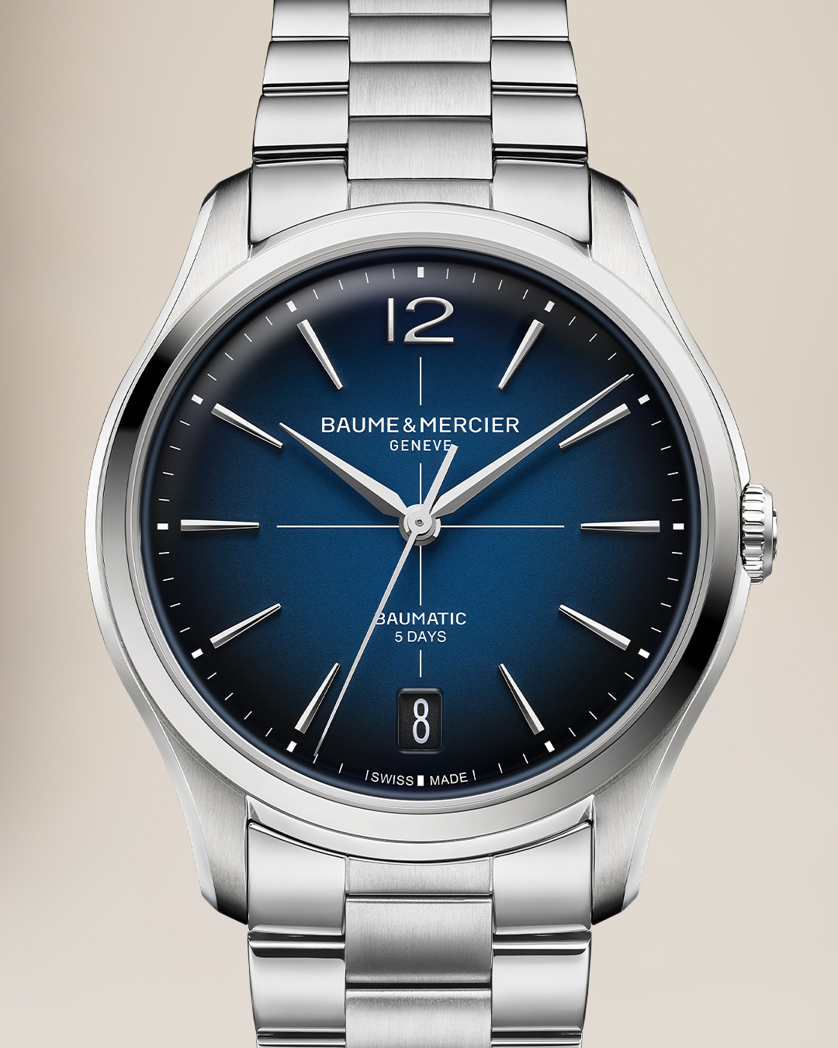 CLIFTON 10792 | 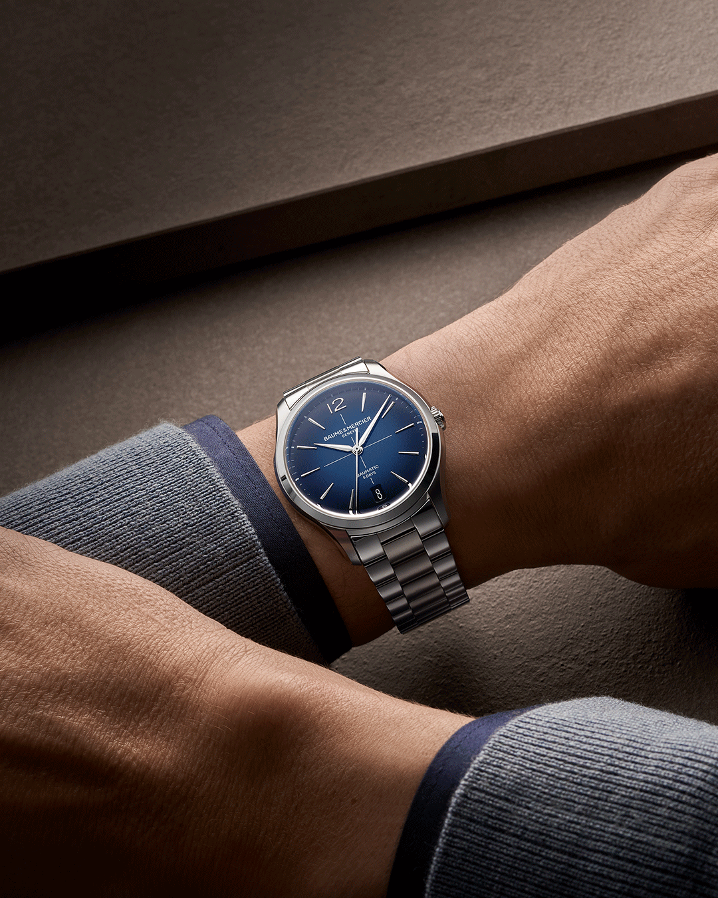 CLIFTON 10802 | 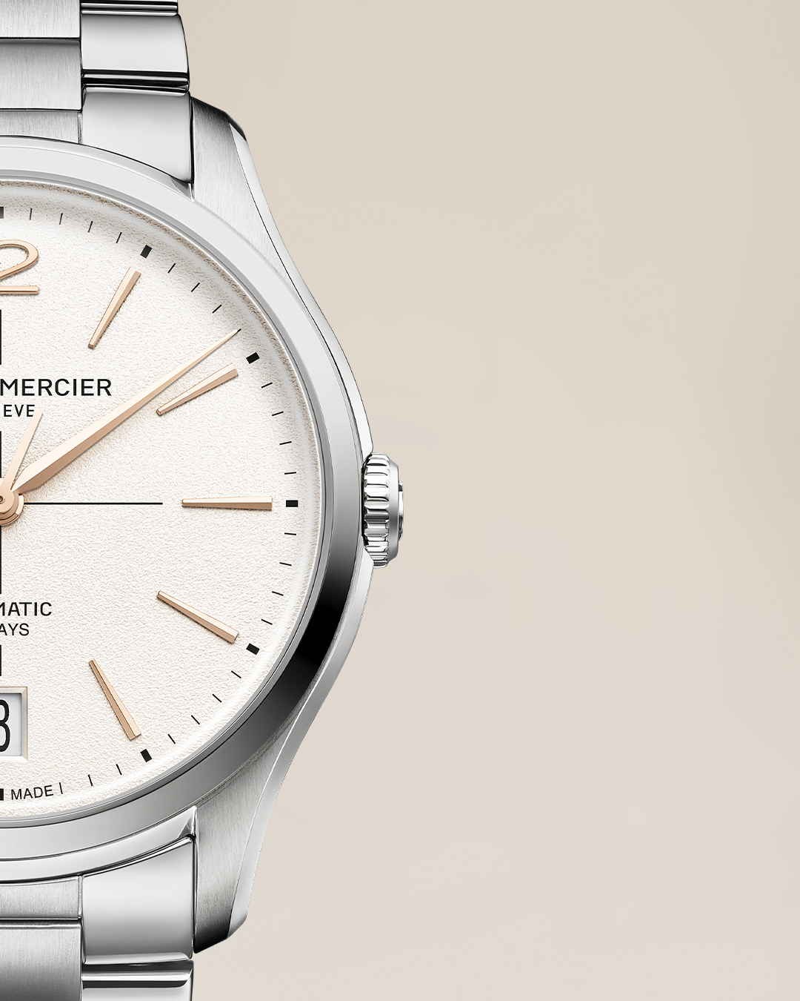 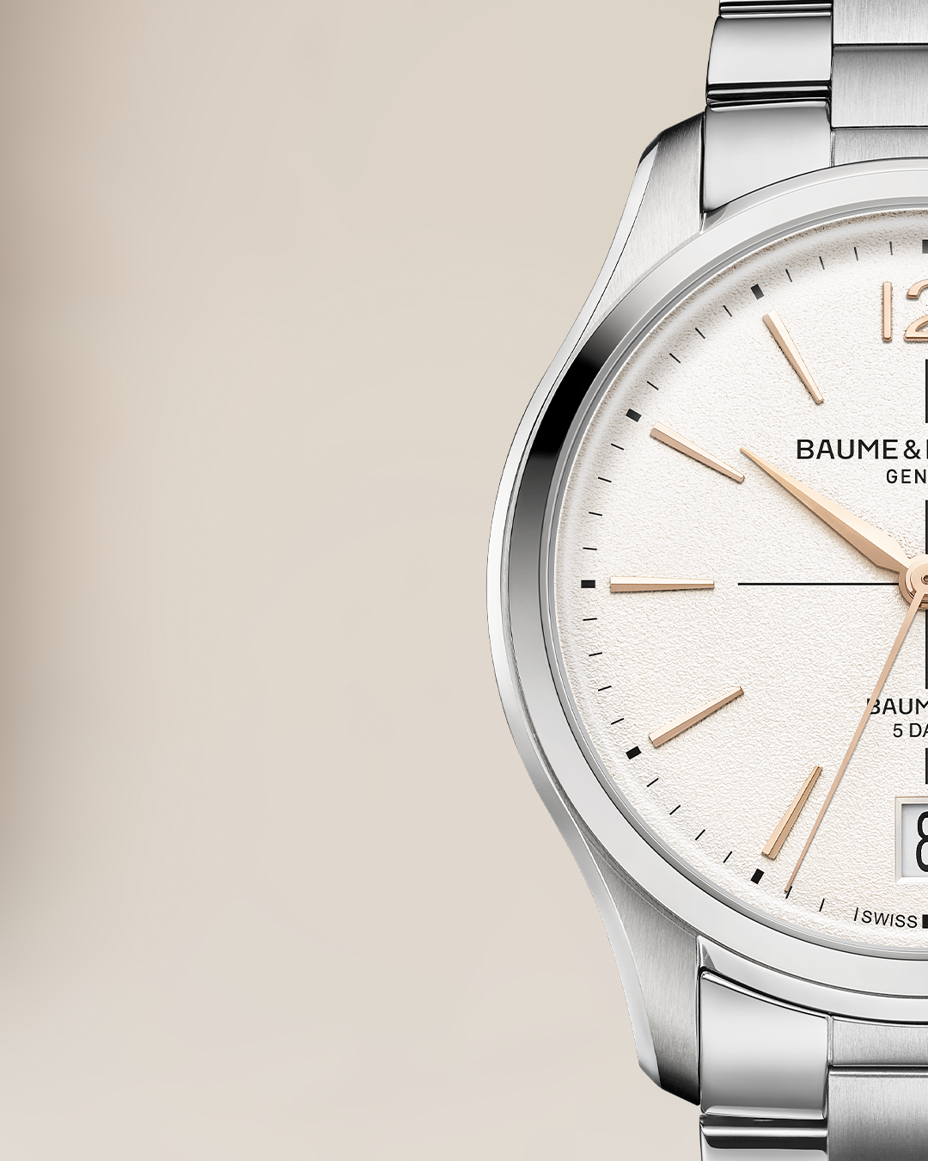 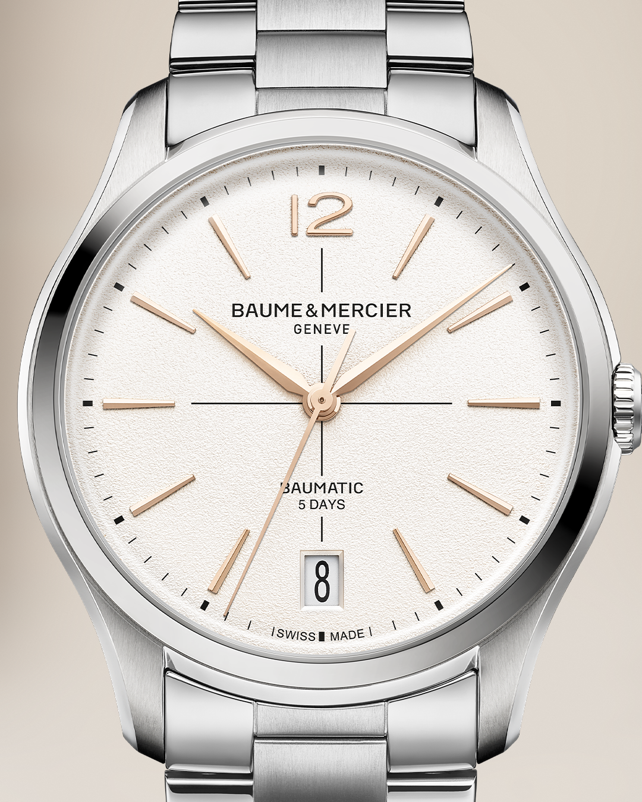
Text | Dive into the heart of watchmaking excellence with the Clifton collection. Each timepiece is the result of ancestral savoir-faire, where precision and passion meet to create a work of art. Discover the heritage of our master watchmakers, visible in every detail. -- Clifton 10792 39mm, Self-winding Baumatic movement, 5-day power reserve, Stainless steel, Interchangeable strap system. -- #BaumeEtMercier #CliftonCollection #Watchmaking #Craftsmanship #HauteHorlogerie | For true connoisseurs, beauty lies in the details. The Clifton collection embodies this philosophy, revealing the meticulous work of our artisans behind every movement and finish. Discover the Clifton 10792, a timepiece crafted to last. -- Clifton 10792 39mm, Self-winding Baumatic movement, 5-day power reserve, Stainless steel, Interchangeable strap system. -- #BaumeEtMercier #CliftonCollection #WatchmakingArtistry #Precision #LuxuryWatch | A story of passion and dedication, our watchmakers moto. The Clifton collection is an ode to watchmaking savoir-faire, designed for those who appreciate the soul and complexity of an exceptional movement. Meet our exceptional Baumatic movement, your best ally for reliability and precision. -- Clifton 10793 39mm, Self-winding Baumatic movement, 5-day power reserve, Stainless steel, Interchangeable strap system. -- #BaumeEtMercier #CliftonCollection #Baumatic #Modernwatch #SwissWatchmaking
Date | JANUARY 25th | JANUARY 28th | JANUARY 31st
Image |  | 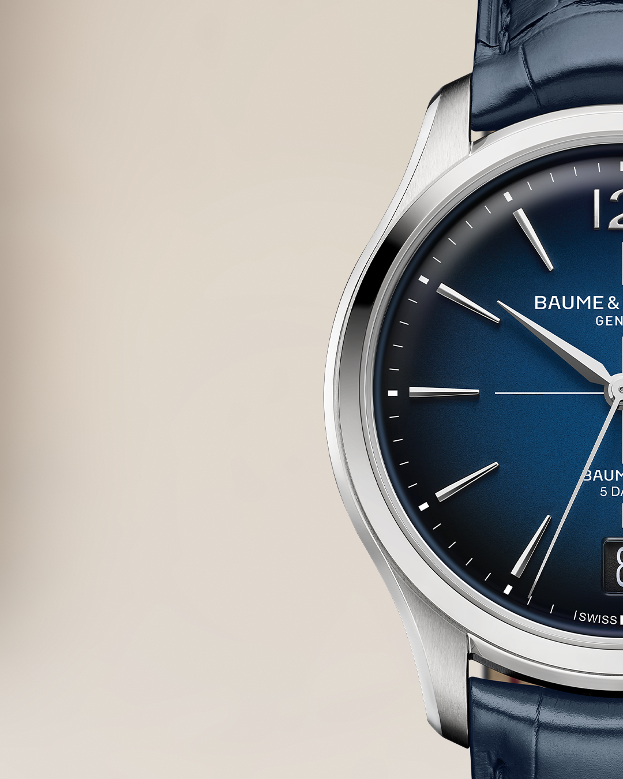 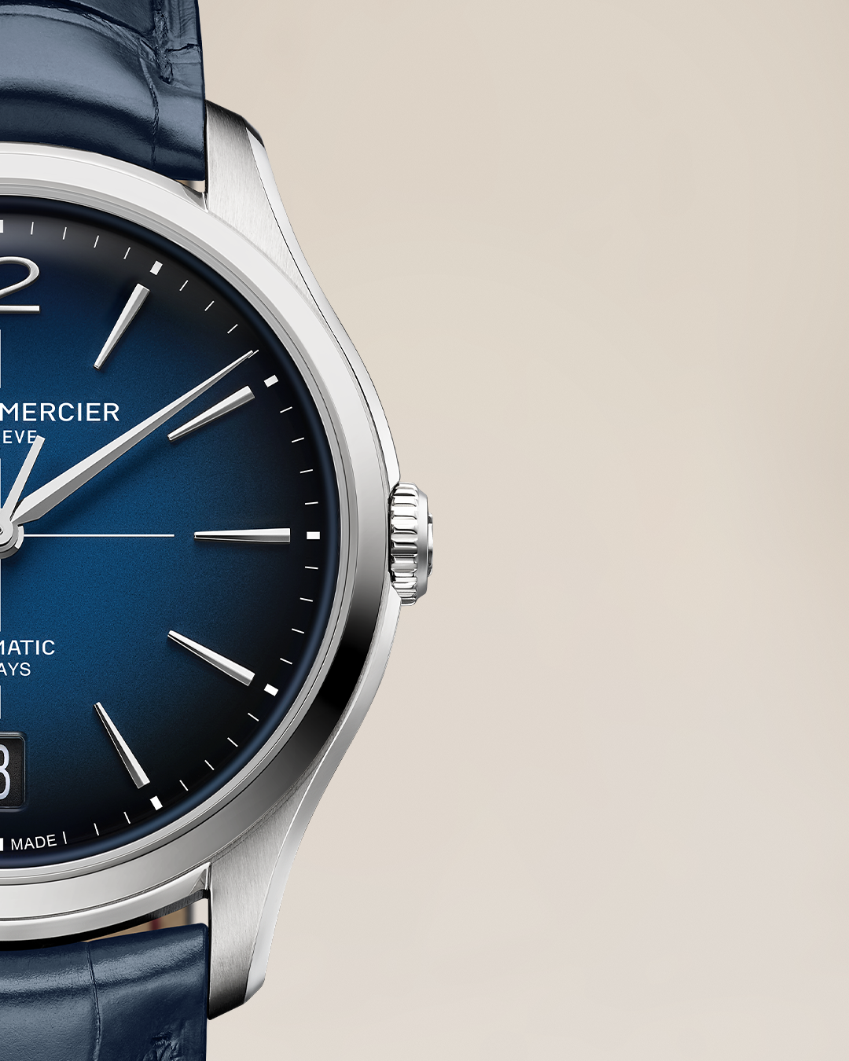 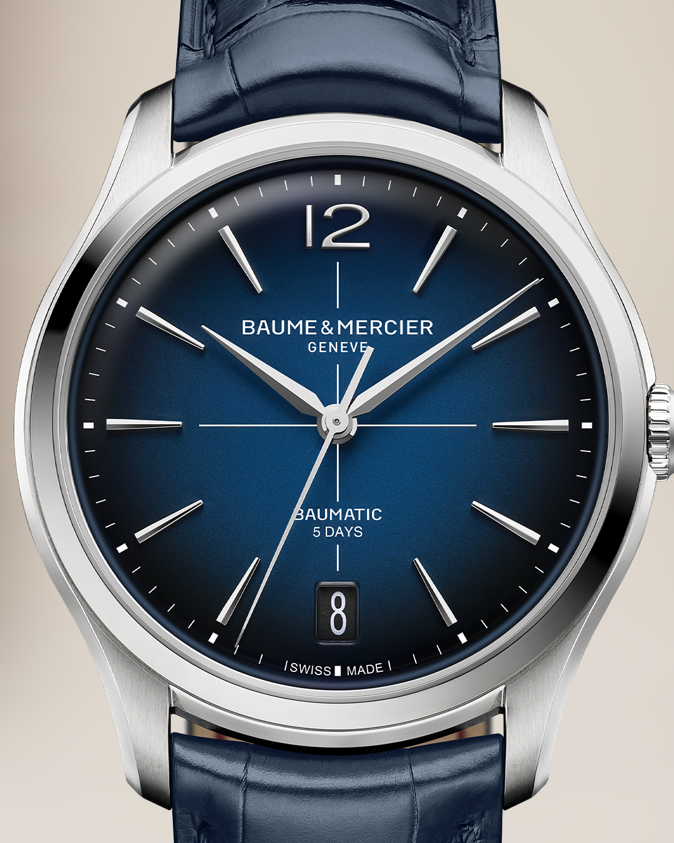 | 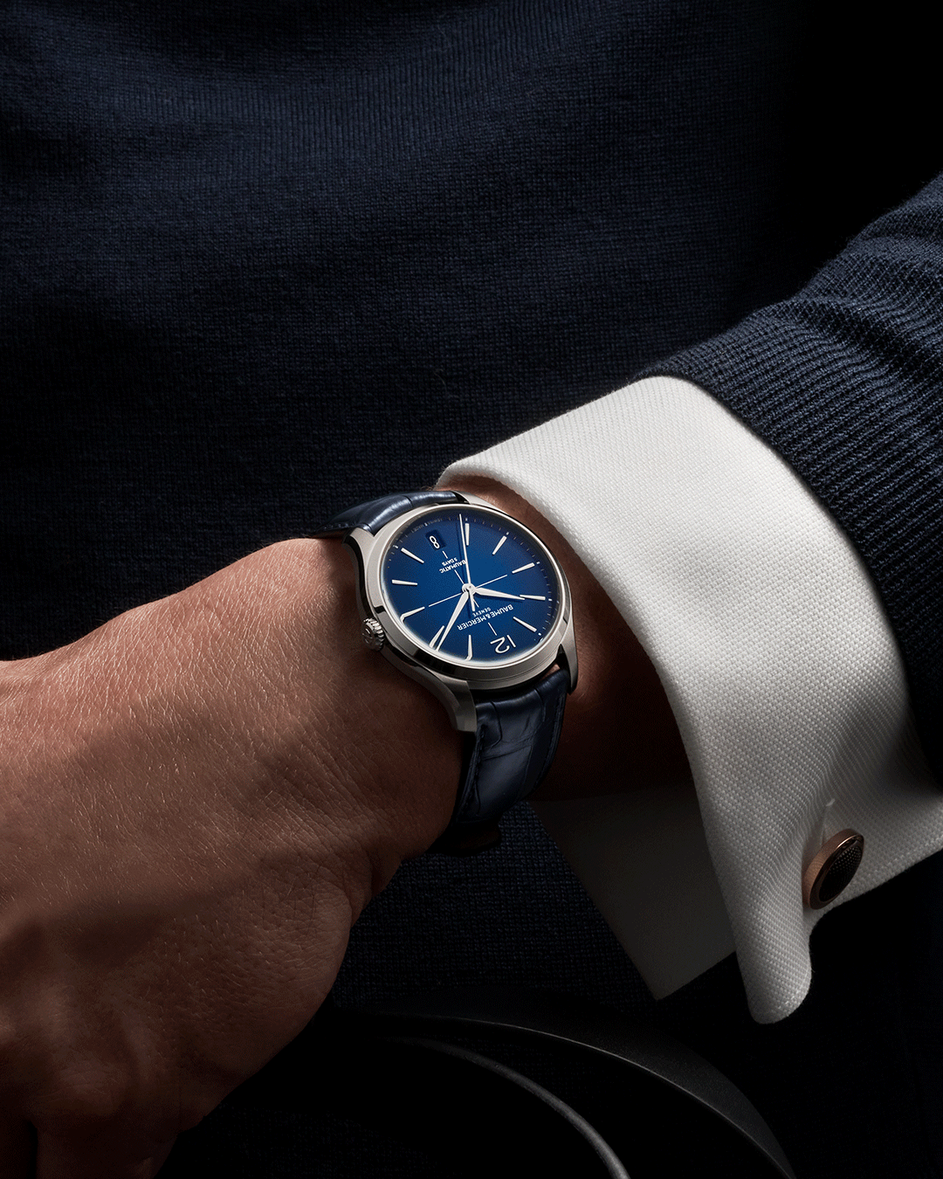
Text | Feel the pulse of precision on your wrist. Our Clifton 10793, styled as the perfect accessory this winter, is a testament to generations of watchmaking artistry. Each beat of its in-house movement echoes the dedication and meticulous skill of our watchmakers from Les Brenets. -- Clifton 10793 39mm, Self-winding Baumatic movement, 5-day power reserve, Stainless steel, Interchangeable strap system. -- #BaumeEtMercier #CliftonCollection #Elegantwatch #Whitedial #Automaticmovement | The Clifton 10771 stands as a beacon of engineering excellence. This masterpiece houses an in-house movement, ensuring every component works in harmony, creating a symphony of precision and elegance. -- Clifton 10771 39mm, Self-winding Baumatic movement, 5-day power reserve, Stainless steel, Interchangeable blue alligator strap system. -- #BaumeEtMercier #CliftonCollection #Bluedial #Baumatic #LuxuryWatch | Elegant yet simple, make the Clifton 10771 your everyday companion. The perfect accessory that makes the difference. -- Clifton 10771 39mm, Self-winding Baumatic movement, 5-day power reserve, Stainless steel, Interchangeable blue alligator strap system. -- #BaumeEtMercier #CliftonCollection #Watchmaking #Swissmade #Baumatic

