JULY
Date | JULY 3rd (CAROUSEL) | JULY 6th | JULY 9th (VIDEO) | JULY 12th (CAROUSEL) | JULY 15th (CAROUSEL)
Image | 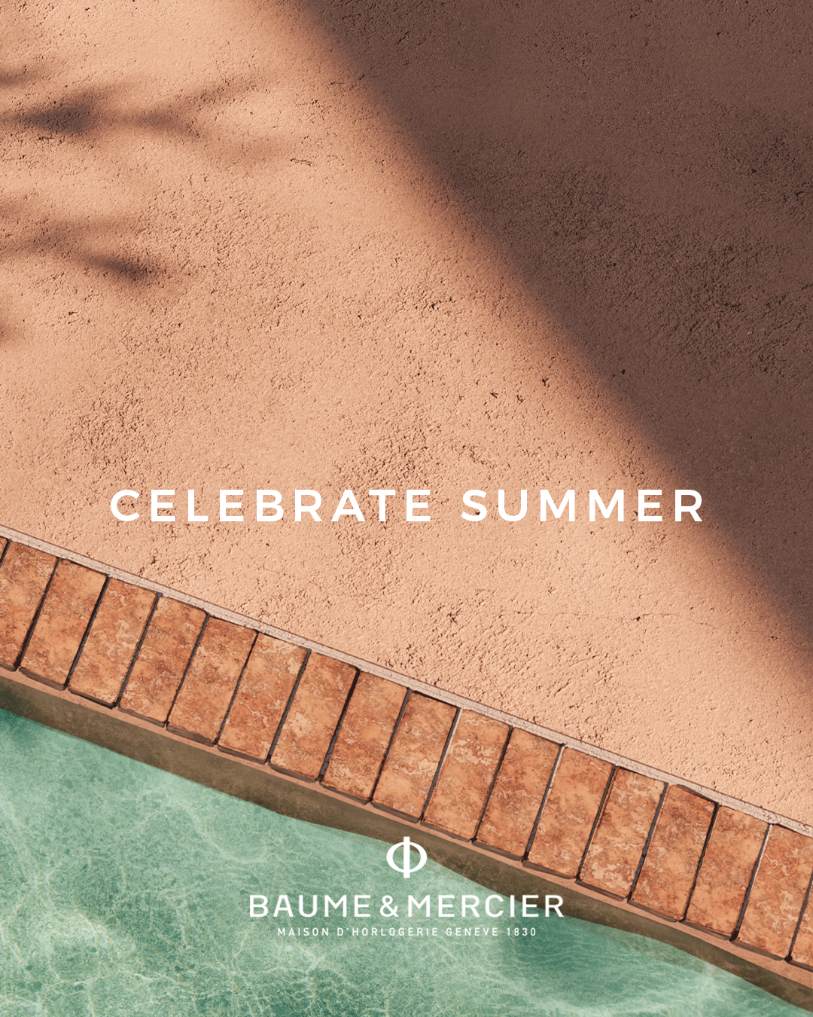 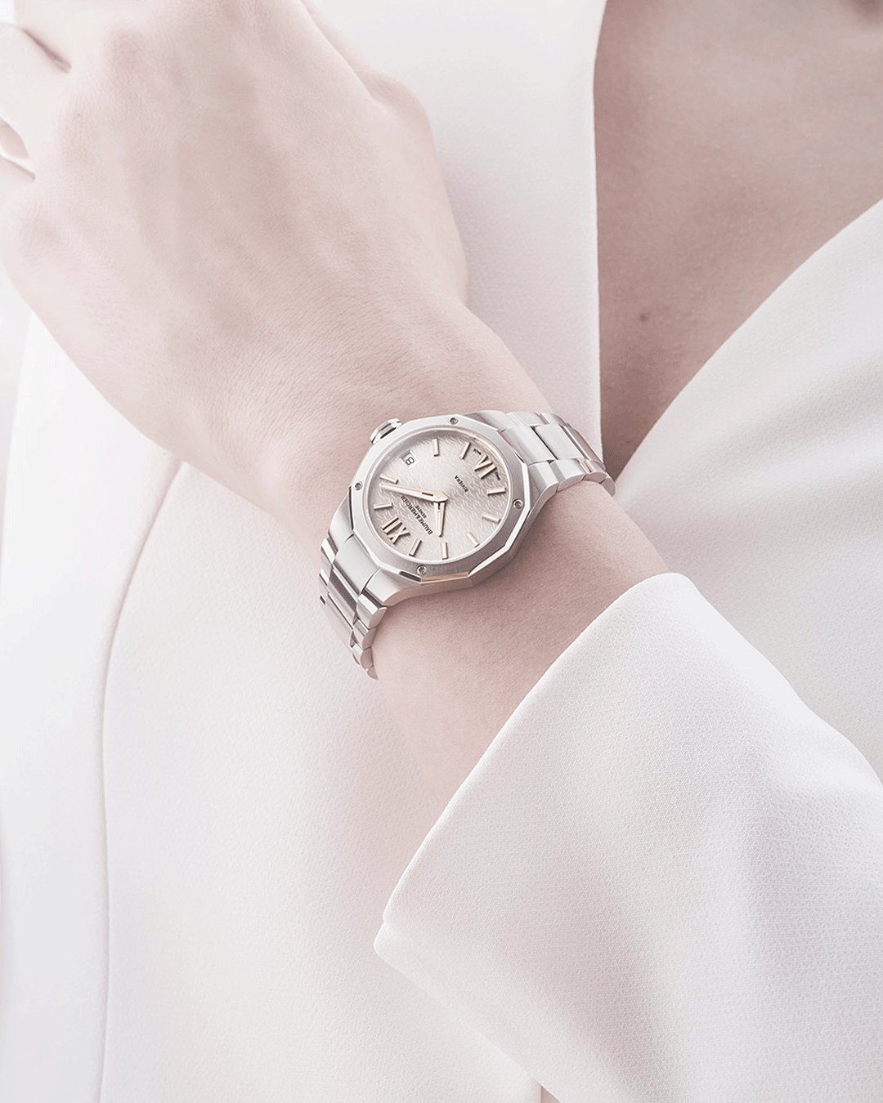 | 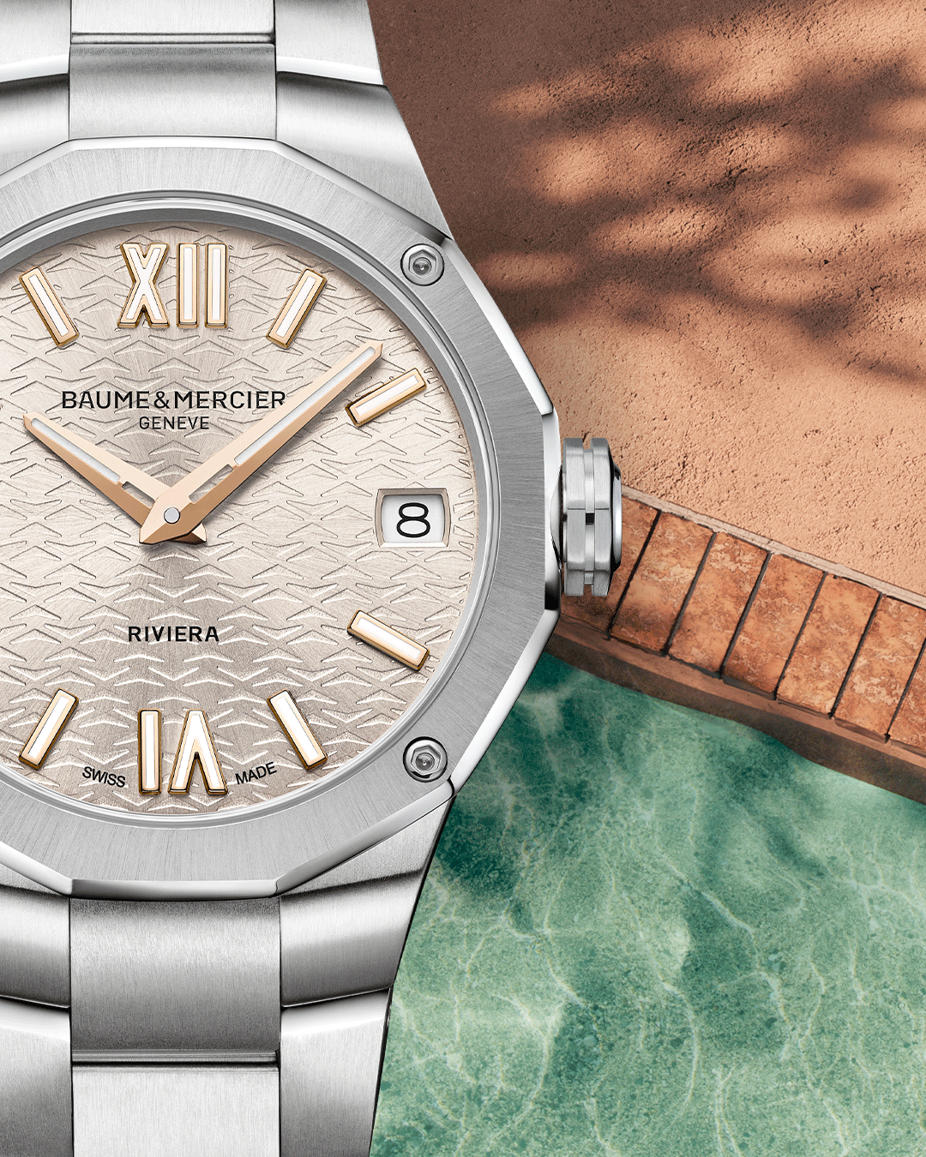 |  10812 | 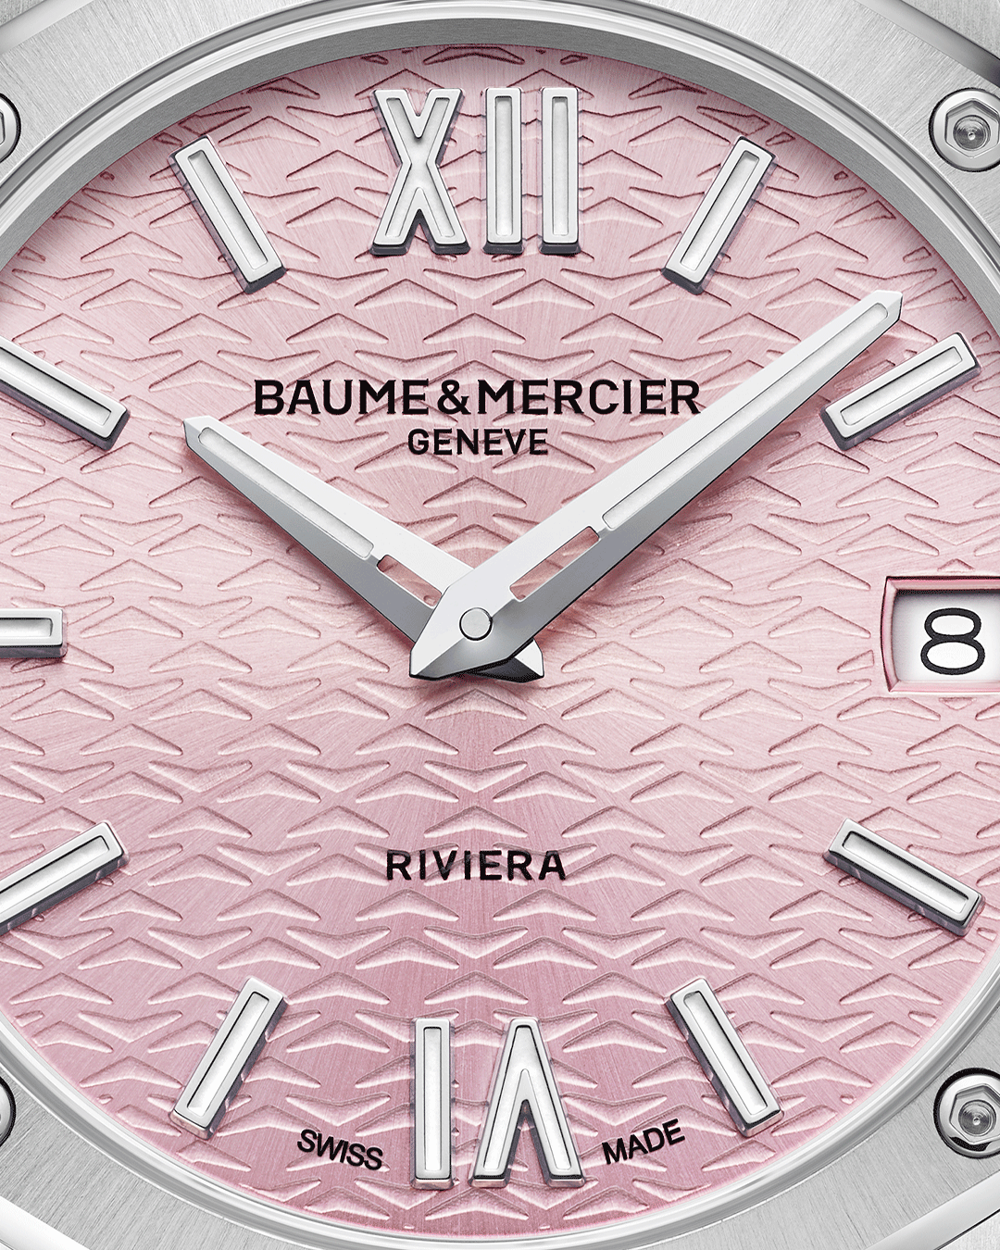 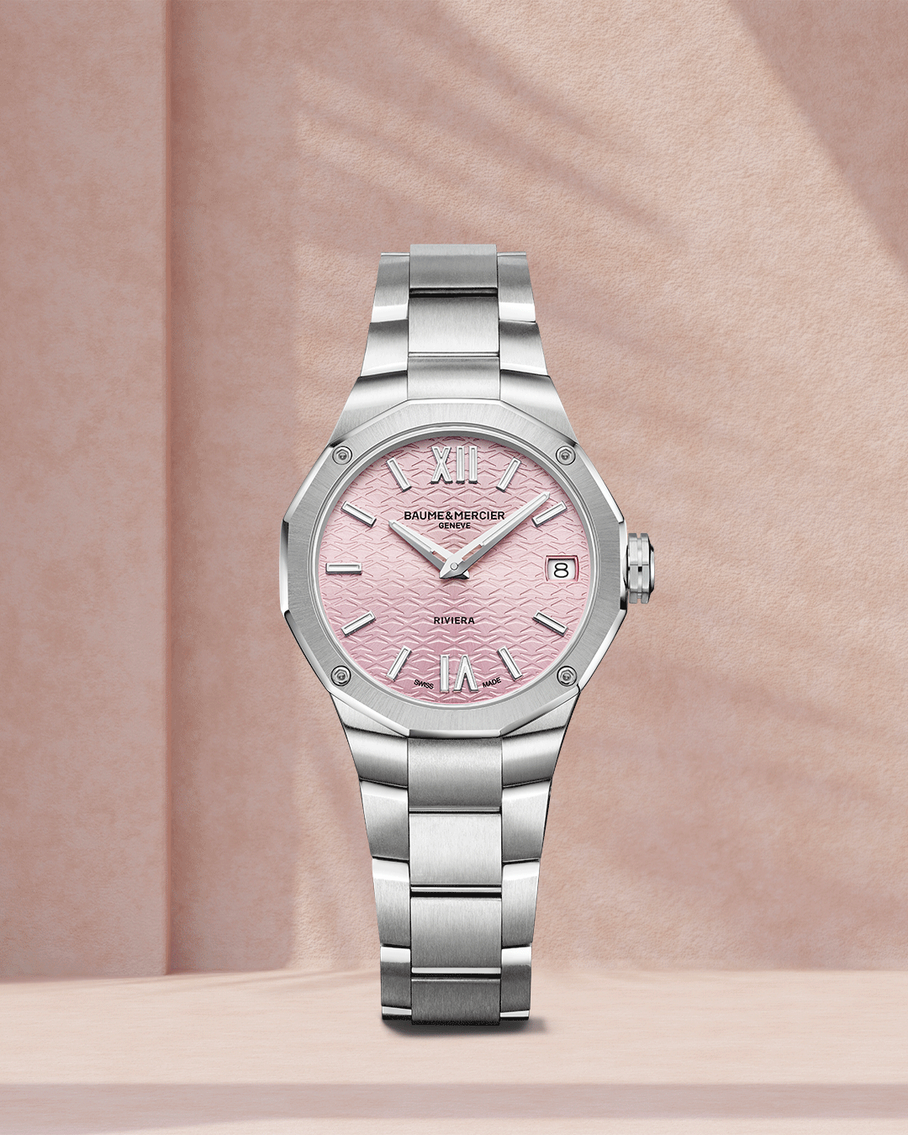 | 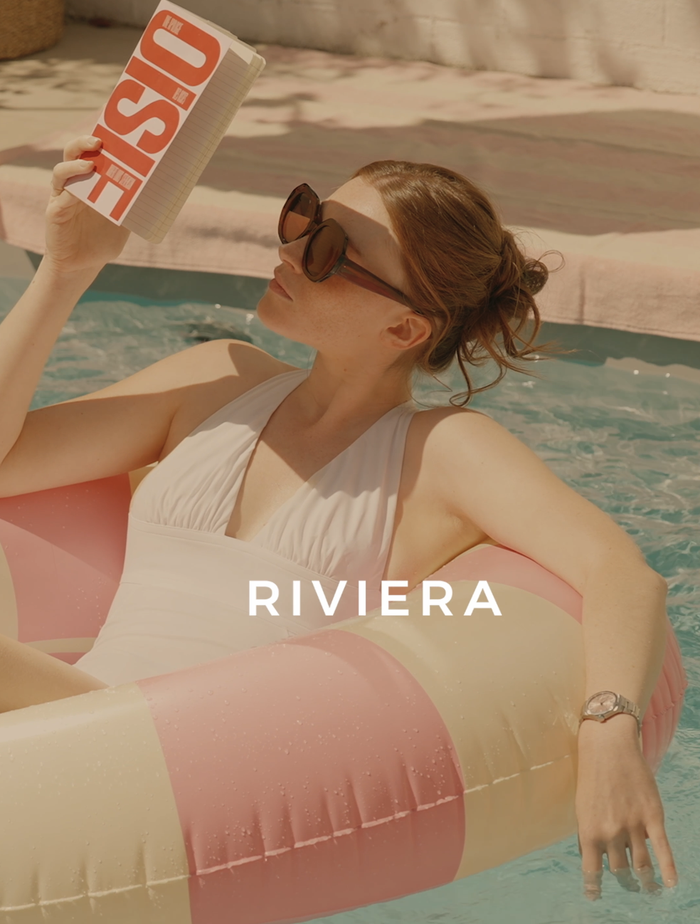 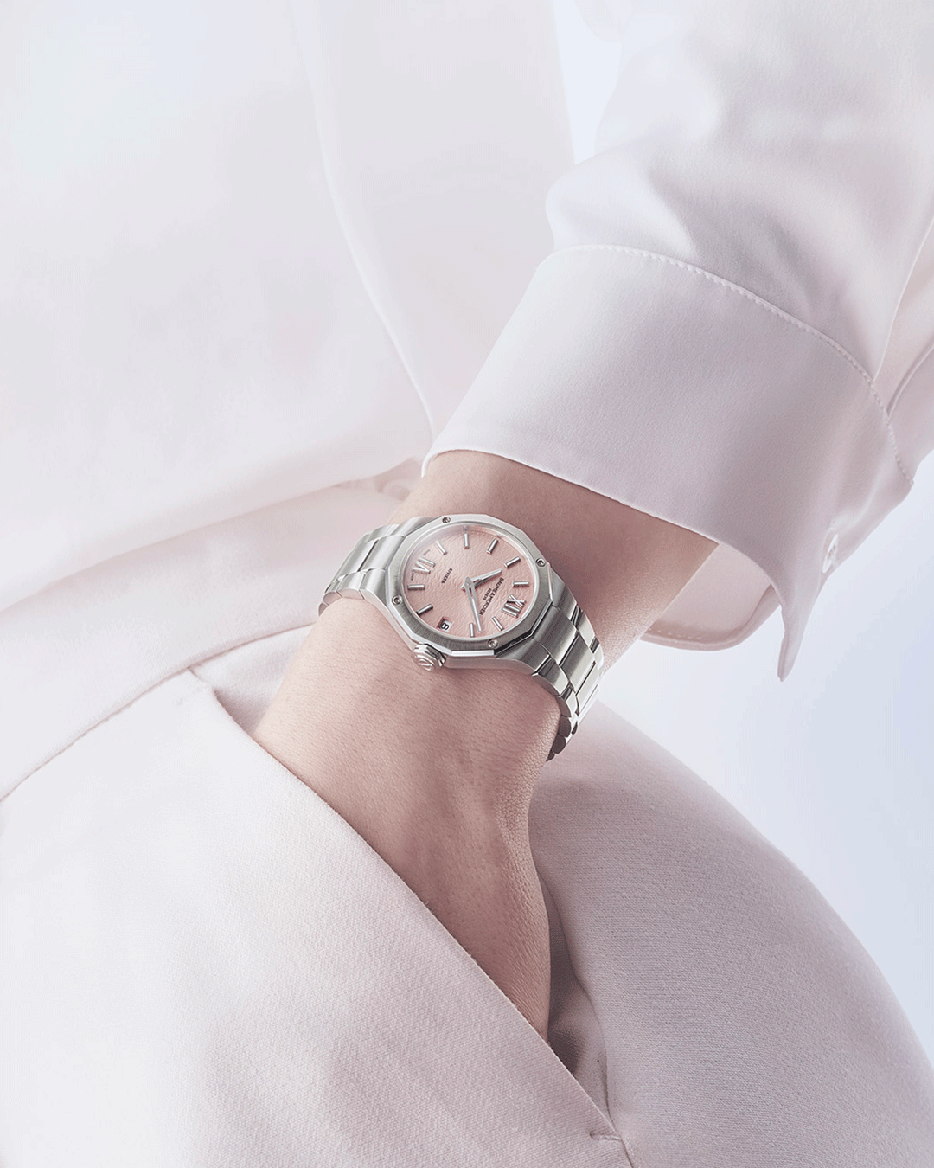
Text | Sparkling moments, captured in time. This feminine novelty, with its warm silver dial, evokes the warm glow of a summer day on the French Riviera. -- Riviera 10810 33 mm, Quartz, Stainless steel case, sun satin-finished gilded dial, Date aperture at 3 o’clock, Fast Strap technology - Interchangeable strap system. -- #Summer #BaumeEtMercier #TheArtOfBalance #Form #Function #Heritage #Riviera #Since73 #WatchesOfInstagram #InstaWatch #WatchOfTheDay #LuxuryTimepiece | Like a sunset over the Mediterranean. The Riviera warm silver dial brings an incandescent touch to your summer style. Explore our novelties and embrace the season. -- Riviera 10810 33 mm, Quartz, Stainless steel case, sun satin-finished gilded dial, Date aperture at 3 o’clock, Fast Strap technology - Interchangeable strap system. -- #Summer #BaumeEtMercier #TheArtOfBalance #Form #Function #Heritage #Riviera #Since73 #WatchesOfInstagram #InstaWatch #WatchOfTheDay #LuxuryTimepiece | A touch of playful elegance. This new Riviera, in vibrant pink, is an irresistible invitation to carefree days and joyful moments this summer. -- Riviera 10812 33 mm, Quartz, Stainless steel case, pink satiné sunray dial, Date aperture at 3 o’clock, Fast Strap technology - Interchangeable strap system. -- #Summer #BaumeEtMercier #TheArtOfBalance #Form #Function #Heritage #Riviera #Since73 #WatchesOfInstagram #InstaWatch #WatchOfTheDay #LuxuryTimepiece | Dive into summer with one of our latest timepieces. Summertime becomes even more irresistible with this joyful and bold watch, featuring a sun-satin pink dial adorned with transparent waves and mountains transfers. -- Riviera 10812 33 mm, Quartz, Stainless steel case, pink satiné sunray dial, Date aperture at 3 o’clock, Fast Strap technology - Interchangeable strap system. -- #Summer #BaumeEtMercier #TheArtOfBalance #Form #Function #Heritage #Riviera #Since73 #WatchesOfInstagram #InstaWatch #WatchOfTheDay #LuxuryTimepiece | Color is your best ally. Embrace the summer spirit with this new version, bringing a touch of softness to the satin-polished stainless steel case. Perfectly proportioned: 33 mm in diameter and 9.22 mm in thickness. -- Riviera 10812 33 mm, Quartz, Stainless steel case, pink satiné sunray dial, Date aperture at 3 o’clock, Fast Strap technology - Interchangeable strap system. -- #Summer #BaumeEtMercier #TheArtOfBalance #Form #Function #Heritage #Riviera #Since73 #WatchesOfInstagram #InstaWatch #WatchOfTheDay #LuxuryTimepiece | $
Date | JULY 18th (CAROUSEL) | JULY 21st (CAROUSEL) | JULY 24th (VIDEO) | JULY 27th (CAROUSEL) | JULY 30th (VIDEO)
Image | 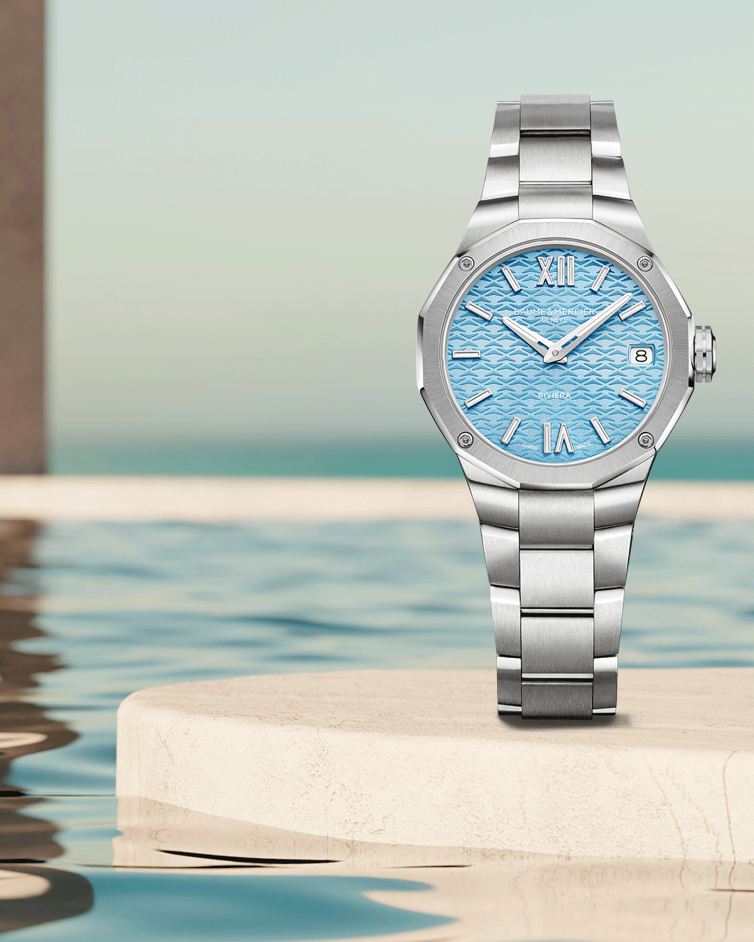 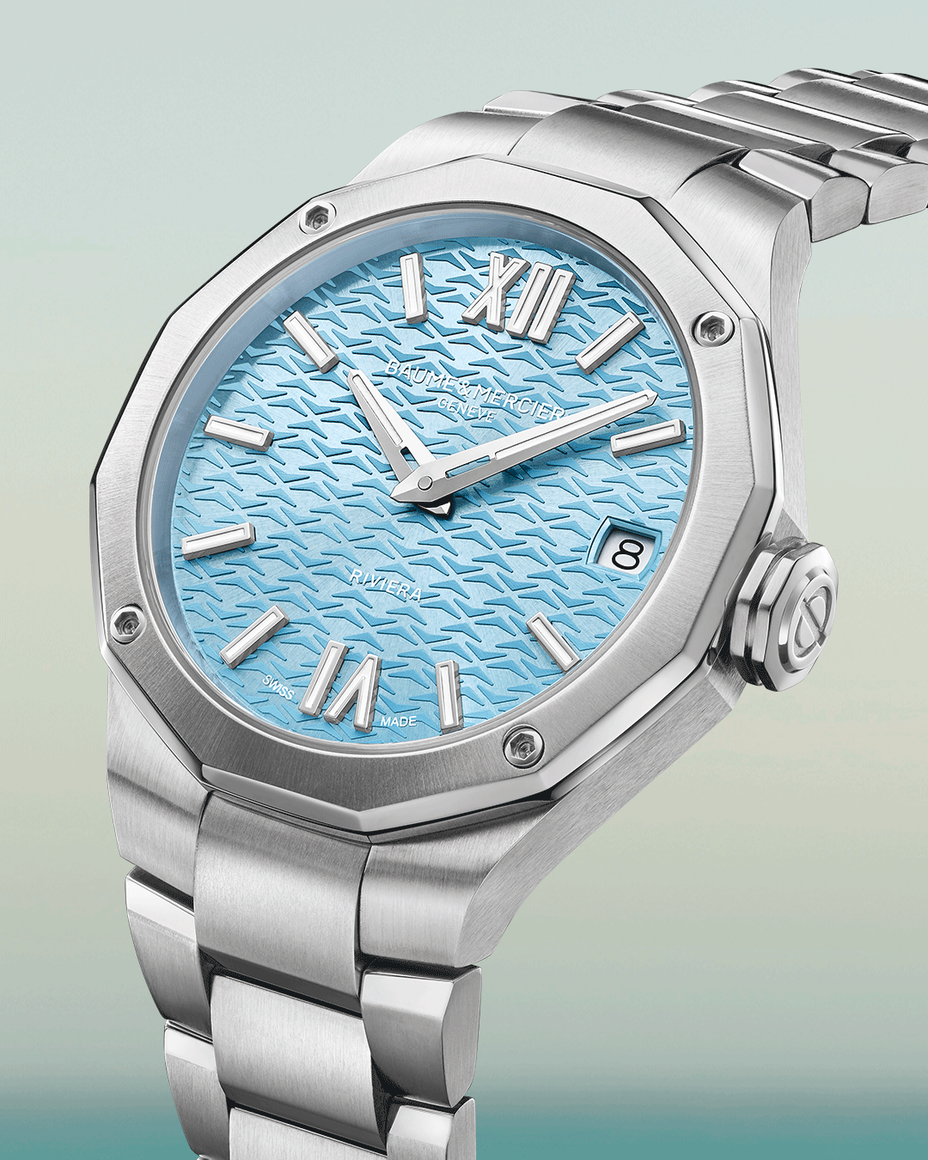 | 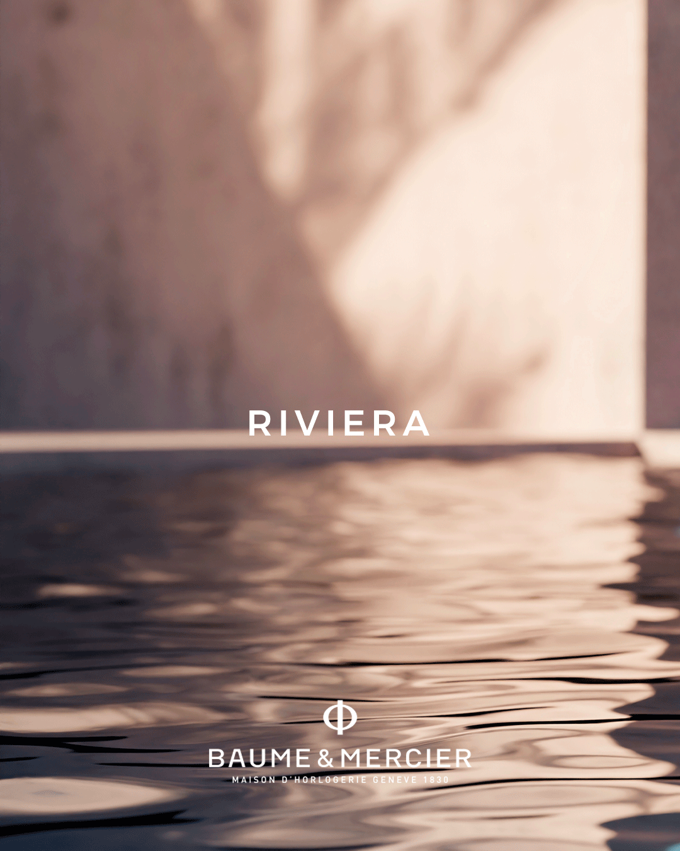 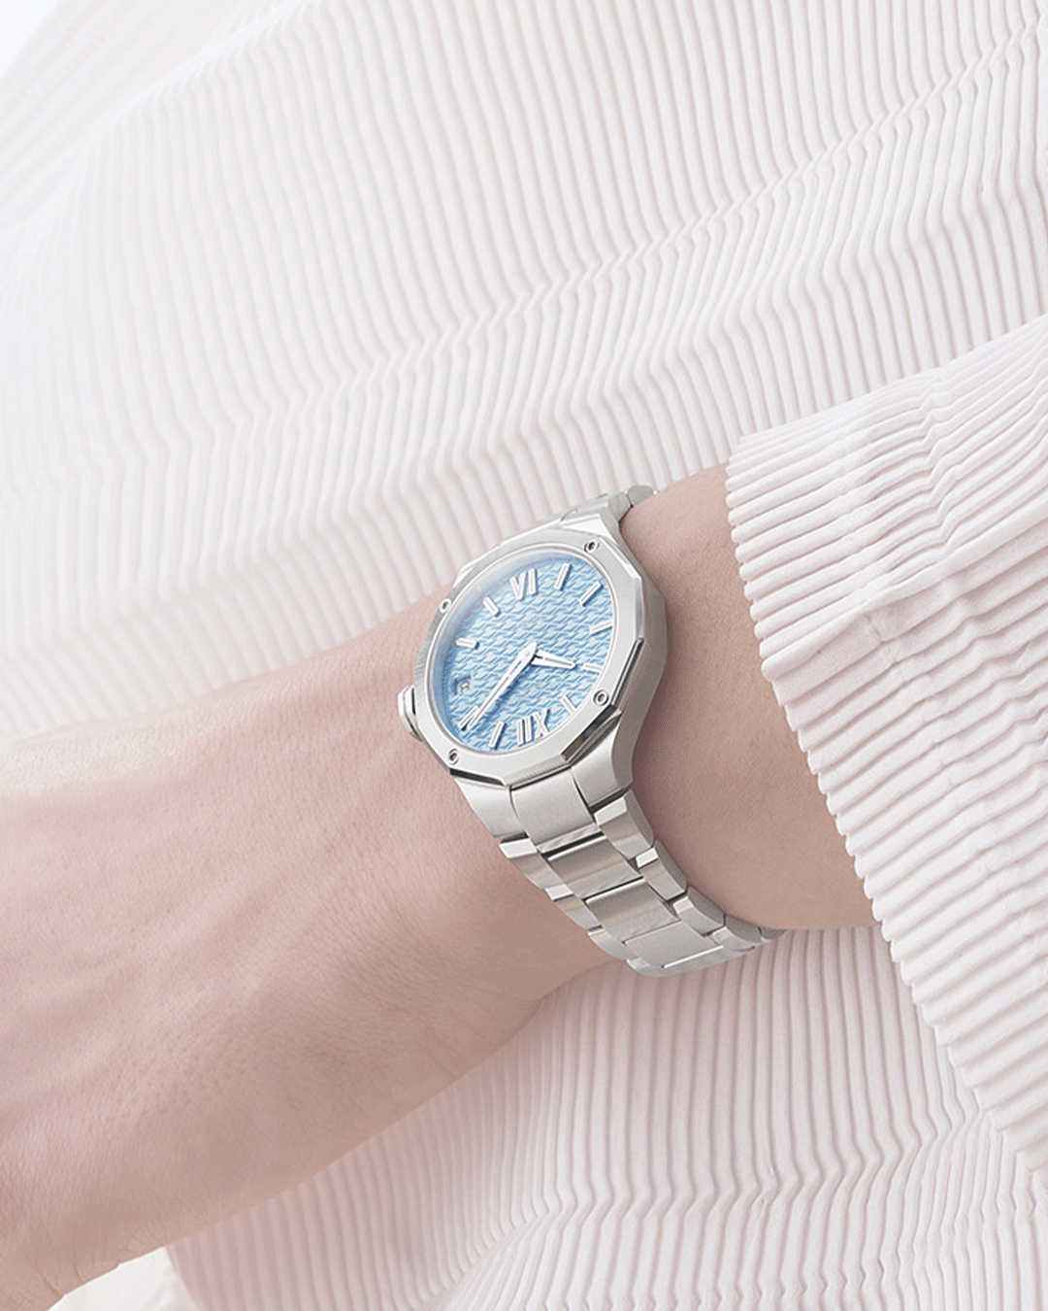 | 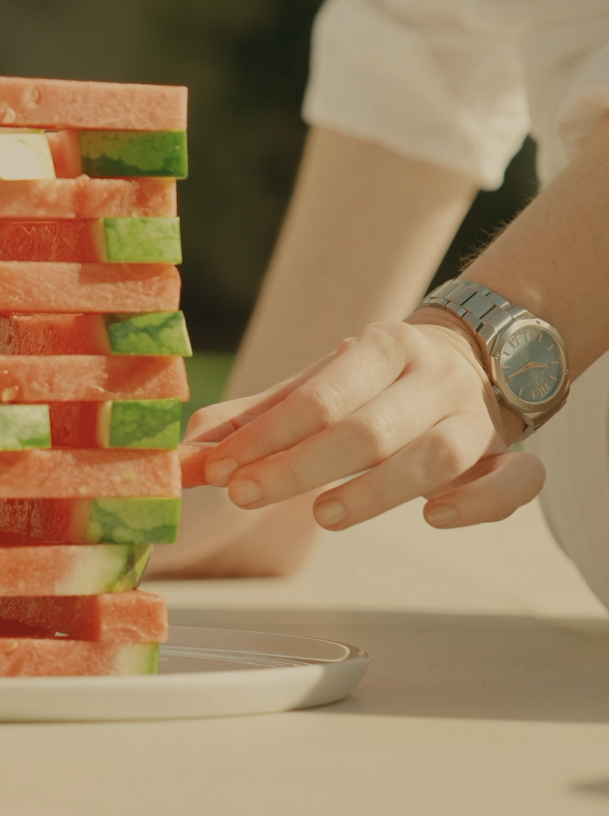 10811 | 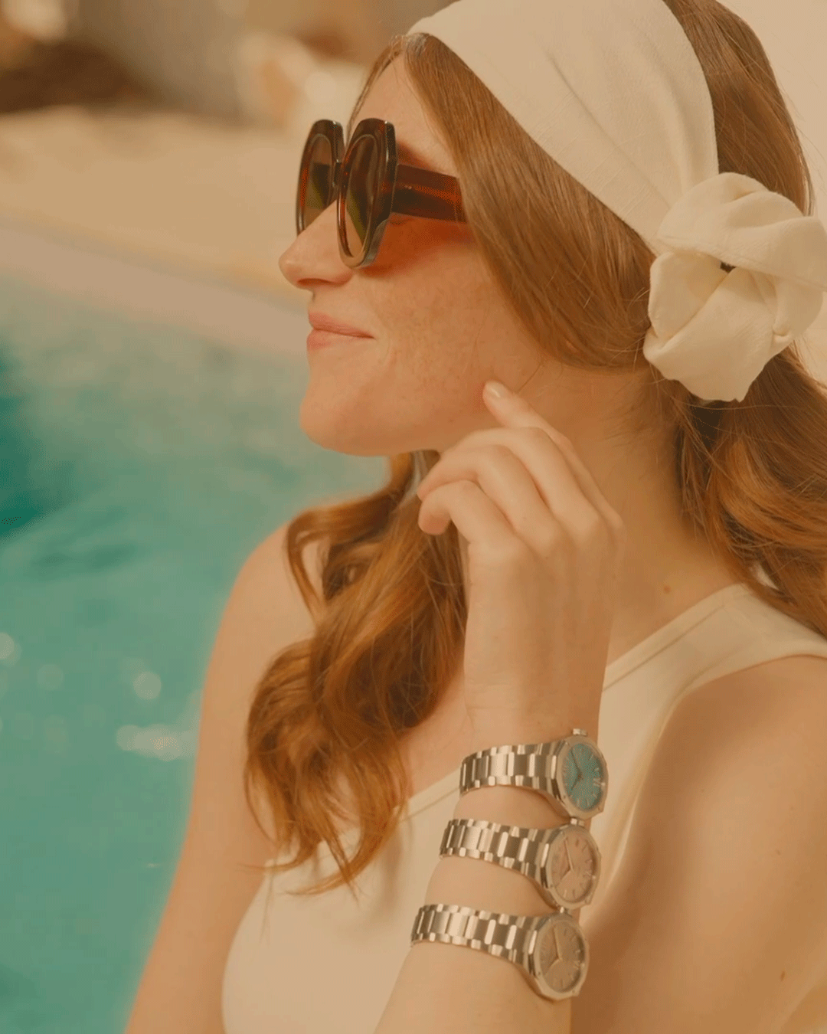 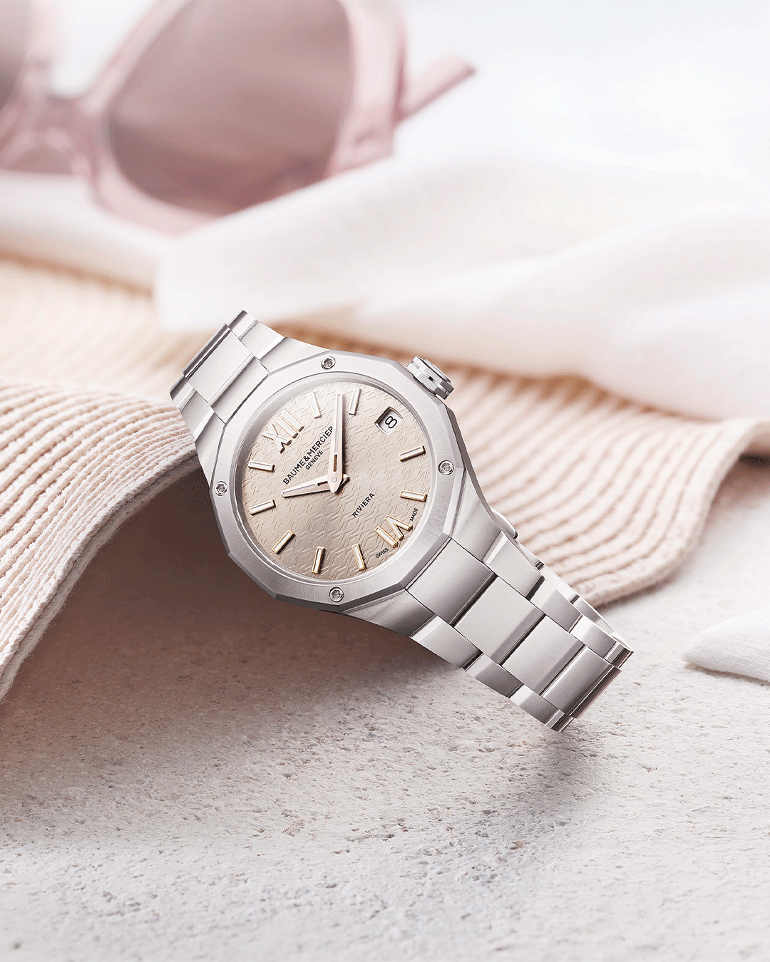 | 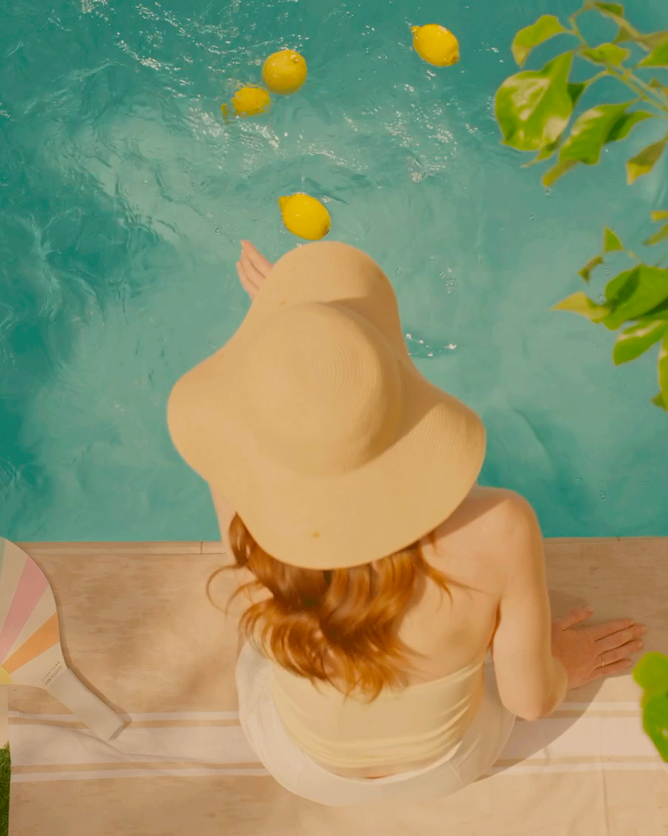
Text | A summer essential not to be missed. The Riviera collection unveils a new blue timepiece inspired by the aquatic world. This Riviera watch offers a refreshing plunge into the waves of its transparent dial decoration, elegantly accented by Roman numerals. -- Riviera 10811 33 mm, Quartz, Stainless steel case, sun satin-finished gilded dial, Date aperture at 3 o’clock, Fast Strap technology - Interchangeable strap system. -- #Summer #BaumeEtMercier #TheArtOfBalance #Form #Function #Heritage #Riviera #Since73 #WatchesOfInstagram #InstaWatch #WatchOfTheDay #LuxuryTimepiece | Highlight on the chic side of this sporty watch, topped with a scratch-resistant sapphire crystal featuring anti-glare coating on both sides. -- Riviera 10811 33 mm, Quartz, Stainless steel case, sun satin-finished gilded dial, Date aperture at 3 o’clock, Fast Strap technology - Interchangeable strap system. -- #BaumeEtMercier #TheArtOfBalance #Form #Function #Heritage #Riviera #Since73 #WatchesOfInstagram #InstaWatch #WatchOfTheDay #LuxuryTimepiece | Take a closer look. Make it your own. The free octagonal crown is adorned with the embossed Phi logo, while the solid dodecagonal case back can be engraved with a personal touch. -- Riviera Summer -- #Summer #BaumeEtMercier #TheArtOfBalance #Form #Function #Heritage #Riviera #Since73 #WatchesOfInstagram #InstaWatch #WatchOfTheDay #LuxuryTimepiece | Warm silver, light blue, or pink. Three radiant new pastel dials that breathe fresh energy into the legendary dodecagonal silhouette. A feminine take on iconic design, glowing with summer light. -- Riviera Summer -- #Summer #BaumeEtMercier #TheArtOfBalance #Form #Function #Heritage #Riviera #Since73 #WatchesOfInstagram #InstaWatch #WatchOfTheDay #LuxuryTimepiece | A summer palette for every wrist. Each of these watches brilliantly captures the sport-chic spirit of the collection, infused with the irresistible allure of the French Riviera, its organic beauty, and its liberating lifestyle where luxury meets effortless indulgence. -- Riviera Summer -- #Summer #BaumeEtMercier #TheArtOfBalance #Form #Function #Heritage #Riviera #Since73 #WatchesOfInstagram #InstaWatch #WatchOfTheDay #LuxuryTimepiece
 |  |  |  | war

