MARCH
DATE | MARCH 2ND | MARCH 5TH | MARCH 8TH | MARCH 10TH
FORMAT | Carousel | Static | Carousel | Static
IMAGE | 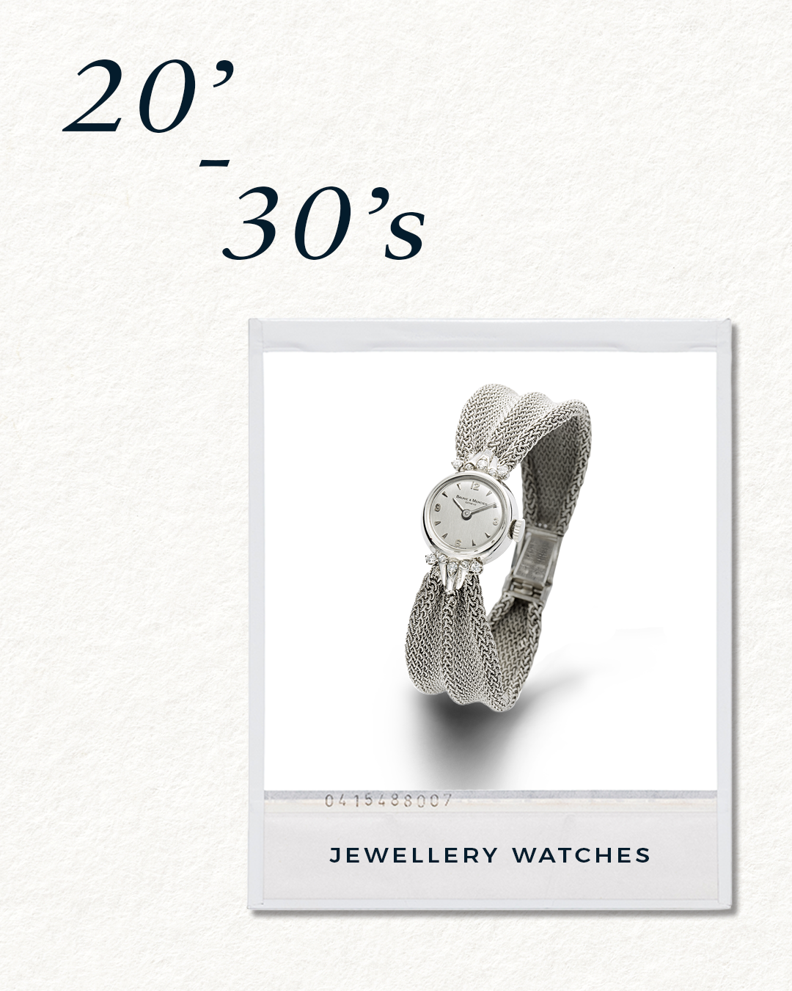 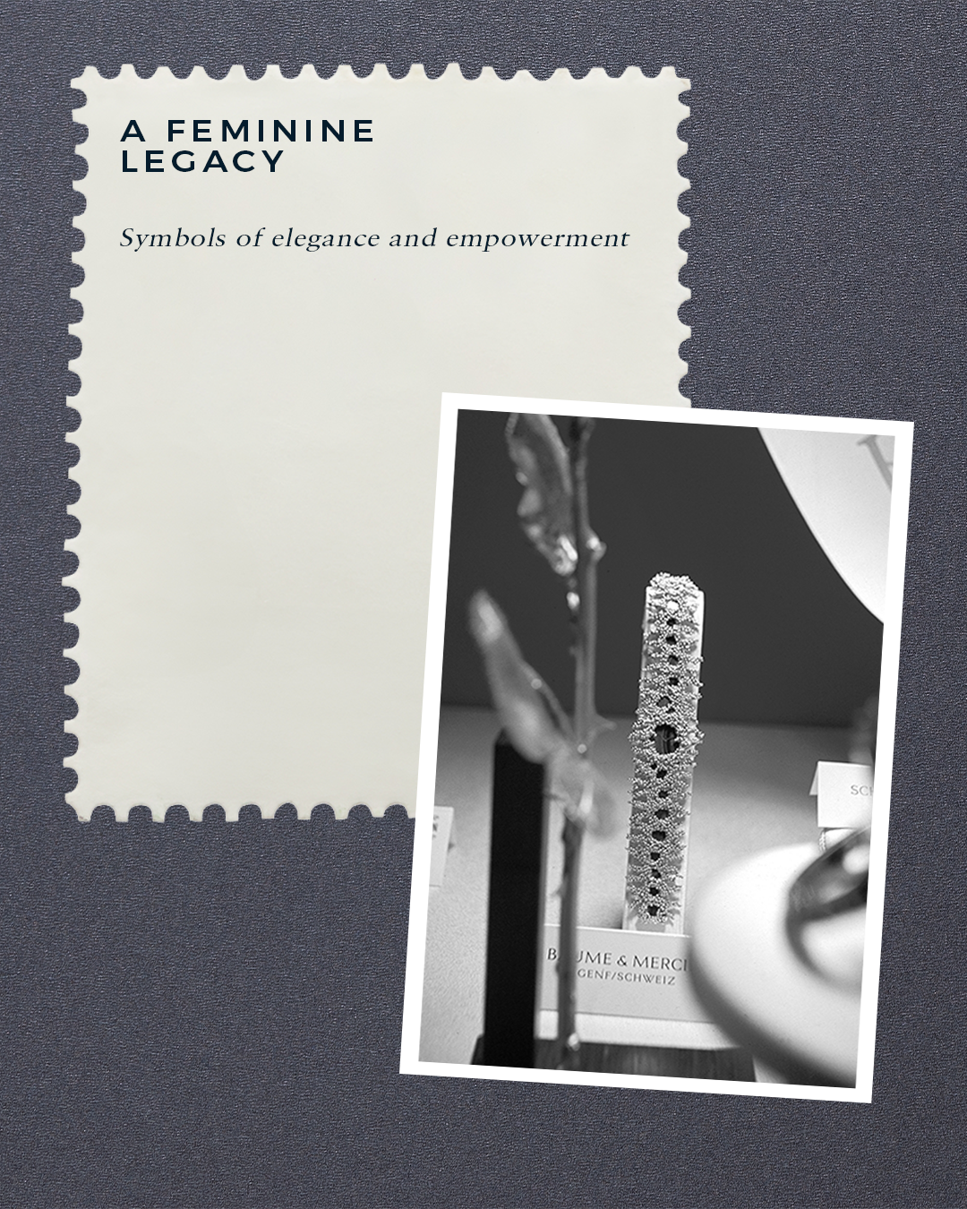 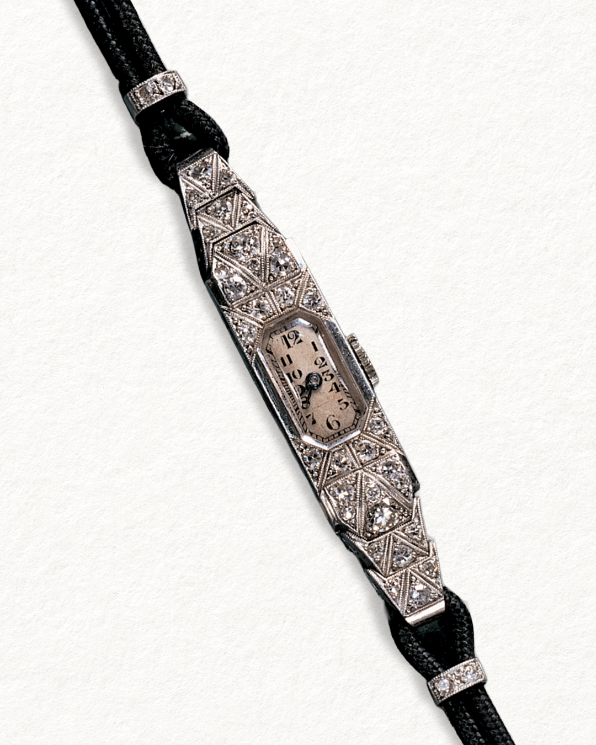 | 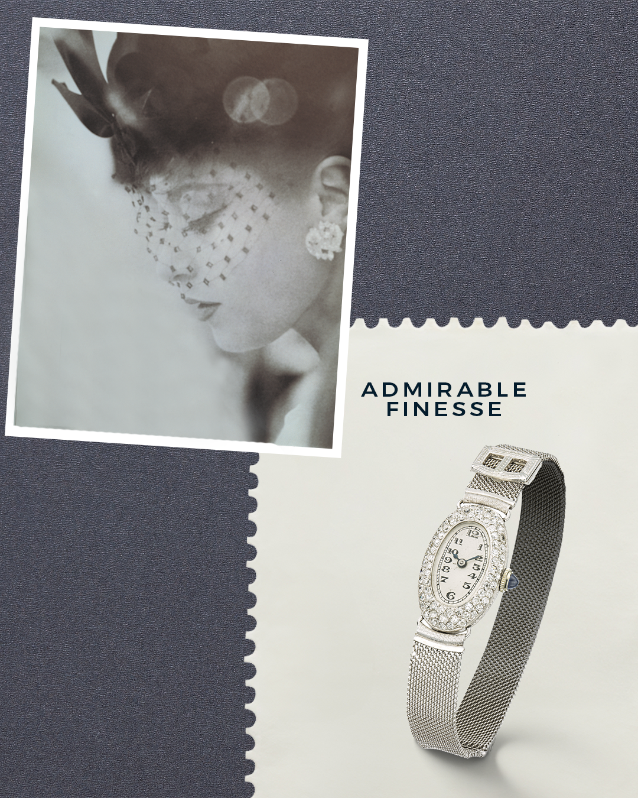 | 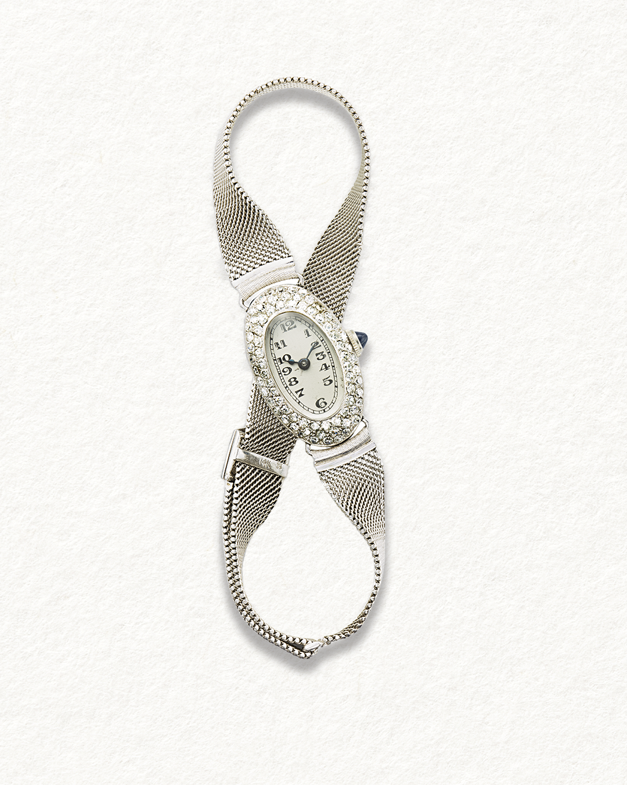 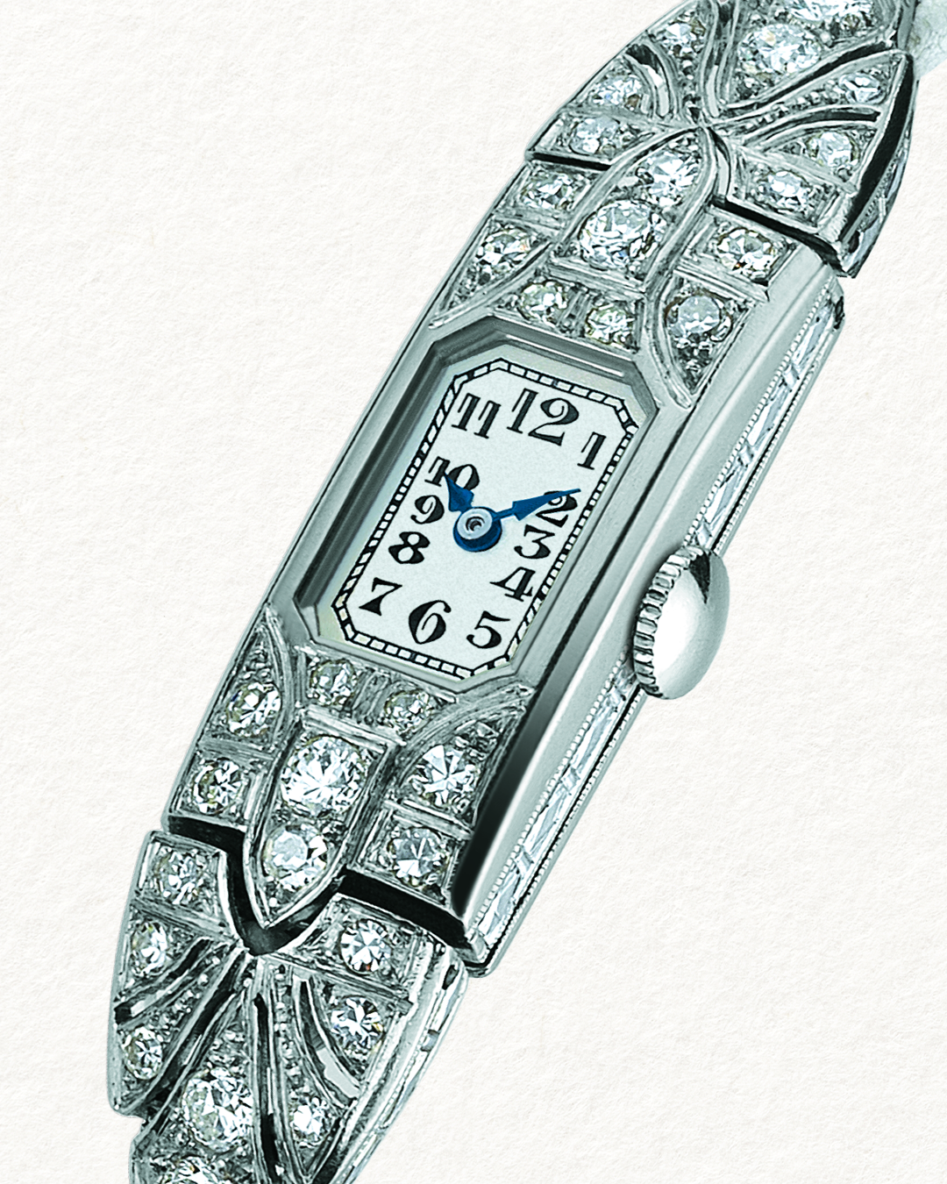 | 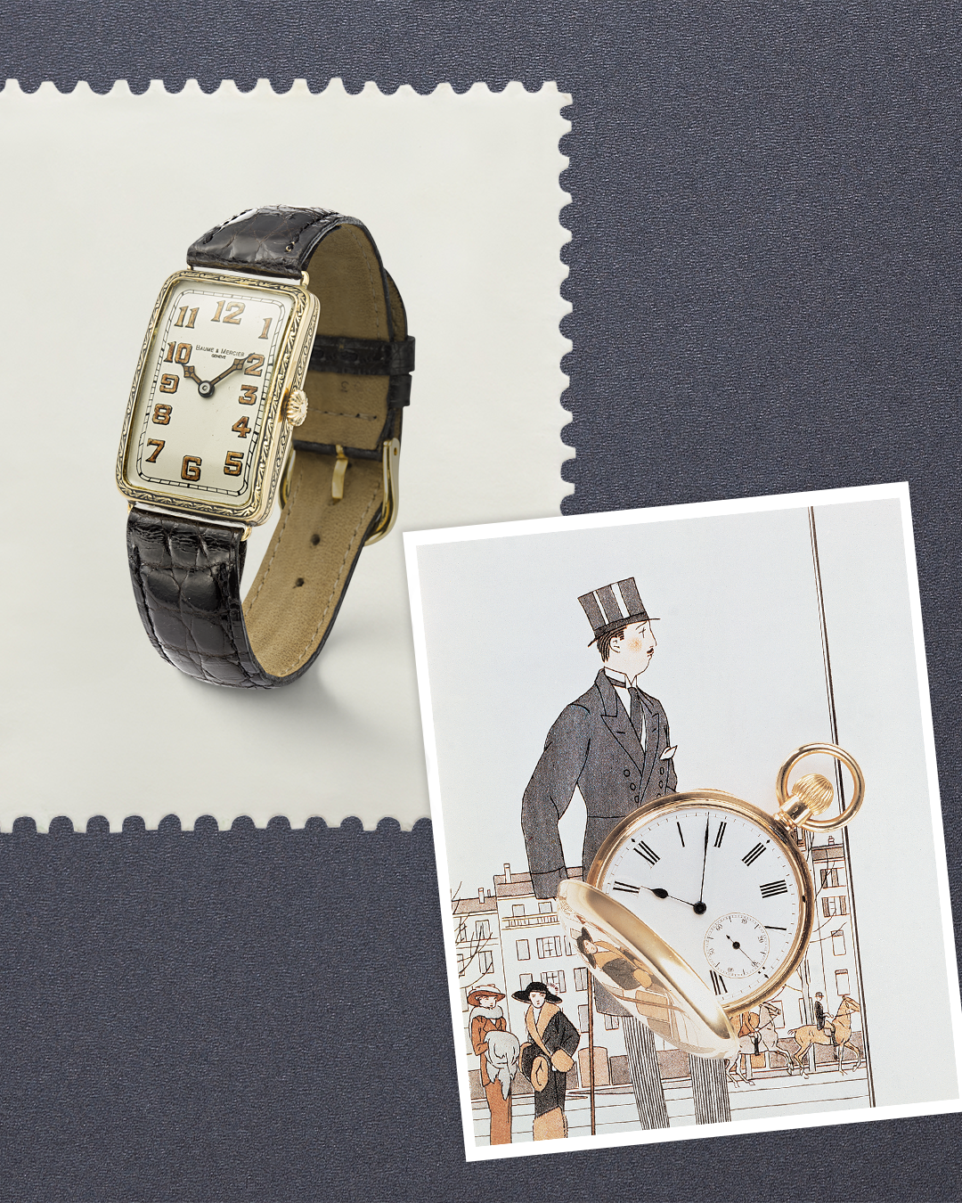
TEXT | The 20s -30s: The genesis of the Maison Our new series celebrates the heritage that shaped Baume & Mercier and the watchmaking industry. Did you know? In the 1920s-30s, our Maison pioneered women's watch-wearing with our "jewelry watches". Timepieces were transformed into symbols of elegance and empowerment, allowing women to showcase their style and independence. Stay tuned to discover more timepieces... -- #BaumeetMercier #FeminineHeritage #Swisswatchmaking #JewelWatches | The 20s -30s: The genesis of the Maison The "Jewelry Watches" are unanimously recognized for their admirable finesse. More jewelry watches to be revealed... -- #BaumeetMercier #FeminineHeritage #Swisswatchmaking #JewelWatches | The 20s -30s: The genesis of the Maison Have you had the chance to see our historic pieces at one of our events? They are the symbol of our legacy, crafted with a unique know-how of our watchmakers. Their unique shape and bijou look make them one of a kind. -- #BaumeetMercier #FeminineHeritage #Swisswatchmaking #JewelWatches | The 20s -30s: The genesis of the Maison William Baume and Paul Mercier founded the Maison, initiating a dialogue between watchmaking expertise and a passion for design, passed down through the decades and collections. -- #BaumeetMercier #Heritagetimepieces #Swisswatchmaking #Shapewatch | $
DATE | MARCH 11TH | MARCH 14TH | MARCH 17TH | MARCH 18TH
FORMAT | Carousel | Static | Carousel | Static
IMAGE | 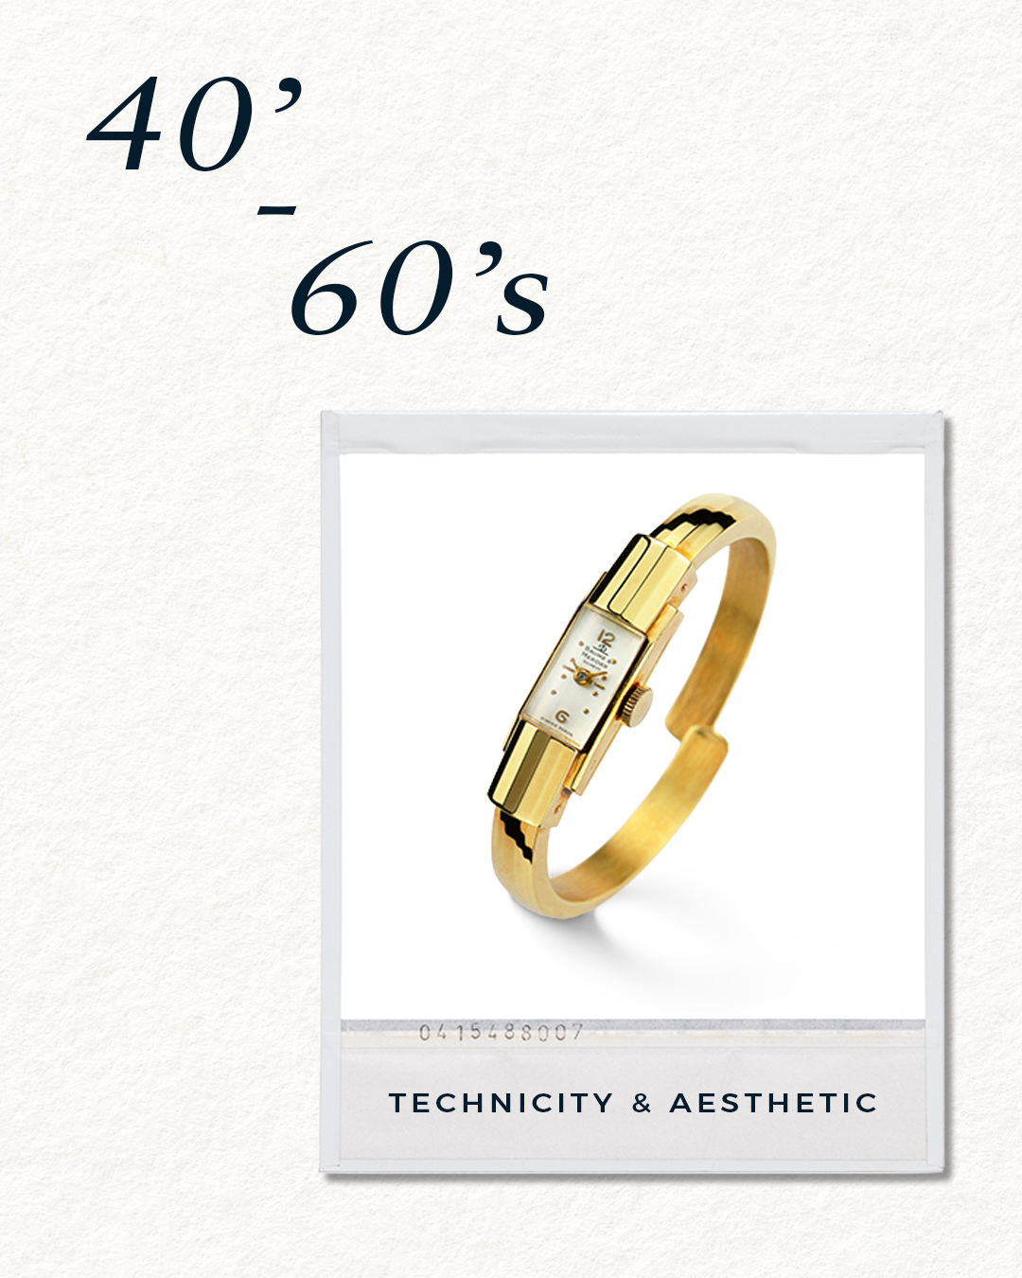 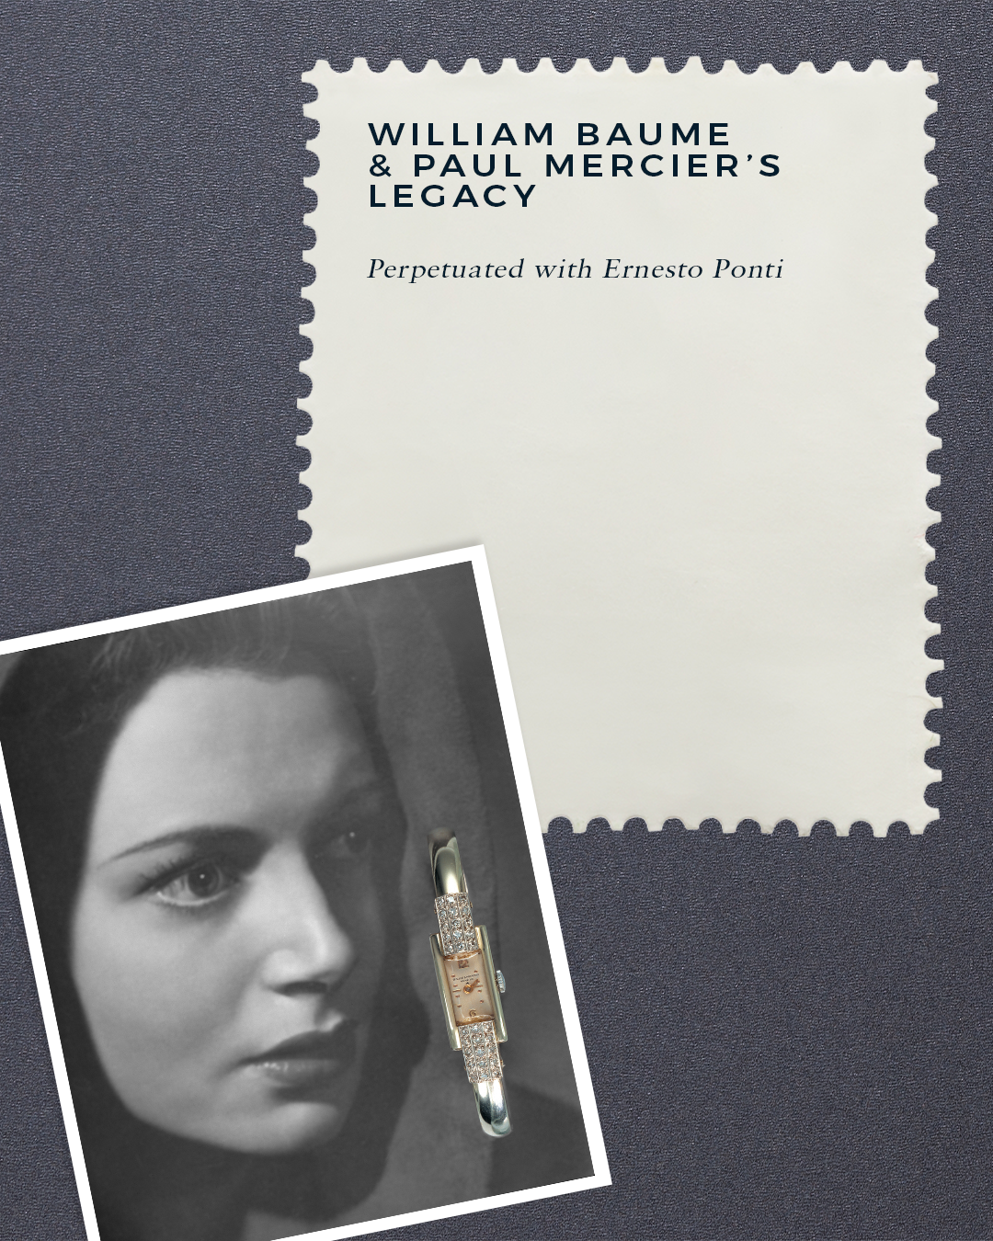 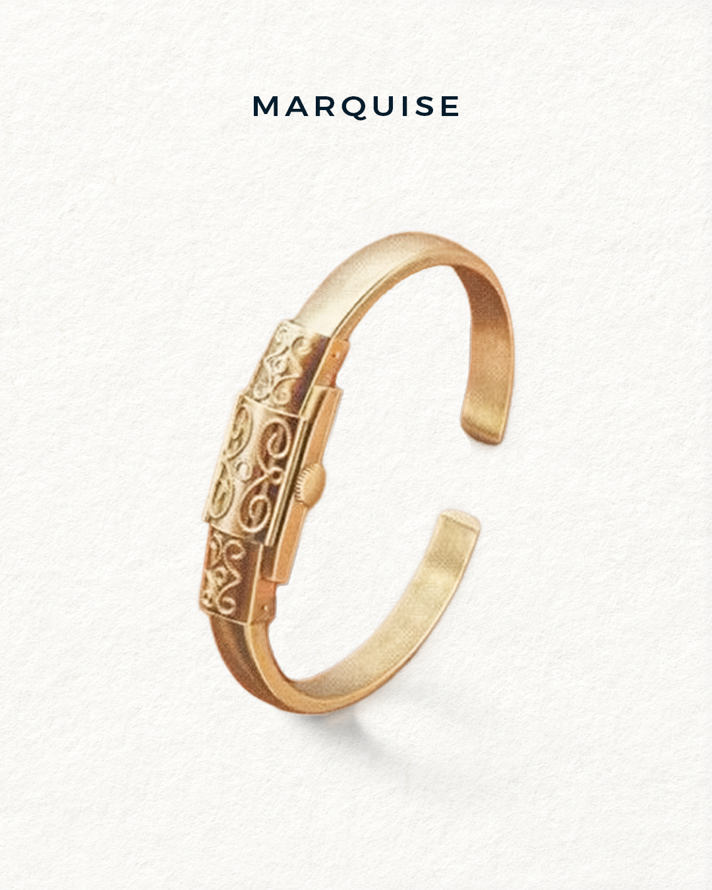 | 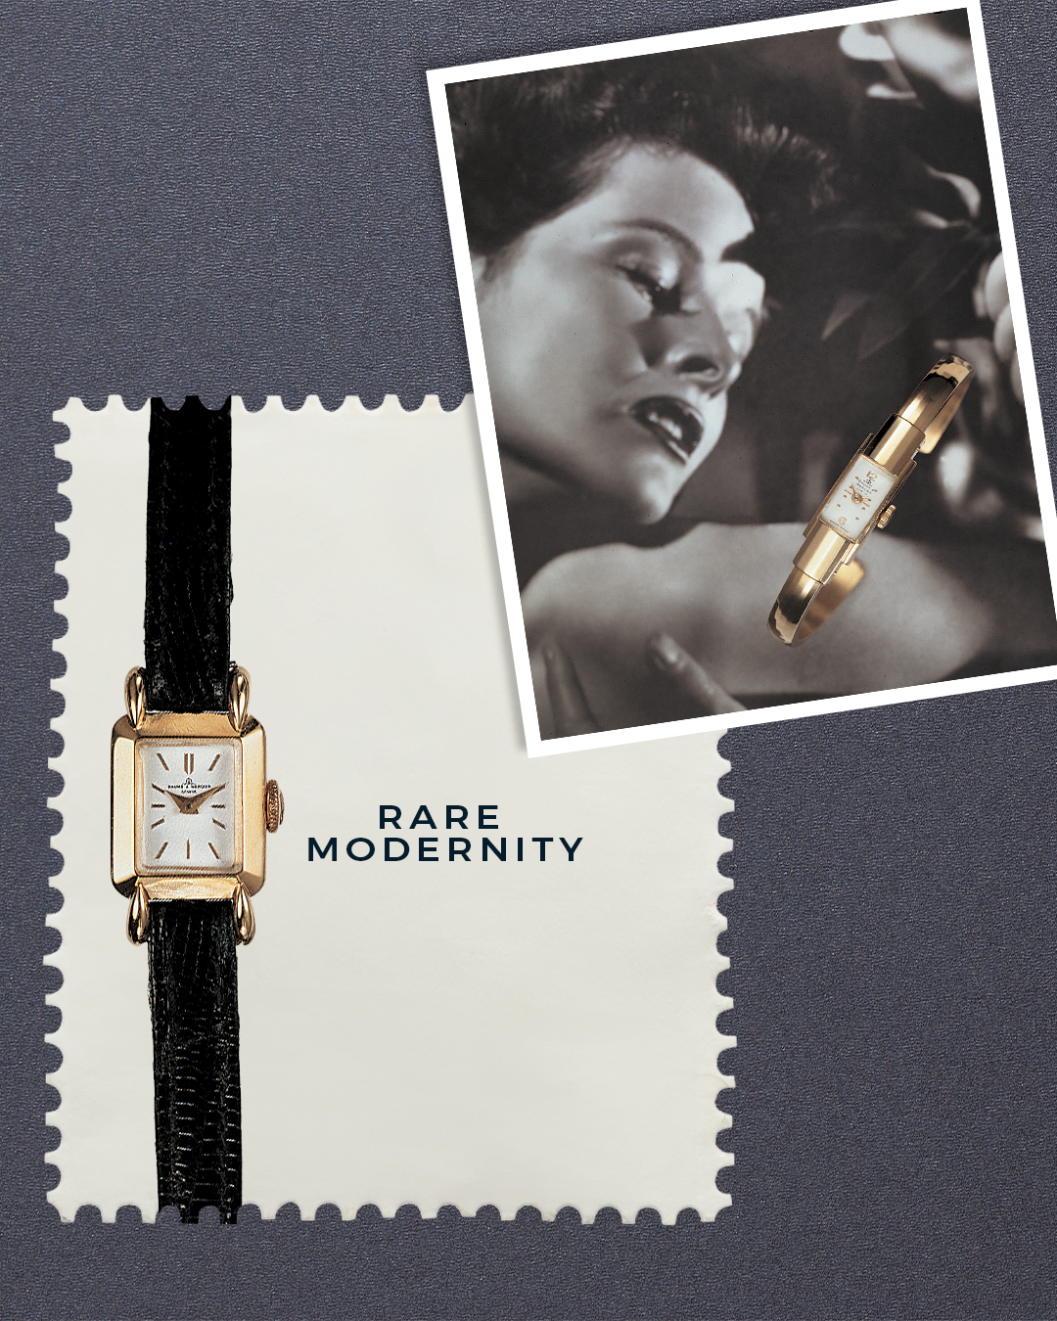 | 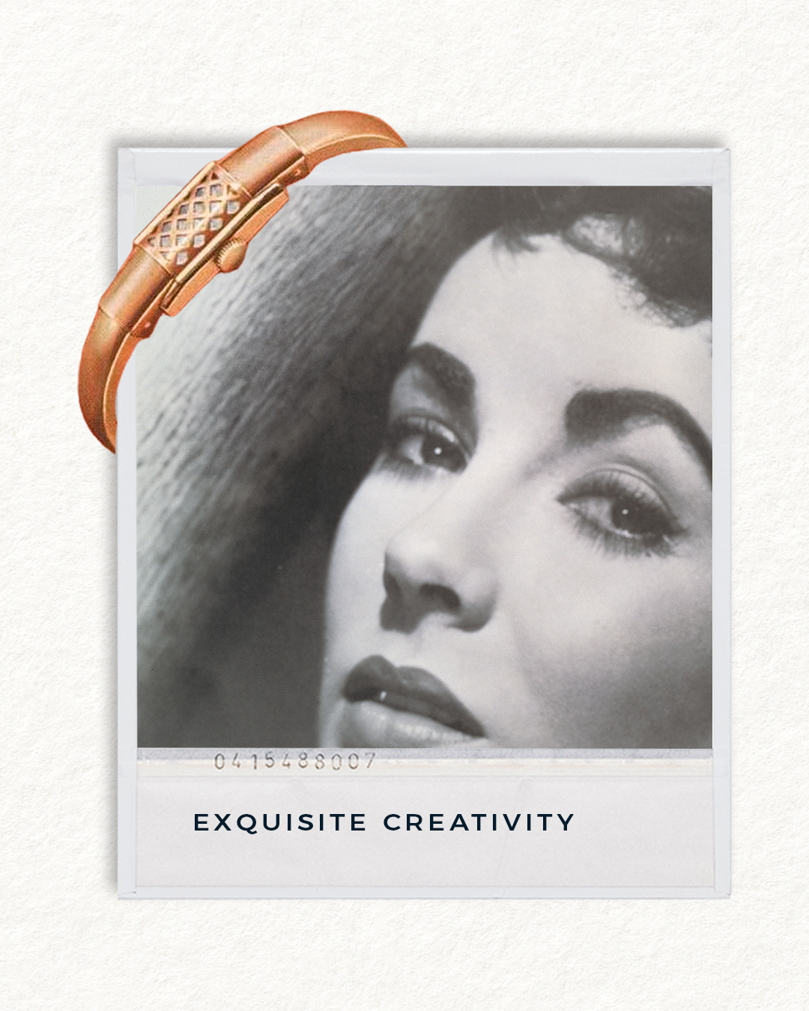 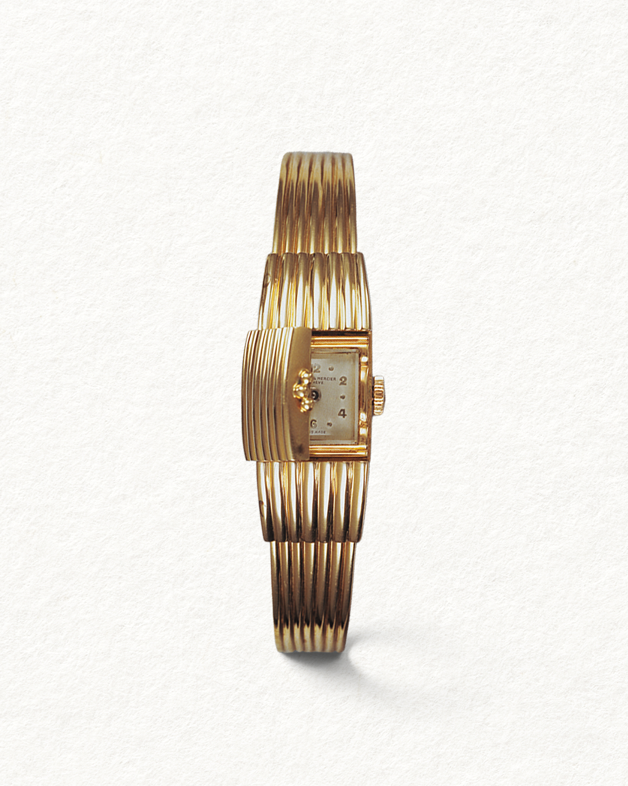 | 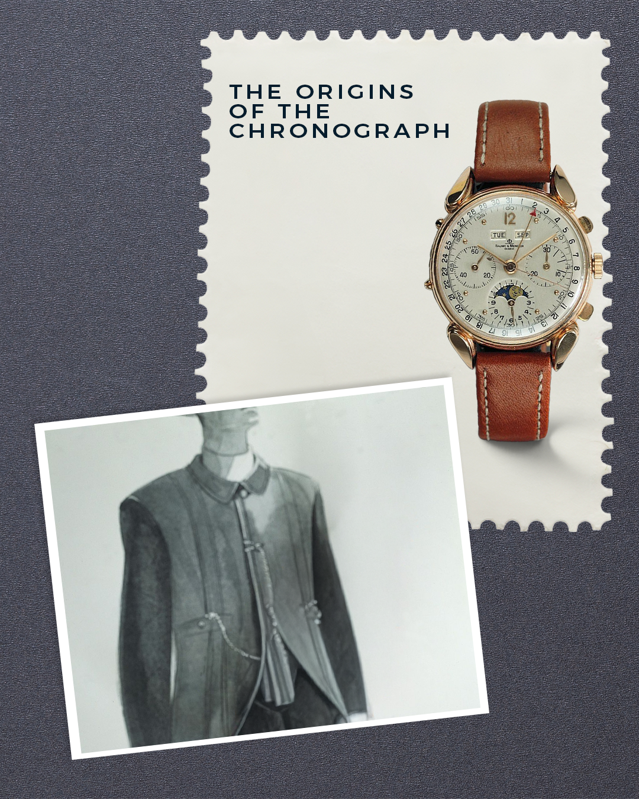
TEXT | The 40-60s: Technicity & Aesthetic In the 1940s-60s, the legacy of William Baume and Paul Mercier was perpetuated as Ernesto Ponti, an italian jeweler, continued the creation of precious watches. The Marquise was created in 1948, and quickly became our best-selling watch until the 1960s, establishing our reputation in the field of ladies' jewel-watches. Comment the Marquise model you like the most: 1, 2 or 3? -- #BaumeetMercier #FeminineHeritage #Swisswatchmaking #Marquisewatch #VintageWatches | The 40-60s: Technicity & Aesthetic At the end of the 1940s, Baume & Mercier launched one of its great successes: the Marquise, a watch creation that revolutionized post-war women's fashion. Carried by this momentum, the Maison created women's watches of exquisite creativity and rare modernity. -- #BaumeetMercier #FeminineHeritage #Swisswatchmaking #Marquisewatch #VintageWatches | The 40-60s: Technicity & Aesthetic The Marquise disruptively proved that a feminine watch is much more than a miniature or re-interpretation of a man's watch. Whether Lépine or savonette caliber, simple or jeweled, the Marquise was the epitome of the jewelry-watch. Which version would you wear, set with gems or with an openwork cover for the dial? Comment your favourite below! -- #BaumeetMercier #FeminineHeritage #Swisswatchmaking #Marquisewatch #VintageWatches | The 40-60s: Technicity & Aesthetic Throughout the 20th century, chronographs were one of Baume & Mercier's great specialties, and have continued to be a focus until today. -- #BaumeetMercier #Chronographs #Swisswatchmaking #LeBrassus #VintageWatches
DATE | MARCH 20TH | MARCH 23RD | MARCH 27TH | MARCH 28TH
FORMAT | Carousel | Static | Static | Static
IMAGE | 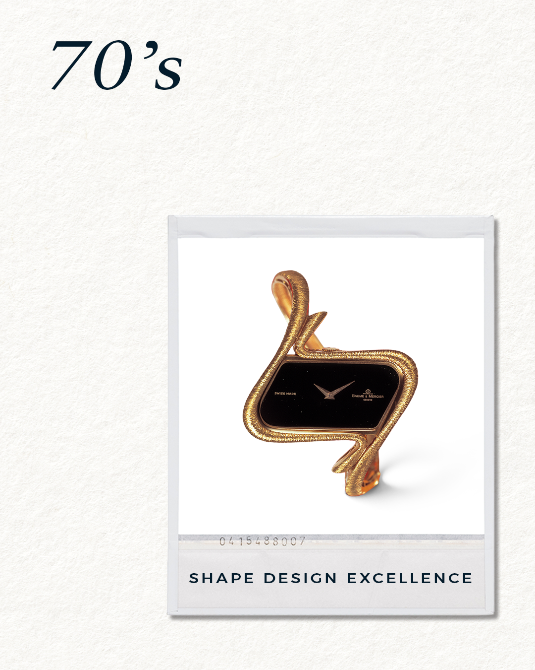 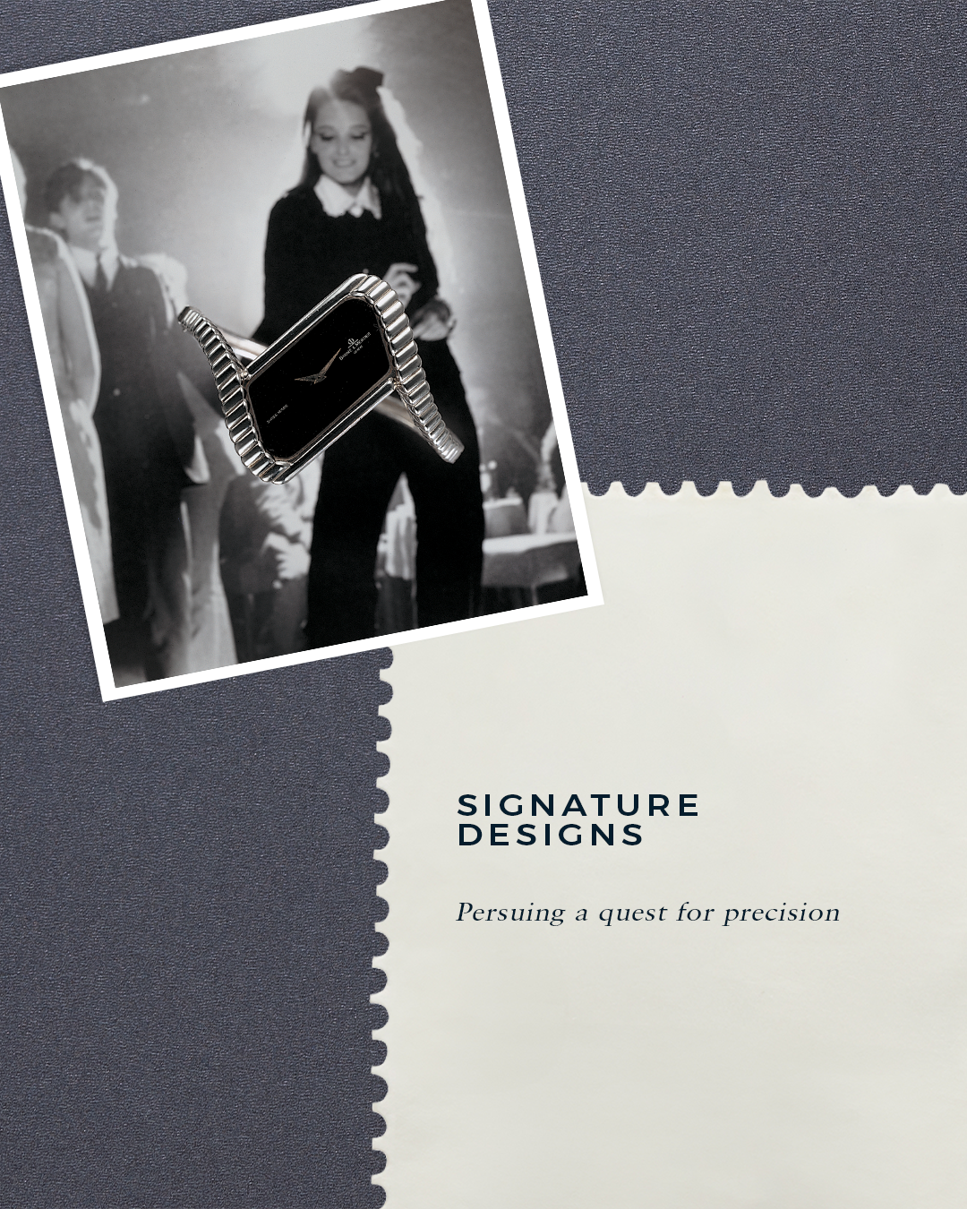 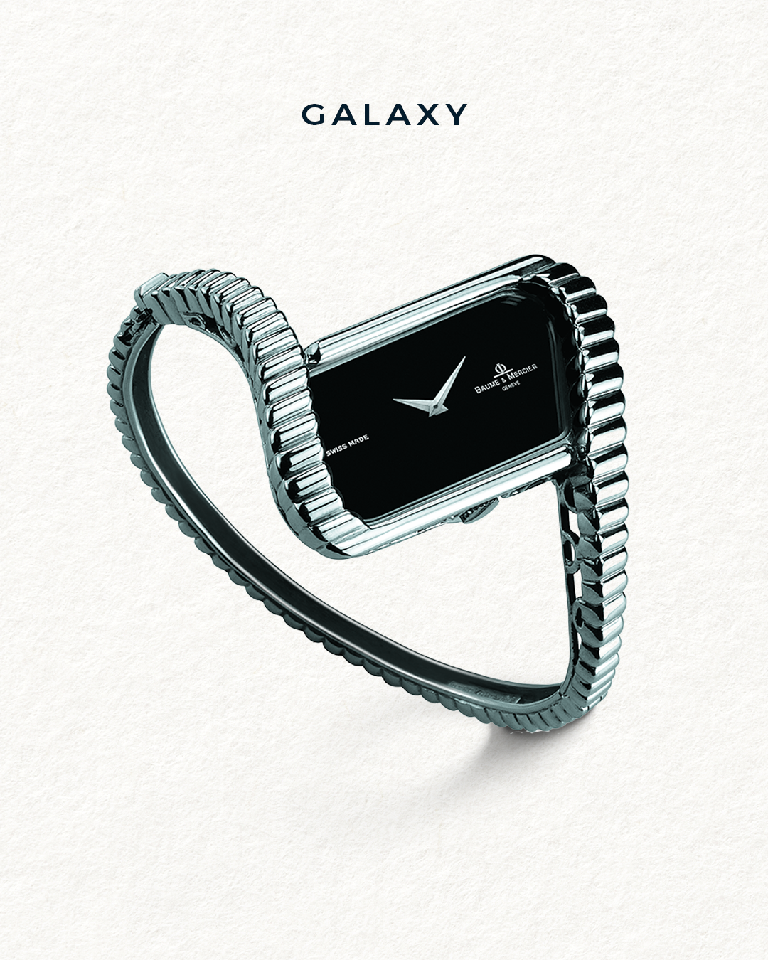 | 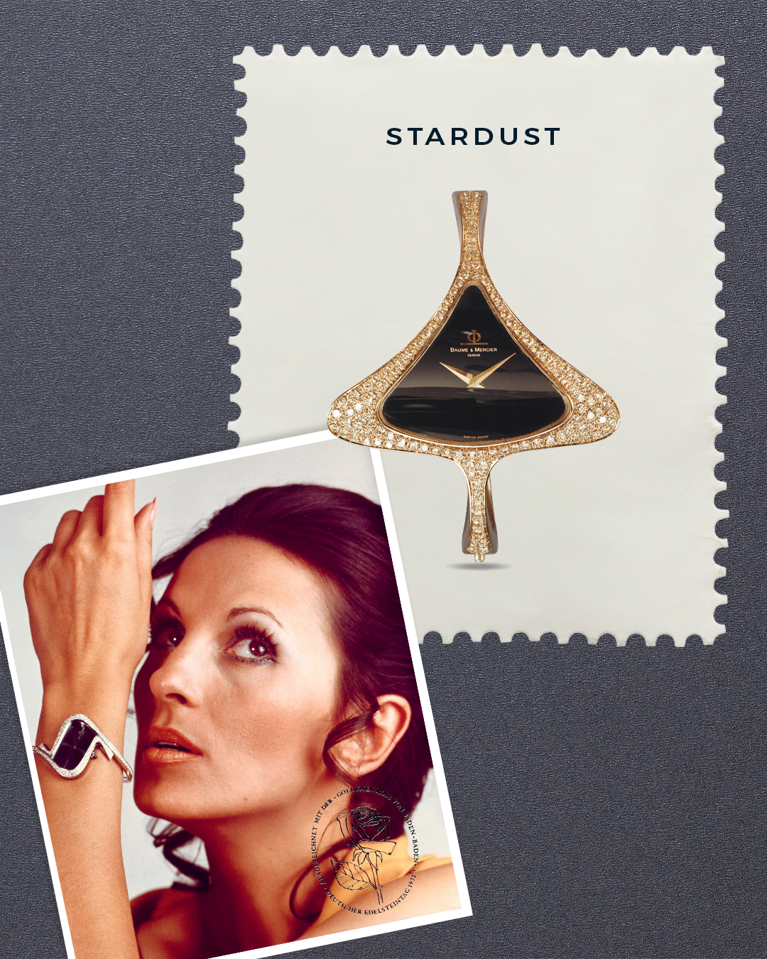 | 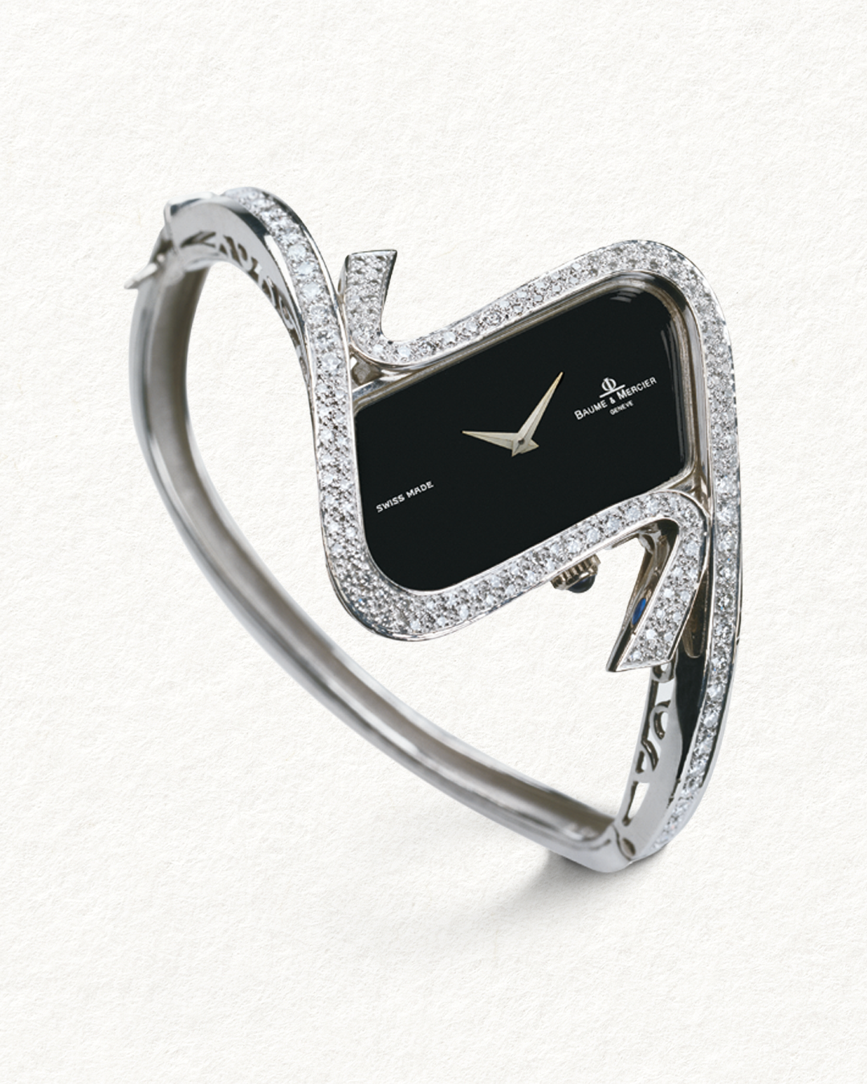 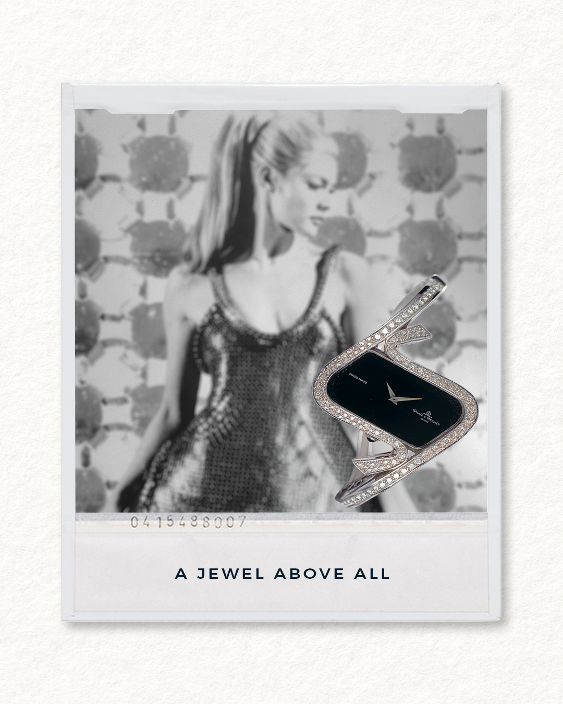 | 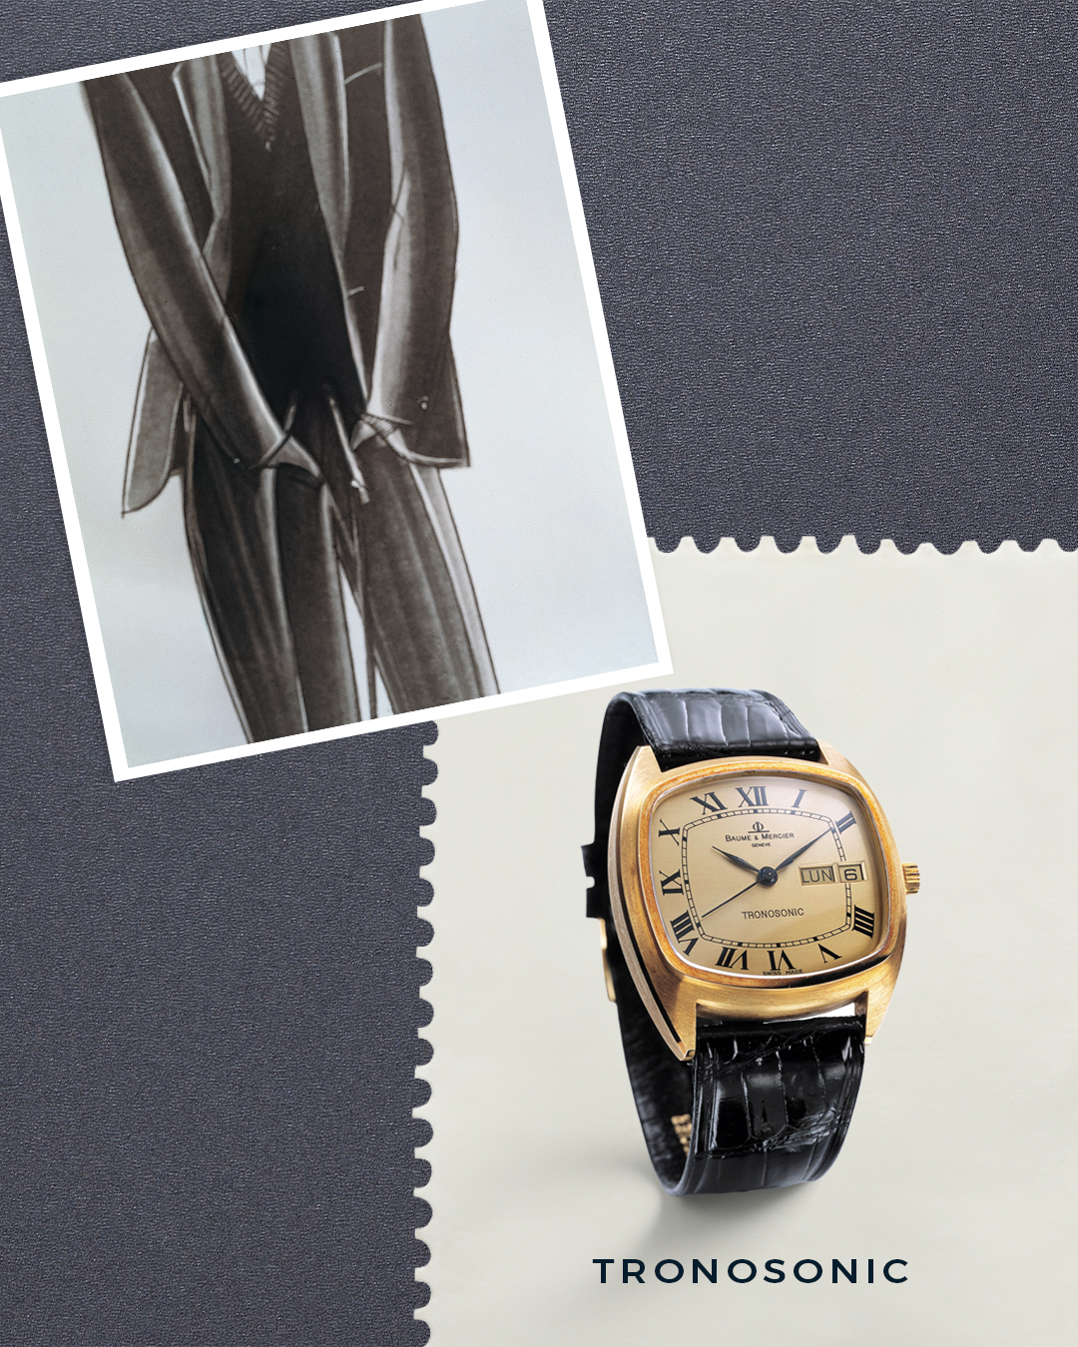
TEXT | The 70s-80s: The pinnacle of shape design From the 70s, the Maison began a decade of signature designs under Ernest Stolz and Jean-François Glauser. The Galaxy design brought a distinctive and modern look while remaining faithful to the original essence of the maison. Stay tuned for our next heritage timepieces. -- #BaumeetMercier #FeminineHeritage #Galaxy #1970s #ShapeWatches | The 70s-80s: The pinnacle of shape design The Stardust and Galaxy models mark the peak of shape design for Baume & Mercier. The era was futuristic, and the Maison adapted its codes to create a series of incredibly daring timepieces. The Stardust, adorned with 138 diamonds and an onyx dial, was honored with the prestigious Rose d'Or of Baden-Baden in 1973. Would you wear it? -- #BaumeetMercier #Galaxy #Stardust #Diamondsetwatches #ShapeWatches #1970s | The 70s-80s: The pinnacle of shape design Extremely refined and a jewel above all, the Galaxie watch featured an asymmetrical case, the ideal elegant accessory to make an impression. Which of the 1970s is your favourite model, Stardust or Galaxy? Let us know in the comments below! -- #BaumeetMercier #FeminineHeritage #Diamondsetwatches #Galaxy #1970s #ShapeWatches | The 70s-80s: The pinnacle of shape design In 1971, our Maison launched the Tronosonic collection with models equipped with tuning fork movements, demonstrating its pioneering spirit and its desire to equip its models with the most efficient technologies of the time, offering a precision that rivals the best mechanical movements of the era. -- #BaumeetMercier #FeminineHeritage #Tronosonic #Galaxy #1970s #ShapeWatches
DATE | MARCH 30TH
FORMAT | Carousel
IMAGE | Teasing W&W
TEXT | April is getting closer, so is Watches and Wonders. Get ready to dive into our universe once again, something is coming. –– #BaumeetMercier #Watches&Wonders #CelebrateWithBaumeetMercier #Novelties
COMMENTS CAMILLE | un peu plus engageing - peut etre plus dans le sens d'une question - As we are getting ready for this year's Watches and Wonders, what would you like to see on Baume & Mercier's Booth? We'd love to see you there! ou un truc du genre

