APRIL
Date | April 1st - VIDEO | April 1st - CARROUSEL | April 2nd - VIDEO | April 2nd - VIDEO | April 3rd - CARROUSEL
Image | 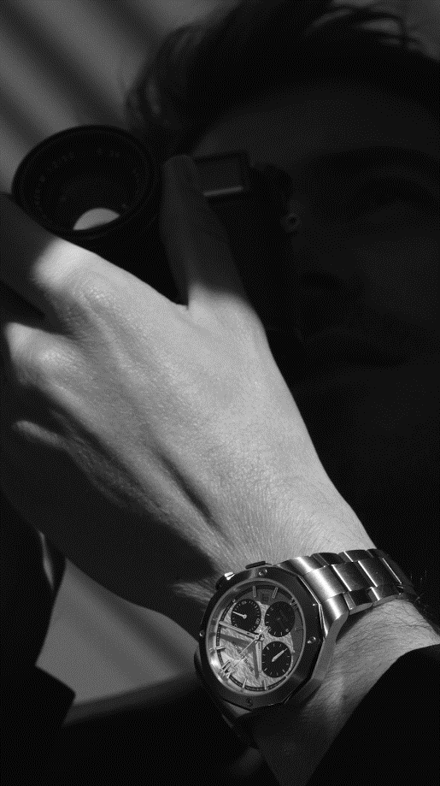 |  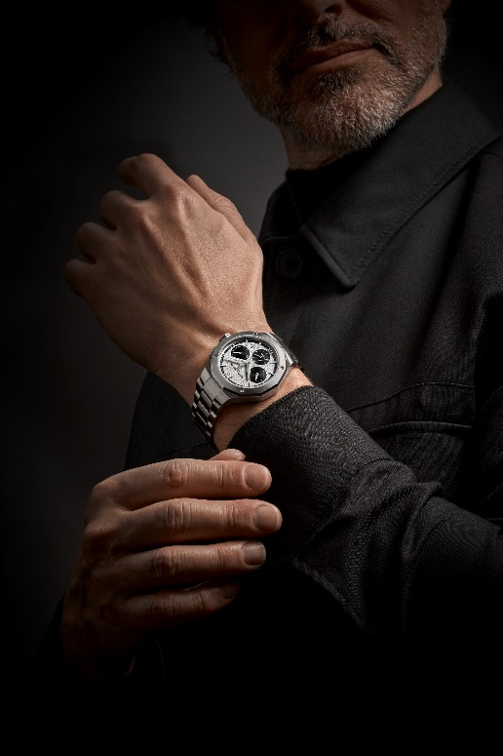 | REEL VIDEO SHOT ON BOOTH DURING THE WEEK - WILL BE UPLOADED DURING THE WEEK ON THE NEWSROOM | 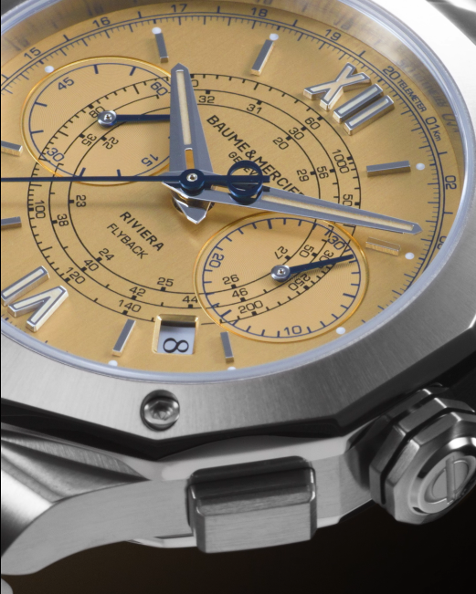 |  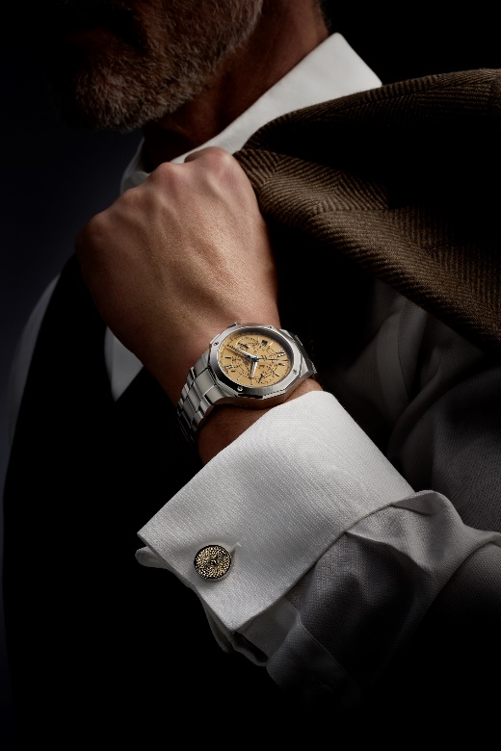
Text | This year at Watches & Wonders, it's all about "The Art of Balance", where form, function and heritage come together. We use our expertise in form design to create captivating timepieces and introduce practicality with features such as a new version of our Riviera Chronograph. Balancing the notions of "chronos" and "kairos," our new Riviera Chrono Black & White lets you measure time with precision for all moments of action, while reminding you to savor every moment. It's about finding harmony in every day and celebrating the beauty of life's special moments. -- #BaumeEtMercier #TheArtOfBalance #Form #Function #Heritage #Riviera #Since73 #WatchesAndWonders2025 #WWG25 #WatchesOfInstagram #InstaWatch #WatchOfTheDay #LuxuryTimepiece | The new Riviera Chrono Black & White: where precision meets style. Our new chronograph in 41mm is designed to master time in its finest form. Full of contrasts, this chronograph features a white dial with a distinctive wave pattern, bordered by a black outer flange. -- #BaumeEtMercier #TheArtOfBalance #Form #Function #Heritage #Riviera #Since73 #WatchesAndWonders2025 #WWG25 #WatchesOfInstagram #InstaWatch #WatchOfTheDay #LuxuryTimepiece |  | Inspired by our heritage, the Flyback Chronograph is a timepiece merging a vintage touch with modern flair. The Riviera 10828 Flyback Chronograph featuring a flyback function, telemeter, tachymeter, and a beautifully crafted luminous gilded brushed vertical dial contrasted with blue counter hands. Vintage vibes, modern mechanics, this timepiece celebrates the timeless elegance of Baume & Mercier. -- #BaumeEtMercier #TheArtOfBalance #Form #Function #Heritage #Riviera #Since73 #WatchesAndWonders2025 #WWG25 #WatchesOfInstagram #InstaWatch #WatchOfTheDay #LuxuryTimepiece | Throwback time! Our Flyback Chronograph echoes the golden age of Baume & Mercier chronographs from the 1950s. This limited edition of just 73 timepieces – a number that pays tribute to the launch year of the Riviera collection, 1973 – embodies the quintessence of the chronograph. -- #BaumeEtMercier #TheArtOfBalance #Form #Function #Heritage #Riviera #Since73 #WatchesAndWonders2025 #WWG25 #WatchesOfInstagram #InstaWatch #WatchOfTheDay #LuxuryTimepiece | $

Date | April 3rd - CARROUSEL ou STATIC | April 4th MATIN -VIDEO | April 4th MATIN -STATIC | April 5th - VIDEO | April 5th - CARROUSEL
Image | MISSING ASSETS | 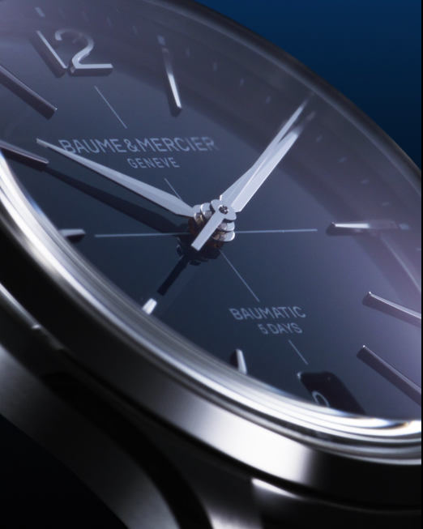 |  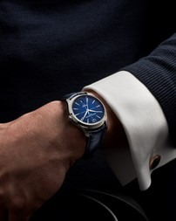 | REEL VIDEO SHOT ON BOOTH DURING THE WEEK - WILL BE UPLOADED DURING THE WEEK ON THE NEWSROOM |  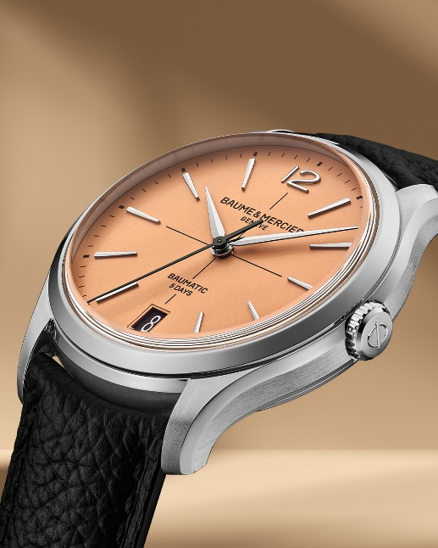
Text | Riviera Chronograph: Black or Blue? Small size, big impact. Our new chronographs are downsized to 41mm for ultimate comfort and a nod to vintage timepieces. Choose your favorite and experience the perfect fit. -- #BaumeEtMercier #TheArtOfBalance #Form #Function #Heritage #Riviera #Since73 #WatchesAndWonders2025 #WWG25 #WatchesOfInstagram #InstaWatch #WatchOfTheDay #LuxuryTimepiece | Elegance redefined. The new Clifton is a tribute to our legacy in dress watches that has started in the 1950's under the claim "Finely Crafted". The new Clifton features a redesigned case, a wider date display at 6 o'clock and an integrated crown for a more refined aesthetic, while keeping its signature gradient dial, and Baumatic manufacture movement. Time for a wristcheck! -- #BaumeEtMercier #TheArtOfBalance #Form #Function #Heritage #Clifton #WatchesAndWonders2025 #WWG25 #WatchesOfInstagram #InstaWatch #WatchOfTheDay #LuxuryTimepiece | Finesse reigns supreme: the refinement of the Clifton collection extends to every detail. The Clifton Baumatic 10771 features a gradient blue dial, rhodium-plated indexes, and a comfortable 39mm case. The Clifton collection beautifully demonstrates the perfect balance of contemporary and classic inspiration in a timepiece. -- #BaumeEtMercier #TheArtOfBalance #Form #Function #Heritage #Clifton #WatchesAndWonders2025 #WWG25 #WatchesOfInstagram #InstaWatch #WatchOfTheDay #LuxuryTimepiece |  | A touch of retro for you wrist? The new Clifton with a bright opaline salmon-hued dial sculpts each hour and calendar indication. This shade has a vintage charm filled with softness and warmth that was very sought-after in the 1930s and 1940s Pick this timepiece and explore the unlimited retro look with two interchangeable straps. Limited to 350 pieces. -- #BaumeEtMercier #TheArtOfBalance #Form #Function #Heritage #Clifton #WatchesAndWonders2025 #WWG25 #WatchesOfInstagram #InstaWatch #WatchOfTheDay #LuxuryTimepiece
Date | April 6th - STATIC | April 6th - STATIC | April 7th MATIN | April 7th MIDI | April 5th APREM
Image | 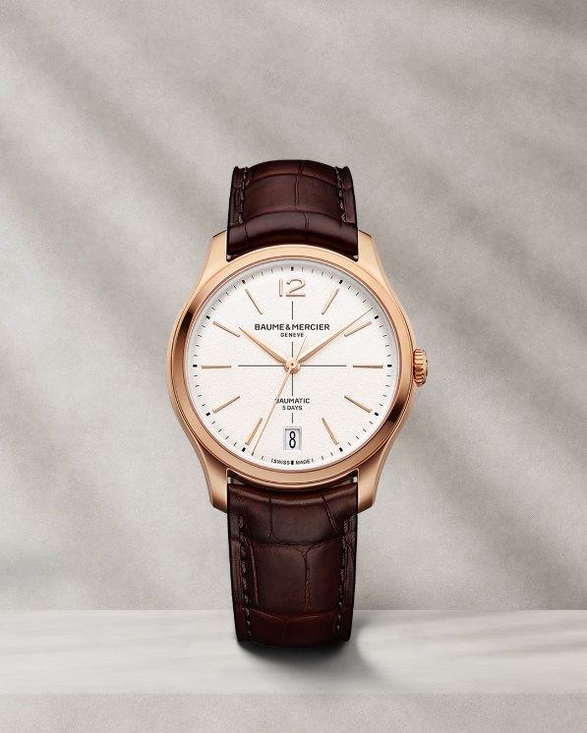 |  | 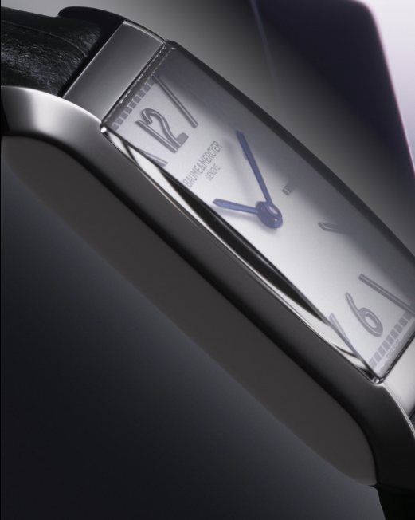 |  | REEL VIDEO SHOT ON BOOTH DURING THE WEEK - WILL BE UPLOADED DURING THE WEEK ON THE NEWSROOM
Text | Radiance and warmth. The new gold Clifton features a subtle off-white hue and a grained finish, adding depth and texture to the dial. With a diameter of 39 mm and a thickness of 11.22 mm, the iconic domed round case is crafted in satin-finished rose gold (750/1000). The perfect timepiece for unforgettable moments. -- #BaumeEtMercier #TheArtOfBalance #Form #Function #Heritage #Clifton #WatchesAndWonders2025 #WWG25 #WatchesOfInstagram #InstaWatch #WatchOfTheDay #LuxuryTimepiece | Golden moments. The new gold Clifton: the epitome of a dress watch for your most special celebrations. It is created for the modern man: an aesthete, a lover of beautiful things and fine craftsmanship who is captivated by an elegance and refinement that traces its roots back to the 1950s. -- #BaumeEtMercier #TheArtOfBalance #Form #Function #Heritage #Clifton #WatchesAndWonders2025 #WWG25 #WatchesOfInstagram #InstaWatch #WatchOfTheDay #LuxuryTimepiece | The Hampton 10795 marks the return of a Hampton Classique, echoing the elegance of the first Hampton family born in 1994. From the silvery opaline dial to the blue spinel cabochon crown, every detail enhances its distinctive wrist presence. -- #BaumeEtMercier #TheArtOfBalance #Form #Function #Heritage #Hampton #WatchesAndWonders2025 #WWG25 #WatchesOfInstagram #InstaWatch #WatchOfTheDay #LuxuryTimepiece | From the silvery opaline dial to the blue spinel cabochon crown, every detail enhances its distinctive wrist presence.

