SEPTEMBER
Date | SEPTEMBER 3rd | SEPTEMBER 5th | SEPTEMBER 7th | SEPTEMBER 9th | SEPTEMBER 12th
Image |  |  3.09_10827.jpg | 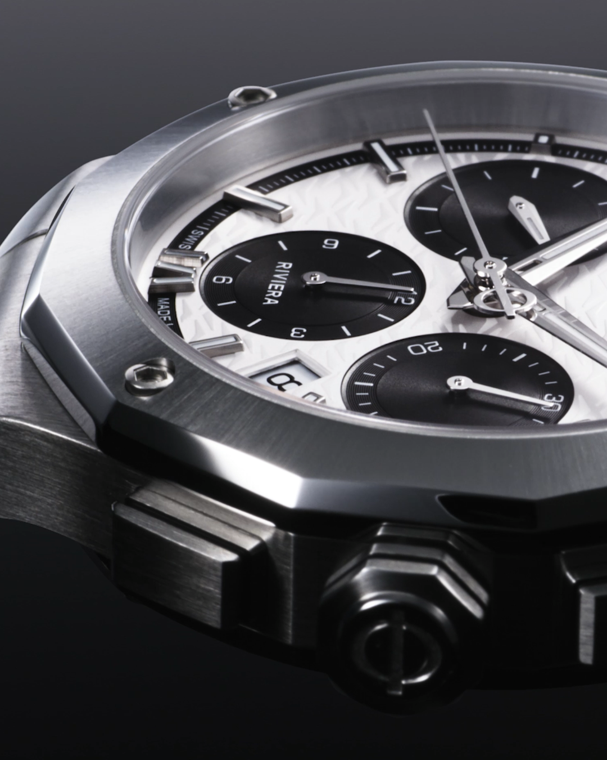 10827 |  10827 | 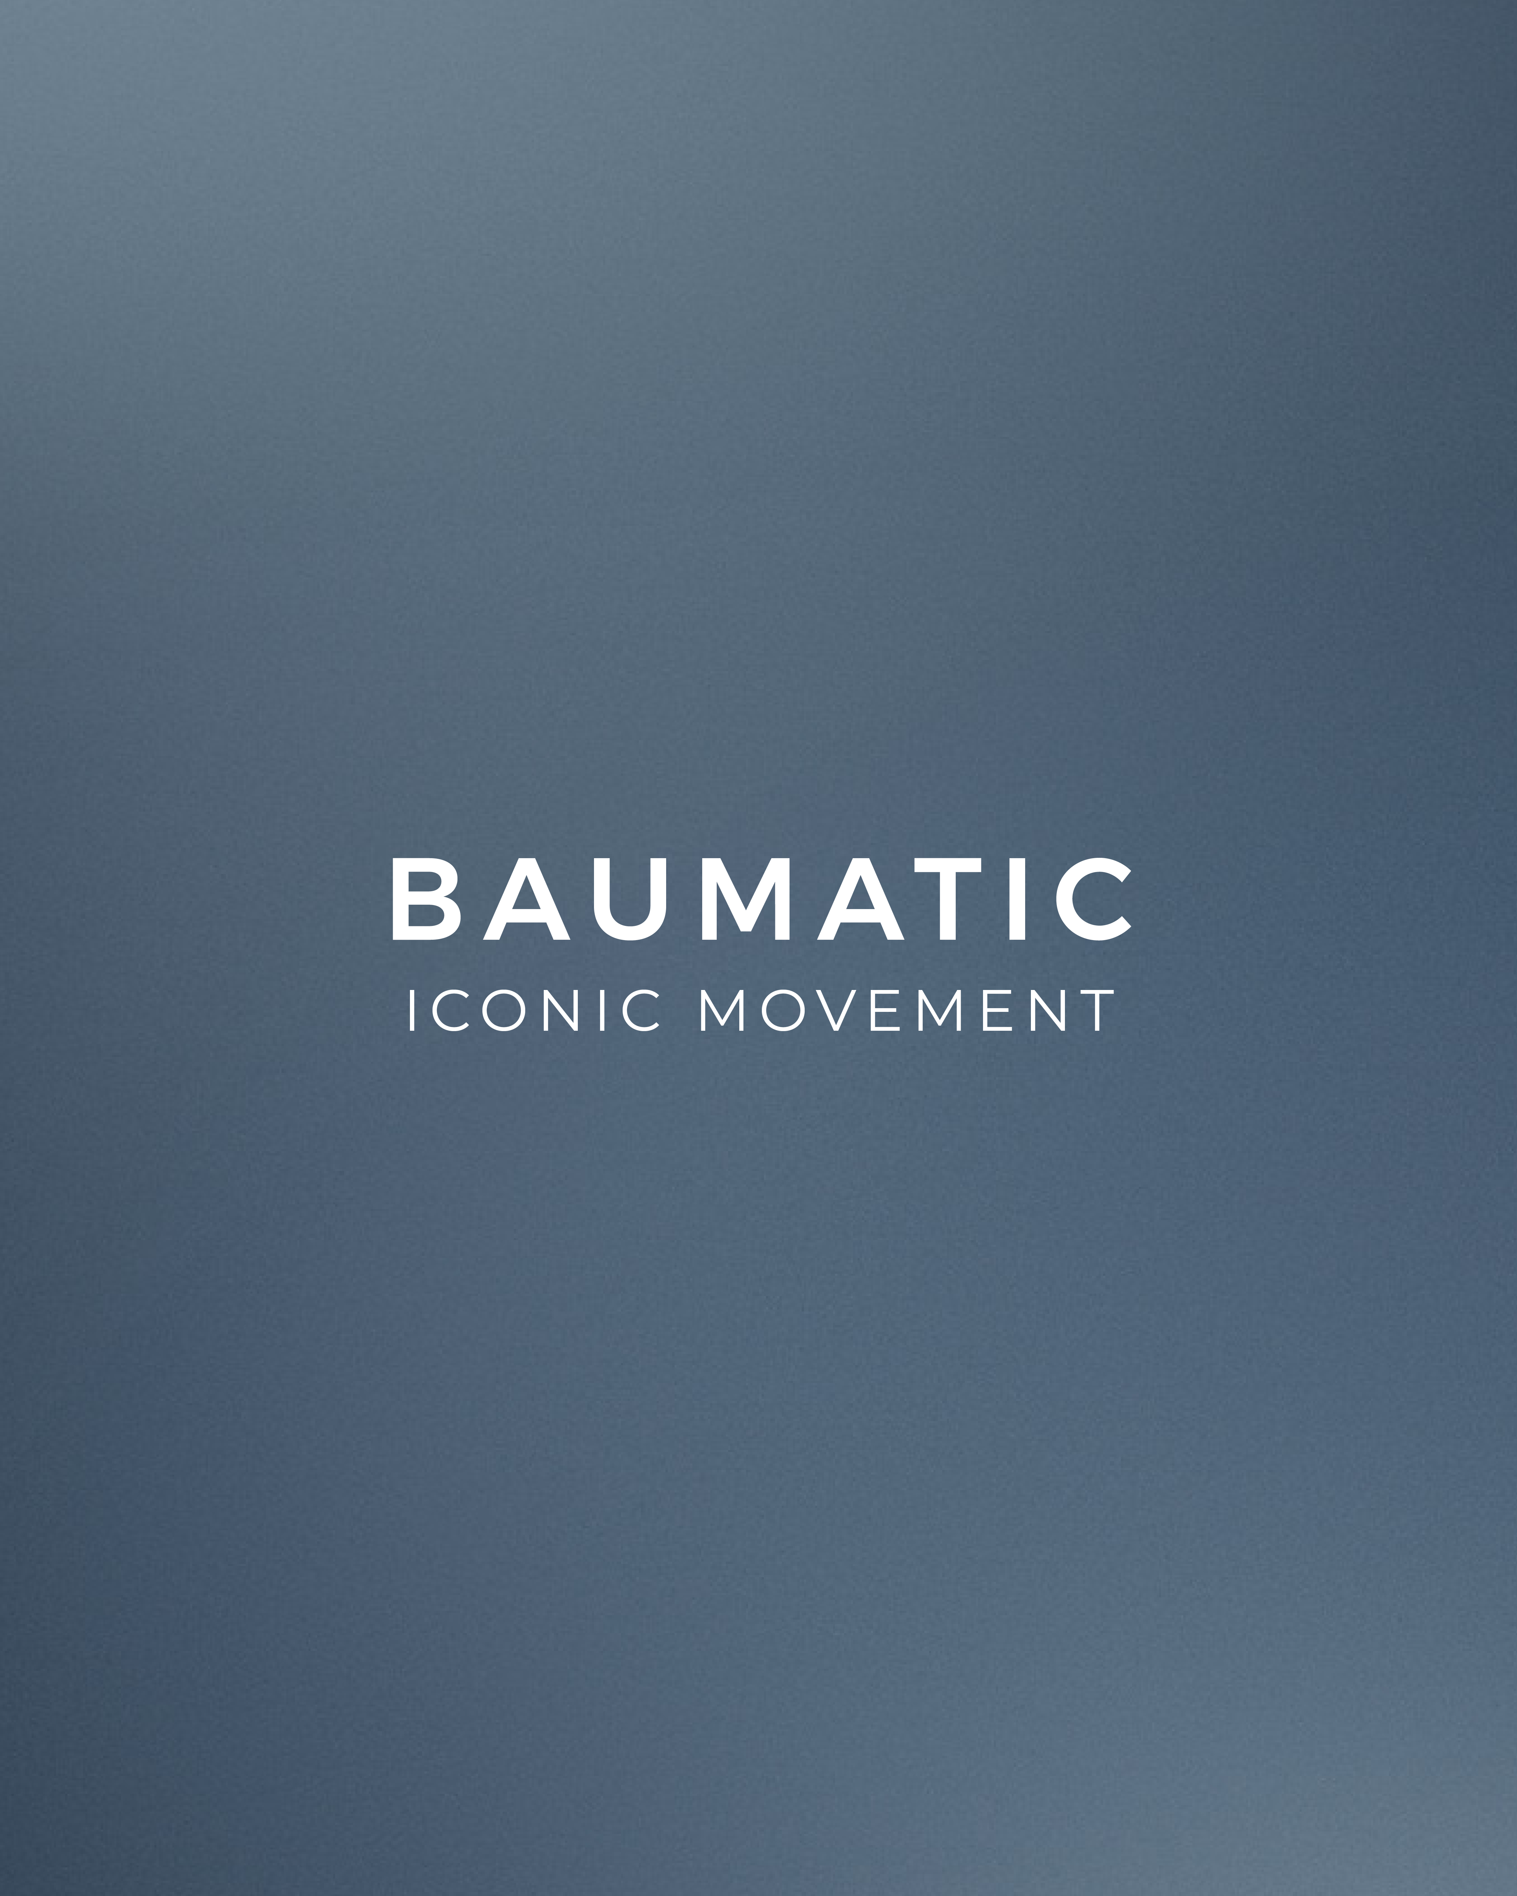 Baumatic
Text | From chronometry competitions to the modern wrist. Baume & Mercier's legacy of chronograph excellence spans nearly two centuries. Discover the new Riviera Chronograph, a testament to our heritage of precision and innovation. -- Riviera 10827 41 mm, Automatic, Chronograph, Stainless steel case, Opaline, Sunray dial, Date aperture, 2 days Power Reserve, Fast Strap technology - Interchangeable strap system. -- #BaumeEtMercier #TheArtOfBalance #Form #Function #Heritage #Riviera #Since73 #WatchesOfInstagram #InstaWatch #WatchOfTheDay #LuxuryTimepiece | Balance in motion. The new Riviera Chronograph's striking black and white dial captures the beauty of life's contrasts. A 1950s-inspired design for the modern man who appreciates harmony and style. -- Riviera 10827 41 mm, Automatic, Chronograph, Stainless steel case, Opaline, Sunray dial, Date aperture, 2 days Power Reserve, Fast Strap technology - Interchangeable strap system. -- #BaumeEtMercier #TheArtOfBalance #Form #Function #Heritage #Riviera #Since73 #WatchesOfInstagram #InstaWatch #WatchOfTheDay #LuxuryTimepiece | The new Riviera Chronograph adapts to your style with its easy-to-change strap system. From stainless steel elegance to sporty rubber, customize your look in seconds. -- Riviera 10827 41 mm, Automatic, Chronograph, Stainless steel case, Opaline, Sunray dial, Date aperture, 2 days Power Reserve, Fast Strap technology - Interchangeable strap system. -- #BaumeEtMercier #TheArtOfBalance #Form #Function #Heritage #Riviera #Since73 #WatchesOfInstagram #InstaWatch #WatchOfTheDay #LuxuryTimepiece | The new Riviera Chronograph's dodecagonal case and bezel echo the sculptural relief of the French Riviera. A bold design that reflects the power of each moment. -- Riviera 10827 41 mm, Automatic, Chronograph, Stainless steel case, Opaline, Sunray dial, Date aperture, 2 days Power Reserve, Fast Strap technology - Interchangeable strap system. -- #BaumeEtMercier #TheArtOfBalance #Form #Function #Heritage #Riviera #Since73 #WatchesOfInstagram #InstaWatch #WatchOfTheDay #LuxuryTimepiece | The Baumatic movement by Baume & Mercier is engineered for accuracy and reliability, exceeding industry standards. Discover the difference of a timepiece crafted with meticulous attention to detail since 1830. -- #BaumeetMercier #Baumatic #ShapingTime #DailyWatch #Watches #Watch #InstaWatch #WatchOfTheDay #WatchesOfInstagram #WatchLover #WatchCollector #LuxuryWatch #InstaWatch #Style #Elegant #WristWatch #Timepiece #WatchMaking #InstaWatches | $
Date | SEPTEMBER 15th | SEPTEMBER 18th | SEPTEMBER 21st | SEPTEMBER 24th | SEPTEMBER 27th (CAROUSEL)
Image | 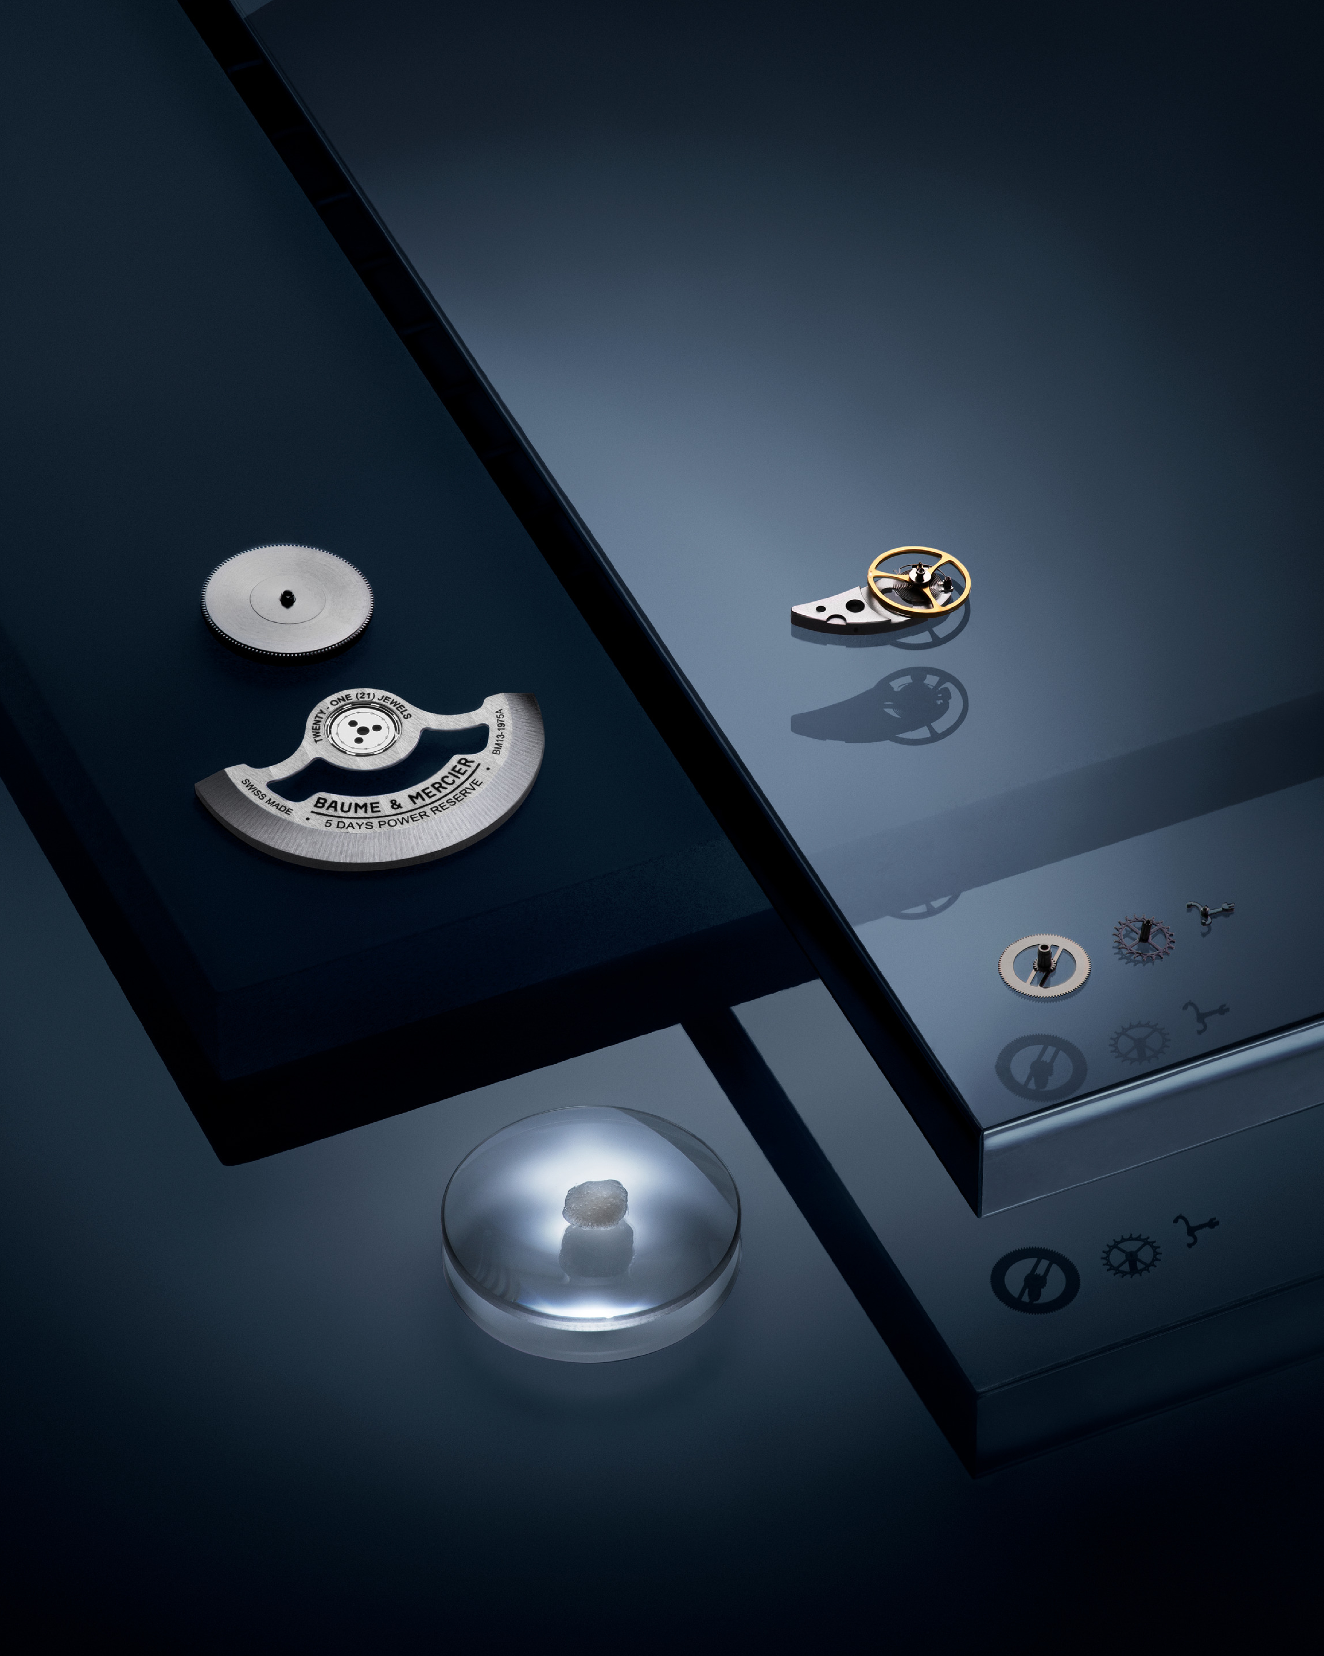 Baumatic | 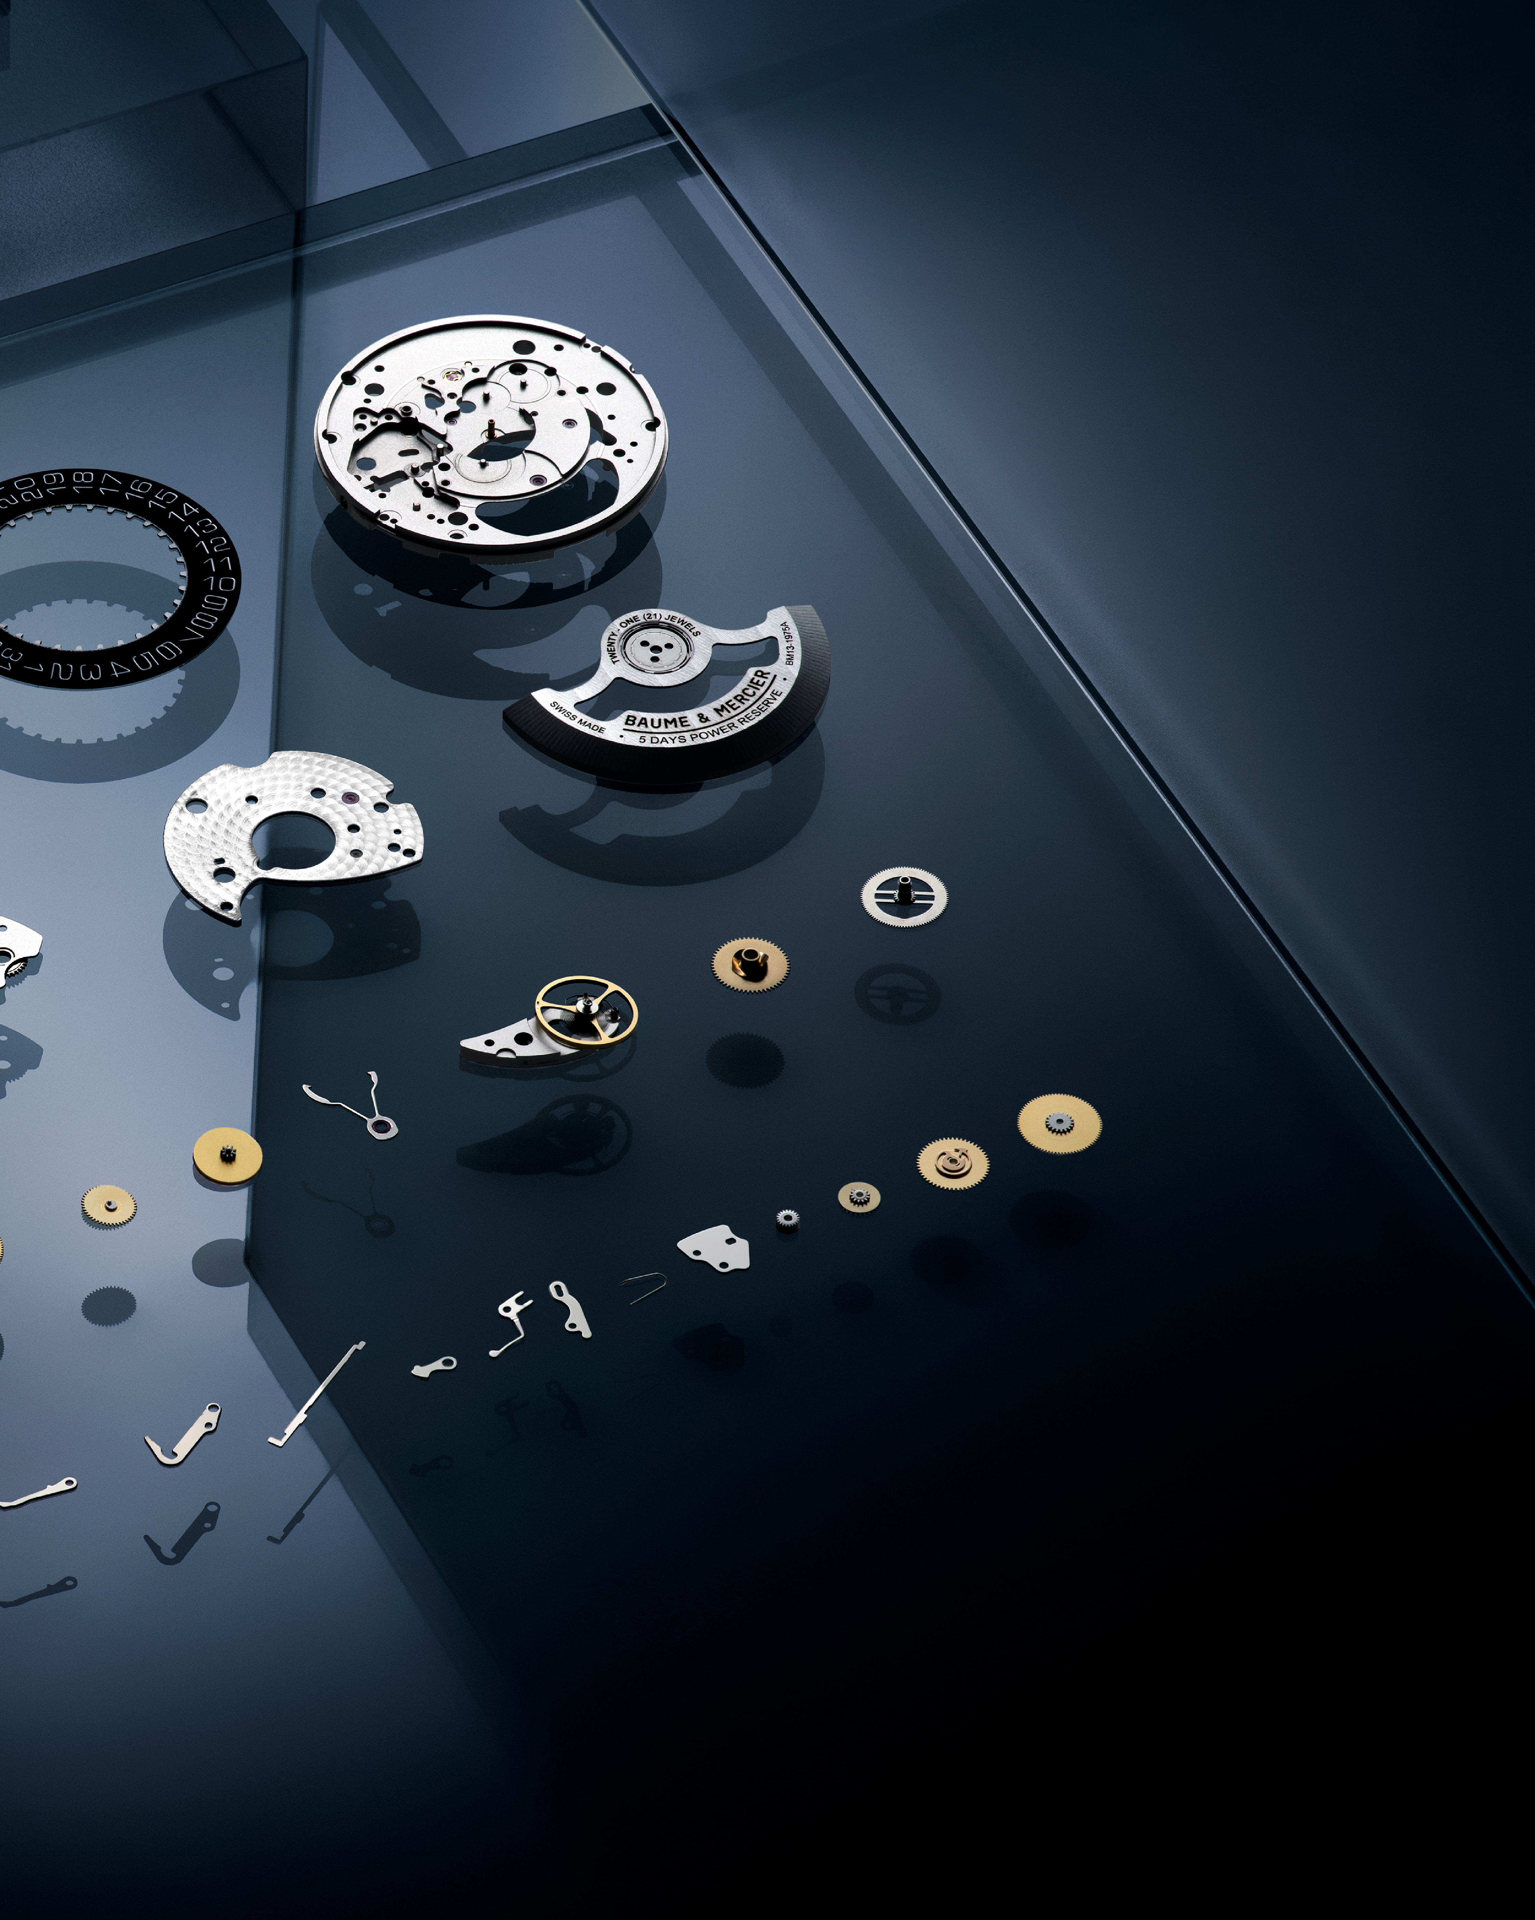 Baumatic | 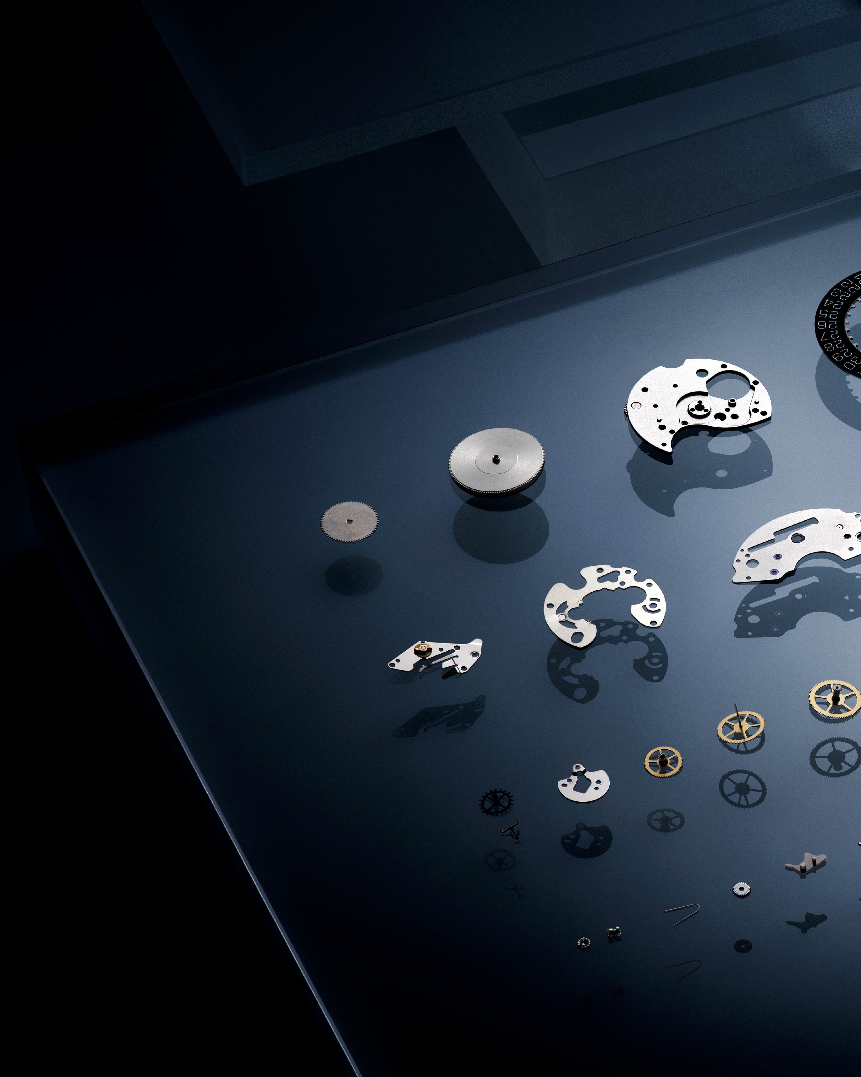 Baumatic | 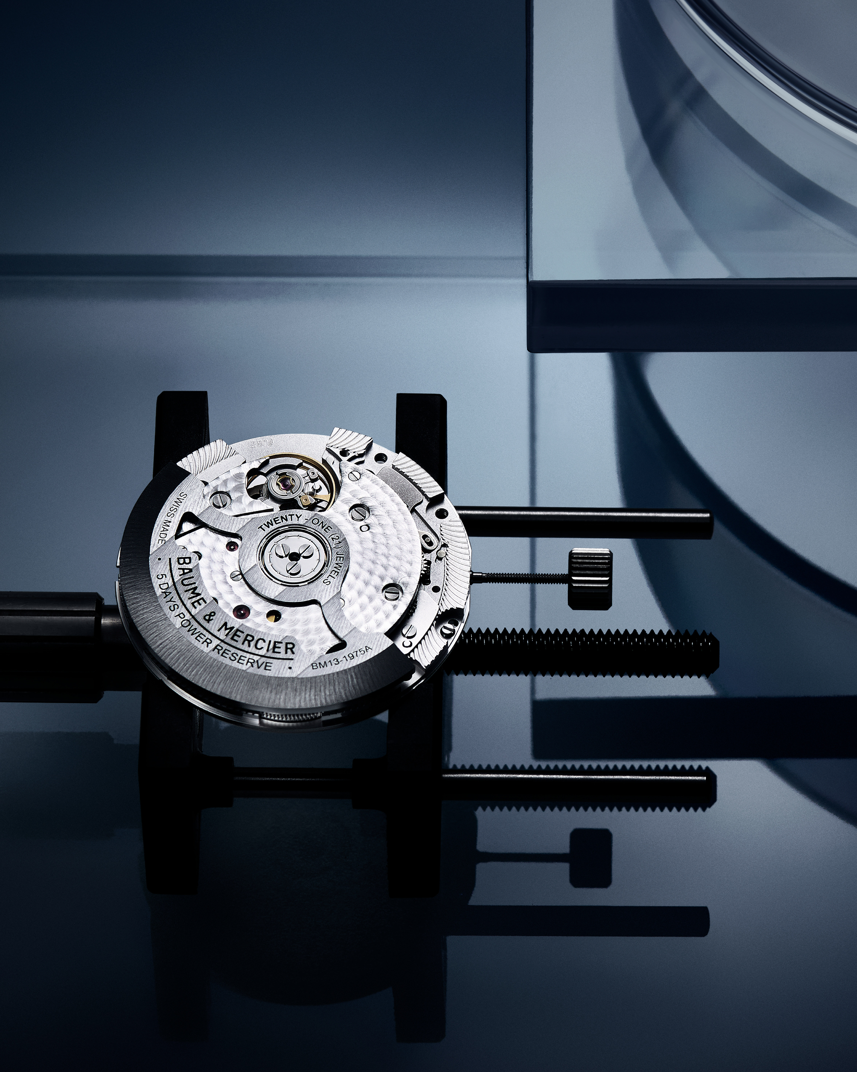 Baumatic | 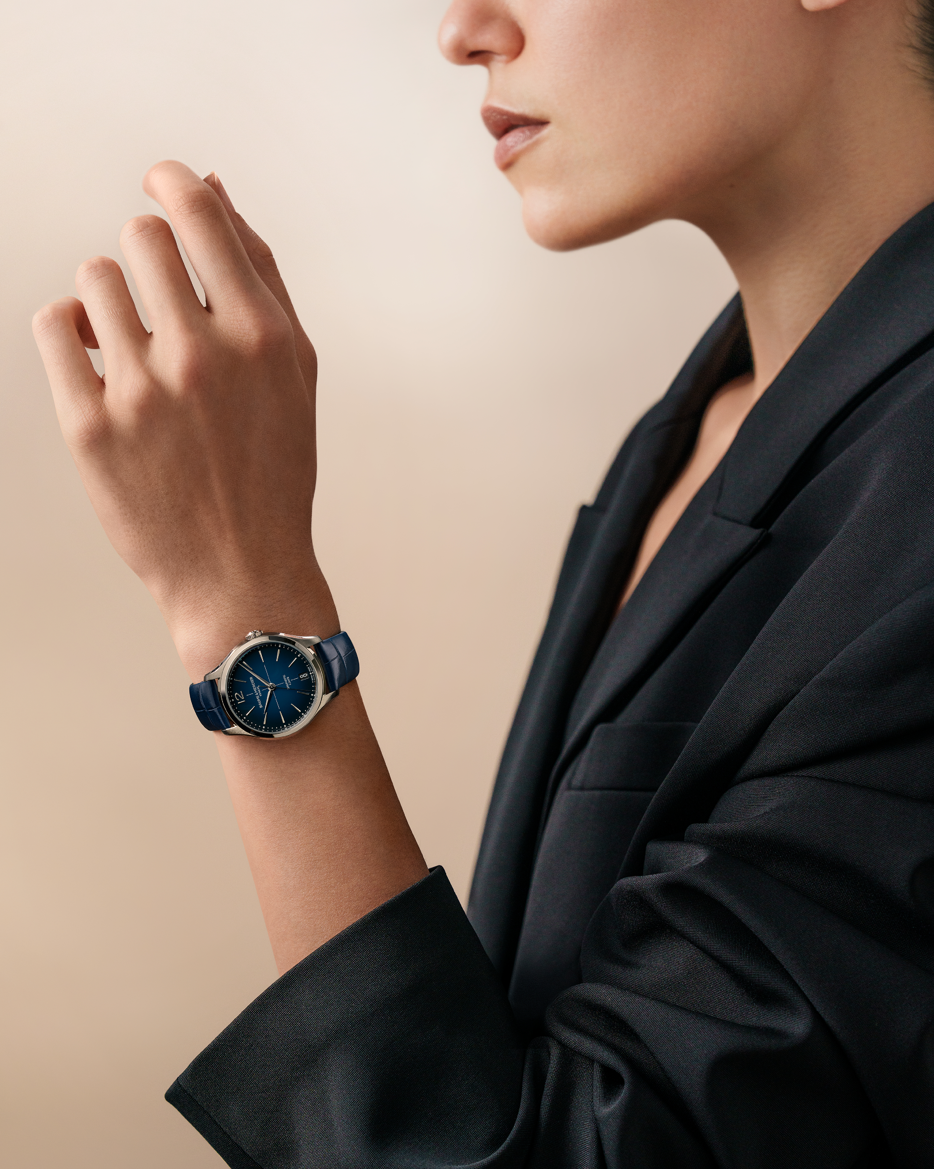
Text | Uninterrupted performance for your everyday. The Baumatic movement boasts an impressive 120-hour power reserve, ensuring your Baume & Mercier keeps pace with your life. Experience the freedom of extended wear. -- #BaumeetMercier #Baumatic #ShapingTime #DailyWatch #Watches #Watch #InstaWatch #WatchOfTheDay #WatchesOfInstagram #WatchLover #WatchCollector #LuxuryWatch #InstaWatch #Style #Elegant #WristWatch #Timepiece #WatchMaking #InstaWatches | Crafted to last a lifetime. The Baumatic movement is built with premium lubrication oils, extending service intervals and preserving its exceptional performance. A testament to Baume & Mercier's commitment to quality and longevity. -- #BaumeetMercier #Baumatic #ShapingTime #DailyWatch #Watches #Watch #InstaWatch #WatchOfTheDay #WatchesOfInstagram #WatchLover #WatchCollector #LuxuryWatch #InstaWatch #Style #Elegant #WristWatch #Timepiece #WatchMaking #InstaWatches | Protected from the invisible forces. The Baumatic movement's advanced anti-magnetic technology shields your timepiece from everyday magnetic fields, ensuring consistent accuracy. -- #BaumeetMercier #Baumatic #ShapingTime #DailyWatch #Watches #Watch #InstaWatch #WatchOfTheDay #WatchesOfInstagram #WatchLover #WatchCollector #LuxuryWatch #InstaWatch #Style #Elegant #WristWatch #Timepiece #WatchMaking #InstaWatches | The Baumatic movement combines accuracy, power reserve, anti-magnetism, and reliability in one exceptional timepiece. Register your Baume & Mercier and benefit from an extended warranty. -- #BaumeetMercier #Baumatic #ShapingTime #DailyWatch #Watches #Watch #InstaWatch #WatchOfTheDay #WatchesOfInstagram #WatchLover #WatchCollector #LuxuryWatch #InstaWatch #Style #Elegant #WristWatch #Timepiece #WatchMaking #InstaWatches | Looking for a small dial? We have got you covered: The Clifton Baumatic 34mm, with its captivating gradient blue dial, is a masterpiece of design and watchmaking. Experience Swiss watchmaking at its finest. -- Clifton 10833 34 mm, Baumatic manufacture movement, 5-Day Power Reserve, Antimagnetic 1500 Gauss, Automatic, Polished and satin-finished stainless steel case, Gradient blue lacquered dial, 5 days Power Reserve, Date aperture at 6 o’clock, Openworked oscillating weight adorned with Côtes de Genève and snailed decorations, Alligator strap, Fast Strap technology Interchangeable strap system. -- #BaumeetMercier #Baumatic #ShapingTime #DailyWatch #InstaWatch #WatchOfTheDay #WatchesOfInstagram #WatchLover #WatchCollector #Style #Elegant #WristWatch #Timepiece #WatchMaking #InstaWatches
Date | SEPTEMBER 30th
Image | 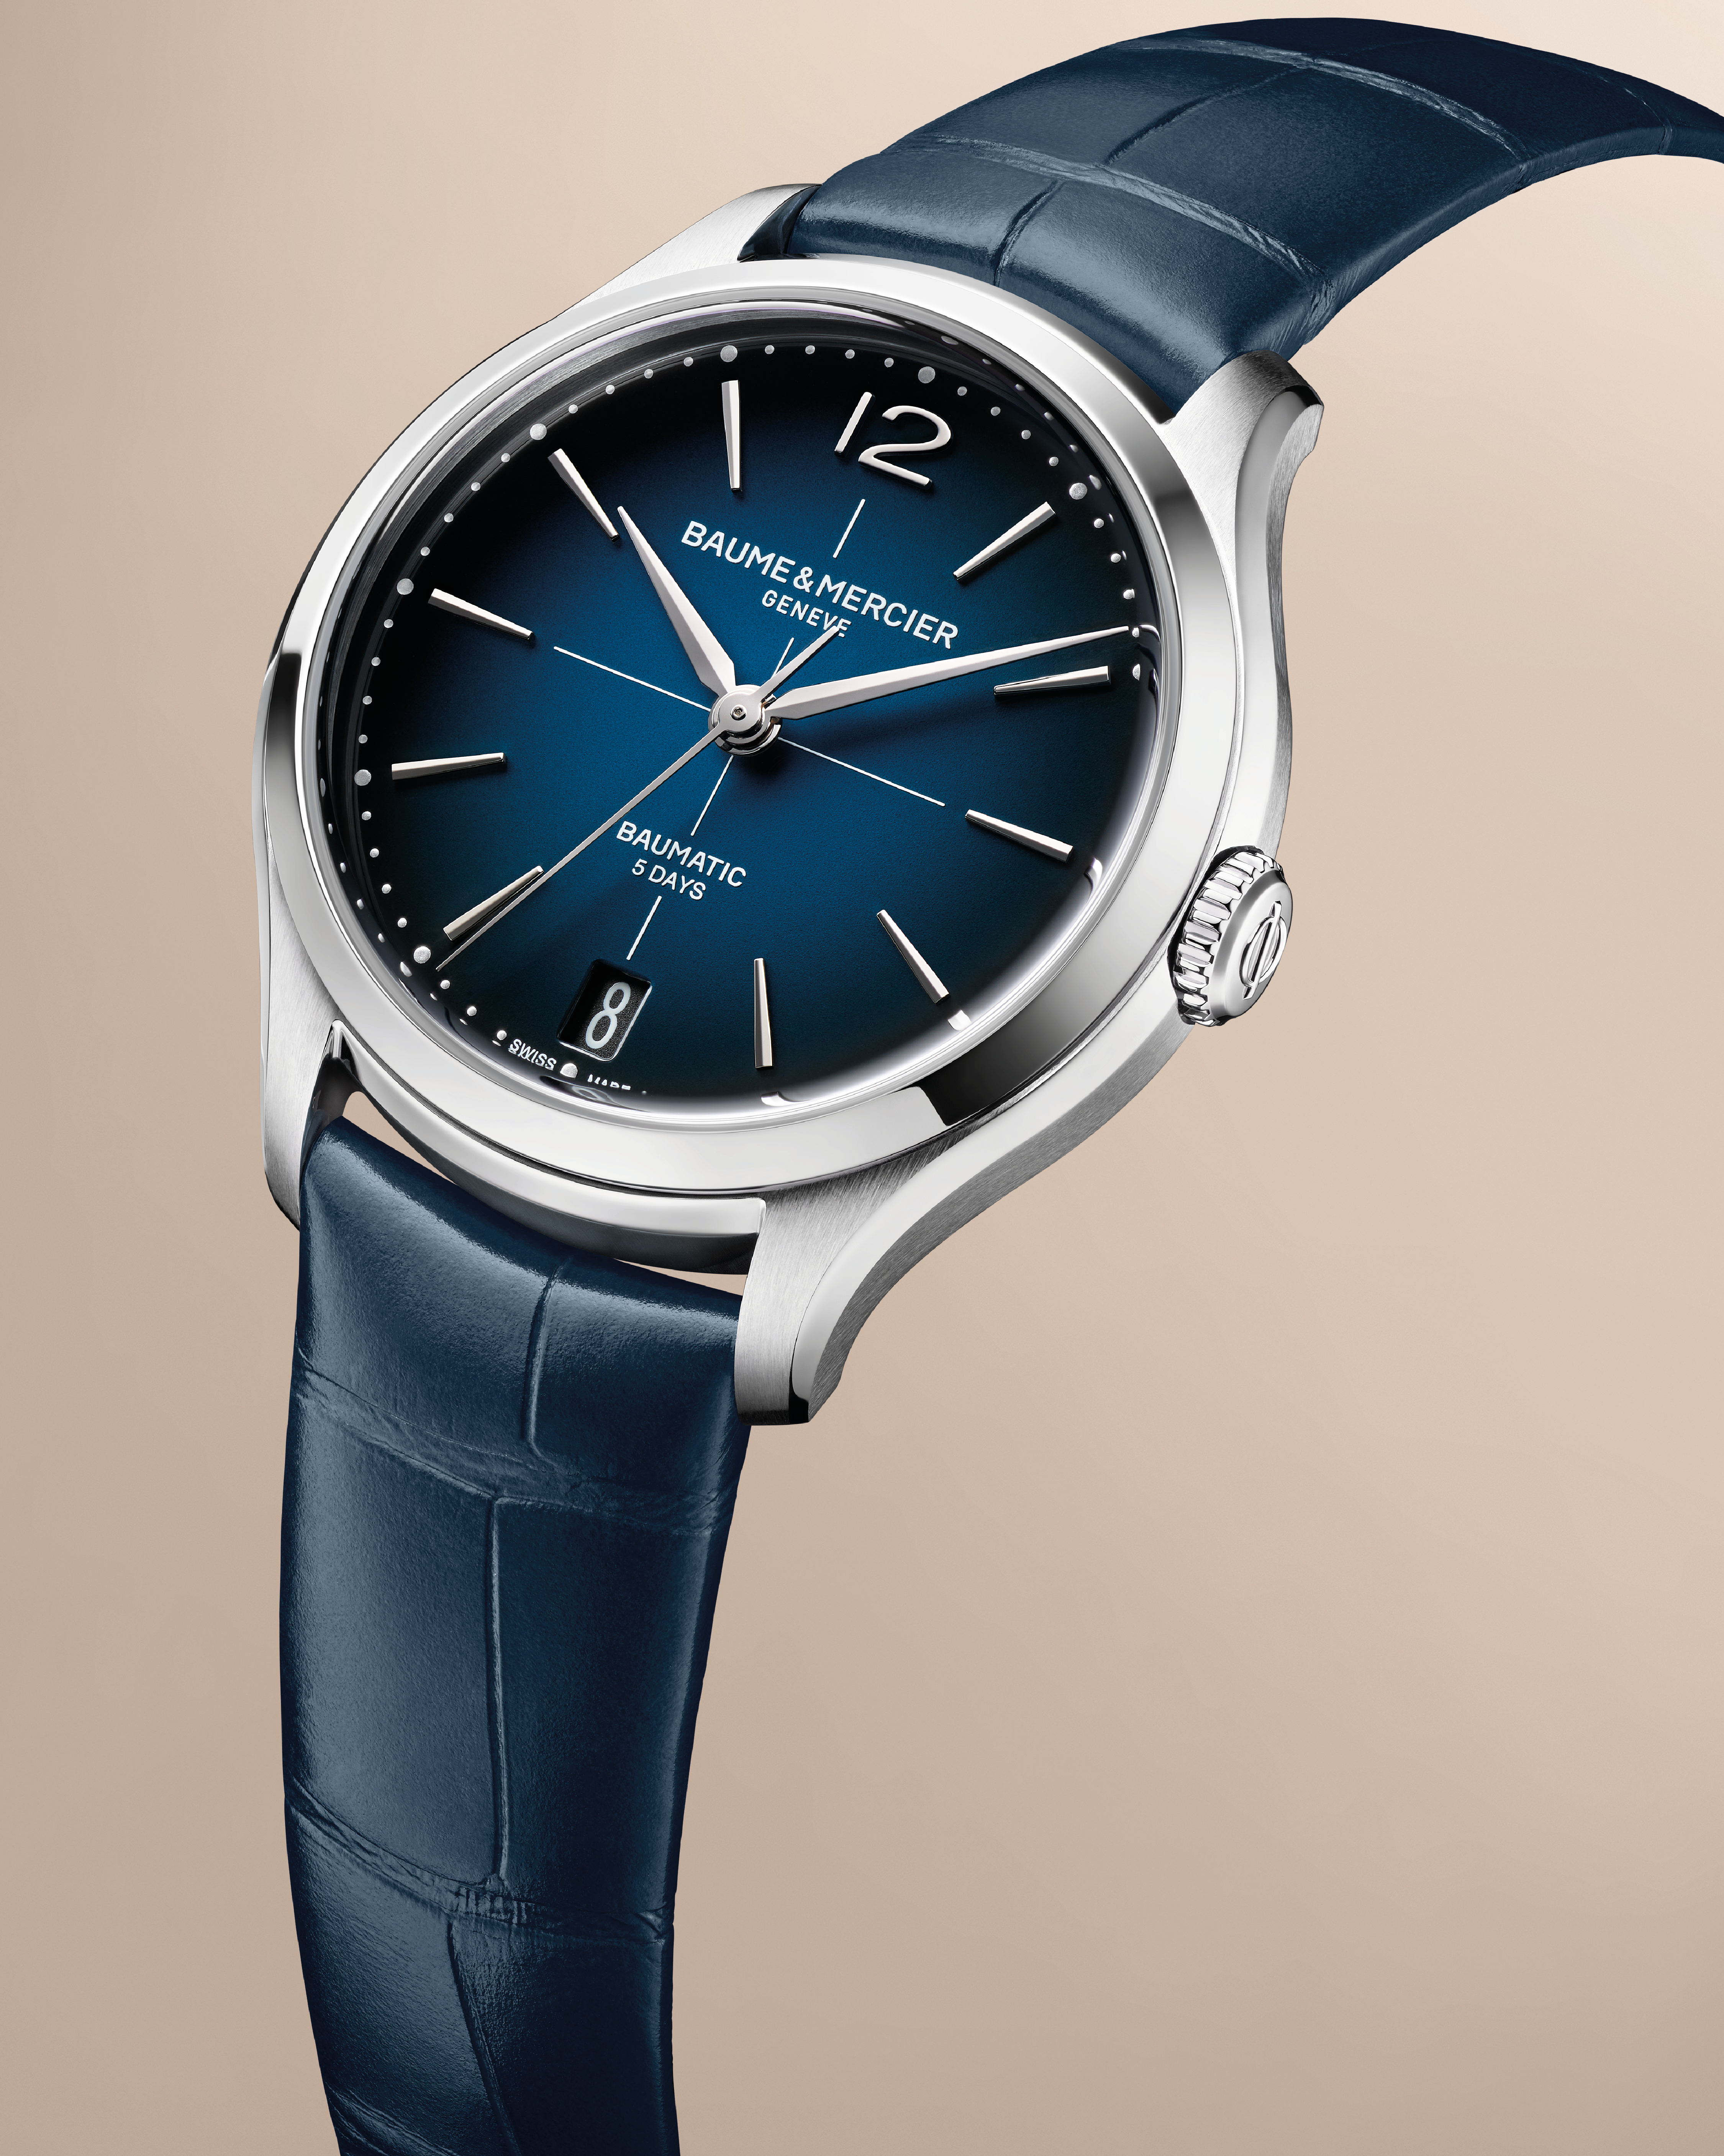
Text | Take a deeper look. The Clifton Baumatic 34mm showcases Baume & Mercier's dedication to pushing the boundaries of feminine watchmaking. Discover the beauty of our Baumatic movement. -- Clifton 10833 34 mm, Baumatic manufacture movement, 5-Day Power Reserve, Antimagnetic 1500 Gauss, Automatic, Polished and satin-finished stainless steel case, Gradient blue lacquered dial, 5 days Power Reserve, Date aperture at 6 o’clock, Openworked oscillating weight adorned with Côtes de Genève and snailed decorations, Alligator strap, Fast Strap technology Interchangeable strap system. -- #BaumeetMercier #Baumatic #ShapingTime #DailyWatch #InstaWatch #WatchOfTheDay #WatchesOfInstagram #WatchLover #WatchCollector #Style #Elegant #WristWatch #Timepiece #WatchMaking #InstaWatches

