INSTAGRAM
Date | November 26th | November 29th | November 26th | November 29th | December 2nd
Image | 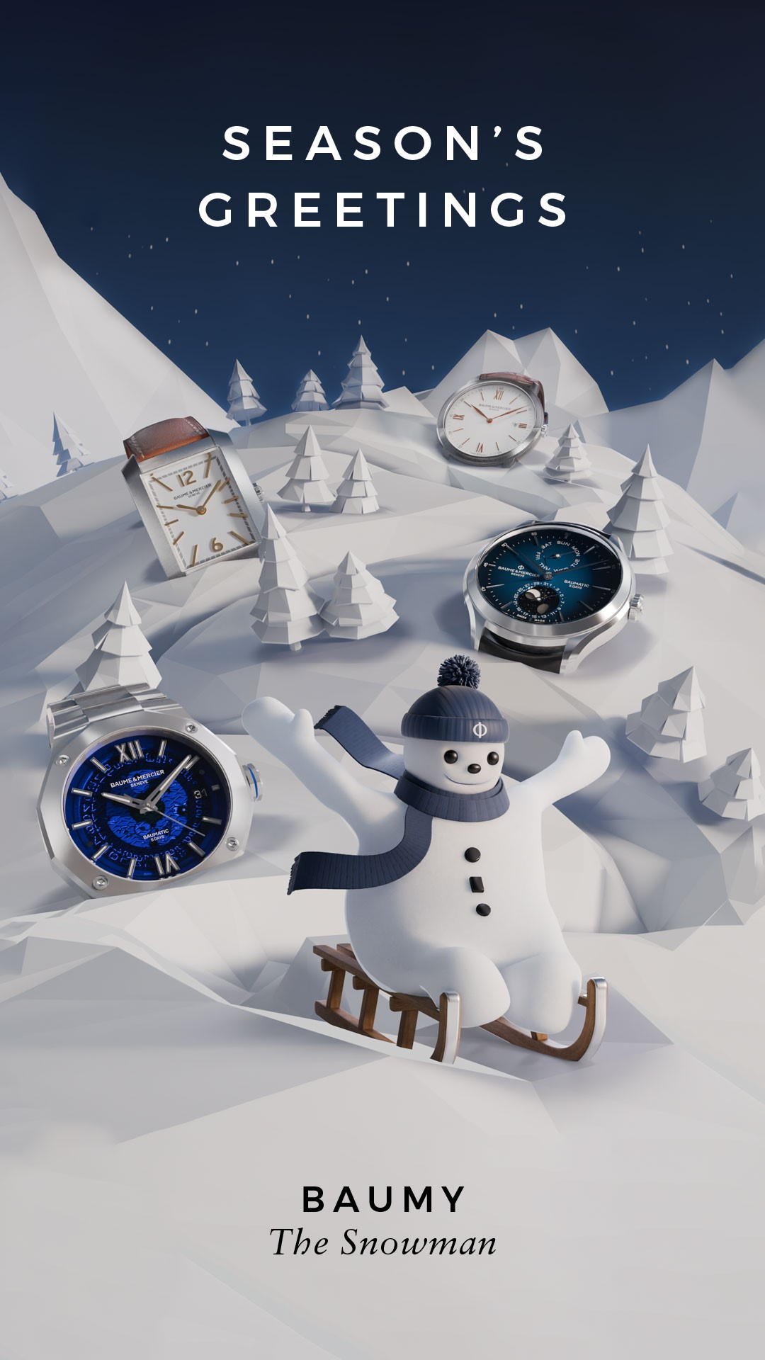 | 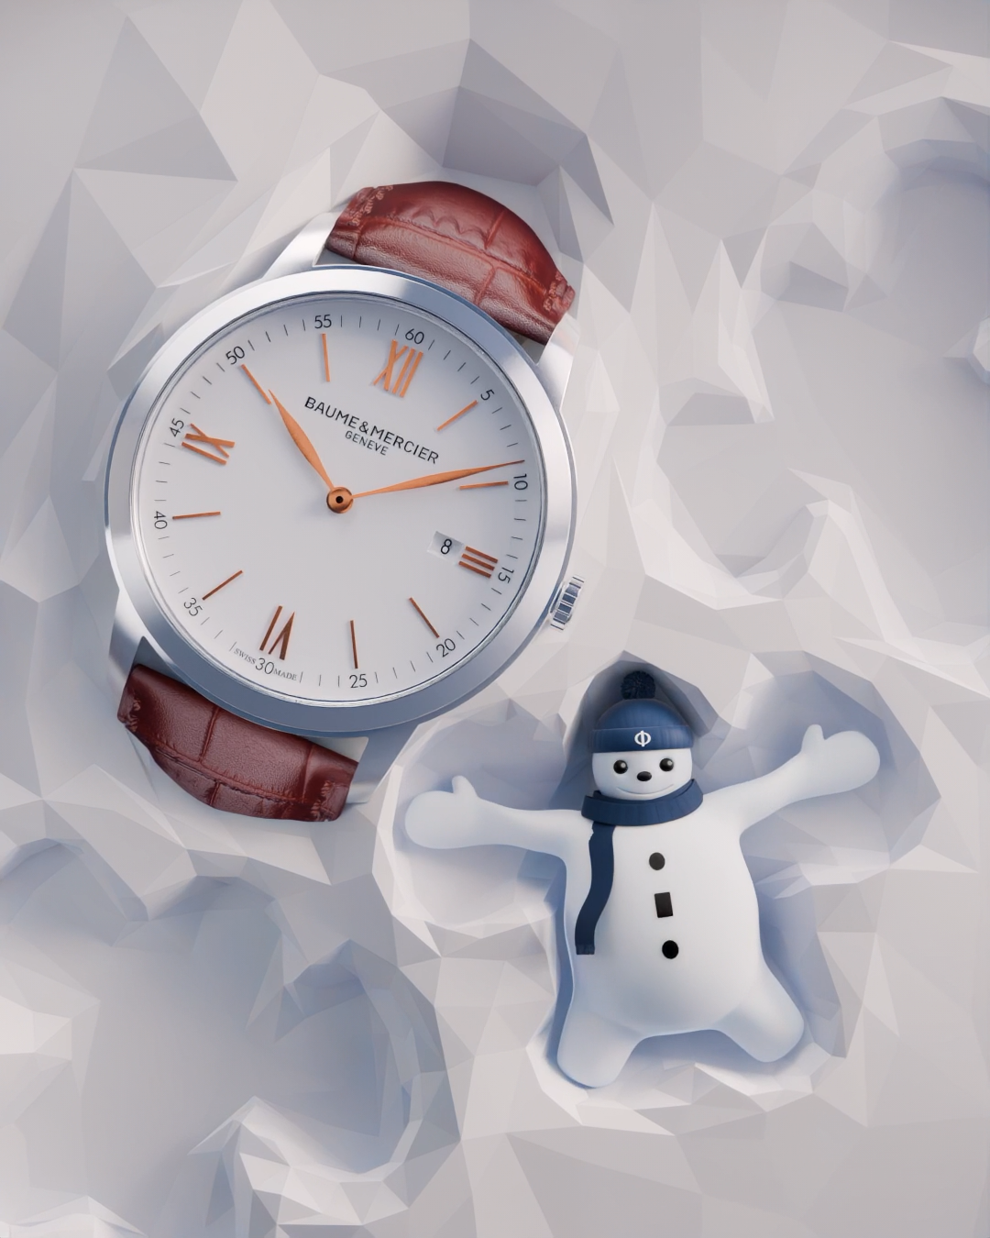 | 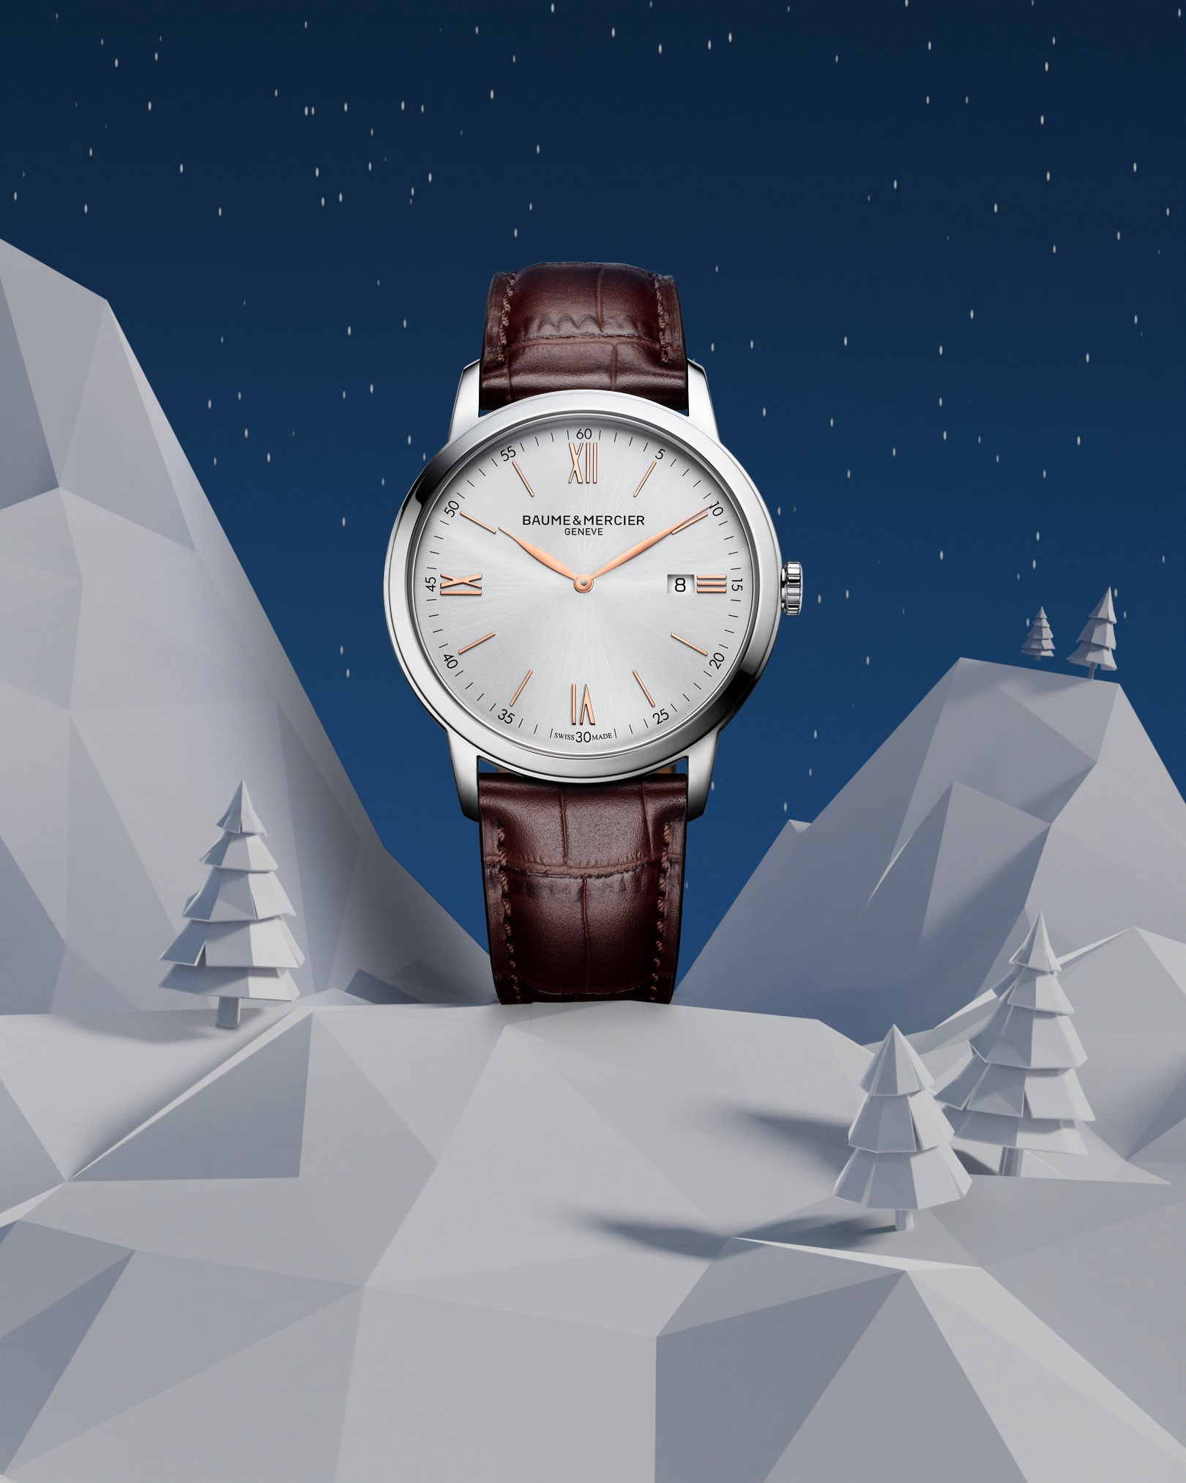 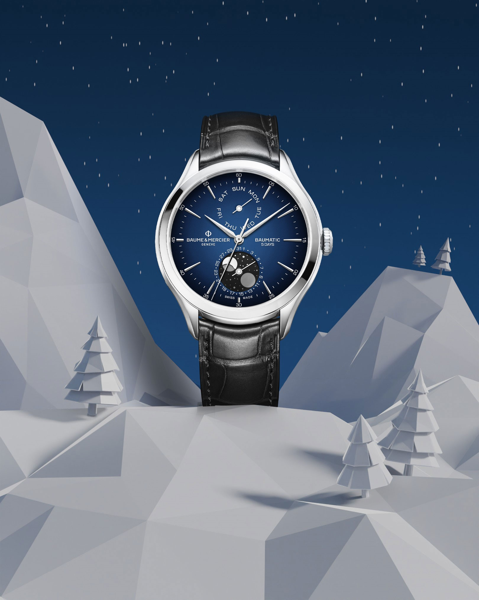   |  | 
Text | Slide into the holiday season with our newest team member: Baumy the Snowman! Baumy celebrates the Maison's expertise in the art of shapes and our commitment to the highest quality. Over the next week, brighten your holiday season with a unique Baume & Mercier gift coming from the heart of the Swiss Jura. -- Riviera 10616, Clifton 10593, Hampton 10472, Classima 10415 -- #BaumeetMercier #HolidaySeason #BaumyTheSnowman #SwissSince1830 #ArtOfShapes #Christmas #Christmasgifts | 🎨❄️ Baumy, the Snowman, is up to something magical! ❄️🎨 In the heart of a winter wonderland, Baumy is sketching the most beautiful snow angel, and guess what he’s found? A stunning, round Classima that’s simply the perfect gift for Christmas. 🎁✨ Whether you're sketching memories or marking time, this holiday season is all about creating moments to treasure. 🎄💫 Don’t let time slip by—make this Classima the highlight under your tree! 🎁 -- Classima 10415 42mm, Quartz, Date aperture at 3 o’clock, red-brown alligator strap. -- #BaumeetMercier #HolidaySeason #BaumyTheSnowman #Celebration #SwissSince1830 #ArtOfShapes #Christmas #Christmasgifts | Step into a winter wonderland where craftsmanship meets celebration. ❄️ Our collections, brought to life with the art of shape and the magic of Baumy, await to tell your time stories. Which one will be yours this season? -- Hit the link in bio to discover our gifts selection -- #BaumeetMercier #HolidaySeason #BaumyTheSnowman #SwissSince1830 #ArtOfShapes #Christmas #Christmasgifts | Baumy's playful spirit is getting stronger as Christmas is approaching ❄️ Behind every snowball is a masterpiece waiting to be unveiled. Celebrate time with Baumy and Baume & Mercier this season. -- Hit the link in bio to discover our gifts selection -- #BaumeetMercier #HolidaySeason #BaumyTheSnowman #SwissSince1830 #ArtOfShapes #Christmas #Christmasgifts | Baumy knows that time conects us in the most beautiful ways. ✨This Holiday Season, celebrate these moments with one of Baumy's favorite creations elegantly crafted from the Riviera and Hampton collections. -- Hit the link in bio to discover our gifts selection -- #BaumeetMercier #HolidaySeason #BaumyTheSnowman #SwissSince1830 #ArtOfShapes #Christmas #Christmasgifts

Date | December 5th (VIDEO) | December 8th | December 11th (VIDEO) | December 14th | December 17th
Image | 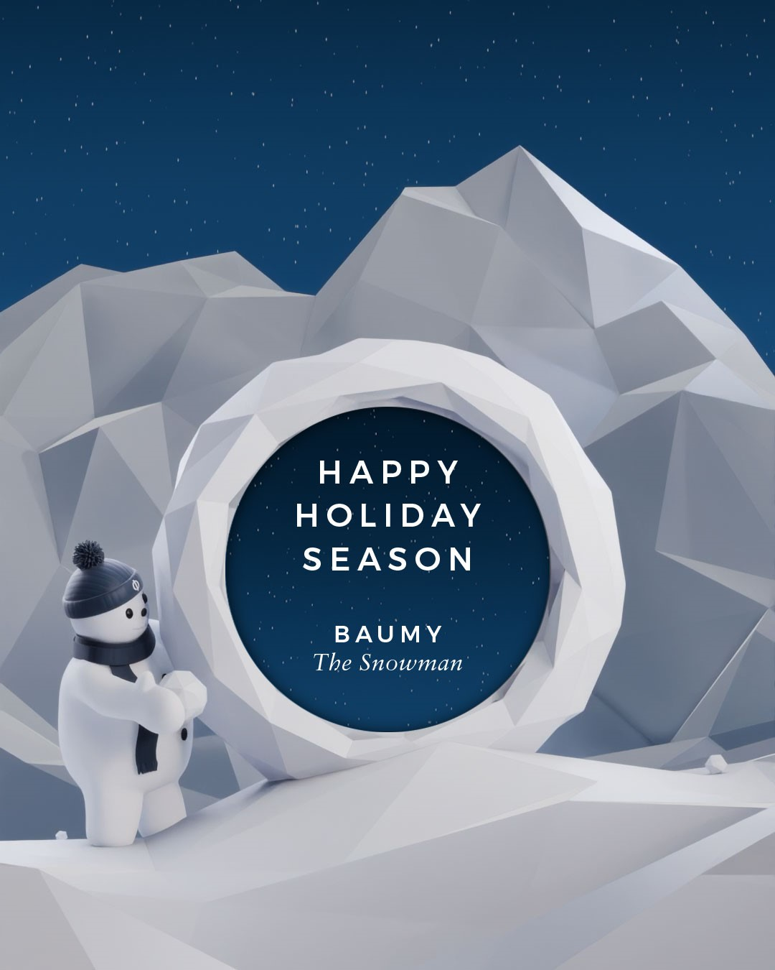 | 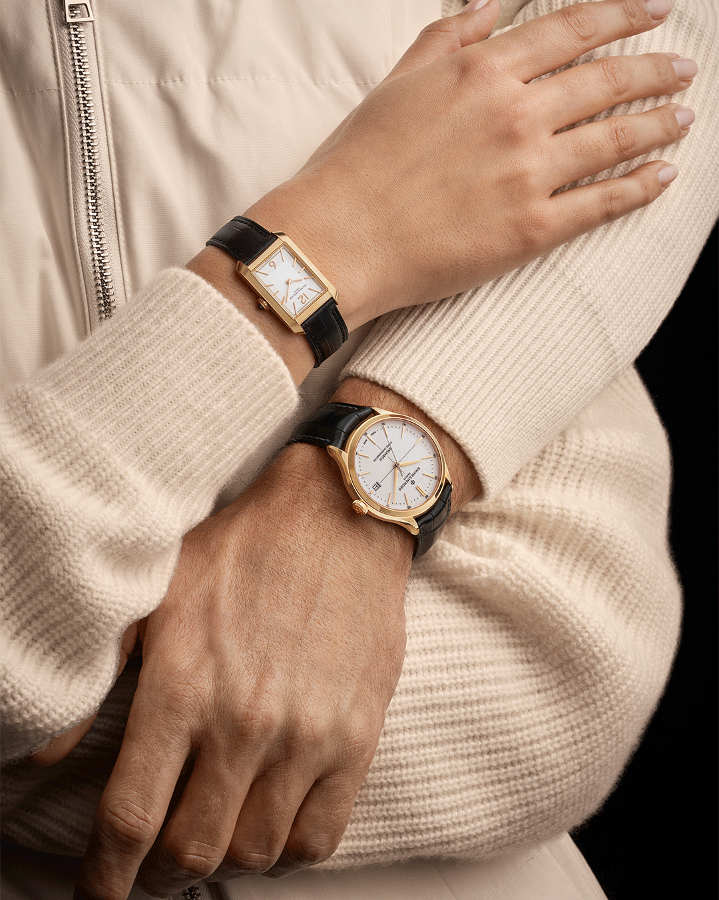 |  | 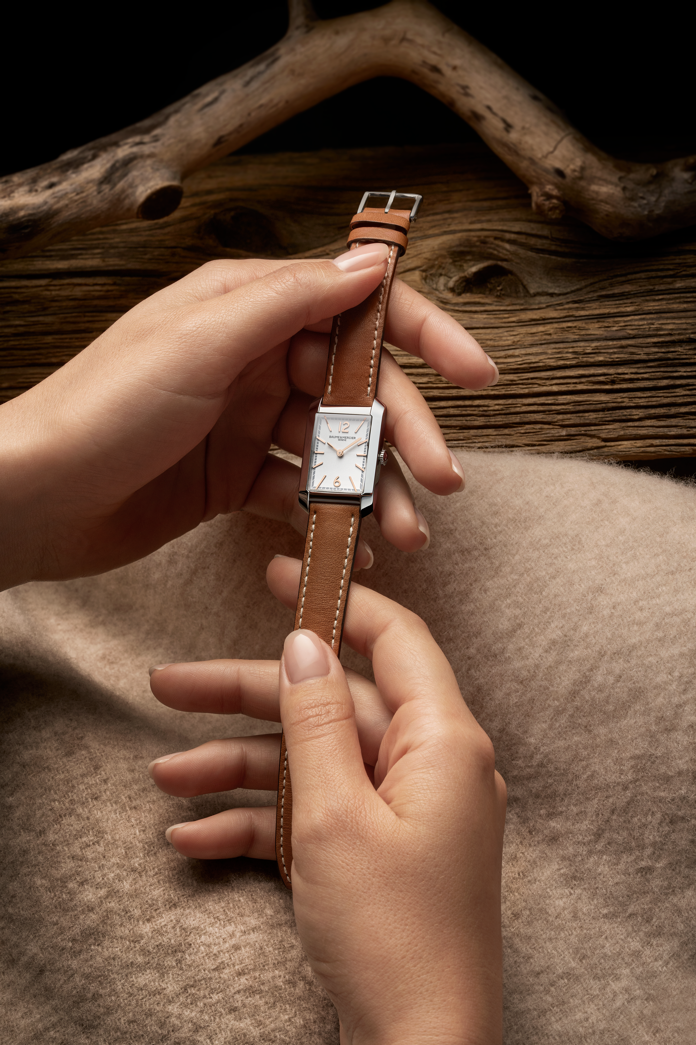  | 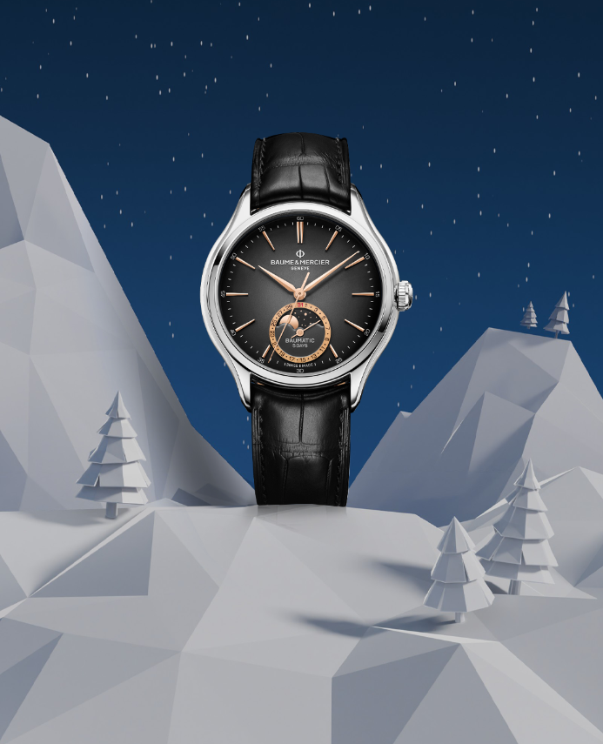 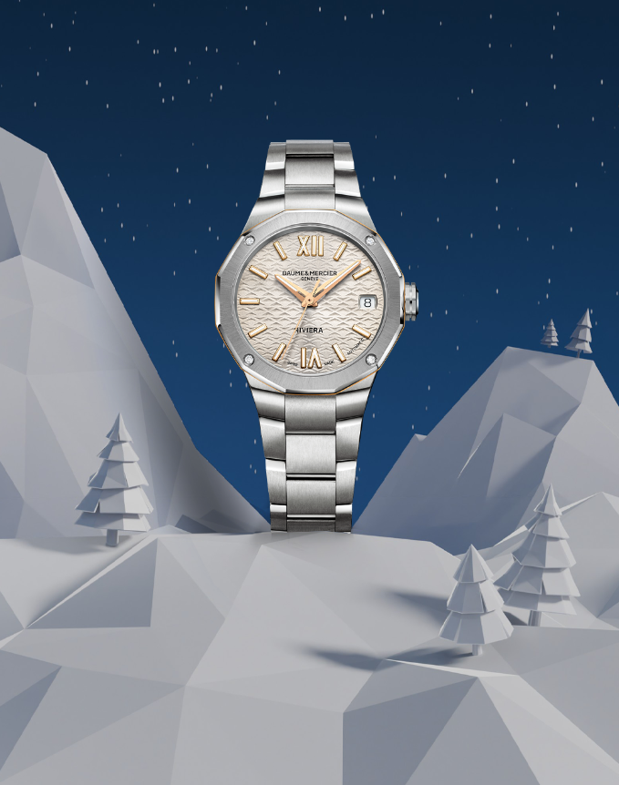 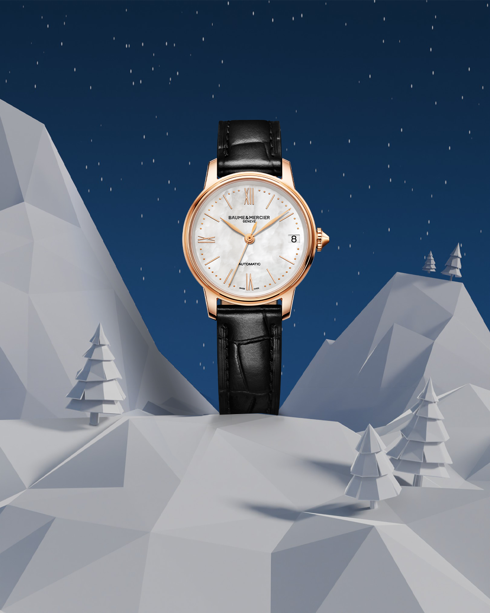 
Text | Baumy’s final masterpiece: unveiling time itself. ❄️ Discover the dial of the Clifton 10467 as Baumy's magic reveals it to the world. -- Hit the link in bio to discover our gifts selection -- #BaumeetMercier #HolidaySeason #BaumyTheSnowman #SwissSince1830 #ArtOfShapes #Christmas #Christmasgifts | Precious moments deserve golden timepieces. Celebrate love, connection, and the art of giving with Baumy-approved elegance this holiday season. -- Hit the link in bio to discover our gifts selection -- #BaumeetMercier #HolidaySeason #BaumyTheSnowman #SwissSince1830 #ArtOfShapes #Christmas #Christmasgifts | Watch Baumy glide gracefully on the dial of the Hampton, bringing playfulness to precision this festive season. Discover the magic of movement. -- Hit the link in bio to discover our gifts selection -- #BaumeetMercier #HolidaySeason #BaumyTheSnowman #SwissSince1830 #ArtOfShapes #Christmas #Christmasgifts | Vintage elegance merging seamlessly with modern craftmanship. ✨ The Hampton 10472 and 10752 are inspired by the 1920s, giving it its Art Deco style. Hold onto the past, cherish the present, and celebrate with our Maison. -- Hit the link in bio to discover our gifts selection -- #BaumeetMercier #HolidaySeason #BaumyTheSnowman #SwissSince1830 #ArtOfShapes #Christmas #Christmasgifts | Another glance at Baumy’s favorites from our Maison’s collections, each crafted with the art of shape. ❄️ Let these timepieces add a little magic to your season. Which one would you love to unwrap? -- Hit the link in bio to discover our gifts selection -- #BaumeetMercier #HolidaySeason #BaumyTheSnowman #SwissSince1830 #ArtOfShapes #Christmas #Christmasgifts
Date | December 20th | December 23rd (VIDEO) | December 26th | December 29th
VISUAL TBC
Image | 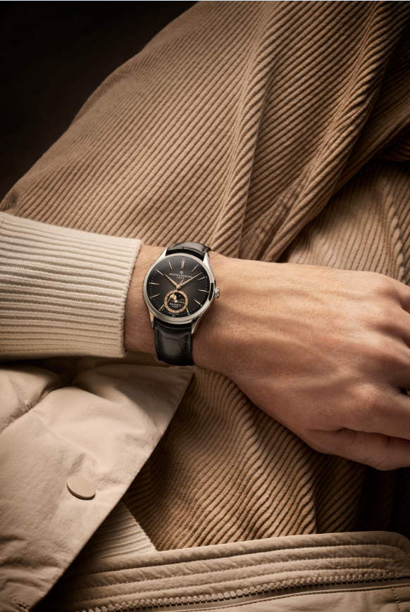 | 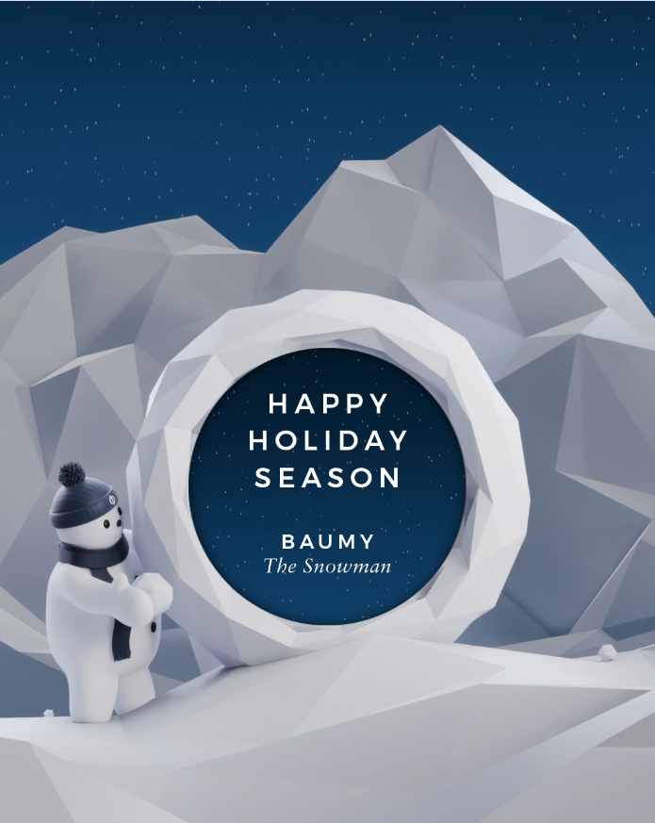 | 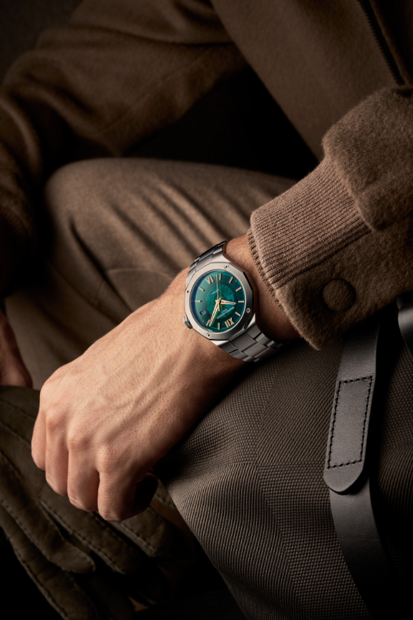 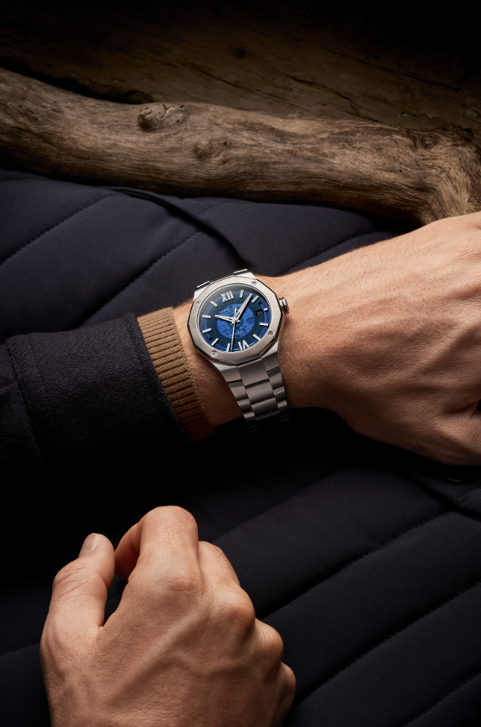  |  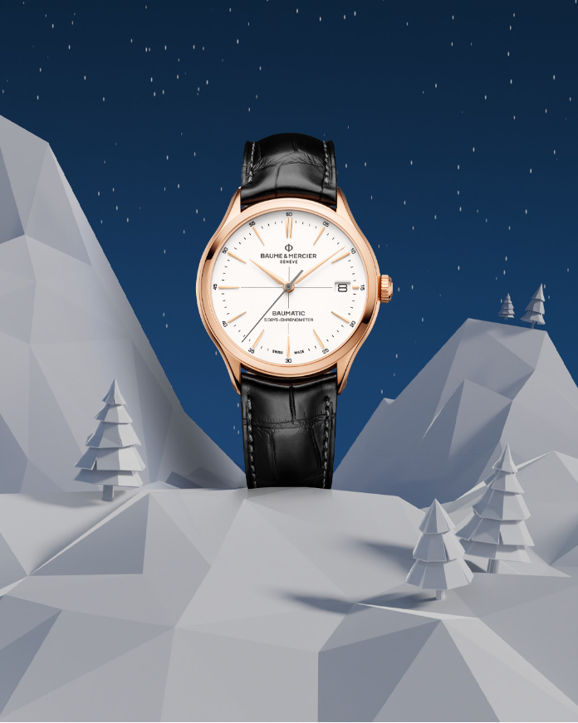 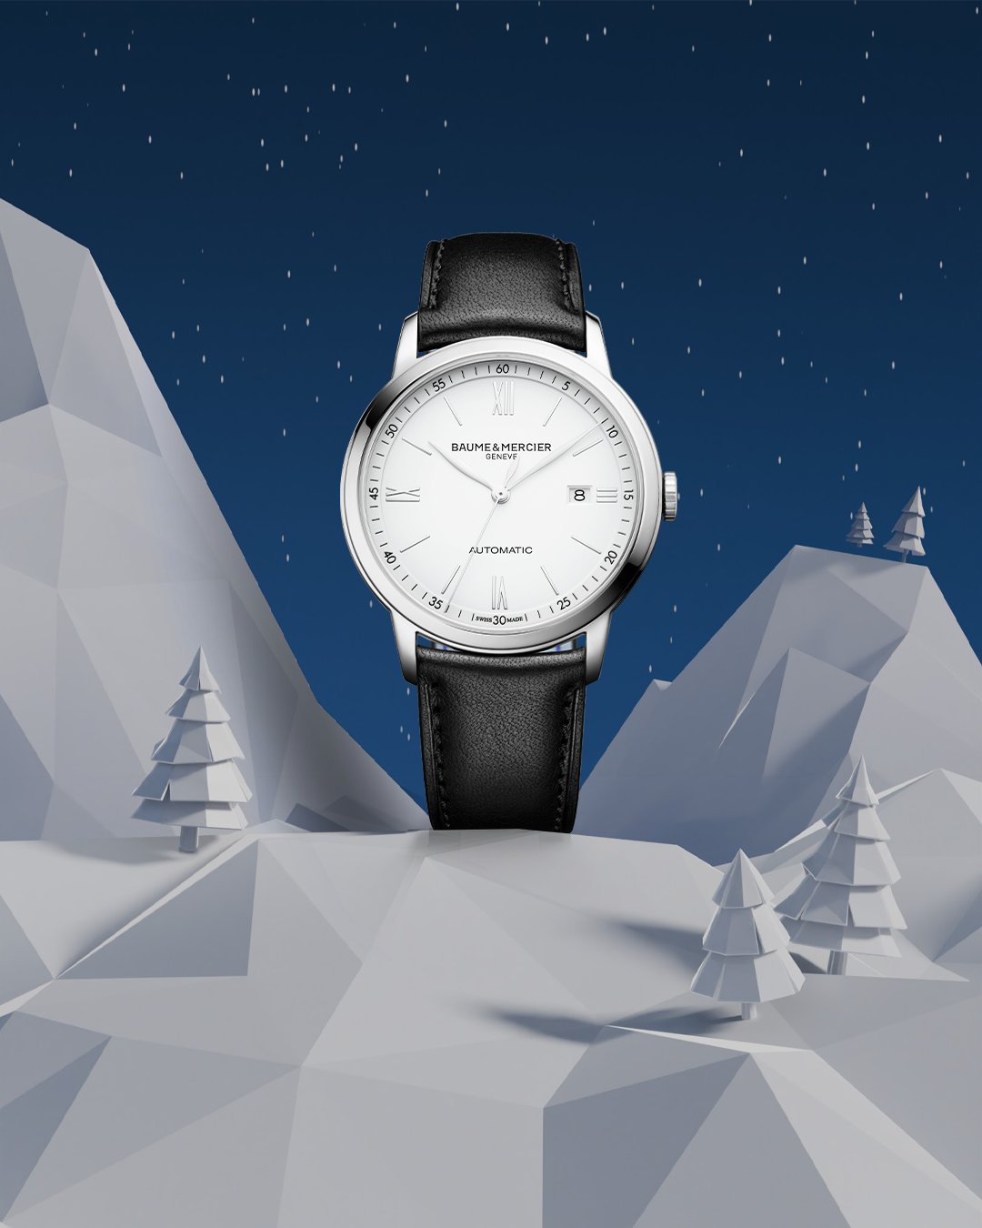  | 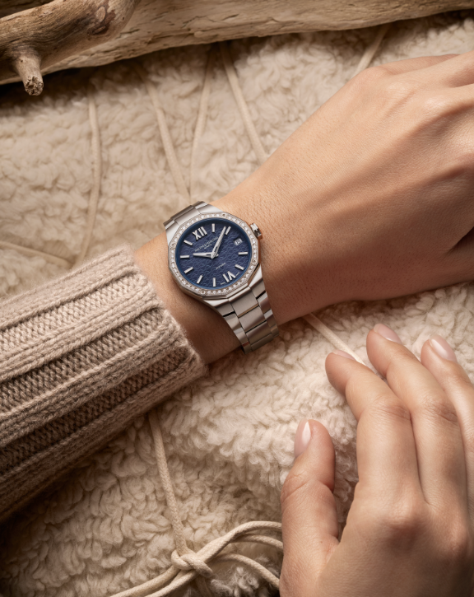 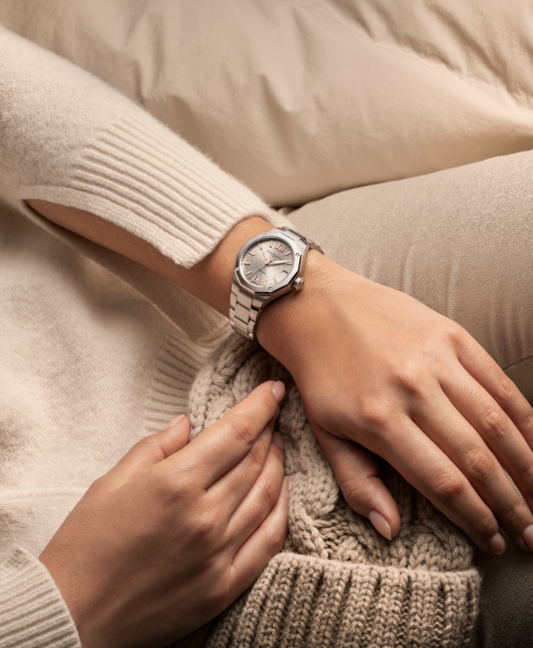
Text | For the dreamers and stargazers. 🌙 The Clifton 10758 with its moonphase complication captures the rhythm of the universe. Celebrate the magic of the night with Baume & Mercier. -- Hit the link in bio to discover our gifts selection -- #BaumeetMercier #HolidaySeason #BaumyTheSnowman #SwissSince1830 #ArtOfShapes #Christmas #Christmasgifts | A message from Baumy to you: ‘Happy Holiday Season!’ 🎄 Celebrate time, cherish moments, and embrace the art of giving. From our Maison to your home, may your holidays be as timeless as our creations. – Baumy ❄️ -- Hit the link in bio to discover our gifts selection -- #BaumeetMercier #HolidaySeason #BaumyTheSnowman #SwissSince1830 #ArtOfShapes #Christmas #Christmasgifts | On every wrist, a story of caftmanship and Baume & Mercier's art of shape comes to life. Which timepiece will Baumy inspire you to wear this Holiday Season? -- Hit the link in bio to discover our gifts selection -- #BaumeetMercier #HolidaySeason #BaumyTheSnowman #SwissSince1830 #ArtOfShapes #Christmas #Christmasgifts | Every collection tells a story, and Baumy is here to bring it to life. ❄️ Which story will you wear? -- Hit the link in bio to discover our gifts selection -- #BaumeetMercier #HolidaySeason #BaumyTheSnowman #SwissSince1830 #ArtOfShapes #Christmas #Christmasgifts | Champagne tones for celebrations that sparkle. ✨ This season, let your Baume & Mercier timepiece shine as brightly as the moments you create. Baumy approves, and so will you. -- Hit the link in bio to discover our gifts selection -- #BaumeetMercier #HolidaySeason #BaumyTheSnowman #SwissSince1830 #ArtOfShapes #Christmas #Christmasgifts

GRID PREVIEW
