INSTAGRAM
Date | AUGUST 6th (CAROUSEL) | AUGUST 13th (VIDEO) | AUGUST 20th (CAROUSEL) | AUGUST 27th (CAROUSEL)
Image | 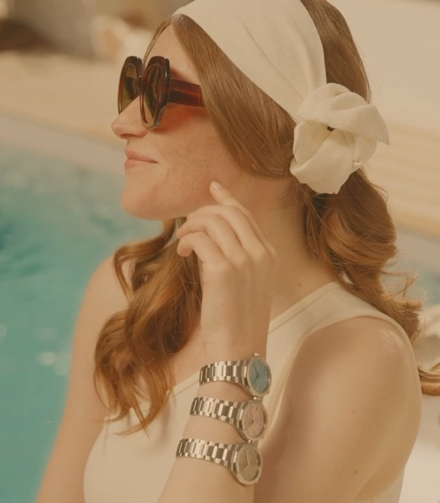 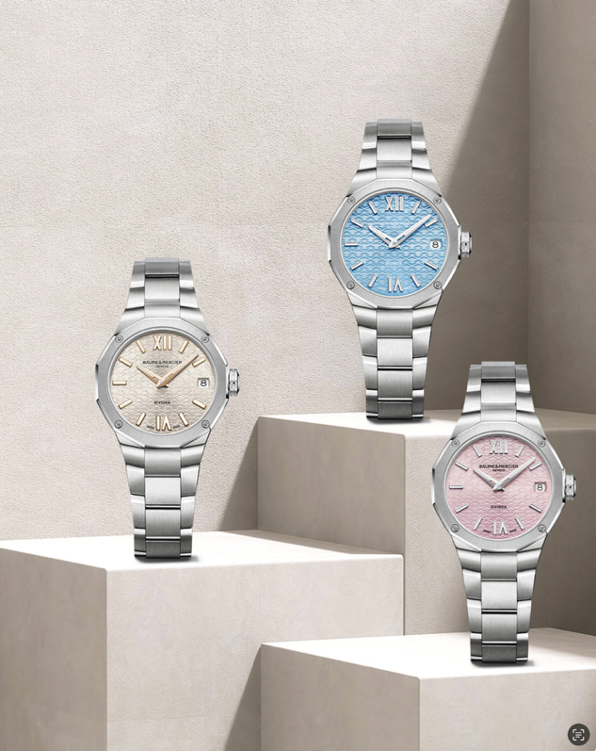 | 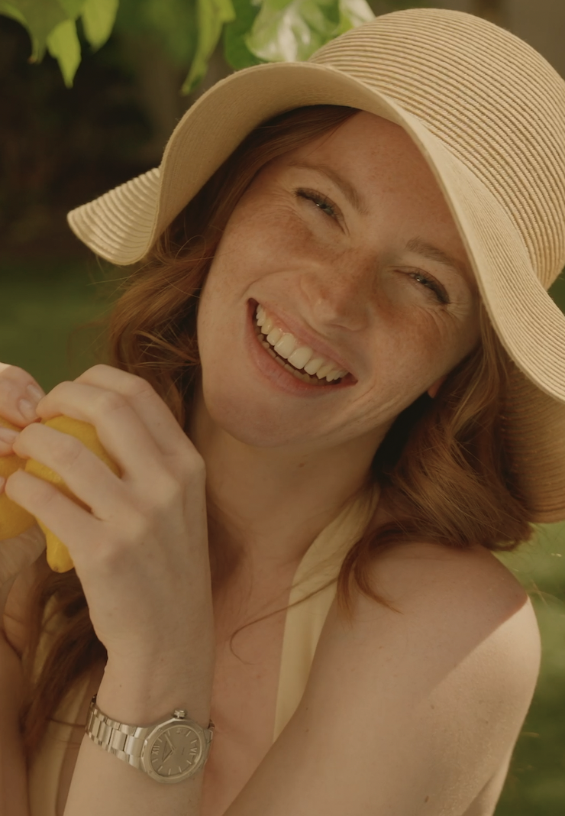 video full | 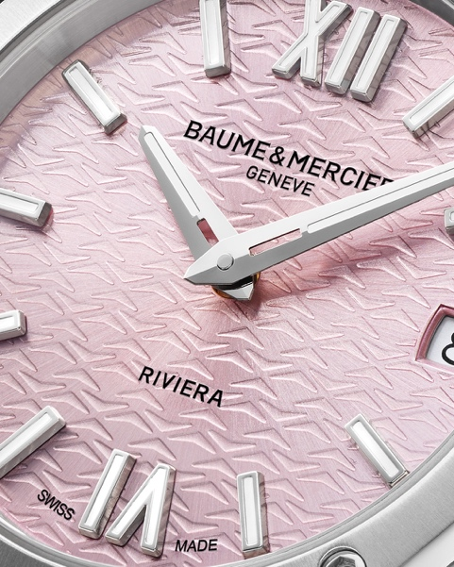 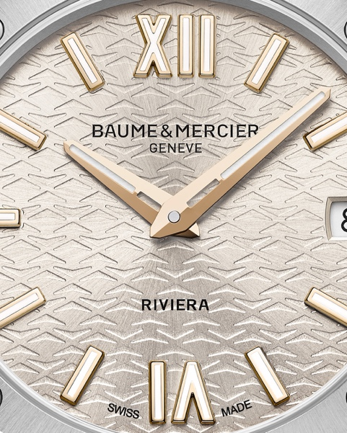 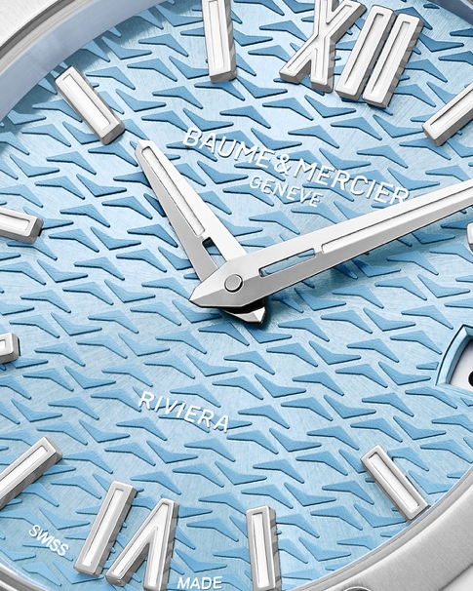 | 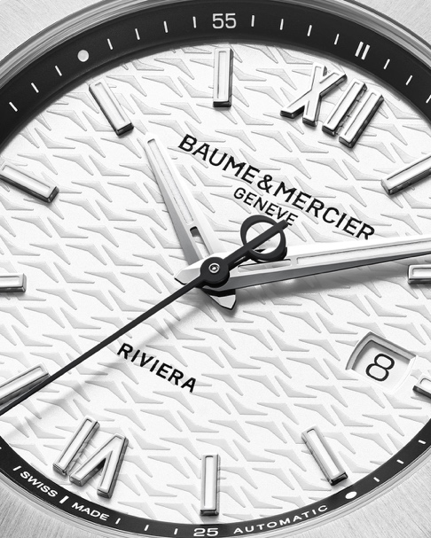 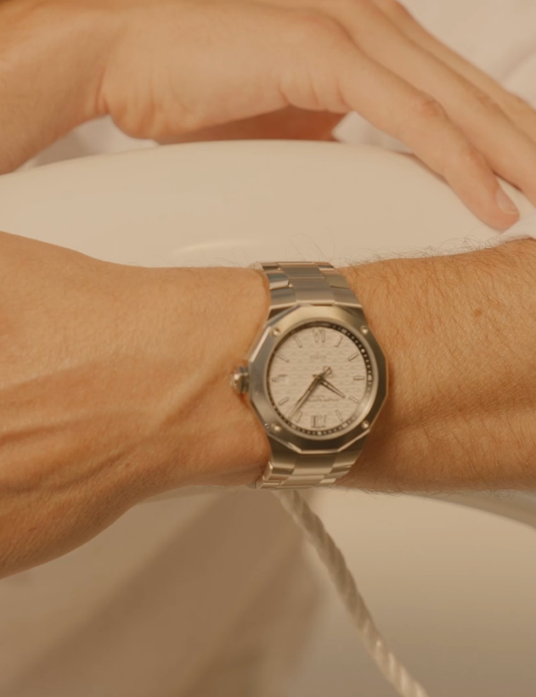 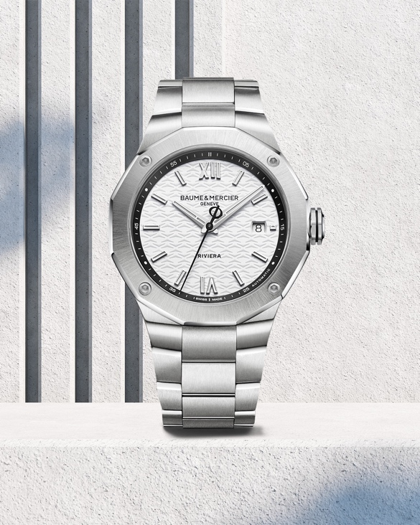
Text | Color is your best ally. Embrace the summer spirit with this new version, bringing a touch of softness to the satin-polished stainless steel case. Perfectly proportioned: 33 mm in diameter and 9.22 mm in thickness. -- Riviera 10812 33 mm, Quartz, Stainless steel case, pink satiné sunray dial, Date aperture at 3 o’clock, Fast Strap technology - Interchangeable strap system. -- #Summer #BaumeEtMercier #TheArtOfBalance #Form #Function #Heritage #Riviera #Since73 #WatchesOfInstagram #InstaWatch #WatchOfTheDay #LuxuryTimepiece | A summer palette for every wrist. Each of these watches brilliantly captures the sport-chic spirit of the collection, infused with the irresistible allure of the French Riviera, its organic beauty, and its liberating lifestyle where luxury meets effortless indulgence. -- Riviera Summer -- #Summer #BaumeEtMercier #TheArtOfBalance #Form #Function #Heritage #Riviera #Since73 #WatchesOfInstagram #InstaWatch #WatchOfTheDay #LuxuryTimepiece | Light blue, warm silver and pink. Three radiant new pastel dials that breathe fresh energy into the legendary dodecagonal silhouette. A feminine take on iconic design, glowing with summer light. -- Riviera Summer -- #Summer #BaumeEtMercier #TheArtOfBalance #Form #Function #Heritage #Riviera #Since73 #WatchesOfInstagram #InstaWatch #WatchOfTheDay #LuxuryTimepiece | Striking the perfect balance with our new Riviera model. Powered by a precise SW200 automatic movement and water-resistant to 10 ATM, this watch is as reliable as it is stylish. -- Riviera 10829 42 mm, Automatic, Stainless steel case, Grey, Satiné, Sunray dial, Date aperture at 3 o'clock, 38-hours Power Reserve, Fast Strap technology - Interchangeable strap system. -- #Summer #BaumeEtMercier #TheArtOfBalance #Form #Function #Heritage #Riviera #Since73 #WatchesOfInstagram #InstaWatch #WatchOfTheDay #LuxuryTimepiece | $

LINKEDIN
Date | AUGUST 18th (VIDEO FULL)
Image | 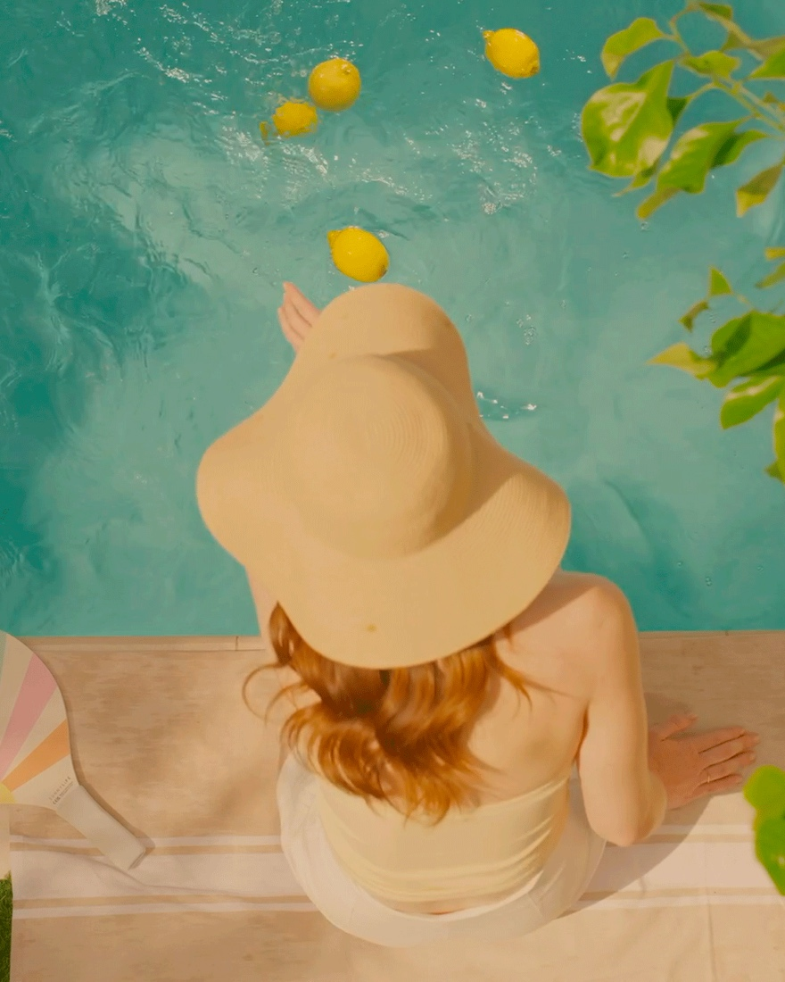
Text | A summer palette for every wrist. Each of these watches brilliantly captures the sport-chic spirit of the collection, infused with the irresistible allure of the French Riviera, its organic beauty, and its liberating lifestyle where luxury meets effortless indulgence. -- Riviera Summer -- #Summer #BaumeEtMercier #TheArtOfBalance #Form #Function #Heritage #Riviera #Since73 #WatchesOfInstagram #InstaWatch #WatchOfTheDay #LuxuryTimepiece | $

