DEC INSTA & FB
Date | NOVEMBER 26th | NOVEMBER 29th | DECEMBER 1st | DECEMBER 9th
Image | 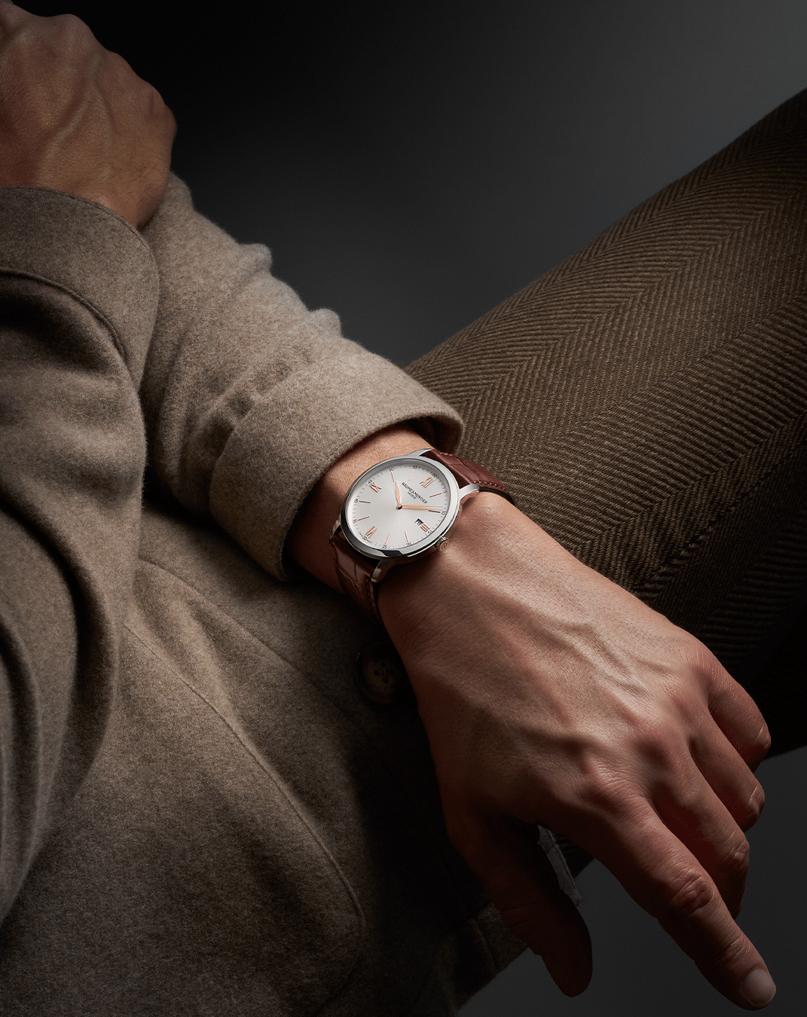 | 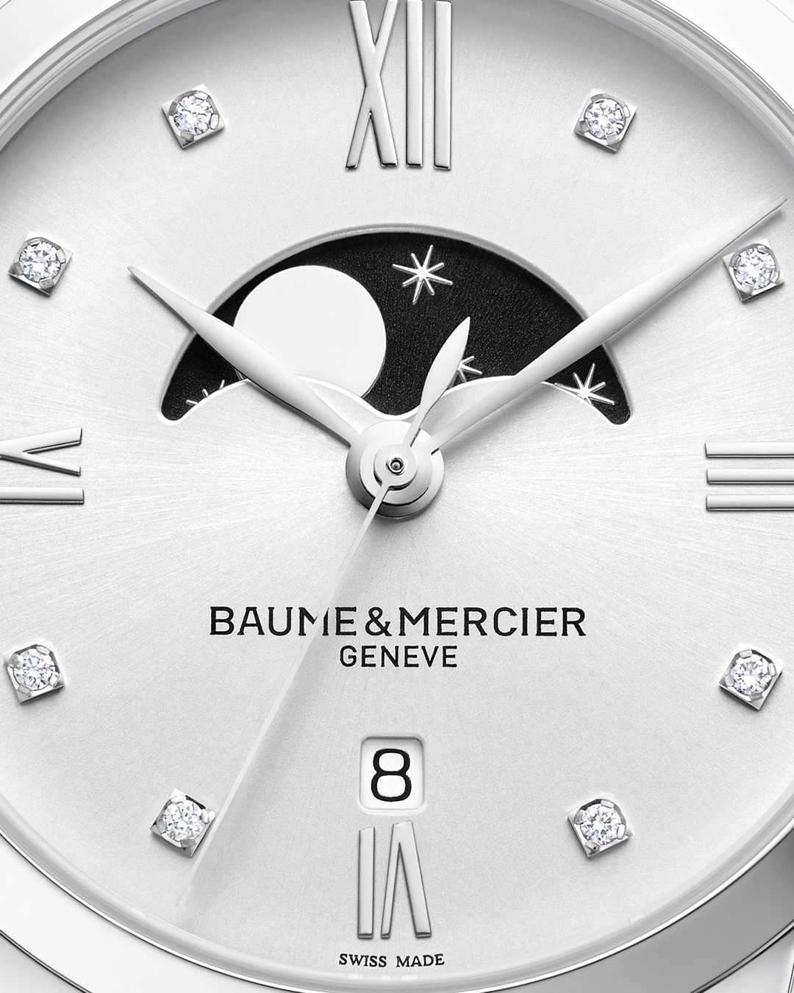 | 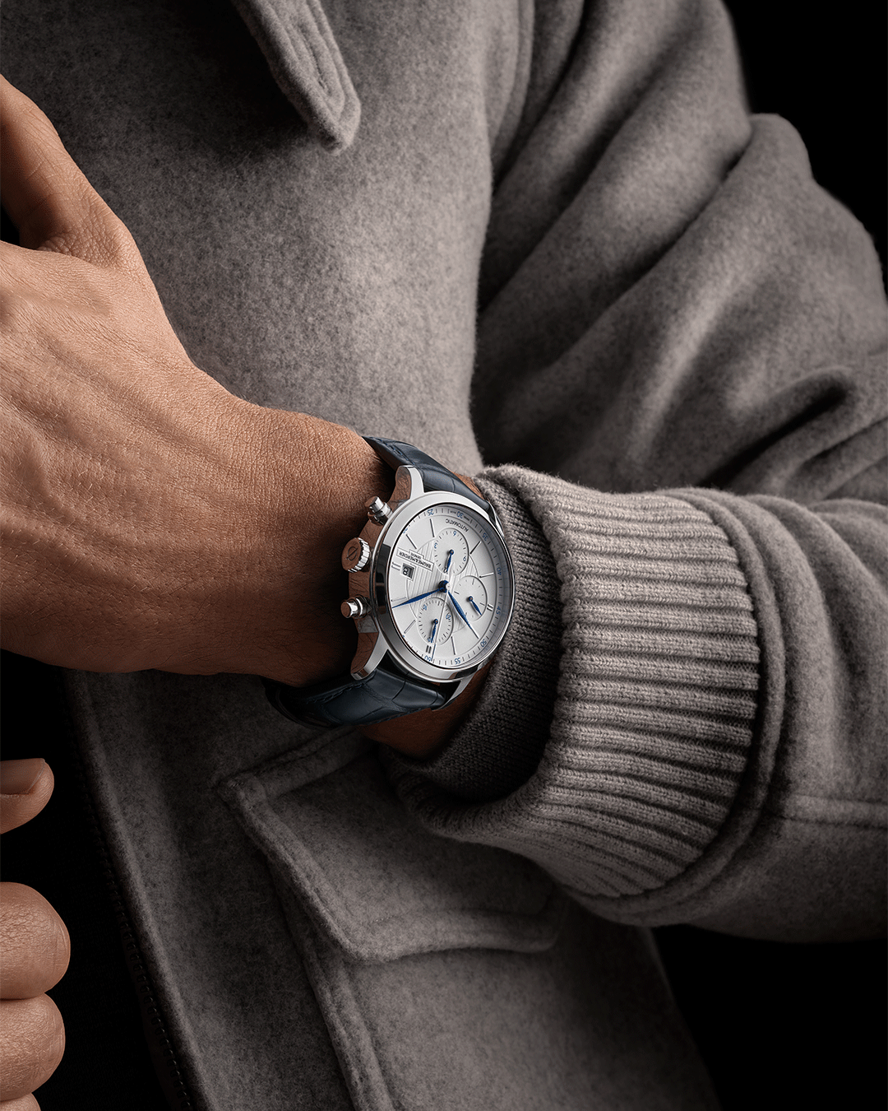 Classima 10330 mood |  Animation 1 Riviera
Text | A whisper of magic is on its way. As the festive season approches, something beautifully crafted is about to join the festivities. Stay tuned for our timepieces to reveal their holiday glow. -- Classima 10415 42mm, Quartz, Date aperture at 3 o’clock, red-brown alligator strap. -- #BaumeEtMercier #Classima #Festiveseason | Let the Classima collection sparkle this festive season. Refined, elegant, and ready for the most meaningful moments of the year. -- Classima 10329 31mm, Quartz, Moon-phase, Diamond-set, Date aperture at 6 o'clock, Glossy square scales alligator strap. -- #BaumeEtMercier #Classima #Celebration | Giving a Baume & Mercier watch is about celebrating a moment of happiness, sharing it with loved ones and immortalizing it. -- Classima 10330 42mm, Automatic, 5 ATM Water-Resistance, Blue alligator strap. -- #BaumeEtMercier #Classima #Celebration | For the ones who chase the horizons even in winter. This season, our Riviera collection reveals its bold spirit in a new festive light. -- Riviera 10829 42mm, Automatic, Stainless steel case, Grey, Satiné, Sunray dial, Date aperture at 3 o'clock, 38-hours Power Reserve, Fast Strap technology - Interchangeable strap system. -- #BaumeEtMercier #Riviera #Celebration | $
Date | DECEMBER 12th (VIDEO) | DECEMBER 16th | DECEMBER 19th | DECEMBER 24th
Image |  Video Riviera |  | 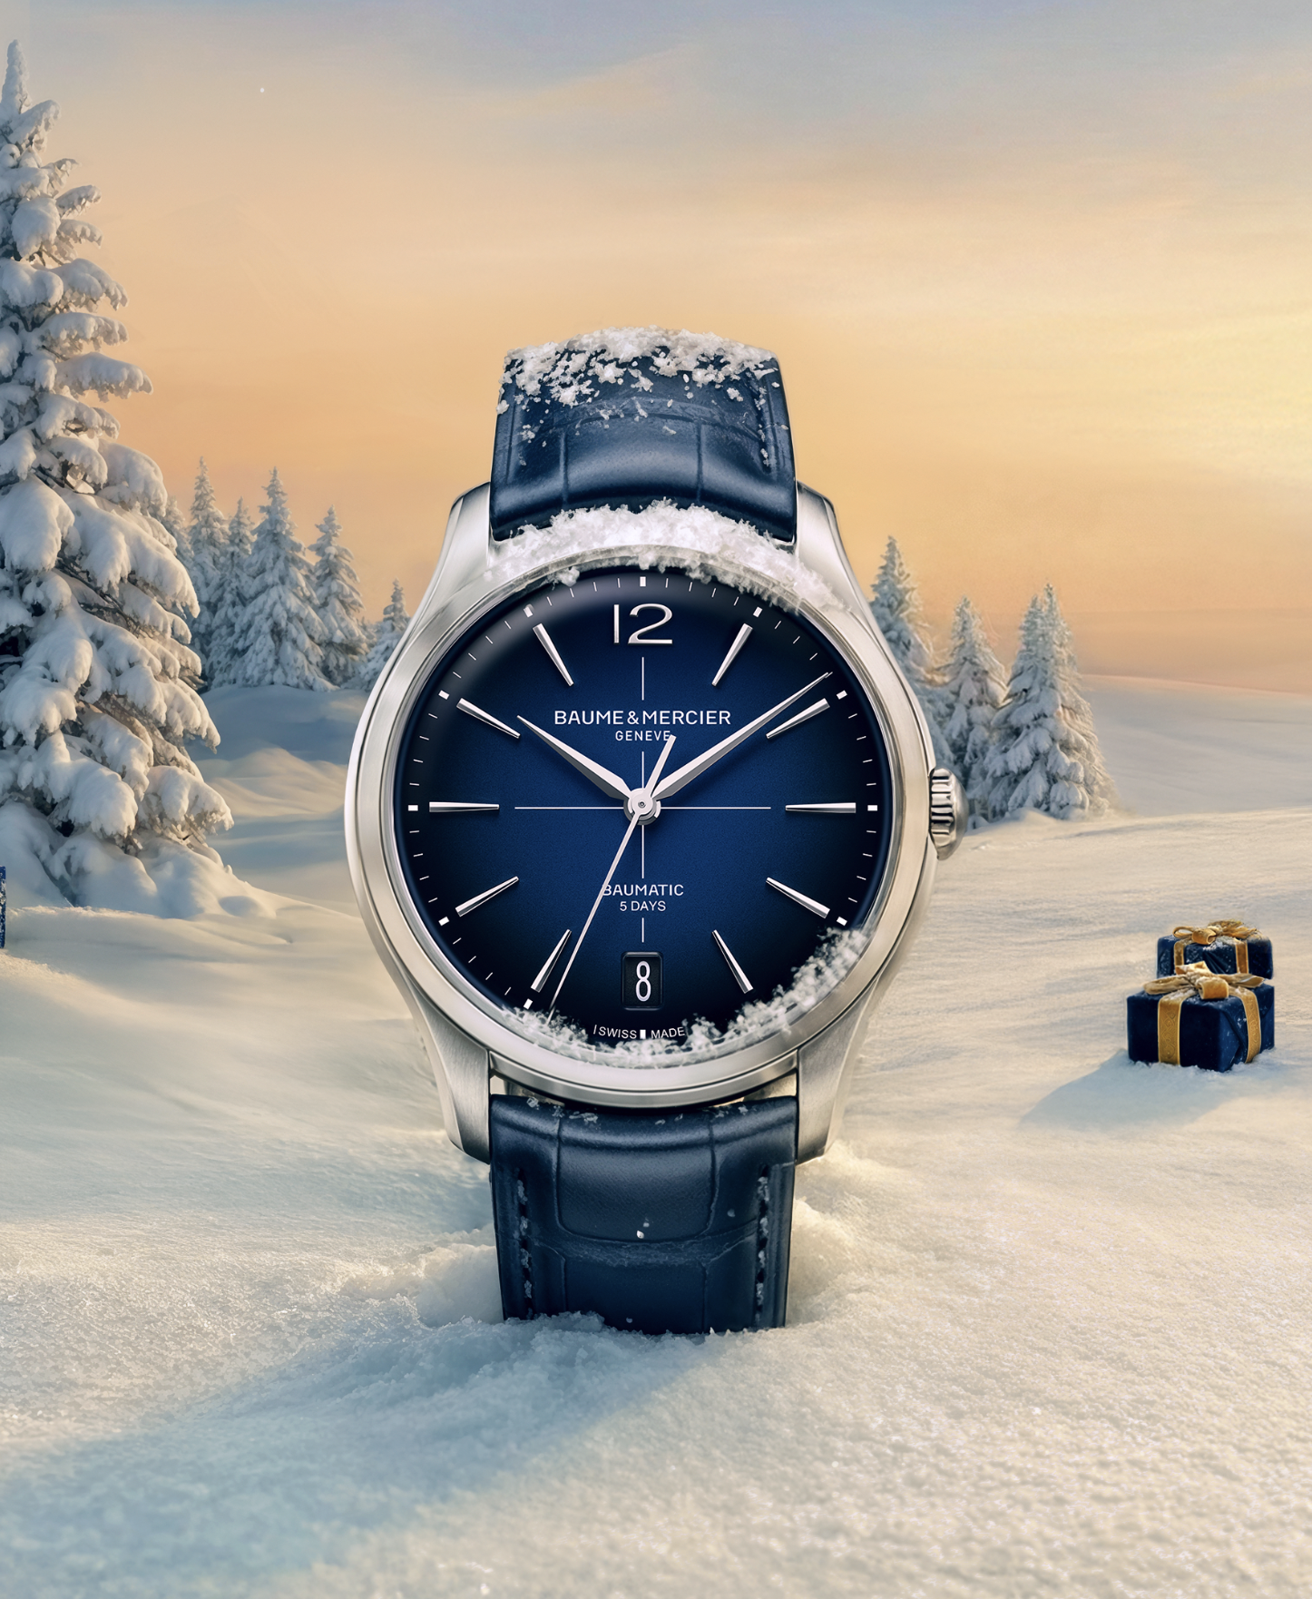 video clifton |  
Text | The perfect gift - Celebrate with our iconic dodecagonal case to complement your look. Our Riviera collection brings a breath of sea breeze to hte heart of the Holiday Season. -- Riviera 10829 42mm, Automatic, Stainless steel case, Grey, Satiné, Sunray dial, Date aperture at 3 o'clock, 38-hours Power Reserve, Fast Strap technology - Interchangeable strap system. -- #BaumeEtMercier #Riviera #Celebration | At Baume & Mercier, celebrating means honoring special moments and the emotions that mark it. It means making every significant moment in life a unique and unforgettable event. The Clifton collection represents a refined energy, a symbol of great successes and pivotal moments -- Clifton 10771 39mm, Automatic, Stainless steel case, Gradient blue lacquered dial, self-winding Baumatic movement, 5-day power reserve, Interchangeable blue alligator strap. -- #BaumeEtMercier #Clifton #Celebration | Choose an unforgettable gift. A Clifton timepiece carries the expression of style and emotion through the legacy of the round and thin watches characteristic of the 1950s. Equipped with the Baumatic movement, the collection is a guarantee of precision, durability and reliability. -- Clifton 10771 39mm, Automatic, Stainless steel case, Gradient blue lacquered dial, self-winding Baumatic movement, 5-day power reserve, Interchangeable blue alligator strap. -- #BaumeEtMercier #Clifton #Celebration | When seconds become memories; and watches, symbols. Make your next timepiece one of them by choosing a Hampton with its bold design and strong connections for moments of self-expression. -- Hampton 10795 Small size, Quartz, 5 ATM Water-Resistance, Interchangeable black leather strap with alligator pattern. -- #BaumeEtMercier #Hampton #Celebration | $
Date | JANUARY 1st
Image | STILL HAMPTON TO COME
Text | Baume & Mercier wishes you a Happy New Year, filled with joy, moments shared with your loved ones and unforgettable memories. -- Hampton 10795 Small size, Quartz, 5 ATM Water-Resistance, Interchangeable black leather strap with alligator pattern. -- #BaumeEtMercier #Hampton #Celebration |  |  |  | $

