APRIL
Date | April 1st MORNING (Riviera 10827 REEL) | April 1st AFTERNOON | April 1st | April 2nd | April 2nd
Image |  |  | 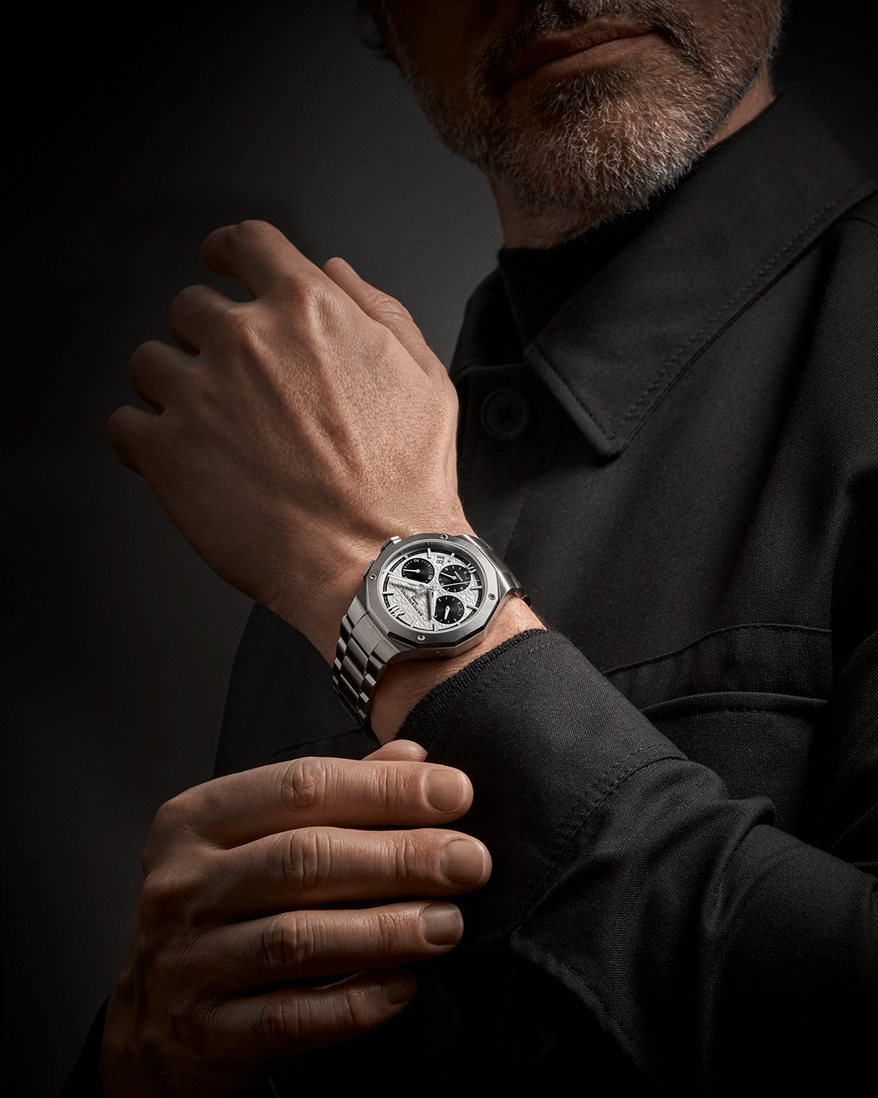 | 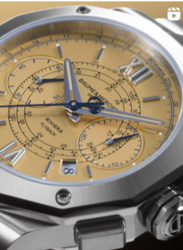 | 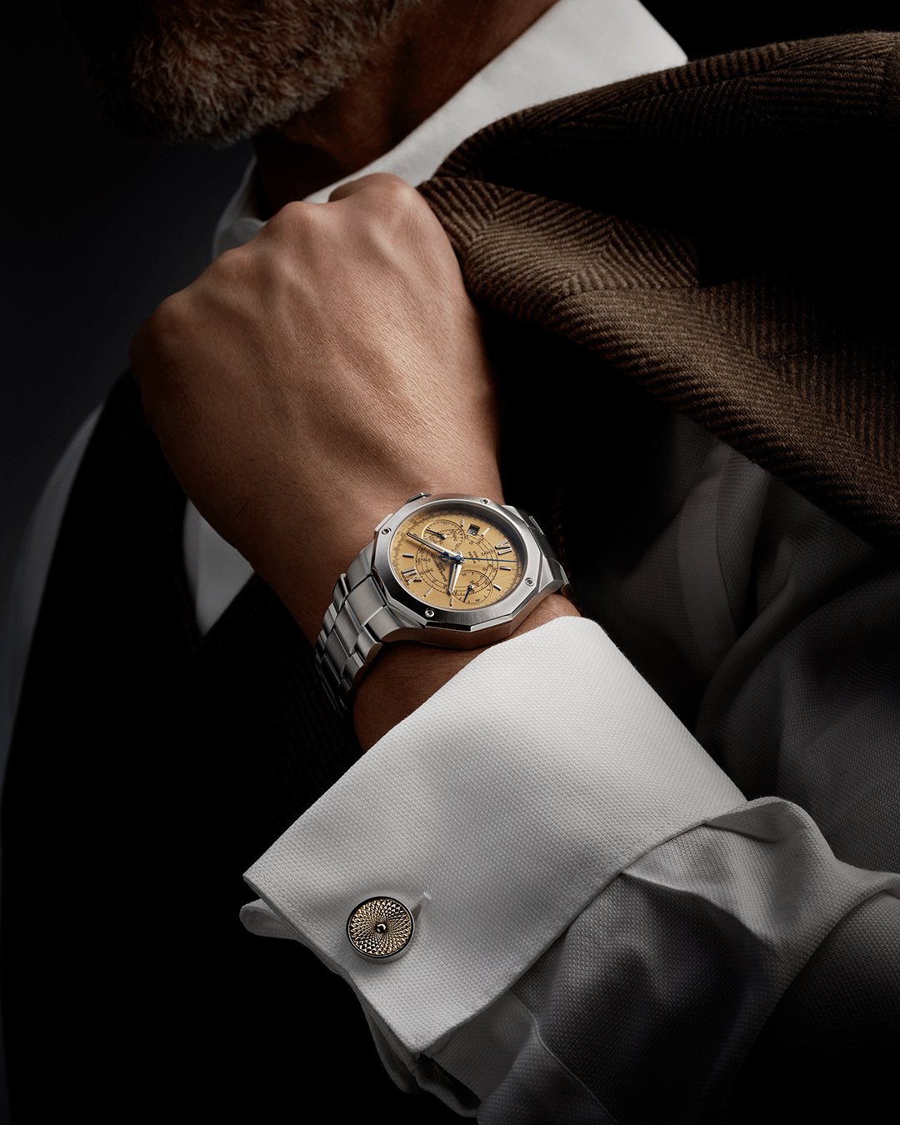 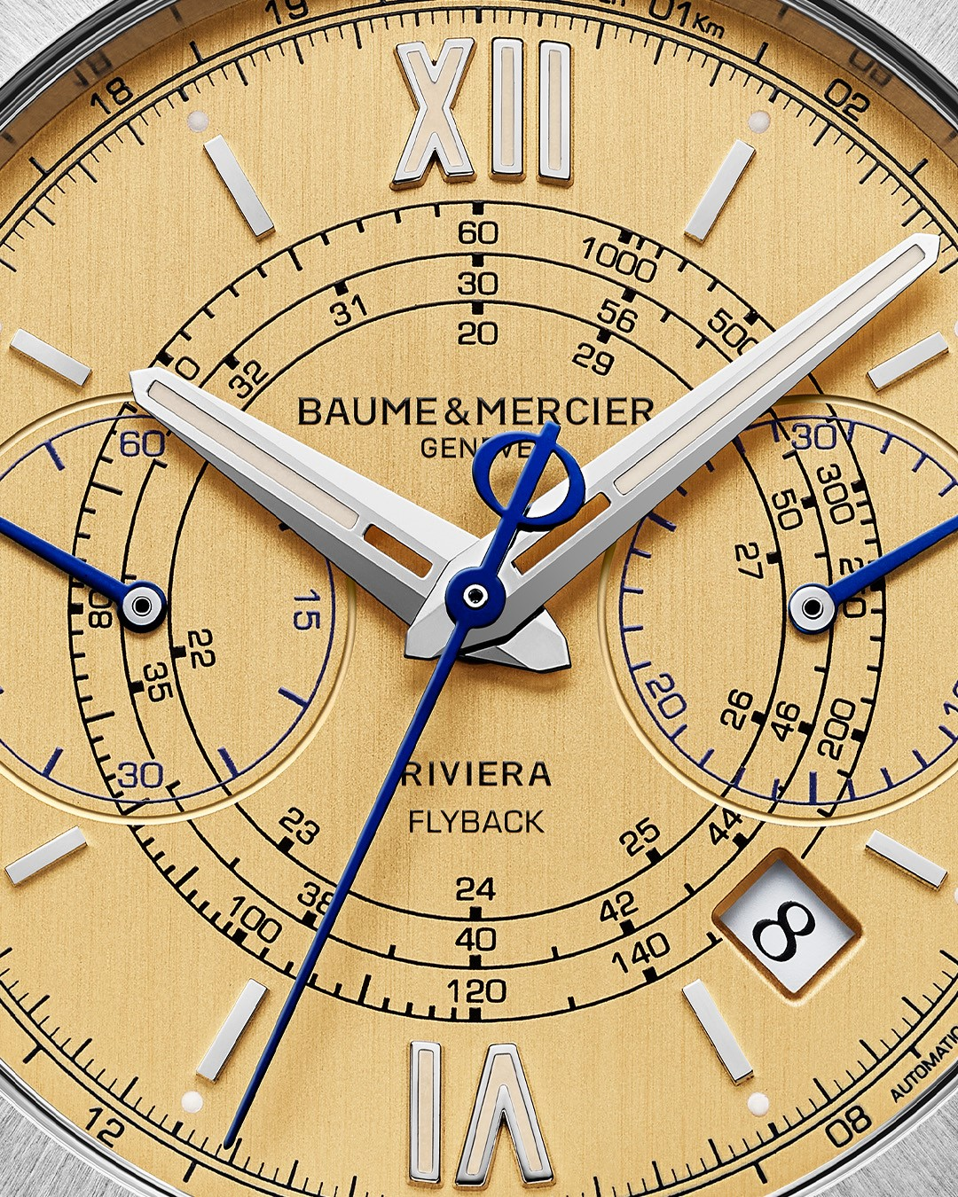 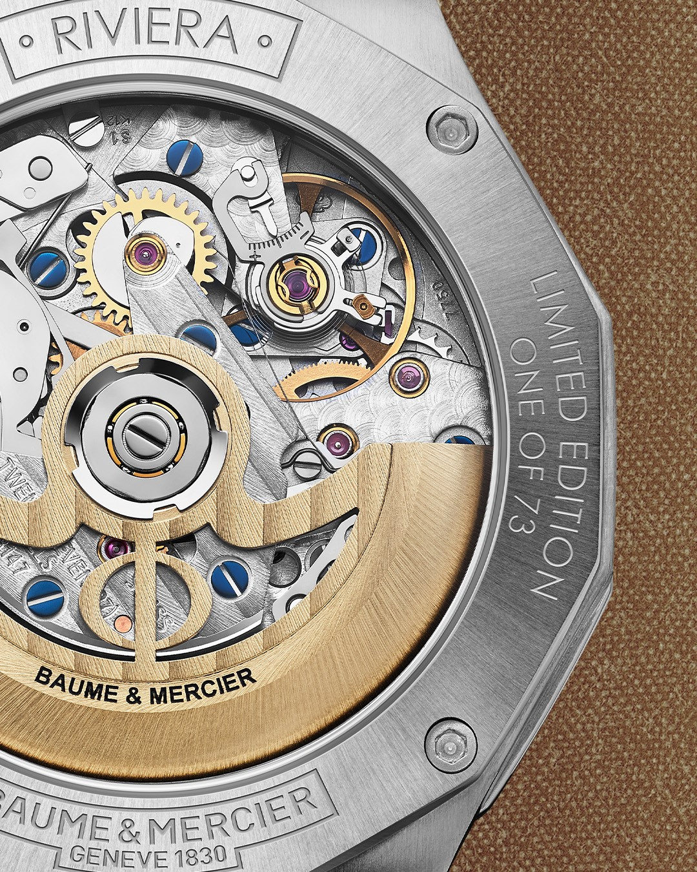
Text | This year at Watches & Wonders, it's all about "The Art of Balance", where form, function and heritage come together. We use our expertise in form design to create captivating timepieces and introduce practicality with features such as a new version of our Riviera Chronograph. Balancing the notions of "chronos" and "kairos," our new Riviera Chronograph Black & White lets you measure time with precision for all moments of action, while reminding you to savor every moment. It's about finding harmony in every day and celebrating the beauty of life's special moments. -- #BaumeEtMercier #TheArtOfBalance #Form #Function #Heritage #Riviera #Since73 #WatchesAndWonders2025 #WWG25 #WatchesOfInstagram #InstaWatch #WatchOfTheDay #LuxuryTimepiece | The new Riviera Chrono Black & White: where precision meets style. Our new chronograph in 41mm is designed to master time in its finest form. Full of contrasts, this chronograph features a white dial with a distinctive wave pattern, bordered by a black outer flange. -- #BaumeEtMercier #TheArtOfBalance #Form #Function #Heritage #Riviera #Since73 #WatchesAndWonders2025 #WWG25 #WatchesOfInstagram #InstaWatch #WatchOfTheDay #LuxuryTimepiece | Embrace the contrast. The Riviera Chronograph Black & White Panda, inspired by the Maison's chronographs from the golden age of the 1950s, redefines modern watch design with its striking monochrome palette. It's a bold statement for the contemporary individual. --- #BaumeEtMercier #TheArtOfBalance #Form #Function #Heritage #Riviera #Since73 #WatchesAndWonders2025 #WWG25 #WatchesOfInstagram #InstaWatch #WatchOfTheDay #LuxuryTimepiece | Inspired by our heritage, the new Riviera Flyback Chronograph is a timepiece that merges a vintage touch with modern flair. The Riviera Flyback Chronograph—limited to 73 timepieces, echoing the year of the Riviera collection's birth—features a flyback function, telemeter, tachymeter, and a beautifully crafted luminous gilded brushed vertical dial contrasted with blue counter hands. Vintage vibes and modern mechanics: this timepiece celebrates the timeless elegance of Baume & Mercier. -- #BaumeEtMercier #TheArtOfBalance #Form #Function #Heritage #Riviera #Since73 #WatchesAndWonders2025 #WWG25 #WatchesOfInstagram #InstaWatch #WatchOfTheDay #LuxuryTimepiece | Throwback time! Our Riviera Flyback Chronograph echoes the golden age of Baume & Mercier chronographs from the 1950s through its gilded dial, black tachymeter and telemeter scales, and blue accents on the hands. This limited edition of just 73 timepieces—a number that pays tribute to the launch year of the Riviera collection, 1973—embodies the quintessence of the chronograph. -- #BaumeEtMercier #TheArtOfBalance #Form #Function #Heritage #Riviera #Since73 #WatchesAndWonders2025 #WWG25 #WatchesOfInstagram #InstaWatch #WatchOfTheDay #LuxuryTimepiece |  | $

Date | April 2nd | April 3rd | April 3rd | April 3rd | April 4th
Image |  | 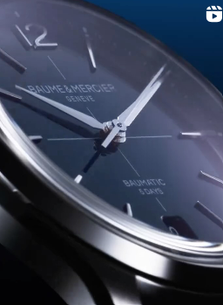 |  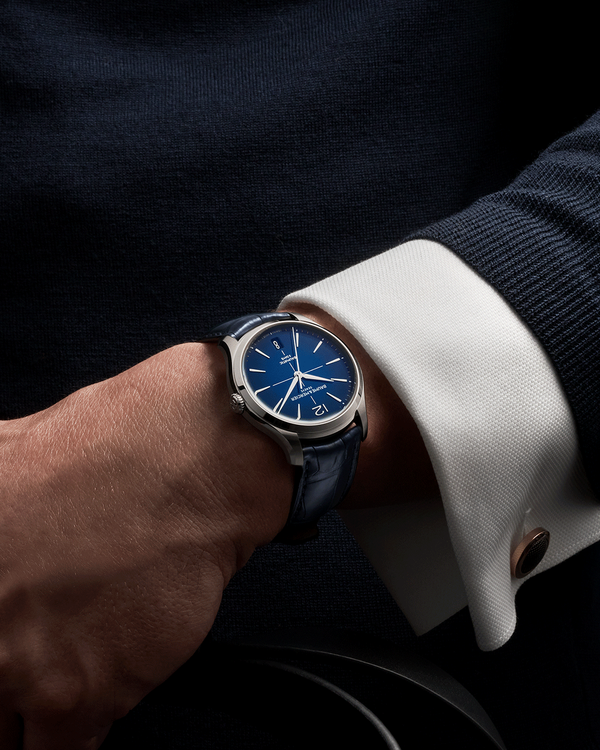 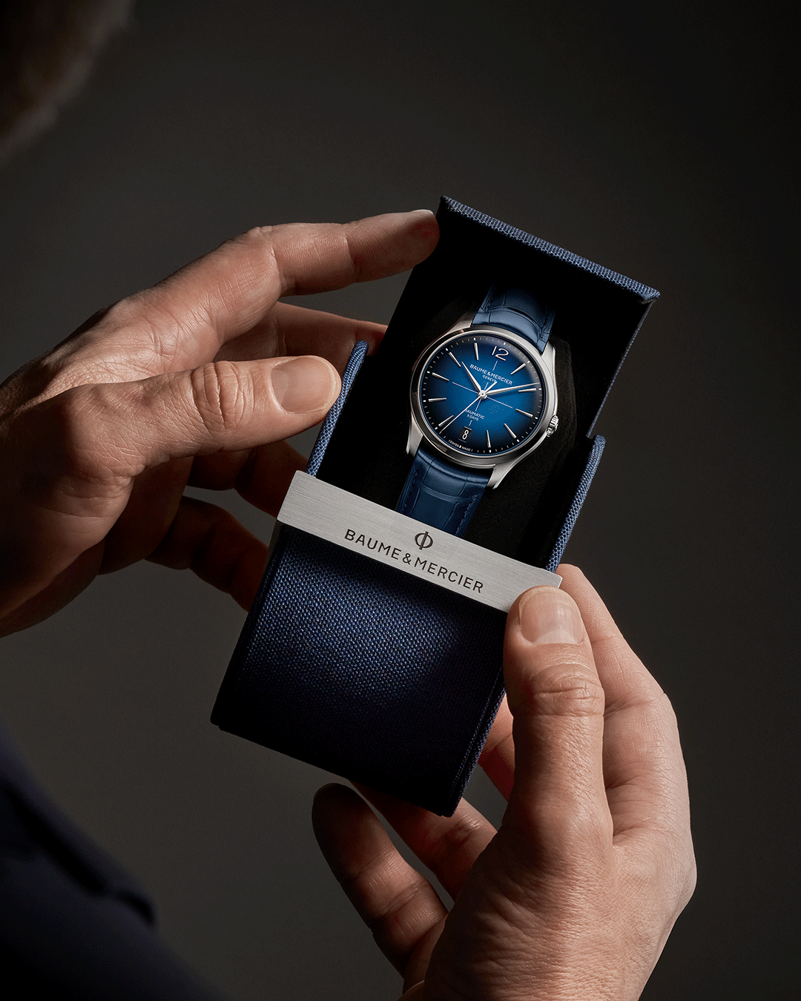 |  | 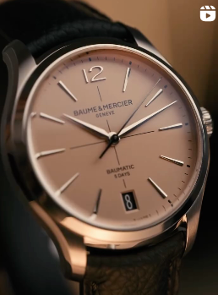
Text | A vintage touch, precise lines, and exceptional readability: The Riviera Flyback Chronograph Limited Edition. Admire the luminous brushed vertical gold dial, fine concentric detailing, and blued steel hands. Limited to 73 pieces, celebrating the Riviera's legacy since 1973. Explore the details. -- #BaumeEtMercier #TheArtOfBalance #Form #Function #Heritage #Riviera #Since73 #WatchesAndWonders2025 #WWG25 #WatchesOfInstagram #InstaWatch #WatchOfTheDay #LuxuryTimepiece | Elegance redefined. The new Clifton is a tribute to our legacy in dress watches that has started in the 1950's under the claim "Finely Crafted". The new Clifton features a redesigned case, a wider date display at 6 o'clock and an integrated crown for a more refined aesthetic, while keeping its signature gradient dial, and Baumatic manufacture movement. Time for a wristcheck! -- #BaumeEtMercier #TheArtOfBalance #Form #Function #Heritage #Clifton #WatchesAndWonders2025 #WWG25 #WatchesOfInstagram #InstaWatch #WatchOfTheDay #LuxuryTimepiece | Finesse reigns supreme: the refinement of the Clifton collection extends to every detail. The Clifton Baumatic 10771 features a gradient blue dial, rhodium-plated indexes, and a comfortable 39mm case. The Clifton collection beautifully demonstrates the perfect balance of contemporary and classic inspiration in a timepiece. -- #BaumeEtMercier #TheArtOfBalance #Form #Function #Heritage #Clifton #WatchesAndWonders2025 #WWG25 #WatchesOfInstagram #InstaWatch #WatchOfTheDay #LuxuryTimepiece | A touch of retro for you wrist? The new Clifton with a bright opaline salmon-hued dial sculpts each hour and calendar indication. This shade has a vintage charm filled with softness and warmth that was very sought-after in the 1930s and 1940s Pick this timepiece and explore the unlimited retro look with two interchangeable straps. Limited to 350 pieces. -- #BaumeEtMercier #TheArtOfBalance #Form #Function #Heritage #Clifton #WatchesAndWonders2025 #WWG25 #WatchesOfInstagram #InstaWatch #WatchOfTheDay #LuxuryTimepiece | Timeless elegance, reimagined, live from Watches & Wonders Geneva! The new Clifton draws inspiration from our iconic dress watches of the 1950s, blending vintage charm with modern sophistication. Discover a legacy on your wrist. -- #BaumeEtMercier #TheArtOfBalance #Form #Function #Heritage #Clifton #WatchesAndWonders2025 #WWG25 #WatchesOfInstagram #InstaWatch #WatchOfTheDay #LuxuryTimepiece
Date | April 4th MIDI | April 4th | April 5th MATIN | April 5th MIDI | April 5th APREM
Image | 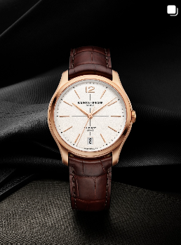 | 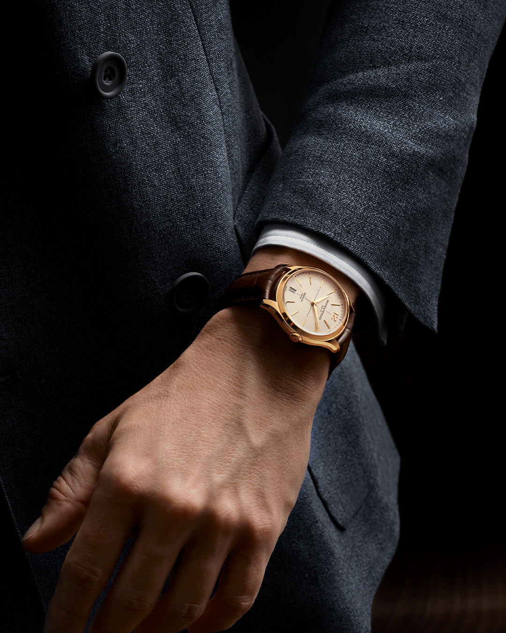 | 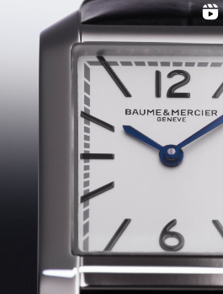 | 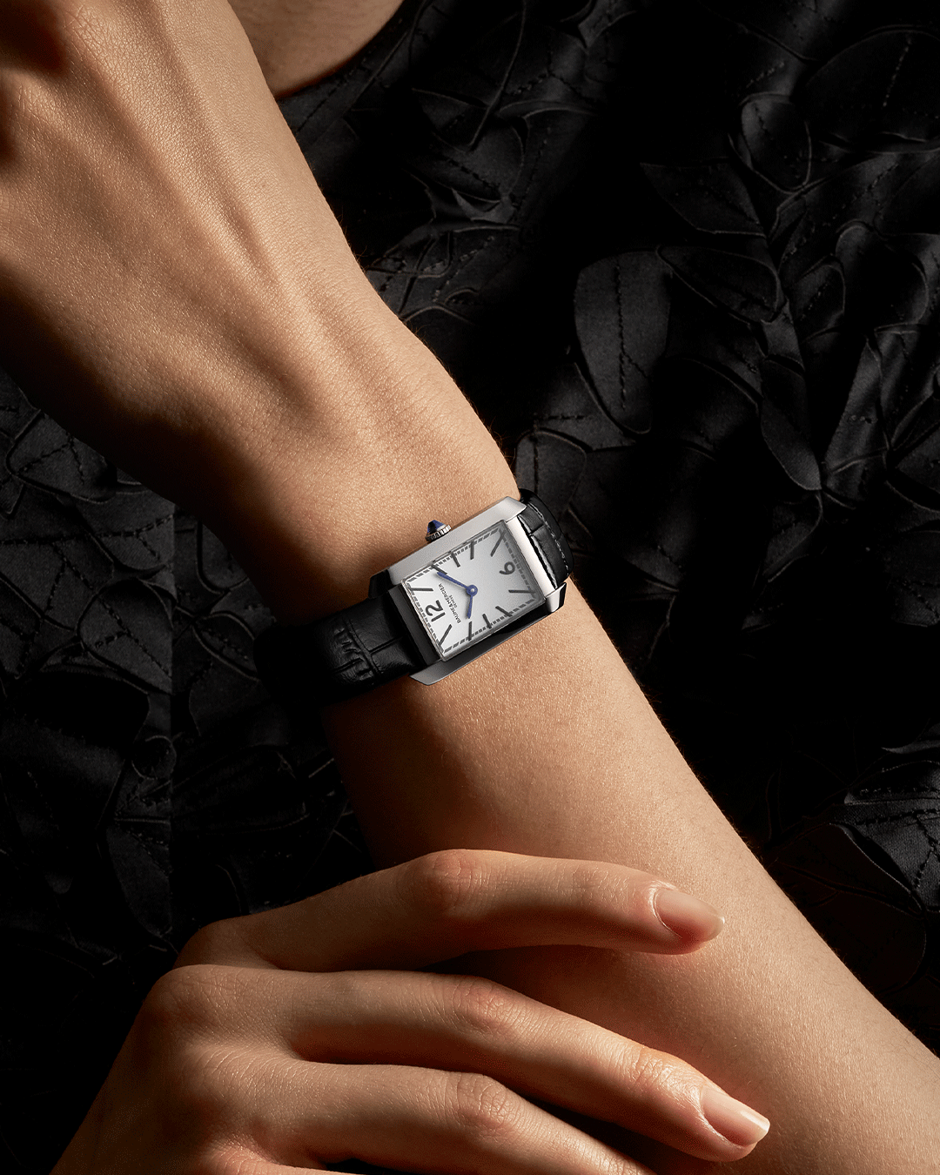 | 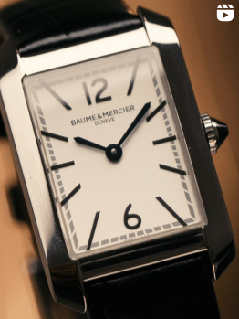
Text | Radiance and warmth. The new gold Clifton features a subtle off-white hue and a grained finish, adding depth and texture to the dial. With a diameter of 39 mm and a thickness of 11.22 mm, the iconic domed round case is crafted in satin-finished rose gold (750/1000). For alternative styles, discover the Clifton collection also available with striking blue and elegant salmon-hued dials in steel cases. The perfect timepieces for unforgettable moments. -- #BaumeEtMercier #TheArtOfBalance #Form #Function #Heritage #Clifton #WatchesAndWonders2025 #WWG25 #WatchesOfInstagram #InstaWatch #WatchOfTheDay #LuxuryTimepiece | Golden moments. The new gold Clifton: the epitome of a dress watch for your most special celebrations. It is created for the modern man: an aesthete, a lover of beautiful things and fine craftsmanship who is captivated by an elegance and refinement that traces its roots back to the 1950s. -- #BaumeEtMercier #TheArtOfBalance #Form #Function #Heritage #Clifton #WatchesAndWonders2025 #WWG25 #WatchesOfInstagram #InstaWatch #WatchOfTheDay #LuxuryTimepiece | The Hampton 10795 marks the return of a Hampton Classique, echoing the elegance of the first Hampton family born in 1994. From the silvery opaline dial to the blue spinel cabochon crown, every detail enhances its distinctive wrist presence. -- #BaumeEtMercier #TheArtOfBalance #Form #Function #Heritage #Hampton #WatchesAndWonders2025 #WWG25 #WatchesOfInstagram #InstaWatch #WatchOfTheDay #LuxuryTimepiece | Make a statement without saying a word. The Hampton 10795 commands attention with its distinctive wrist presence. This small size, very discreet yet striking timepiece, the silvery opaline dial and blue spinel cabochon crown create a captivating combination of sophistication and style. -- #BaumeEtMercier #TheArtOfBalance #Form #Function #Heritage #Hampton #WatchesAndWonders2025 #WWG25 #WatchesOfInstagram #InstaWatch #WatchOfTheDay #LuxuryTimepiece | The new Hampton M0A10795, unveiled at Watches & Wonders 2025 and available from May, carries forward this architectural representation of time. Its “small” size makes it a delicate, feminine piece that nestles ideally against a woman’s wrist. Such a slender silhouette and fine proportions magnificently enhance its distinctive elegance. -- #BaumeEtMercier #TheArtOfBalance #Form #Function #Heritage #Hampton #WatchesAndWonders2025 #WWG25 #WatchesOfInstagram #InstaWatch #WatchOfTheDay #LuxuryTimepiece | 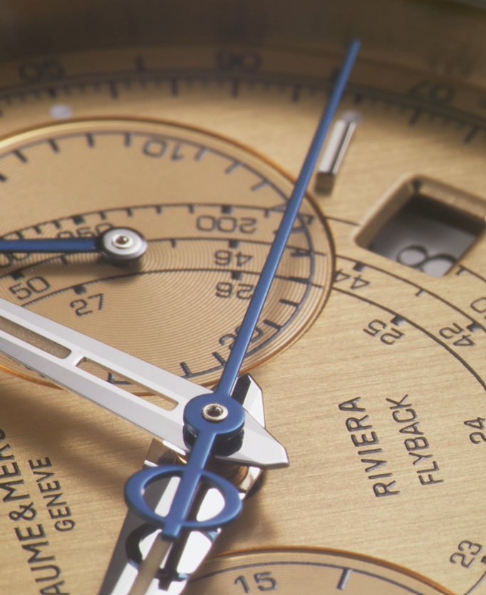
Date | April 18th (FILM) | April 22nd (CARROUSEL + VIDEO LIFESTYLE) | April 24th (CARROUSEL + FILM PRODUIT) | April 26th (CARROUSEL) | April 28th (FILM)
Image | 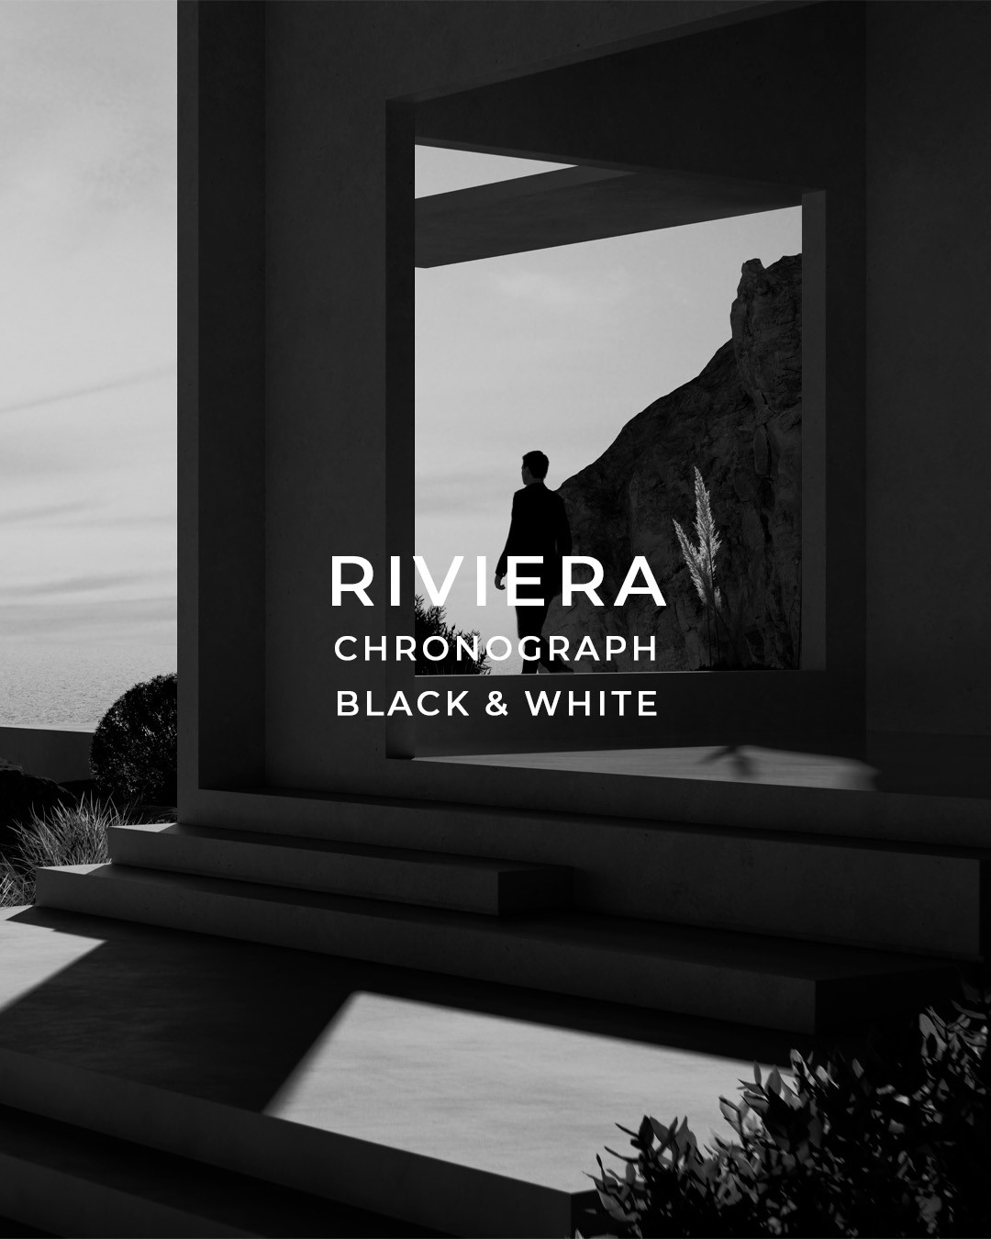 |  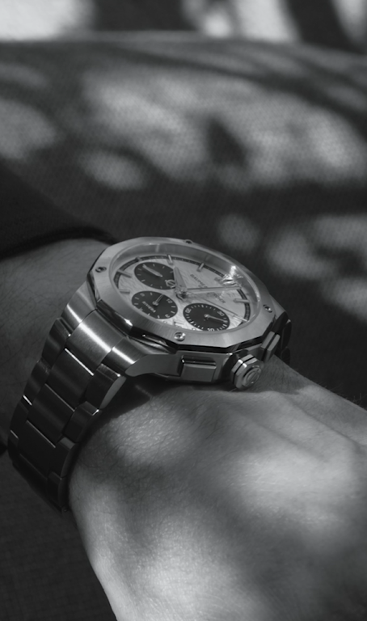 | 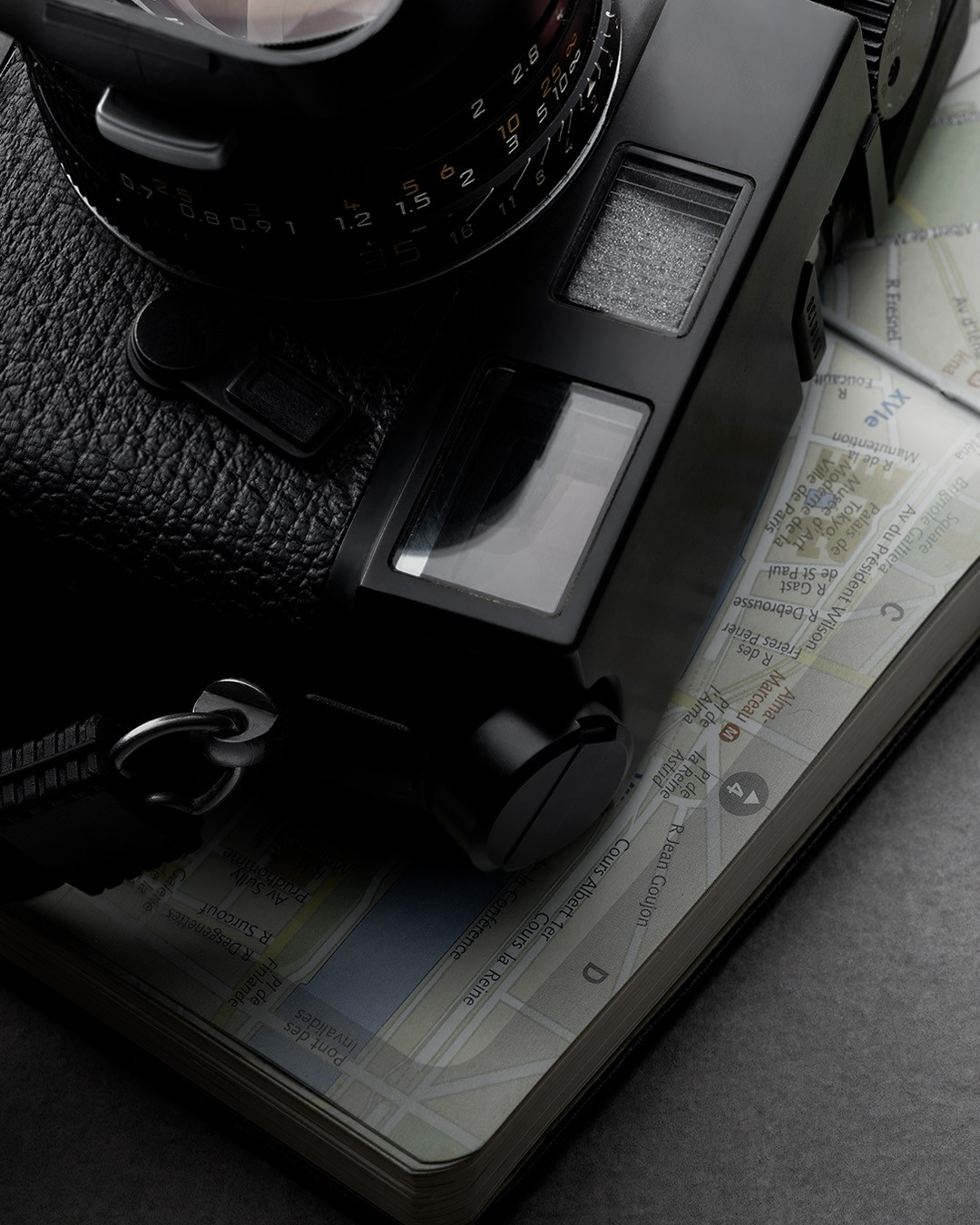 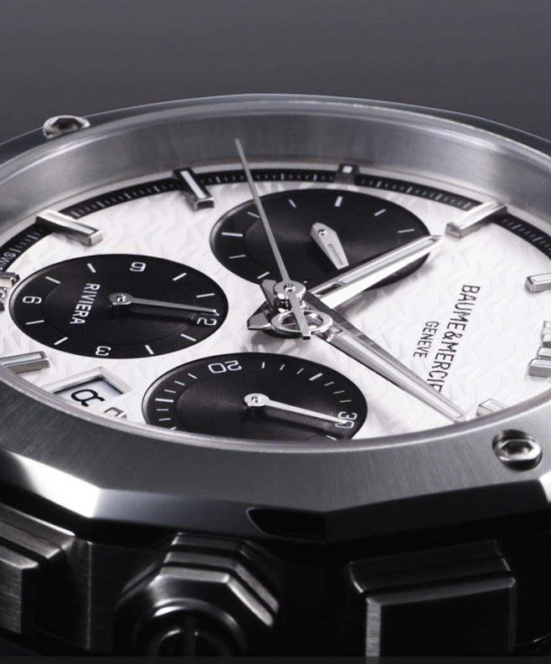 |  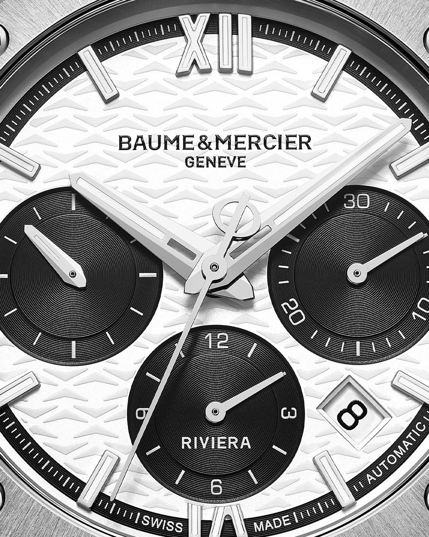 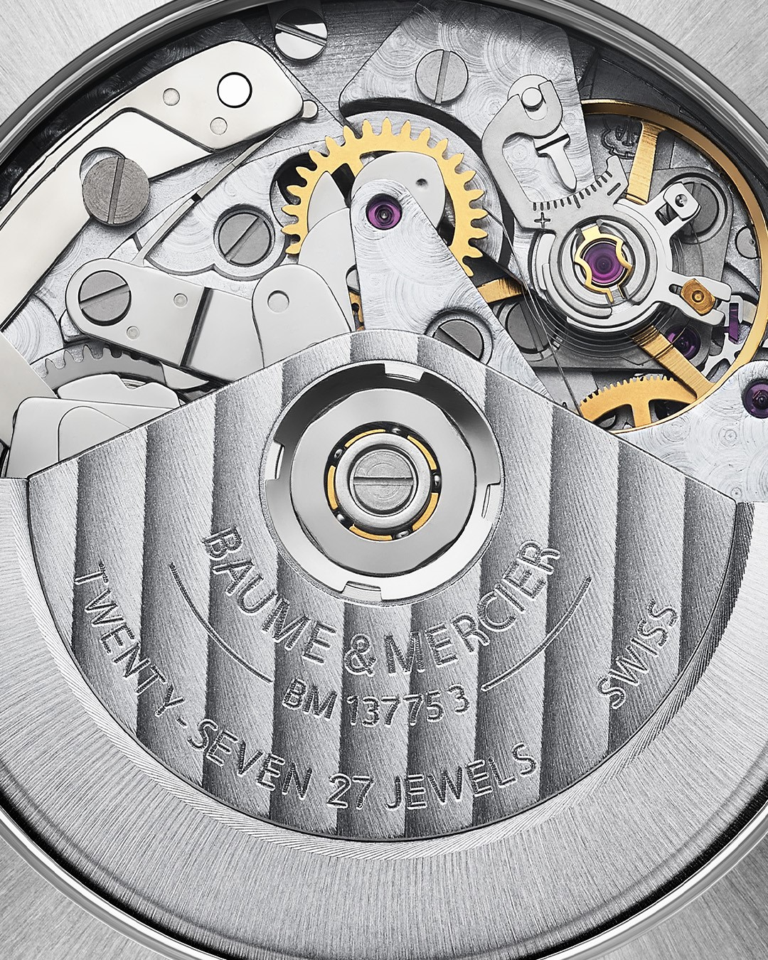 | 
Text | Like a photographer seizing fleeting moments and illuminating their emotional intensity, the Riviera Chronograph Black & White helps you find harmony in life's contrasts. This stylish companion, with its 1950s-inspired black and white dial embodying the beauty of balance, is dedicated to accompanying you through every moment. Explore the new Riviera collection, unveiled at Watches and Wonders. -- Riviera Chronograph - 10827 -- #BaumeEtMercier #Form #Function #Heritage #Riviera #Since73 #WatchesAndWonders2025 #WWG25 #WatchesOfInstagram #InstaWatch #WatchOfTheDay #LuxuryTimepiece | Black & White Riviera Chronograph. Elegance and performance in perfect harmony. -- #BaumeEtMercier #TheArtOfBalance #Form #Function #Heritage #Riviera #Since73 #WatchesAndWonders2025 #WWG25 #WatchesOfInstagram #InstaWatch #WatchOfTheDay #LuxuryTimepiece | Own your time, own your life. Our new Riviera Chronograph 10827 is for the confident man who appreciates timeless quality and nearly 200 years of watchmaking excellence. Its striking black and white dial evokes balance and harmony. -- #BaumeEtMercier #TheArtOfBalance #Form #Function #Heritage #Riviera #Since73 #WatchesAndWonders2025 #WWG25 #WatchesOfInstagram #InstaWatch #WatchOfTheDay #LuxuryTimepiece | Are you the master of your own time? Find your balance. The Riviera Chronograph 10827 showcases a striking black and white dial that embodies the perfect blend of heritage and modernity. -- #BaumeEtMercier #TheArtOfBalance #Form #Function #Heritage #Riviera #Since73 #WatchesAndWonders2025 #WWG25 #WatchesOfInstagram #InstaWatch #WatchOfTheDay #LuxuryTimepiece | 200 Years of excellence, reimagined. Discover this year's novelties and embrace life's challenges with style. -- #BaumeEtMercier #TheArtOfBalance #Form #Function #Heritage #Riviera #Since73 #WatchesAndWonders2025 #WWG25 #WatchesOfInstagram #InstaWatch #WatchOfTheDay #LuxuryTimepiece
Date | April 30th | April 30th
Image |  | 
Text | Every detail counts. Take a closer look towards the Riviera 10827. The embossed Phi logo and black line bring finesse to the free octagonal crown. -- #BaumeEtMercier #TheArtOfBalance #Form #Function #Heritage #Riviera #Since73 #WatchesAndWonders2025 #WWG25 #WatchesOfInstagram #InstaWatch #WatchOfTheDay #LuxuryTimepiece | At Baume & Mercier, elegance and understatement always accompany creative freedom. The integrated three-row satin-finished stainless steel strap of the Riviera 10827 further heightens the refinement and character of the timepiece. -- #BaumeEtMercier #TheArtOfBalance #Form #Function #Heritage #Riviera #Since73 #WatchesAndWonders2025 #WWG25 #WatchesOfInstagram #InstaWatch #WatchOfTheDay #LuxuryTimepiece

