OCT INSTA & FB
Date | NOVEMBER 5th | NOVEMBER 10th | NOVEMBER 15th | NOVEMBER 20th
Image | 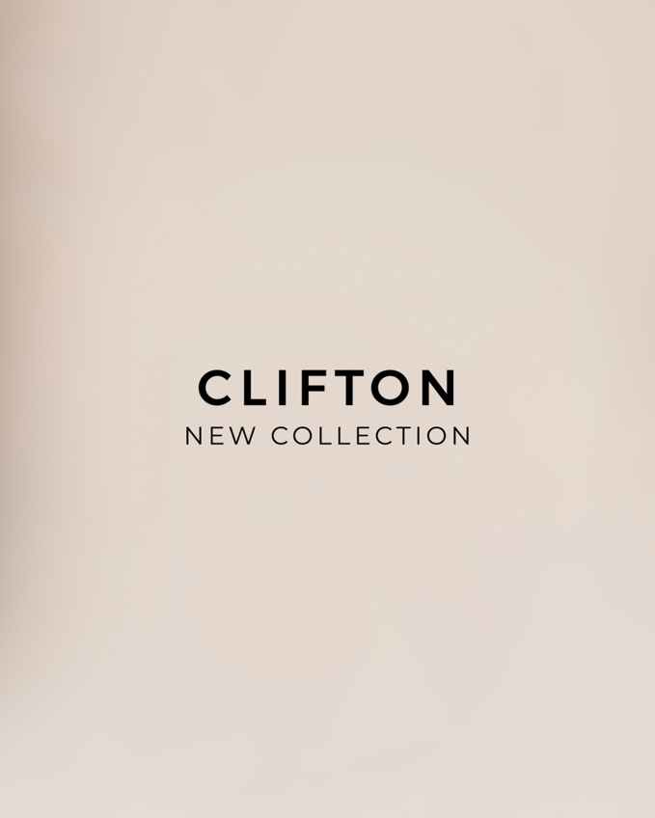  | 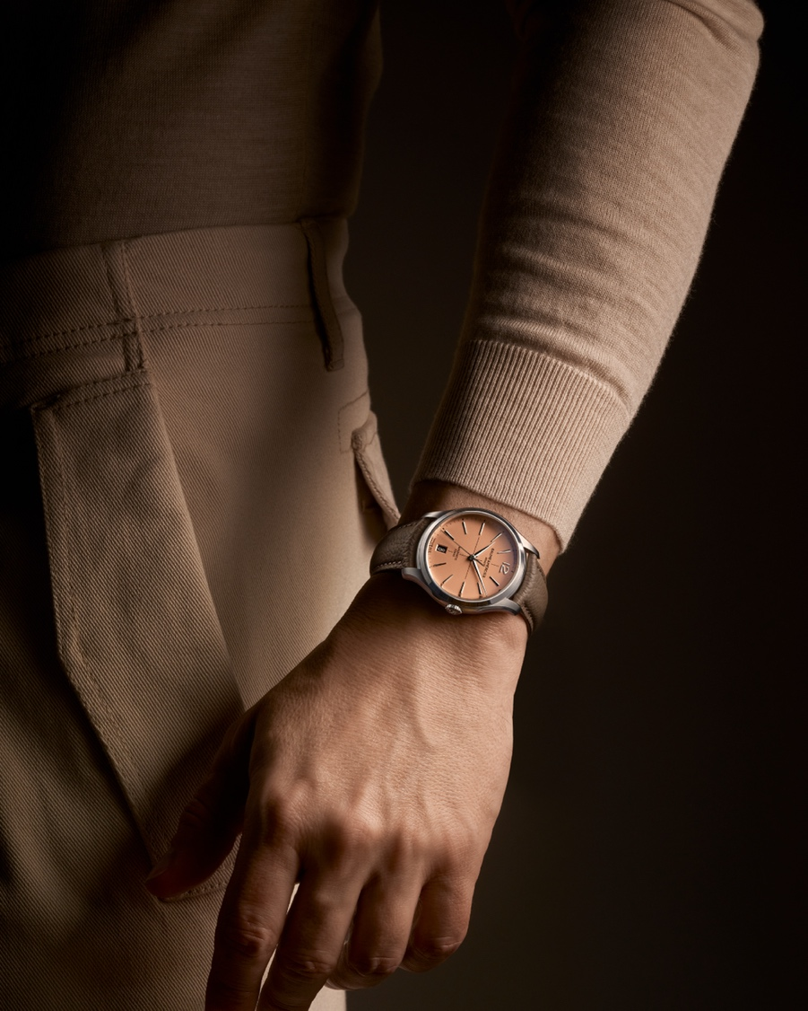 CLIFTON 10778 |    | 
Text | For the modern gentleman who values refinement, precision, and innovation: discover the Baume & Mercier Clifton collection's exciting new design. 195 years of refined creativity and watchmaking excellence. -- #BaumeEtMercier #Baumatic #TheArtOfBalance #Form #Function #Heritage #Clifton #WatchesOfInstagram #InstaWatch #WatchOfTheDay #LuxuryTimepiece | Meticulous color work meets technical achievement. Introducing a new timepiece featuring a stunning salmon dial, a 39mm stainless steel case, and the self-winding Baumatic movement. With interchangeable straps and a limited edition of 350, this watch is a true collector's item. -- #BaumeEtMercier #Baumatic #TheArtOfBalance #Form #Function #Heritage #Clifton #WatchesOfInstagram #InstaWatch #WatchOfTheDay #LuxuryTimepiece | Captivating at first glance: The new limited edition timepiece with a bright opaline salmon-hued dial, reminiscent of the 1930s and 40s. -- #BaumeEtMercier #TheArtOfBalance #Form #Function #Heritage #Clifton #WatchesAndWonders2025 #WWG25 #WatchesOfInstagram #InstaWatch #WatchOfTheDay #LuxuryTimepiece | Beyond the collection itself, the Clifton name evokes the renowned seaside destination in Cape Town, South Africa, and its elegant, laid-back spirit. The meticulous color work in pursuit of the ideal tone between rose and peach, and the perfect intensity between radiance and depth, reveals a timepiece with timeless refinement that immediately captivates the eye. -- #BaumeEtMercier #Baumatic #TheArtOfBalance #Form #Function #Heritage #Clifton #WatchesOfInstagram #InstaWatch #WatchOfTheDay #LuxuryTimepiece | $

