FEBRUARY
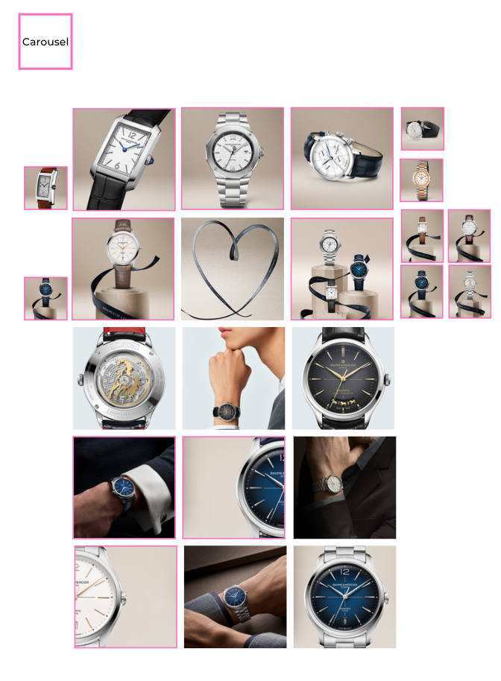
DATE | FEBRUARY 3rd | FEBRUARY 5th | FEBRUARY 7th
FORMAT | Static | Static | Static
IMAGE | 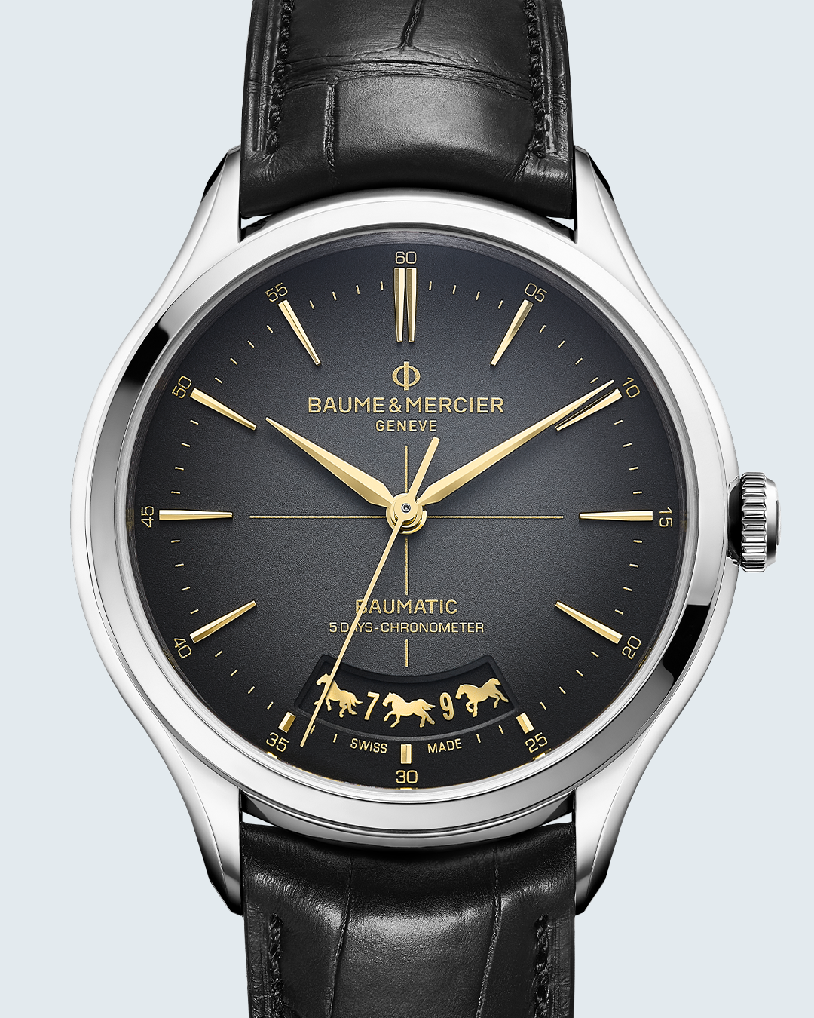 | 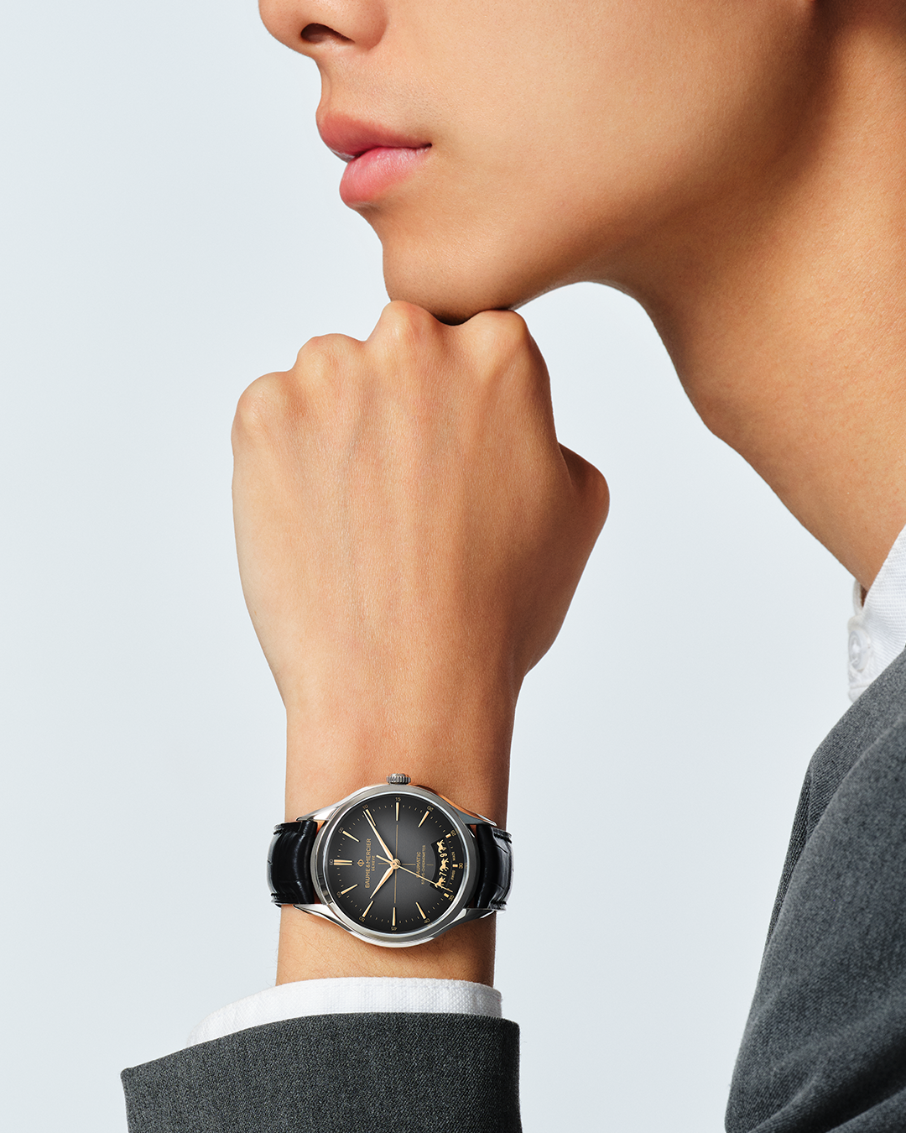 | 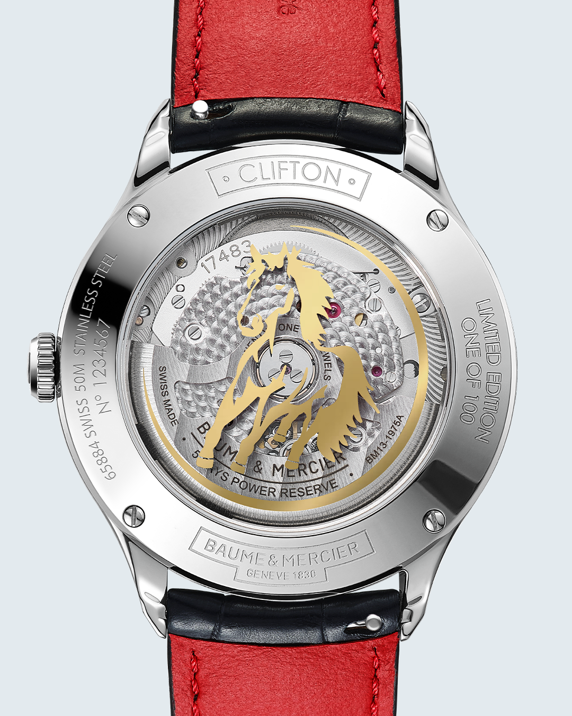
TEXT | As we gallop into the Year of the Fire Horse, our Maison proudly presents our limited edition: the Clifton 10839. The date aperture at 6 o’clock is enlarged to display the date both in Arabic numerals and Chinese characters, and to represent the even-numbered dates with images of a dashing horse. -- Clifton 10839 40mm, Self-winding Baumatic movement, date aperture at 6 o'clock enlarged to display the first character in Chinese and Arabic numerals alternating with images of a dashing horse. Limited to 100 pieces. -- #BaumeEtMercier #LunarNewYear #Celebrate #CliftonCollection #ExclusiveEdition | Celebrate new beginnings with elegance and precision. The Clifton 10839, an ode to the Year of the Fire Horse, is powered by our Baumatic Manufacture movement. A spirited 40mm timepiece for the discerning gentleman. -- Clifton 10839 40mm, Self-winding Baumatic movement, date aperture at 6 o'clock enlarged to display the first character in Chinese and Arabic numerals alternating with images of a dashing horse. Limited to 100 pieces. -- #BaumeEtMercier #LunarNewYear #Celebrate #CliftonCollection #Exclusiveedition | Experience the vibrant spirit of the Fire Horse with the Clifton 10839. The sapphire case back is adorned with a galloping stallion. The golden transfer silhouette appears to burst through the protective sapphire crystal. The red color - a hue heralding happiness, good fortune, and success – enlivens the flamboyant lining of the strap. -- Clifton 10839 40mm, Self-winding Baumatic movement, date aperture at 6 o'clock enlarged to display the first character in Chinese and Arabic numerals alternating with images of a dashing horse, Red lining of the strap. Limited to 100 pieces. -- #BaumeEtMercier #LunarNewYear #Celebrate #CliftonCollection #Exclusiveedition | $
DATE | FEBRUARY 9th | FEBRUARY 12th | FEBRUARY 14th
FORMAT | Static | Carousel | Carousel
IMAGE | 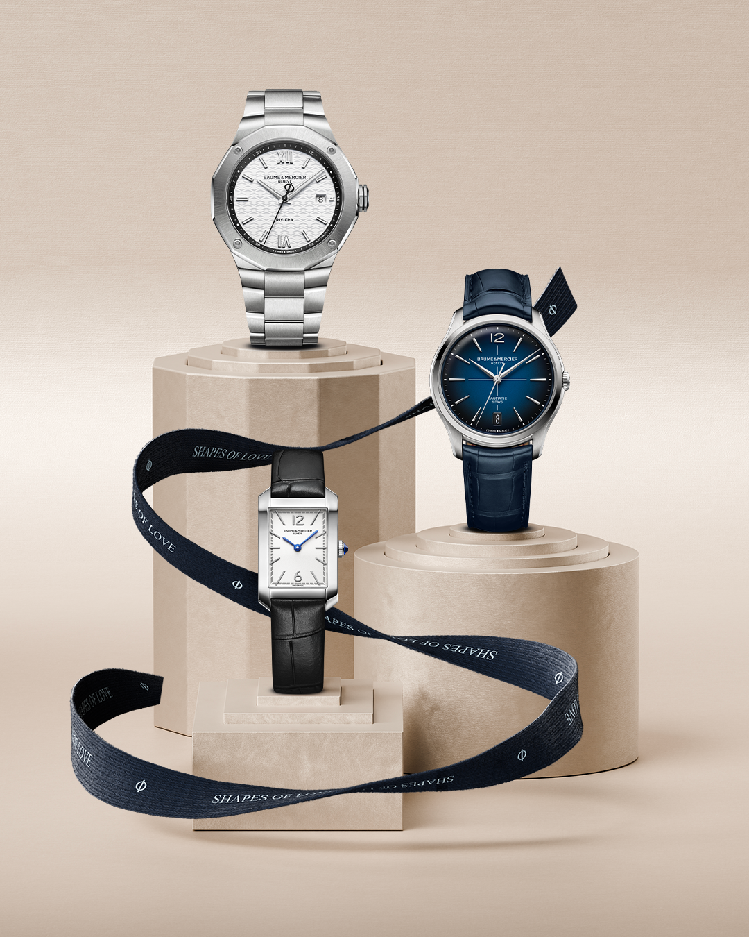 | 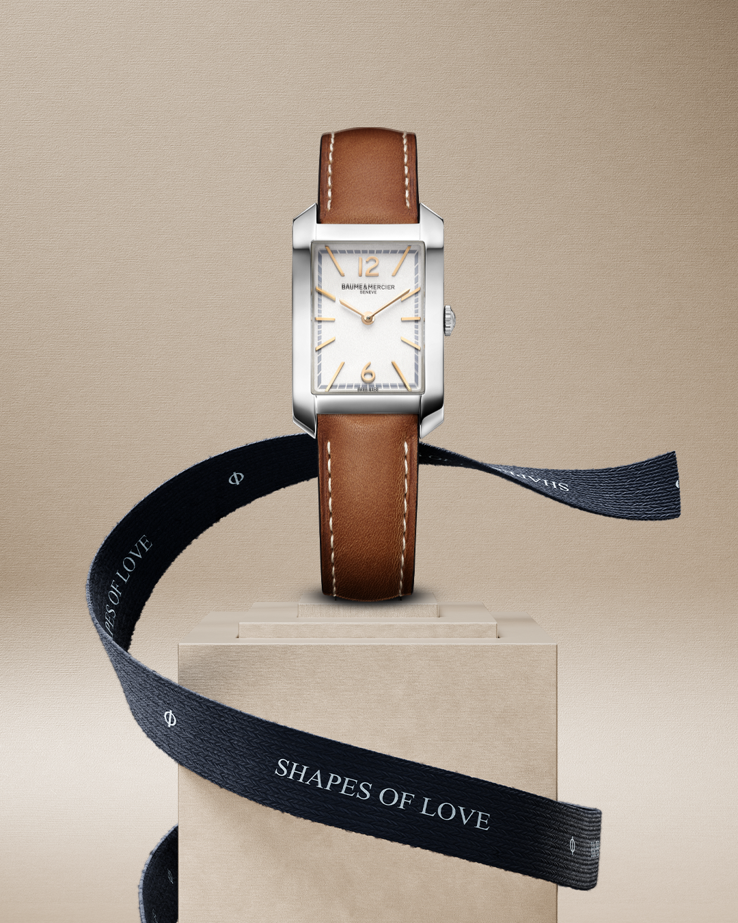 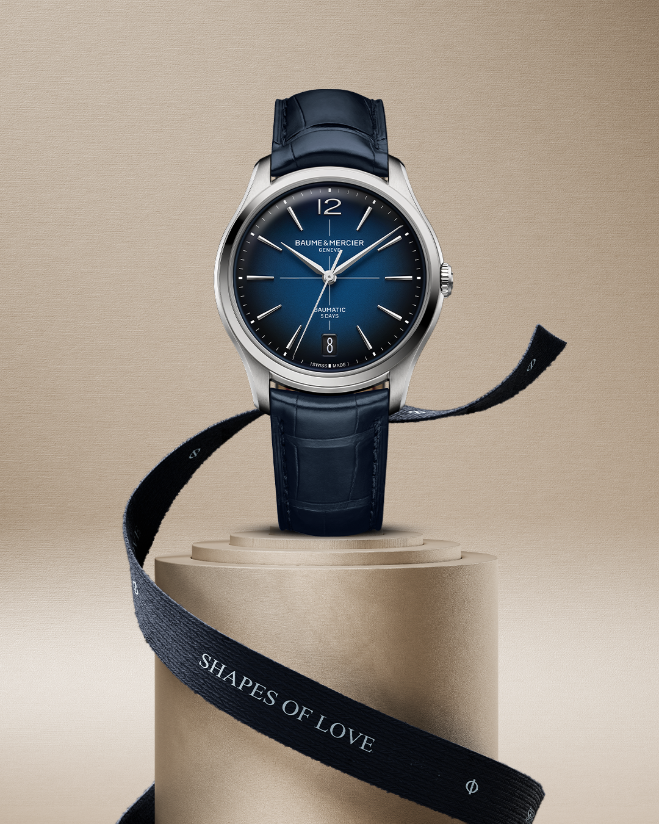 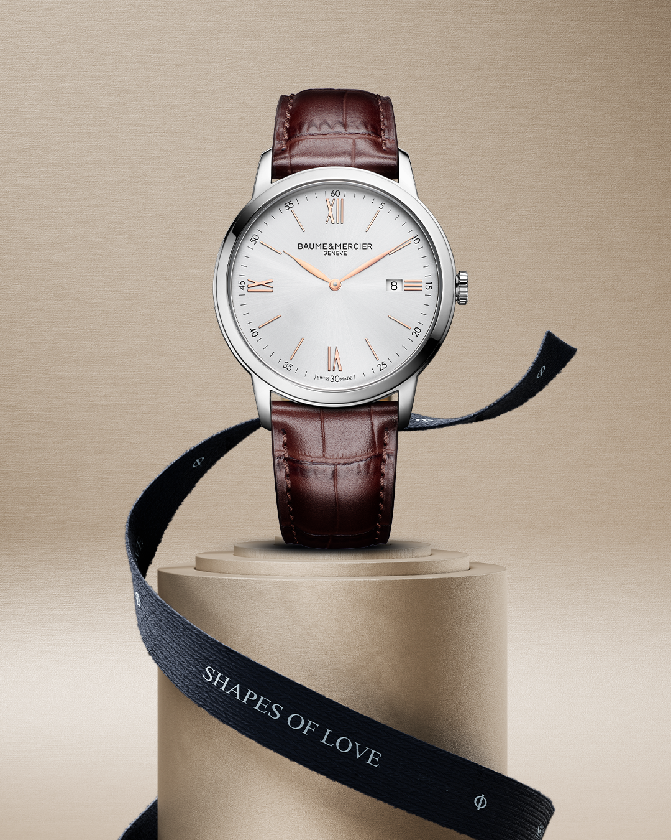 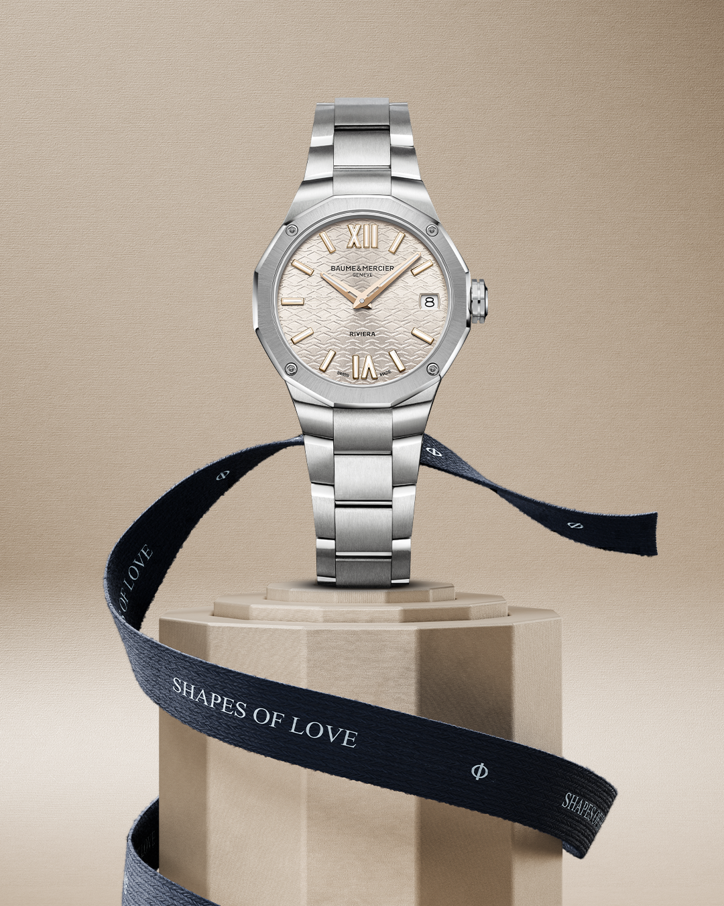 | 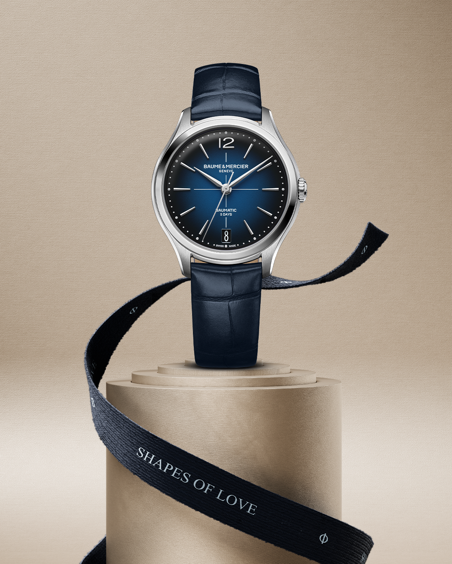 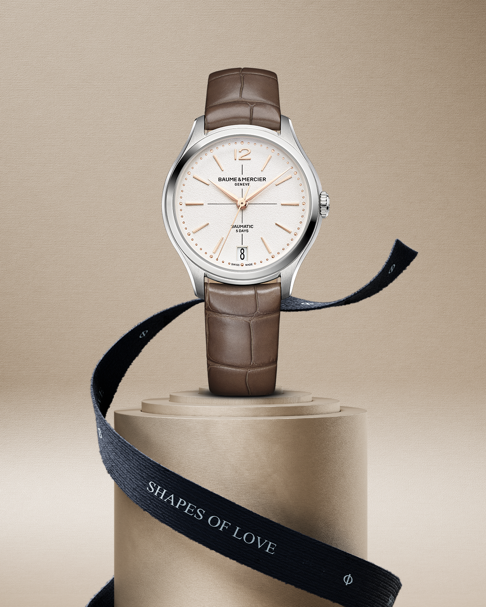
TEXT | Celebrate your love with one of our iconic collections. Each one of them has its own character, so you can find the perfect timepiece for your loved one. -- Riviera 10829 Clifton 10771 Hampton 10795 -- #BaumeetMercier #Celebratelove #ValentinesDay | A Baume & Mercier timepiece is more than a gift; it's a symbol of shared moments, and a beautiful reminder of time spent together. Swipe and find the perfect fit for your partner. -- Riviera 10810 Clifton 10771 Hampton 10472 Classima 10415 -- #BaumeetMercier #Celebratelove #ValentinesDay | A long lasting gesture to be treasured through time with our refined Clifton 34mm, equiped with our in-house Baumatic movement. Happy Valentine's Day! -- Clifton 10831 Clifton 10833 -- #BaumeetMercier #Celebratelove #ValentinesDay
DATE | FEBRUARY 21st | FEBRUARY 24th | FEBRUARY 27th
FORMAT | Carousel | Carousel | Carousel
IMAGE | 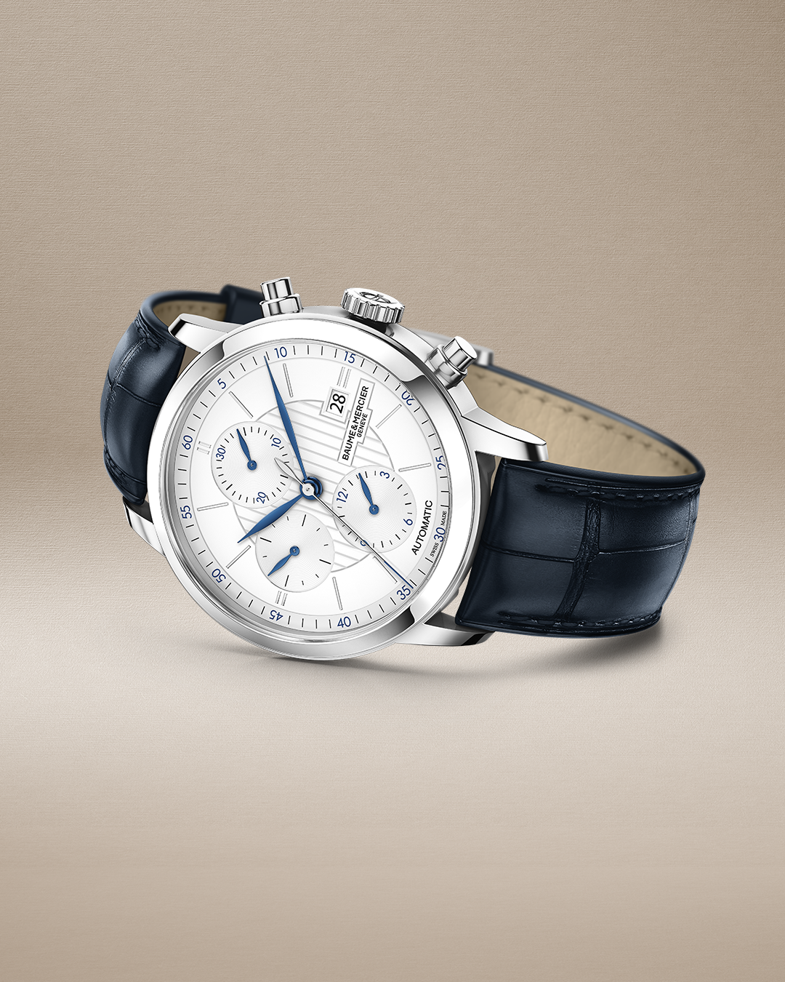 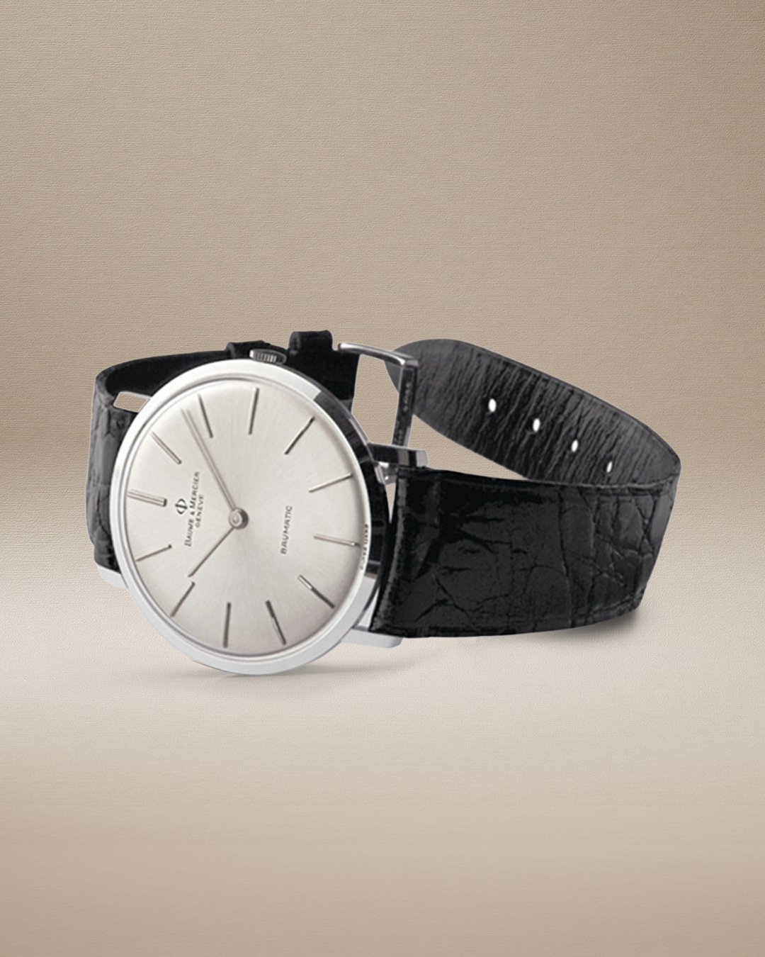 | 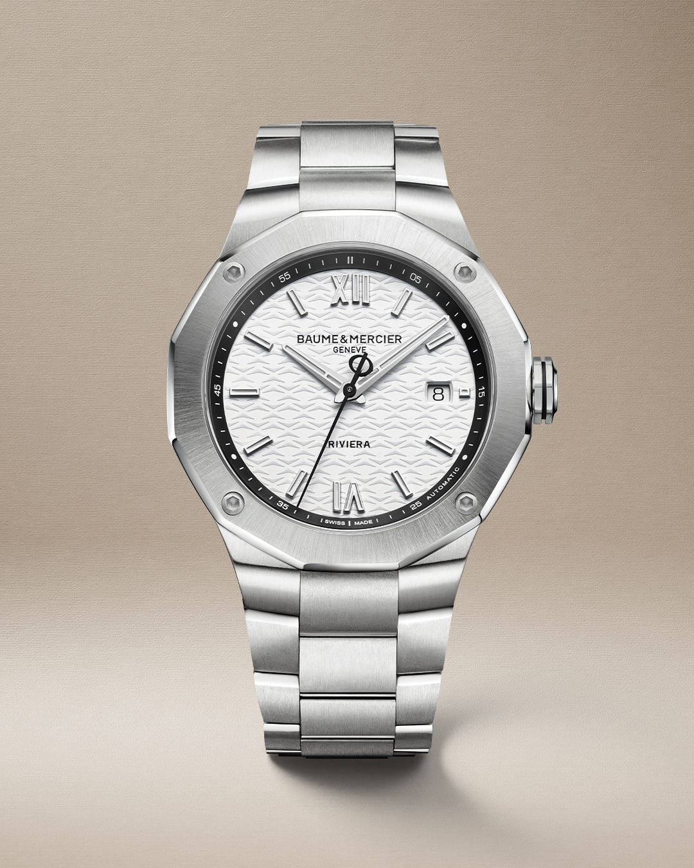 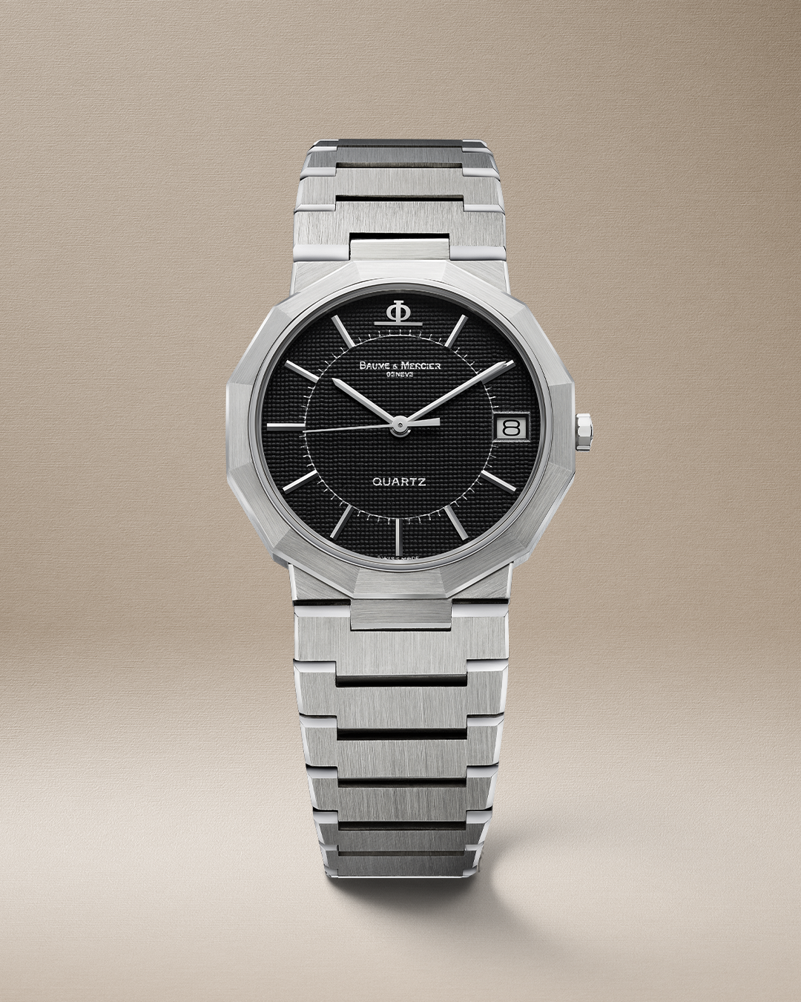 | 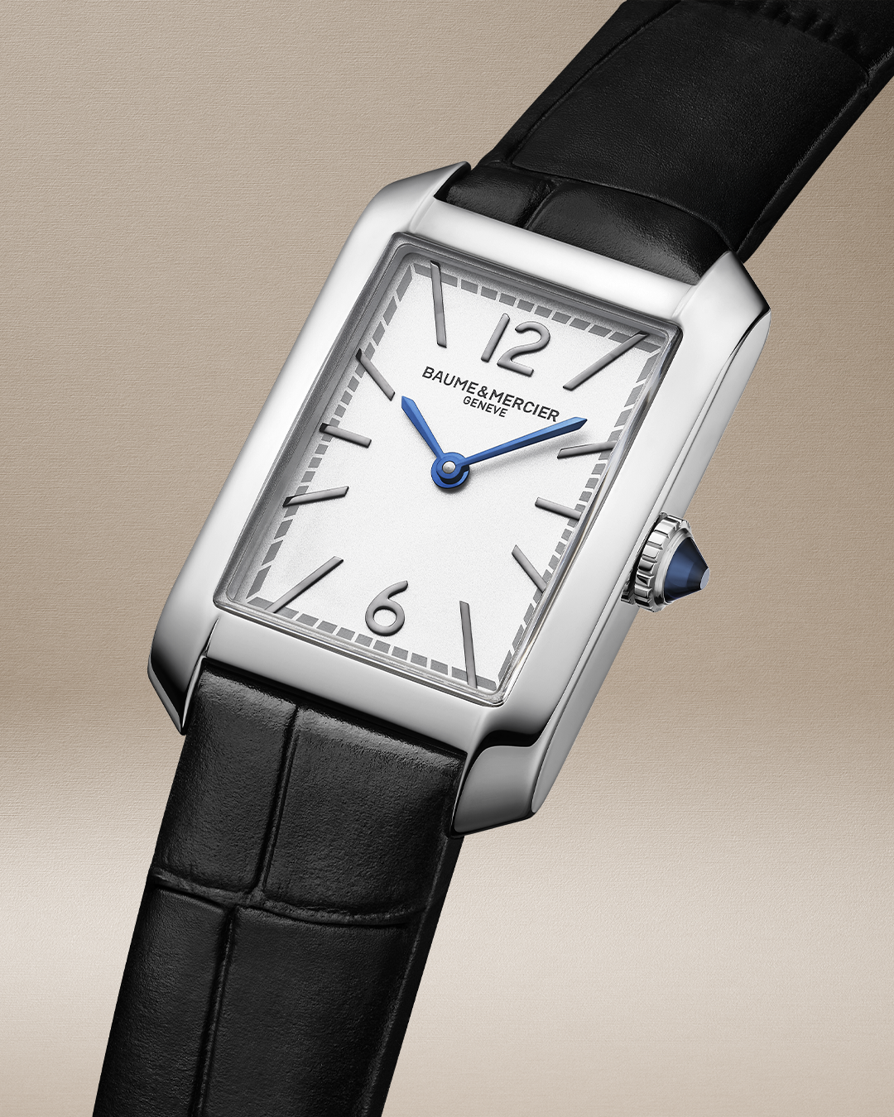 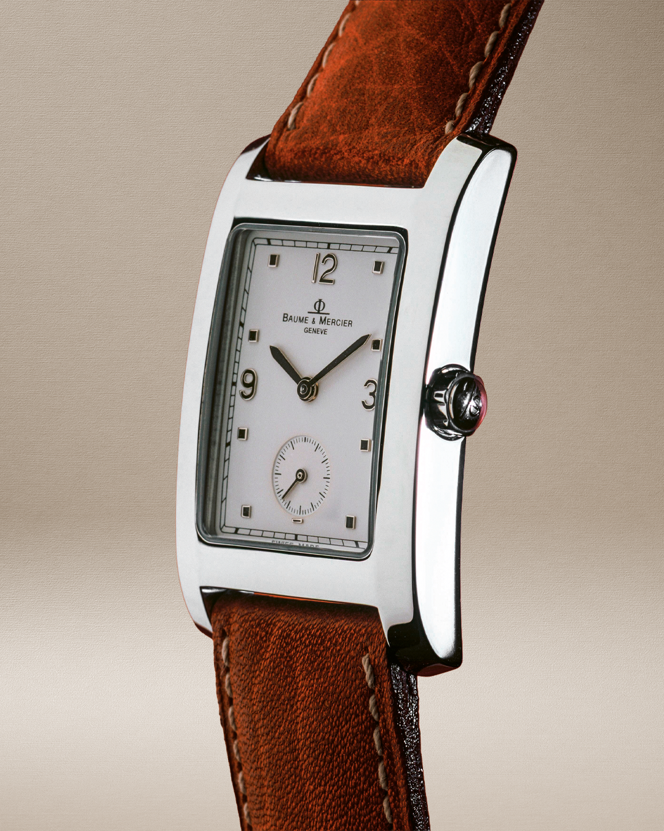
TEXT | THE ORIGINALS SERIES The iconic Classima, launched in 1997. Classic style, modernized in a commanding 42mm. Slim, elegant, and packed with precision: automatic, manual, or quartz movements, plus second time zone, chronograph, and small seconds. Swipe and discover the original design - The Classima collection -- #BaumeetMercier #ClassimaCollection #Swisswatchmaking #Since1830 #Heritagetimepieces | THE ORIGINALS SERIES Baume & Mercier launched a stylistic bombshell in 1973. The unique design of the Riviera, conceived by Jean-Claude Gueit, is based on the idea of ​​transforming a circle into an atypical shape by connecting the twelve numerals of the dial with straight line segments, defining the contour of the case. Swipe and discover the original design - The Riviera collection -- #BaumeetMercier #RivieraCollection #Swisswatchmaking #Since1830 #Heritagetimepieces | THE ORIGINALS SERIES 1994: Our Maison makes a bold statement, introducing the Hampton, a rectangular icon that carved out a new niche in the steel shaped watch market. Inspired by vintage Baume & Mercier pieces from the 30s-60s, its clean lines perfectly blend tradition and modernity. With a subtly curved case, it's designed for ultimate wrist comfort. Swipe and discover the original design - The Hampton collection -- #BaumeetMercier #HamptonCollection #Swisswatchmaking #Since1830 #Heritagetimepieces

