JUNE
Date | June 1st | June 3rd | June 5th | June 7th | June 9th
Image | 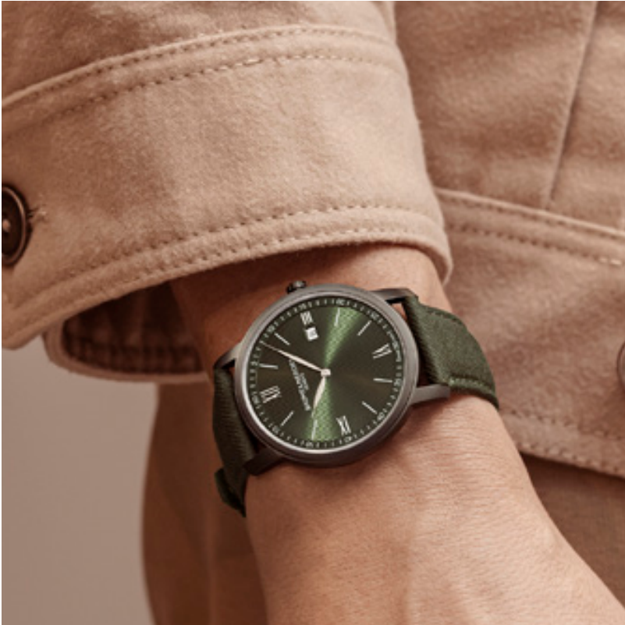 | 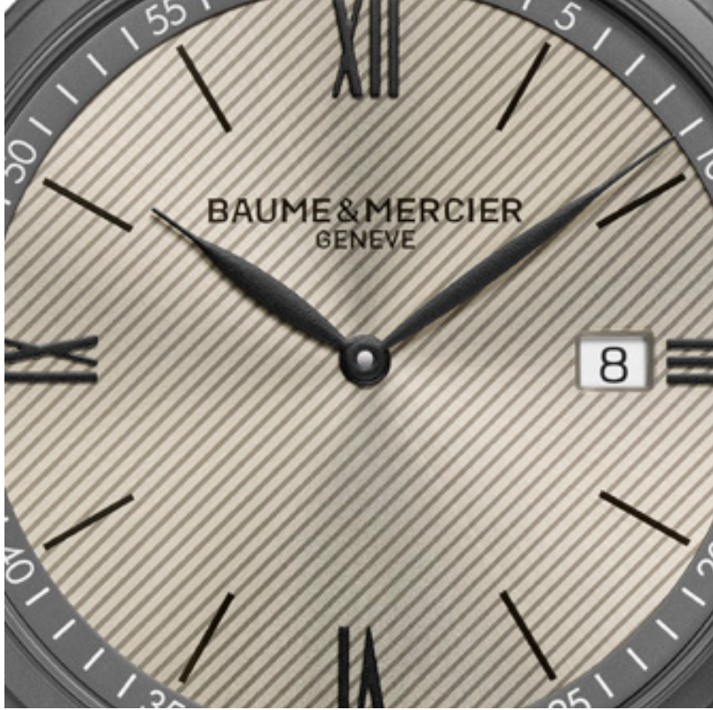 | 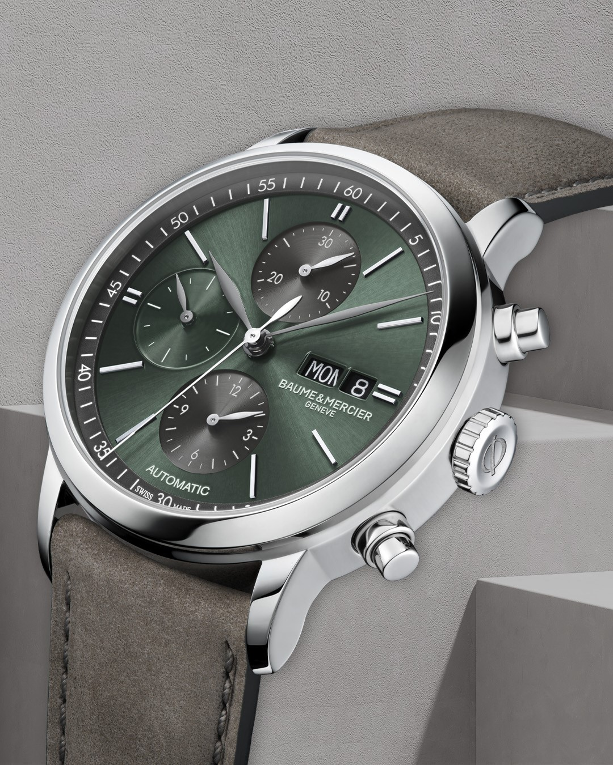 | 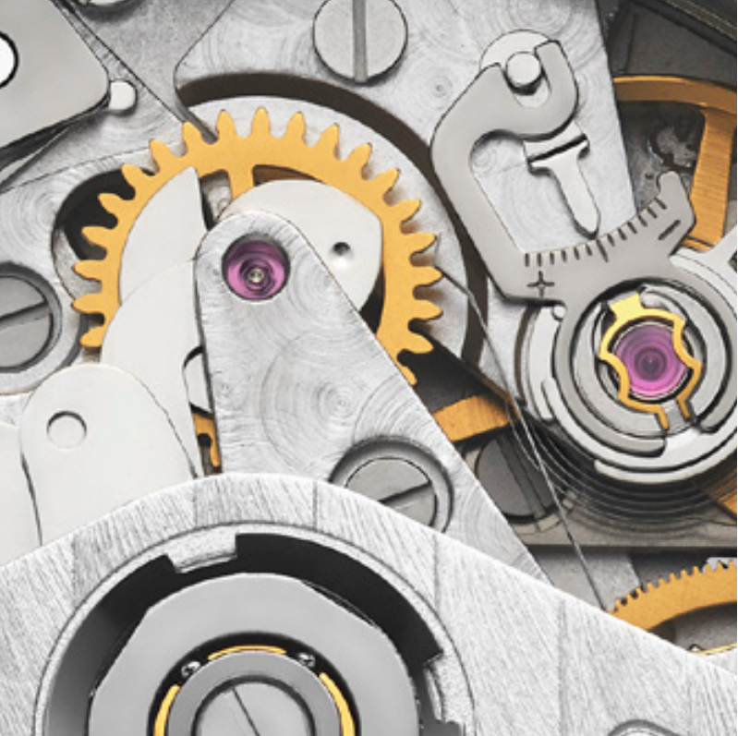 | 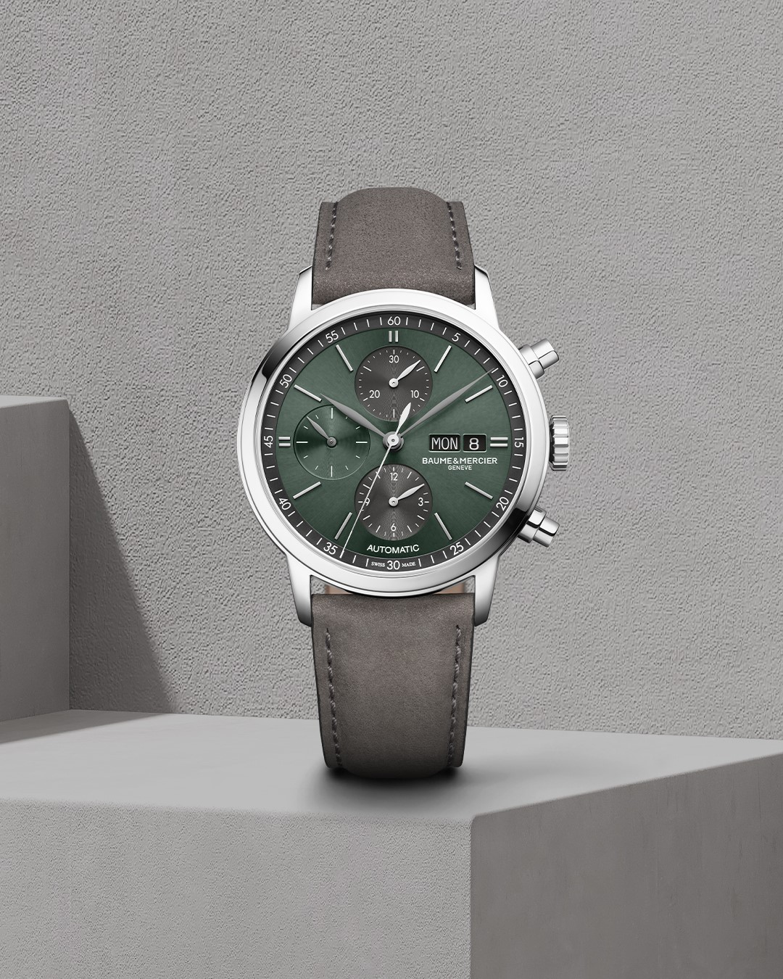
Text | The new Classima Quartz range features a thin steel case coated with an ADLC treatment, making it an elegant timepiece for every day combined with a sporty touch. -- Classima 10766 42 mm, Quartz, 5 years autonomy, Sandblasted steel-ADLC case, Scratch-resistant sapphire crystal, Interchangeable green fabric strap (wool) with tone-on-tone stitching. -- #BaumeetMercier #Classima #Chronograph #ShapingTime #Baumatic #DailyWatch #Watches #Watch #InstaWatch #WatchOfTheDay #WatchesOfInstagram #WatchLover #WatchCollector #LuxuryWatch #InstaWatch #Style #Elegant #WristWatch #Timepiece #WatchMaking #InstaWatches | Both elegant and reliable, the new Classima Quartz may be your perfect fit for every day. Take a look at the "line" decor of the dial echoing the strap finishes, both providing a beautiful harmony for this timepiece. -- Classima 10767 42 mm, Quartz, 5 years autonomy, Sandblasted steel-ADLC case, Scratch-resistant sapphire crystal, Interchangeable sand fabric strap (wool) with tone-on-tone stitching. -- #BaumeetMercier #Classima #Chronograph #ShapingTime #Baumatic #DailyWatch #Watches #Watch #InstaWatch #WatchOfTheDay #WatchesOfInstagram #WatchLover #WatchCollector #LuxuryWatch #InstaWatch #Style #Elegant #WristWatch #Timepiece #WatchMaking #InstaWatches | Since its creation, Baume & Mercier’s Classima Collection has attracted countless admirers. The Classima 10783 brings back the beloved chronograph complication and features a vibrant green dial balanced with dark grey chrono counters. -- Classima 10783 42 mm, Automatic, Polished stainless steel case, Scratch-resistant sapphire crystal, Open case back, small seconds, chronograph, day, date, grey brown nubuck calfskin with tone-on-tone stitching on the top -- #BaumeetMercier #Classima #Chronograph #ShapingTime #Baumatic #DailyWatch #Watches #Watch #InstaWatch #WatchOfTheDay #WatchesOfInstagram #WatchLover #WatchCollector #LuxuryWatch #InstaWatch #Style #Elegant #WristWatch #Timepiece #WatchMaking #InstaWatches | Every Baume et Mercier timepiece is made in our manufacture based in Les Brenets in the heart of the Swiss Jura and bears the utmost level of quality and reliability that is dear to our Maison's claim: "Accept only perfection, manufacture timepieces of the highest quality". -- Classima 10783 42 mm, Automatic, Polished stainless steel case, Scratch-resistant sapphire crystal, Open case back, small seconds, chronograph, day, date, grey brown nubuck calfskin with tone-on-tone stitching on the top -- #BaumeetMercier #Classima #Chronograph #ShapingTime #Baumatic #DailyWatch #Watches #Watch #InstaWatch #WatchOfTheDay #WatchesOfInstagram #WatchLover #WatchCollector #LuxuryWatch #InstaWatch #Style #Elegant #WristWatch #Timepiece #WatchMaking #InstaWatches | Echoing its long Maison's history and savoir-faire on chronographs, Baume et Mercier brings a new breath to the Classima Chrono collection. Did you know that at the end of the XIX th Century its chronographs won numerous prestigious competitions thanks to the rare precision of its chronographs? -- Classima 10783 42 mm, Automatic, Polished stainless steel case, Scratch-resistant sapphire crystal, Open case back, small seconds, chronograph, day, date, grey brown nubuck calfskin with tone-on-tone stitching on the top -- #BaumeetMercier #Classima #Chronograph #ShapingTime #Baumatic #DailyWatch #Watches #Watch #InstaWatch #WatchOfTheDay #WatchesOfInstagram #WatchLover #WatchCollector #LuxuryWatch #InstaWatch #Style #Elegant #WristWatch #Timepiece #WatchMaking #InstaWatches | $

Date | June 11th | June 13th | June 15th | June 17th | June 19th
Image |  |  |  | 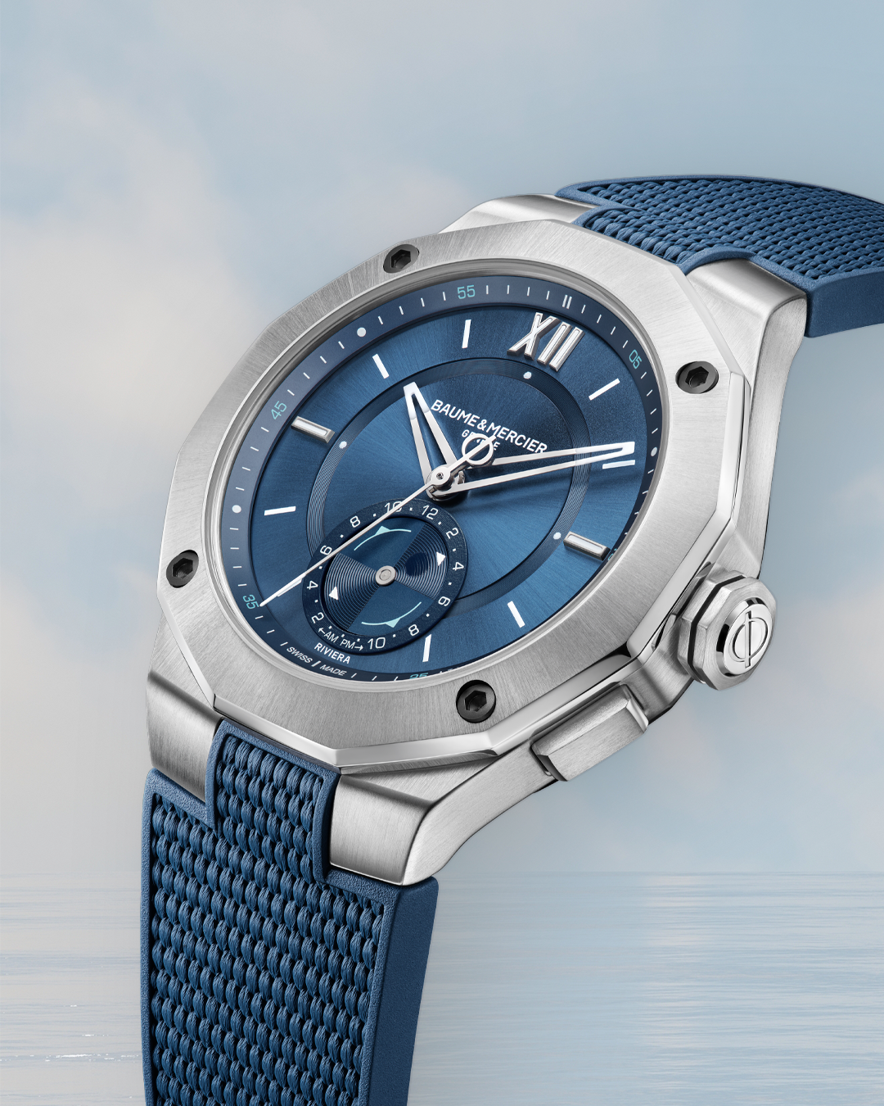 | 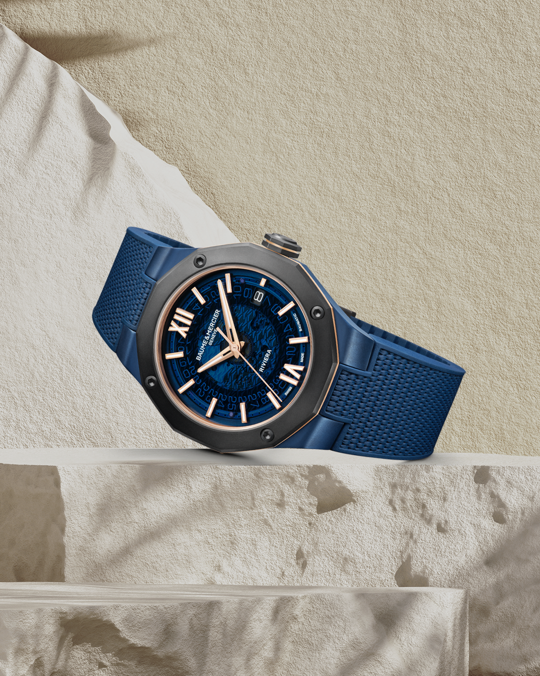
Text | Can you feel the summer vibes in the air? Add a colorful touch to your style with the Riviera 10800, only available on our e-boutique! -- Riviera 10800 36 mm – Quartz, Stainless steel case, Sun satin-finished stained lacquered azure blue and tone on tone waves decor, Date aperture at 3 o'clock -- #Riviera #Since73 #BaumeEtMercier #SwissMade #DesignWatch #SportWatch #VintageWatch #WatchLover #Unique | Discover our summer exclusivities on our E-Boutique! Three striking dials that will match your joyful mood for this summer. -- Riviera 10611 36 mm, Quartz, Swiss Made, Light green sun satin-finished dial, Interchangeable green rubber strap. -- #BaumeEtMercier #Riviera #Watches #Watchesdesigner #Swissmade #Watchmaking #Innovation #Design #Materials | A clever combination of “seventies-style” avant-garde design and the sporty classicism of contemporary watchmaking, the Riviera is going pink for an exciting summer. -- Riviera 10798 33 mm, Sun satin-finished lacquered pink and transparent waves decor, 5 ATM, 38 hours power reserve, Fast strap interchangeable system. -- #BaumeetMercier #Riviera #Since73 #WatchCollector #Horology #Watches #Watch #SwissMade #WatchOfTheDay #WatchesOfInstagram #WatchLover #WatchAddict #WristWatch #WomanWatch #WomanWatches #Diamonds #Style | Are you a fan of nautic sports? We have the perfect piece for you. The Riviera 10761 embodies the sailing spirit with its blue design and tide-measuring abilities. -- Riviera 10761 43 mm, Baumatic movement, Sun satin-finished blue dial with flange, Tideograph, 10 ATM, 5 days power reserve, Fast strap technology - Interchangeable strap system. Eligible for an 8-year warranty -- #mareographe #nauticwatch #watchesandwonders2024 #WatchesAndWonders #BaumeetMercier #Baumatic #ShapingTime #Riviera #Since73 #WatchCollector #Horology #DailyWatch #Watches #Watch #SwissMade #WatchOfTheDay #WatchesOfInstagram #WatchLover #WatchAddict #WristWatch #InstaWatch #InstaWatches #LuxuryTimepiece #ArtofHorology | As we say you don't need a passport to see the Riviera, the Riviera 10769 will transport you in the heart of the Riviera thanks to a subtle combination of blue, gold and dark hues recalling the different colors and tones you can find in this region. -- Riviera 10769 42 mm, Baumatic manufacture movement, steel case paired with a sandblasted titanium bezel, sapphire blue dial, 5-Day Power Reserve, Antimagnetic 1500 Gauss, Fast Strap technology - Interchangeable strap system. Eligible for an 8-year warranty -- #watchesandwonders2024 #WatchesAndWonders #BaumeetMercier #Baumatic #ShapingTime #Riviera #Since73 #WatchCollector #Horology #DailyWatch #Watches #Watch #SwissMade #WatchOfTheDay #WatchesOfInstagram #WatchLover #WatchAddict #WristWatch #InstaWatch #InstaWatches #LuxuryTimepiece #ArtofHorology
Date | June 21st
Image | 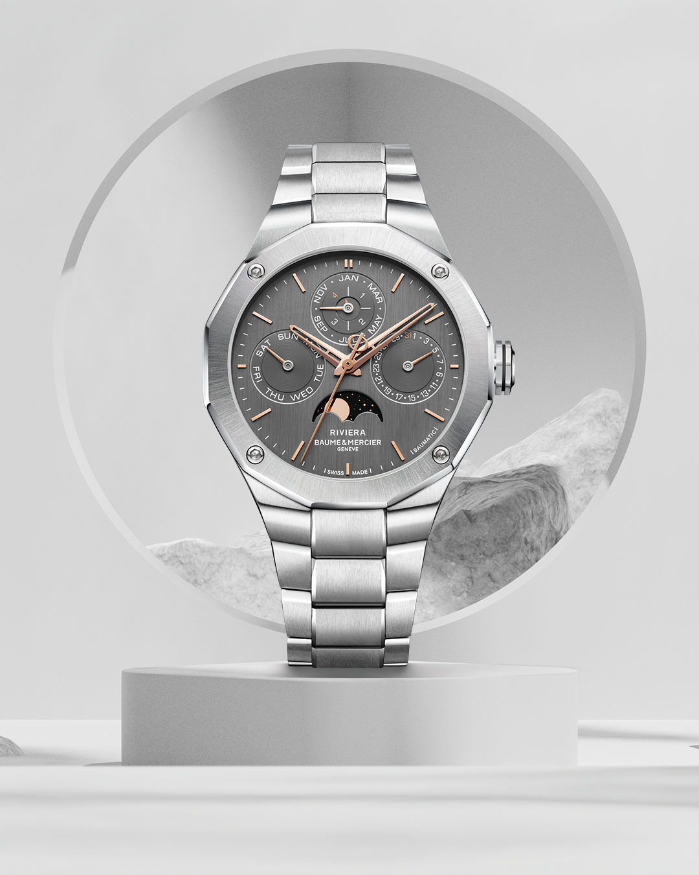 QP
Text | The Riviera 10786 represents the moon and stars twinkling in the sky, casting a magical spell over the entire region of the Riviera. -- Riviera 10786 40 mm, Baumatic manufacture movement, steel case with neat architectural lines, grey dial with vertical sun-brushed finishes and snailed counters, 5-Day Power Reserve, Antimagnetic 1500 Gauss, gilded oscillating weight, Fast Strap technology - Interchangeable strap system. Eligible for an 8-year warranty -- #watchesandwonders2024 #WatchesAndWonders #BaumeetMercier #Baumatic #ShapingTime #Riviera #Since73 #WatchCollector #Horology #DailyWatch #Watches #Watch #SwissMade #WatchOfTheDay #WatchesOfInstagram #WatchLover #WatchAddict #WristWatch #InstaWatch #InstaWatches #LuxuryTimepiece #ArtofHorology

