JULY
Date | July 6th | July 8th | July 10th | July 12th | July 14th
Image | 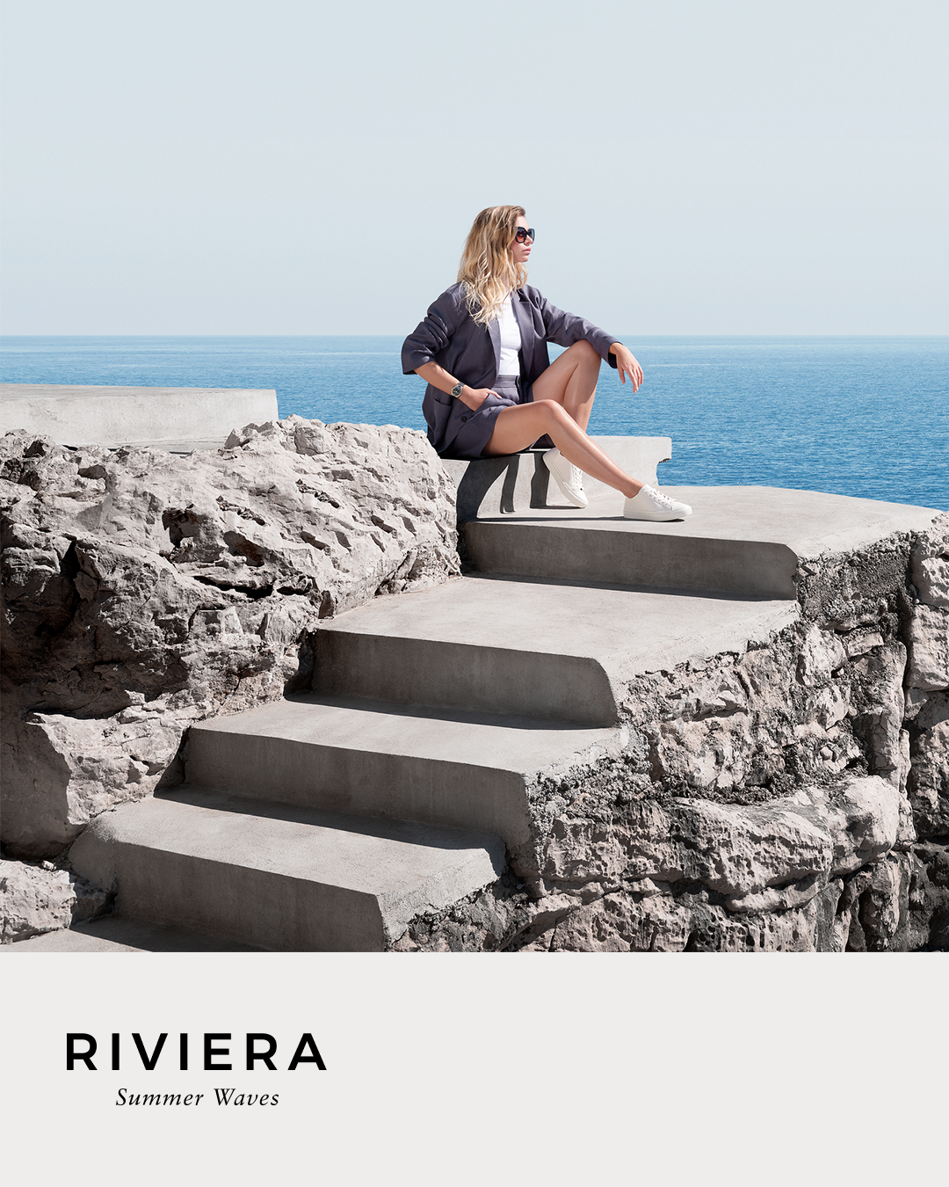 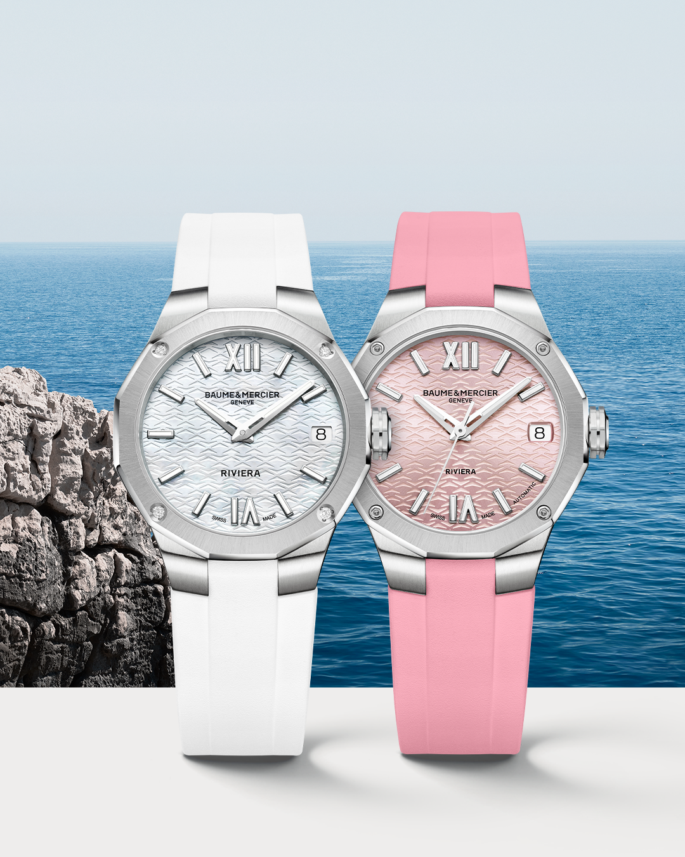 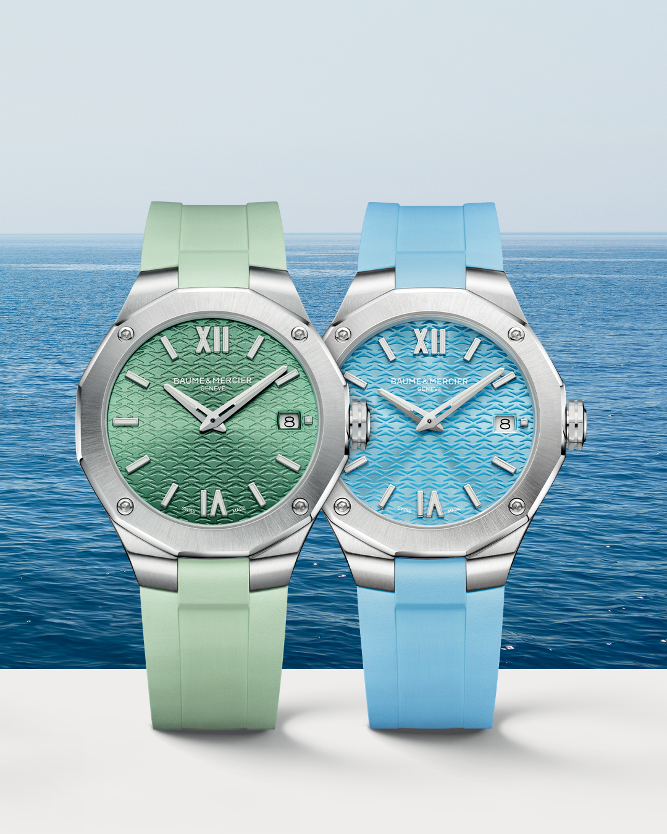 | 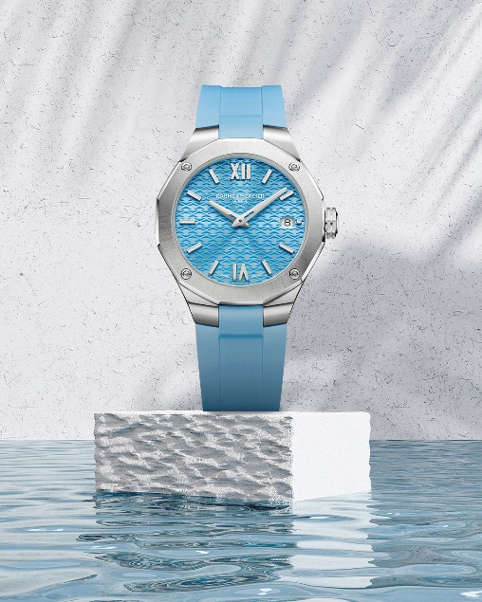 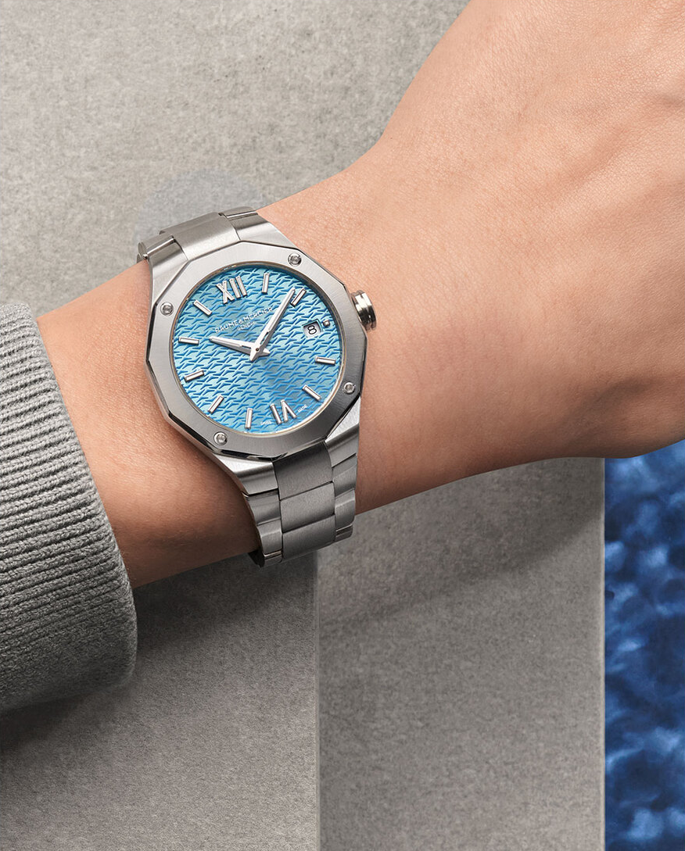 |  | 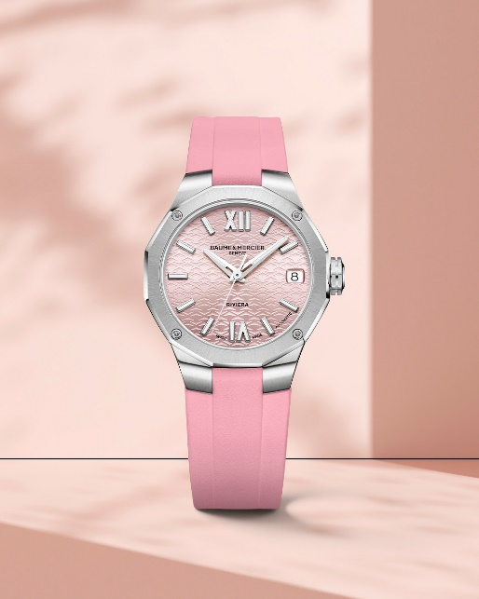 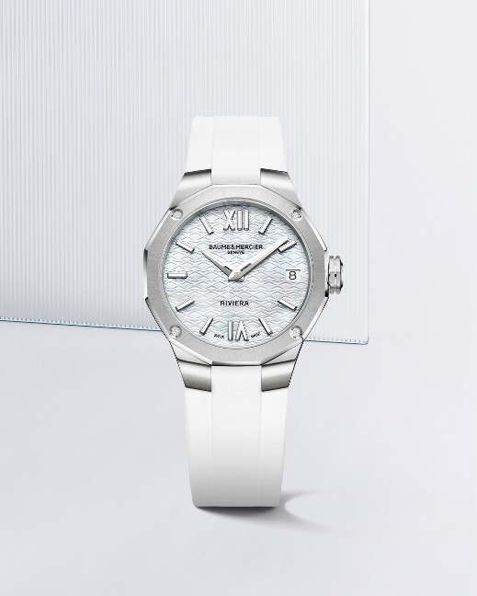 | 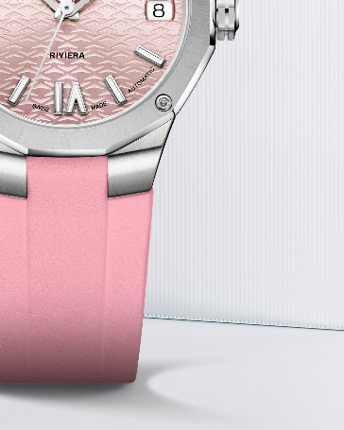 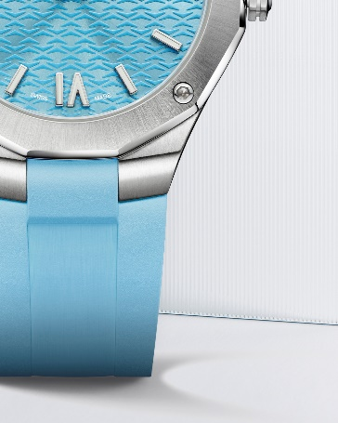 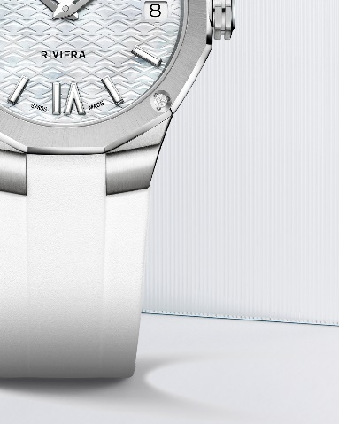
Text | Feel the Riviera breeze and enjoy the summer with our new Riviera editions Swipe to discover our four pastel-colored Riviera timepieces that will add a delightful touch of color to your wrist. -- #BaumeetMercier #Riviera #Since73 #WatchCollector #Horology #Watches #Watch #SwissMade #WatchOfTheDay #WatchesOfInstagram #WatchLover #WatchAddict #WristWatch #WomanWatch #WomanWatches #Diamonds #Style #summeredition | Play with a monochromatic hue this summer with our Riviera Summer 36mm in blue shades. -- Riviera 10800 - 10612 36 mm – Quartz, Stainless steel case, Sun satin-finished stained lacquered azure blue and tone on tone waves decor, Date aperture at 3 o'clock -- #BaumeetMercier #Riviera #Since73 #WatchCollector #Horology #Watches #Watch #SwissMade #WatchOfTheDay #WatchesOfInstagram #WatchLover #WatchAddict #WristWatch #WomanWatch #WomanWatches #Diamonds #Style #summeredition | This summer, reflect the vibrant and sporty chic lifestyle of the Riviera with our watches as your ultimate jewel. -- Riviera 10675 33 mm, Sun satin-finished lacquered pink and transparent waves decor, 5 ATM, 38 hours power reserve, Fast strap interchangeable system. -- #BaumeetMercier #Riviera #Since73 #WatchCollector #Horology #Watches #Watch #SwissMade #WatchOfTheDay #WatchesOfInstagram #WatchLover #WatchAddict #WristWatch #WomanWatch #WomanWatches #Diamonds #Style #summeredition | Play with a monochromatic hue this summer with our Riviera Summer 33mm: Pure white or vibrant pink, which is your favorite? -- -- #BaumeetMercier #Riviera #Since73 #WatchCollector #Horology #Watches #Watch #SwissMade #WatchOfTheDay #WatchesOfInstagram #WatchLover #WatchAddict #WristWatch #WomanWatch #WomanWatches #Diamonds #Style | Celebrate summer with our new Riviera timepieces featuring colorful combination of dial and rubber strap inspired by the photography of the Riviera coast. -- Riviera Summer Editions -- #BaumeetMercier #Riviera #Since73 #WatchCollector #Horology #Watches #Watch #SwissMade #WatchOfTheDay #WatchesOfInstagram #WatchLover #WatchAddict #WristWatch #WomanWatch #WomanWatches #Diamonds #Style #summeredition
Date | July 16th | July18th | July 20th | July 22th | July 24th
Image | 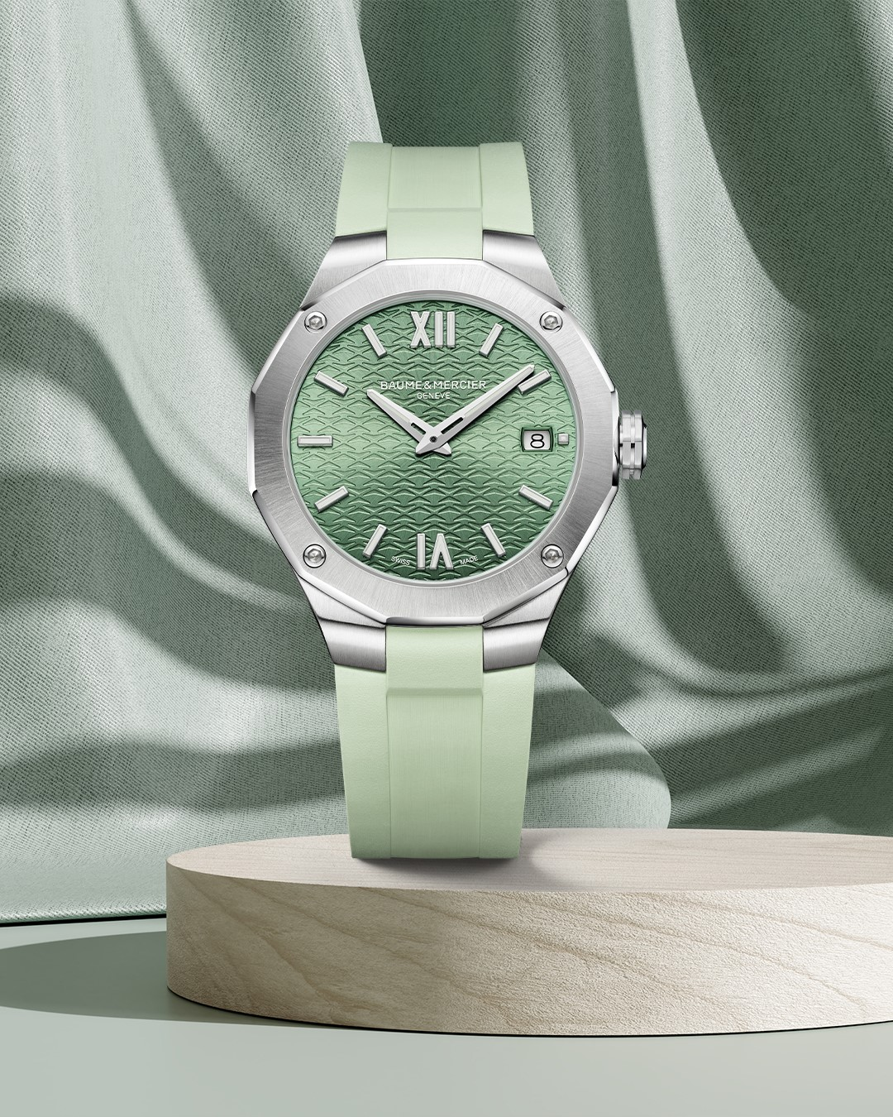 | 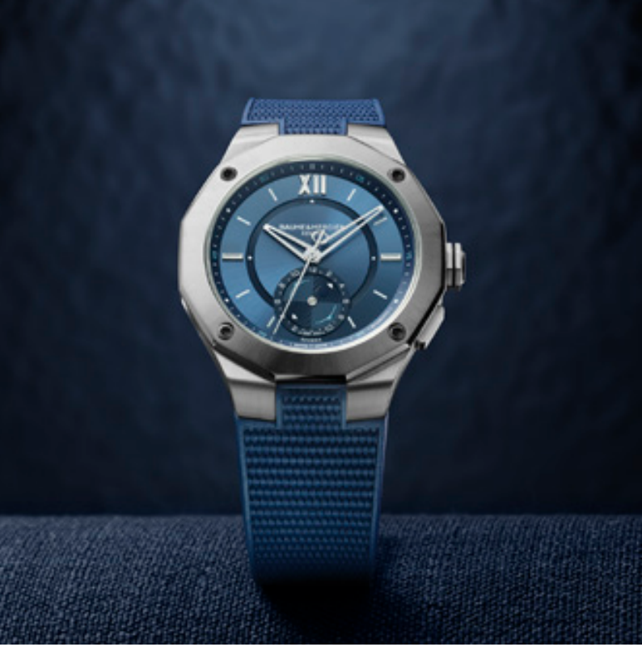 | 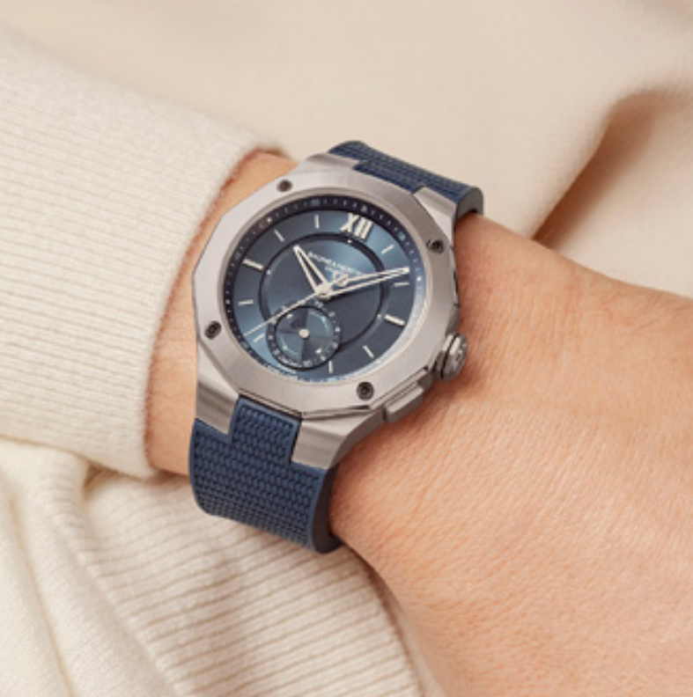
Text | A lively green Riviera, that's all you need to enjoy the summer with elegance and character. -- Riviera 10611 36 mm – Quartz, Stainless steel case, Sun satin-finished stained lacquered green dial and tone on tone waves decor, Date aperture at 3 o'clock -- #BaumeetMercier #Riviera #Since73 #WatchCollector #Horology #Watches #Watch #SwissMade #WatchOfTheDay #WatchesOfInstagram #WatchLover #WatchAddict #WristWatch #WomanWatch #WomanWatches #Diamonds #Style | A deep blue dial, a tideograph complication, a 5-day power reserve, and a rubber strap, what else to make the perfect nautic companion? -- Riviera 10761 43 mm, Baumatic movement, Sun satin-finished blue dial with flange, Tideograph, 10 ATM, 5 days power reserve, Fast strap technology - Interchangeable strap system. Eligible for an 8-year warranty -- #mareographe #nauticwatch #watchesandwonders2024 #WatchesAndWonders #BaumeetMercier #Baumatic #ShapingTime #Riviera #Since73 #WatchCollector #Horology #DailyWatch #Watches #Watch #SwissMade #WatchOfTheDay #WatchesOfInstagram #WatchLover #WatchAddict #WristWatch #InstaWatch #InstaWatches #LuxuryTimepiece #ArtofHorology | The tides are a timelessly fascinating spectacle: twice a day, the waves retreat from the shore before rising again. The Riviera 10761 equipped with our enhanced Baumatic calibre with tideograph complication offers a useful complication for surfers, sailors, swimmers and strollers all around the world. -- Riviera 10761 43 mm, Baumatic movement, Sun satin-finished blue dial with flange, Tideograph, 10 ATM, 5 days power reserve, Fast strap technology - Interchangeable strap system. Eligible for an 8-year warranty -- #mareographe #nauticwatch #watchesandwonders2024 #WatchesAndWonders #BaumeetMercier #Baumatic #ShapingTime #Riviera #Since73 #WatchCollector #Horology #DailyWatch #Watches #Watch #SwissMade #WatchOfTheDay #WatchesOfInstagram #WatchLover #WatchAddict #WristWatch #InstaWatch #InstaWatches #LuxuryTimepiece #ArtofHorology | A deep blue associated with a tideograph complication makes the Riviera 10761 the perfect match to scour the seas. -- Riviera 10761 43 mm, Baumatic movement, Sun satin-finished blue dial with flange, Tideograph, 10 ATM, 5 days power reserve, Fast strap technology - Interchangeable strap system. Eligible for an 8-year warranty -- #mareographe #nauticwatch #watchesandwonders2024 #WatchesAndWonders #BaumeetMercier #Baumatic #ShapingTime #Riviera #Since73 #WatchCollector #Horology #DailyWatch #Watches #Watch #SwissMade #WatchOfTheDay #WatchesOfInstagram #WatchLover #WatchAddict #WristWatch #InstaWatch #InstaWatches #LuxuryTimepiece #ArtofHorology | Stylish and exquisitely precise, the Classima 10784 is the ultimate accessory for those who appreciate both beauty and functionality. -- Classima 10784 42 mm, Automatic, Polished stainless steel case, Scratch-resistant sapphire crystal, Open case back, , small seconds, chronograph, day, date, Alligator blue strap -- #BaumeetMercier #Classima #Chronograph #ShapingTime #Baumatic #DailyWatch #Watches #Watch #InstaWatch #WatchOfTheDay #WatchesOfInstagram #WatchLover #WatchCollector #LuxuryWatch #InstaWatch #Style #Elegant #WristWatch #Timepiece #WatchMaking #InstaWatches
Date | July 26th | July 28th | July 30th
Image | 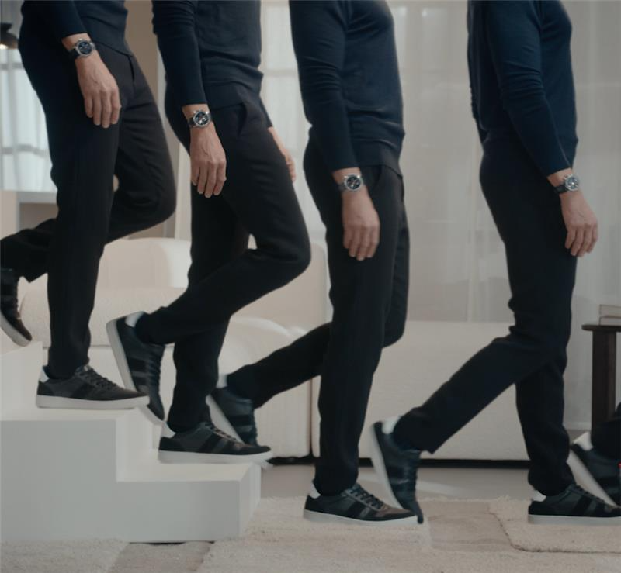 VIDEO ESCALIER | 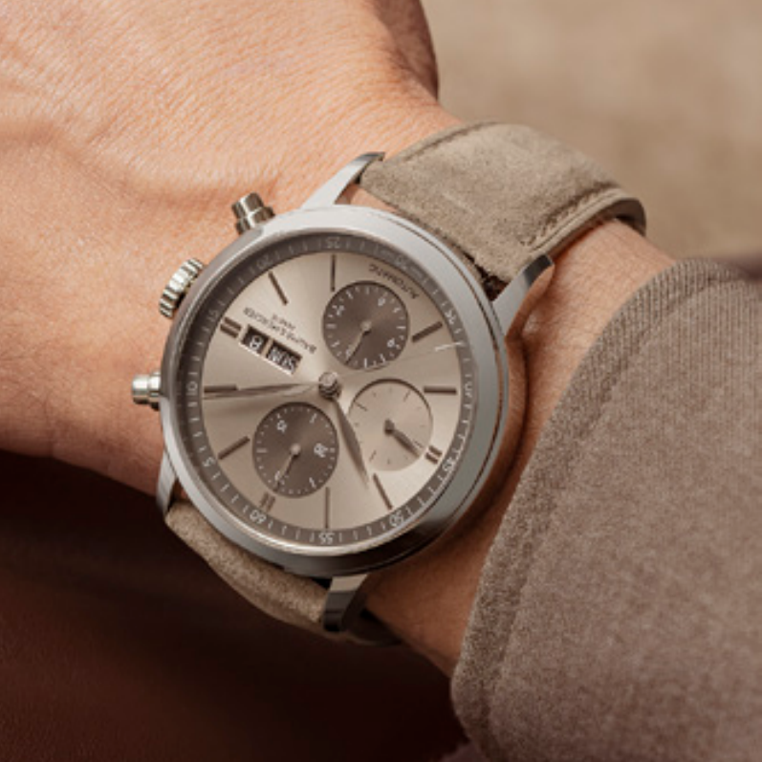 | 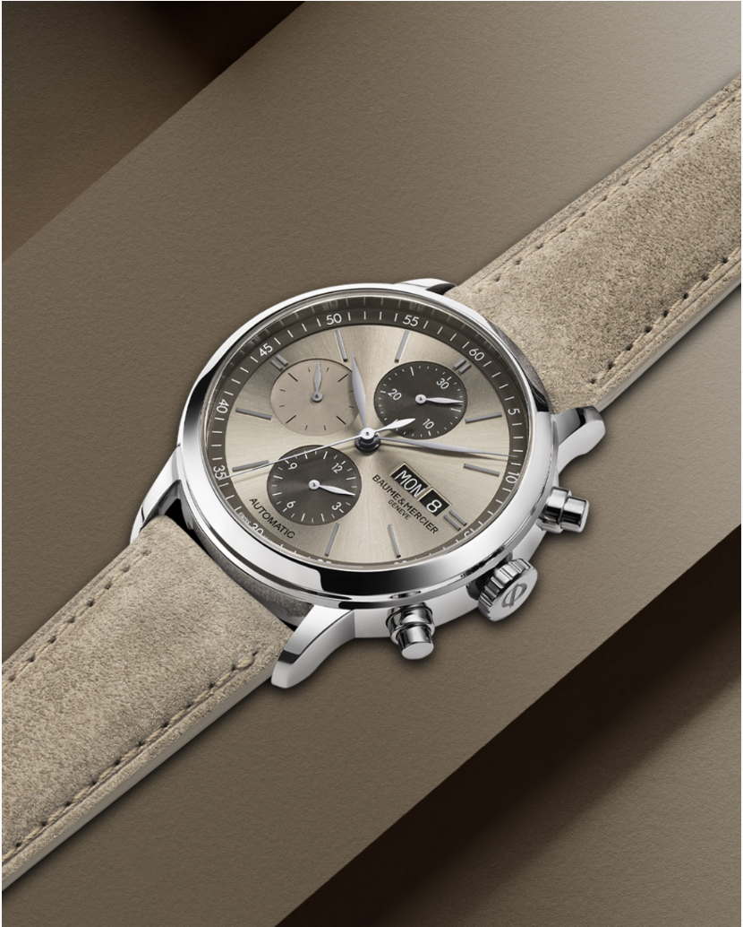
Text | Combining Swiss technical excellence and fine craftsmanship makes the Classima 10784 an easy timepiece to wear in all circumstances. -- Classima 10784 42 mm, Automatic, Polished stainless steel case, Scratch-resistant sapphire crystal, Open case back, small seconds, chronograph, day, date, Alligator blue strap -- #BaumeetMercier #Classima #Chronograph #ShapingTime #Baumatic #DailyWatch #Watches #Watch #InstaWatch #WatchOfTheDay #WatchesOfInstagram #WatchLover #WatchCollector #LuxuryWatch #InstaWatch #Style #Elegant #WristWatch #Timepiece #WatchMaking #InstaWatches | The Classima 10782 expands the collection, expressing the traditional yet contemporary spirit for which the Classima stands. -- Classima 10782 42 mm, Automatic, Polished stainless steel case, Scratch-resistant sapphire crystal, Open case back, small seconds, chronograph, day, date, sun-satin finished sand dial, Interchangeable sand nubuck calfskin strap. -- #BaumeetMercier #Classima #Chronograph #ShapingTime #Baumatic #DailyWatch #Watches #Watch #InstaWatch #WatchOfTheDay #WatchesOfInstagram #WatchLover #WatchCollector #LuxuryWatch #InstaWatch #Style #Elegant #WristWatch #Timepiece #WatchMaking #InstaWatches | The Classima 10782 showcases a luminous version and sets another tone with a sun-satin sand-colored dial featuring snailed counters for the chronograph and small seconds. -- Classima 10782 42 mm, Automatic, Polished stainless steel case, Scratch-resistant sapphire crystal, Open case back, small seconds, chronograph, day, date, sun-satin finished sand dial, Interchangeable sand nubuck calfskin strap. -- #BaumeetMercier #Classima #Chronograph #ShapingTime #Baumatic #DailyWatch #Watches #Watch #InstaWatch #WatchOfTheDay #WatchesOfInstagram #WatchLover #WatchCollector #LuxuryWatch #InstaWatch #Style #Elegant #WristWatch #Timepiece #WatchMaking #InstaWatches

