SEPTEMBER GRID
Date | September 2nd | September 4th | September 6th | September 8th (VIDEO 10768) | September 10th
Image | 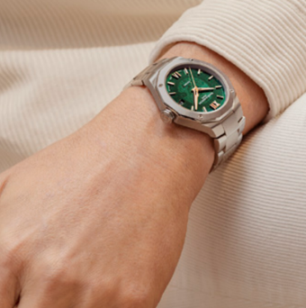 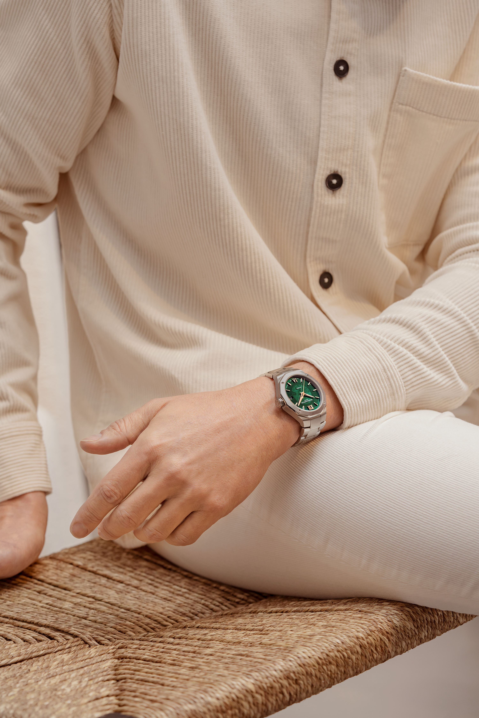 |  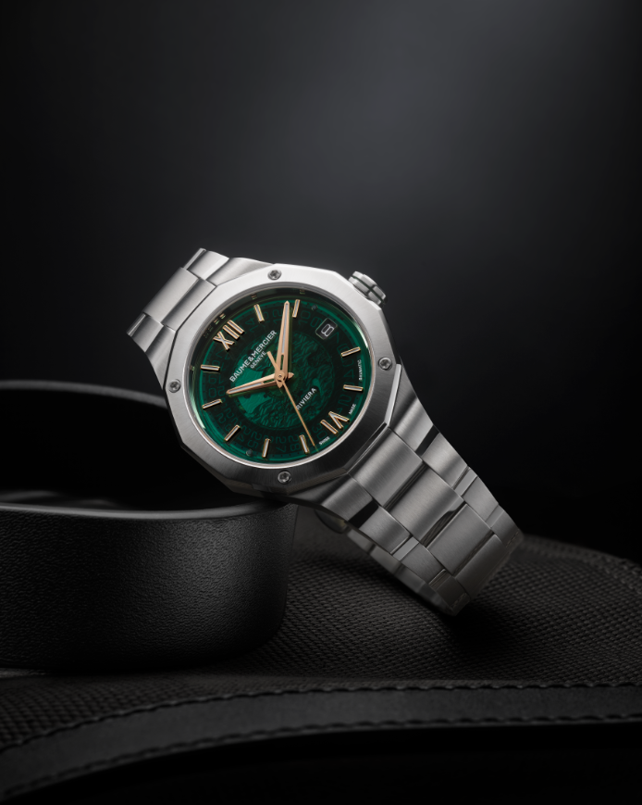 | 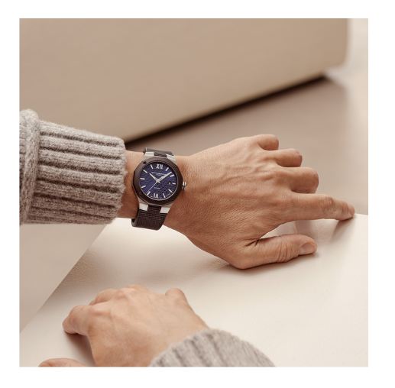 | 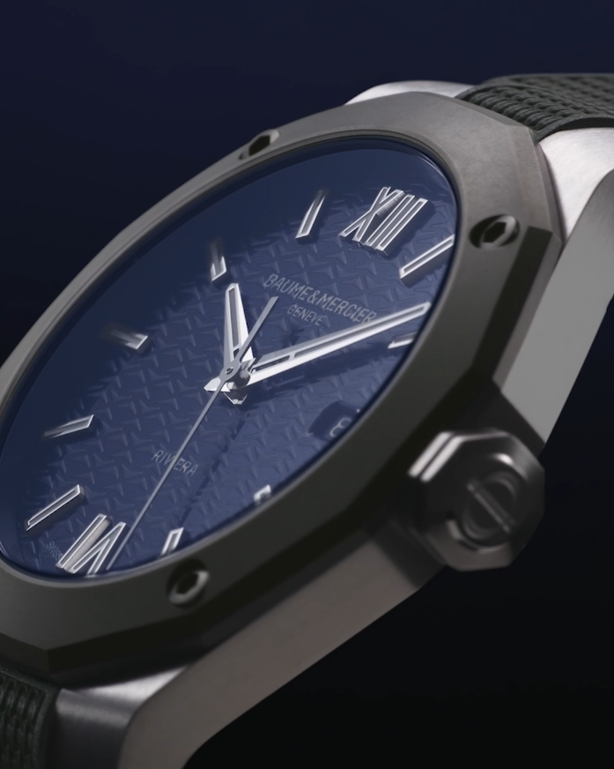 Video PRODUIT | 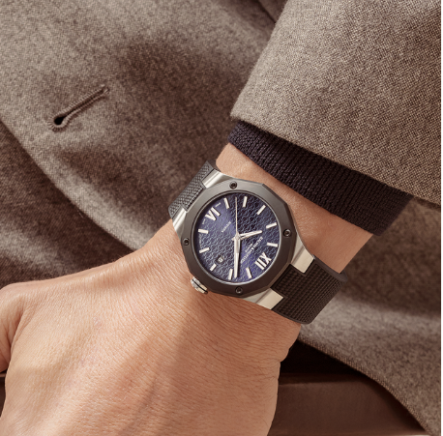 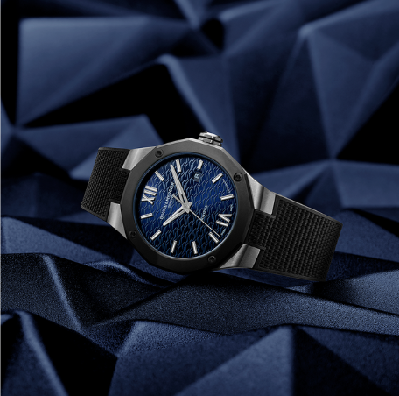
Text | Get ready to be mesmerized by the captivating green dial and elegant transparency of our new Riviera 10770. Dive into style and sophistication with this striking timepiece. -- Riviera 10770 39 mm, Baumatic movement, Polished and satin-finished steel case, Smoked green sapphire crystal and transparent waves decor, 10 ATM, 5 days power reserve, Fast strap technology - Interchangeable strap system. -- #BaumeetMercier #Baumatic #ShapingTime #Riviera #WatchCollector #Horology #DailyWatch #Watches #Watch #SwissMade #WatchOfTheDay #WatchesOfInstagram #WatchLover #WatchAddict #WristWatch #InstaWatch #InstaWatches #LuxuryTimepiece #ArtofHorology | Our new green dial colour is made of smoked sapphire: a mono-crystalline substrate of a high purity. It's time to appreciate this play on transparency obtained thanks to the superpostion of 10 layers of different materials with different refractive indexes and paired with gild hands and indexes for a luminous effect! -- Riviera 10770 39 mm, Baumatic movement, Polished and satin-finished steel case, Smoked green sapphire crystal and transparent waves decor, 10 ATM, 5 days power reserve, Fast strap technology - Interchangeable strap system. -- #BaumeetMercier #Baumatic #ShapingTime #Riviera #WatchCollector #Horology #DailyWatch #Watches #Watch #SwissMade #WatchOfTheDay #WatchesOfInstagram #WatchLover #WatchAddict #WristWatch #InstaWatch #InstaWatches #LuxuryTimepiece #ArtofHorology | The Riviera is back again in subtly dark hues. The Maison is happy to unveil a new variation of the “Swiss-made” 42 mm automatic Riviera with a steel case and a dark-blue dial on an interchangeable black rubber strap. -- Riviera 10768 42 mm, Automatic movement, sand-blasted steel-ADLC bezel, lacquered dark-blue dial, tone-on-tone waves decor, black rubber strap, Fast strap technology - Interchangeable strap system. -- #BaumeetMercier #Baumatic #ShapingTime #Riviera #WatchCollector #Horology #DailyWatch #Watches #Watch #SwissMade #WatchOfTheDay #WatchesOfInstagram #WatchLover #WatchAddict #WristWatch #InstaWatch #InstaWatches #LuxuryTimepiece #ArtofHorology | Discover the Riviera 10768, our new Riviera displaying a dark blue dial enlighted by our Maison waves decor and echoing the dreamy depths of the sea -- Riviera 10768 42 mm, Automatic movement, sand-blasted steel-ADLC bezel, lacquered dark-blue dial, tone-on-tone waves decor, black rubber strap, Fast strap technology - Interchangeable strap system. -- #BaumeetMercier #Baumatic #ShapingTime #Riviera #WatchCollector #Horology #DailyWatch #Watches #Watch #SwissMade #WatchOfTheDay #WatchesOfInstagram #WatchLover #WatchAddict #WristWatch #InstaWatch #InstaWatches #LuxuryTimepiece #ArtofHorology | Like an invitation to penetrate the mysteries of the abyss by diving into its watery marine hue, our new dark blue lacquered and tinted sun satin dial fascinates the eye and draws the imagination into the depths of the sea. -- Riviera 10768 42 mm, Automatic movement, sand-blasted steel-ADLC bezel, lacquered dark-blue dial, tone-on-tone waves decor, black rubber strap, Fast strap technology - Interchangeable strap system. -- #BaumeetMercier #Baumatic #ShapingTime #Riviera #WatchCollector #Horology #DailyWatch #Watches #Watch #SwissMade #WatchOfTheDay #WatchesOfInstagram #WatchLover #WatchAddict #WristWatch #InstaWatch #InstaWatches #LuxuryTimepiece #ArtofHorology

Date | September 12th (VIDEO 10763) | September 14th | September 16th | September 18th | September 20th
Image | 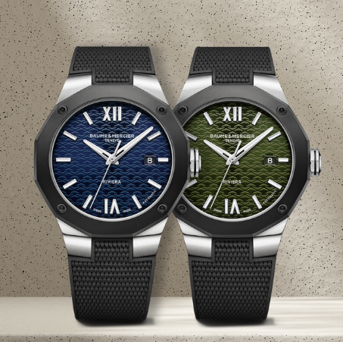 | 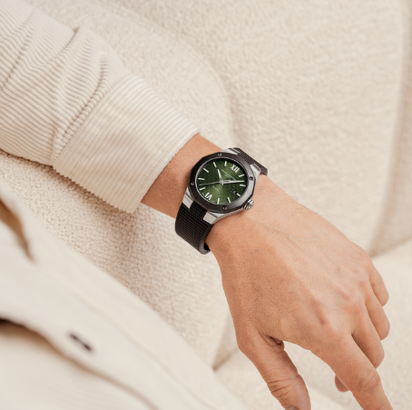 | 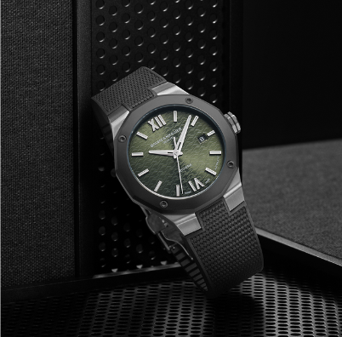 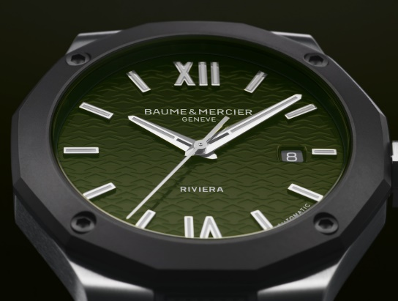 | 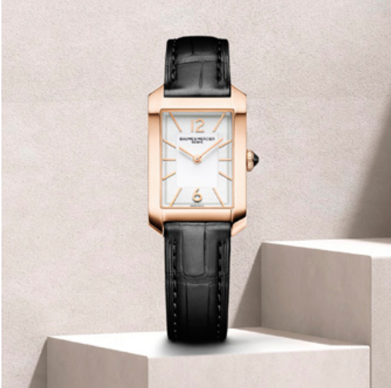 | 
Text | Take a closer look towards our new Riviera sporty novelties. The choice of a sand-blasted steel-ADLC bezel, fastened to the case with four functional screws, brings this contemporary piece a stealthy, driven look. -- Riviera 10763 42 mm, Automatic movement, sand-blasted steel-ADLC bezel, lacquered dark-green dial, tone-on-tone waves decor, black rubber strap, Fast strap technology - Interchangeable strap system. -- #BaumeetMercier #Baumatic #ShapingTime #Riviera #WatchCollector #Horology #DailyWatch #Watches #Watch #SwissMade #WatchOfTheDay #WatchesOfInstagram #WatchLover #WatchAddict #WristWatch #InstaWatch #InstaWatches #LuxuryTimepiece #ArtofHorology | From blue to green. From the sea to the land. Another shade of green, inspired by nature, adorns the Riviera and pays homage to the enchanting foliage of the region. -- Riviera 10763 42 mm, Automatic movement, sand-blasted steel-ADLC bezel, lacquered dark-green dial, tone-on-tone waves decor, black rubber strap, Fast strap technology - Interchangeable strap system. -- #BaumeetMercier #Baumatic #ShapingTime #Riviera #WatchCollector #Horology #DailyWatch #Watches #Watch #SwissMade #WatchOfTheDay #WatchesOfInstagram #WatchLover #WatchAddict #WristWatch #InstaWatch #InstaWatches #LuxuryTimepiece #ArtofHorology | A dark green dial, an interchangeable black rubber strap, two elements that combine to give this timepiece a boldness that makes it the perfect choice for those looking for versatility and character. -- Riviera 10763 42 mm, Automatic movement, sand-blasted steel-ADLC bezel, lacquered dark-green dial, tone-on-tone waves decor, black rubber strap, Fast strap technology - Interchangeable strap system. -- #BaumeetMercier #Baumatic #ShapingTime #Riviera #WatchCollector #Horology #DailyWatch #Watches #Watch #SwissMade #WatchOfTheDay #WatchesOfInstagram #WatchLover #WatchAddict #WristWatch #InstaWatch #InstaWatches #LuxuryTimepiece #ArtofHorology | Unveiling the perfect Hampton timepiece to start the year with an elegant note signed by Baume et Mercier. A dignified look, minimalist lines: sophistication at its finest. -- Hampton 10752 Small size, Quartz, polished 18K pink gold and titanium case, 5 ATM Water-Resistance, Interchangable black alligator strap. -- #BaumeetMercier #Hampton #ShapingTime #DailyWatch #Watches #Watch #InstaWatch #WatchOfTheDay #WatchesOfInstagram #WatchLover #WatchCollector #LuxuryWatch #InstaWatch #Style #Elegant #WristWatch #Timepiece #WatchMaking #InstaWatches | Did you know that the HAMPTON collection marked another of the brand’s aesthetic breakthroughs in the history of steel shape watches? The rectangular case, featuring pure lines and curves as well as softened corners, is inspired by an iconic model from the 1960s, and features an Art Deco style inspired by the 1920s. -- Hampton 10752 Small size, Quartz, polished 18K pink gold and titanium case, 5 ATM Water-Resistance, Interchangable black alligator strap. -- #BaumeetMercier #Hampton #ShapingTime #DailyWatch #Watches #Watch #InstaWatch #WatchOfTheDay #WatchesOfInstagram #WatchLover #WatchCollector #LuxuryWatch #InstaWatch #Style #Elegant #WristWatch #Timepiece #WatchMaking #InstaWatches
Date | September 22nd | September 24th | September 26th | September 28th | September 30th
Image | 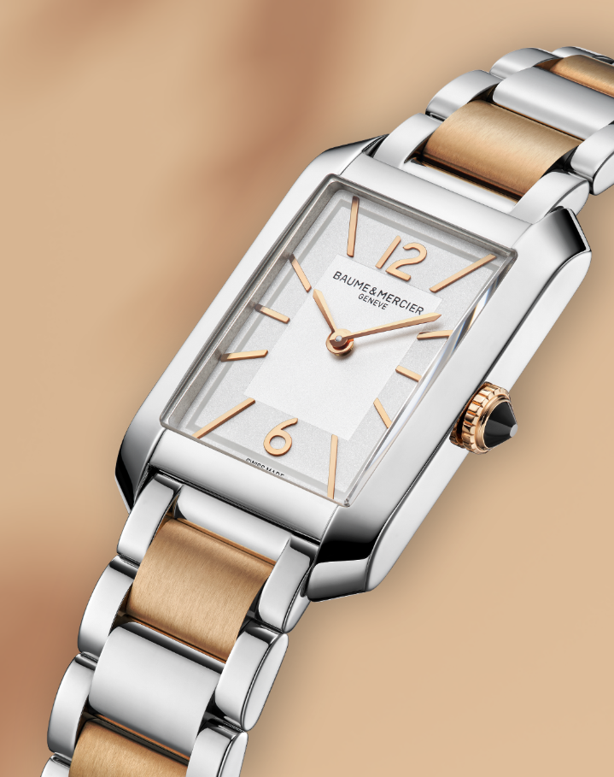 | 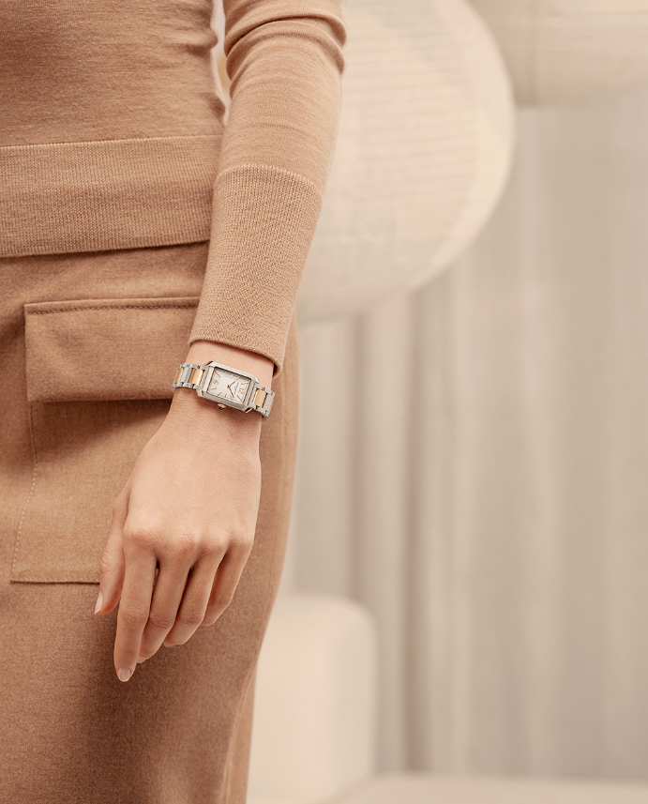 | 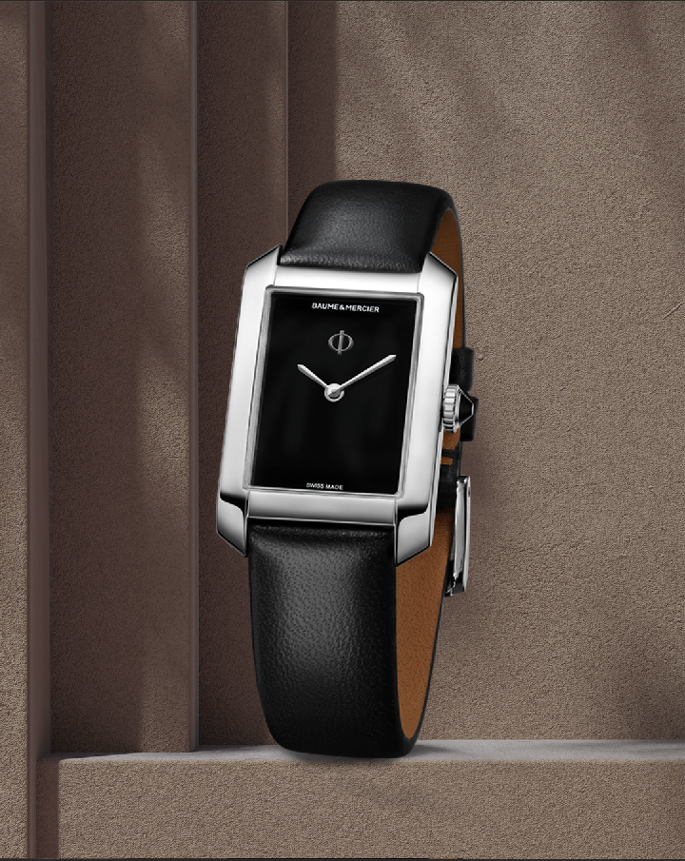 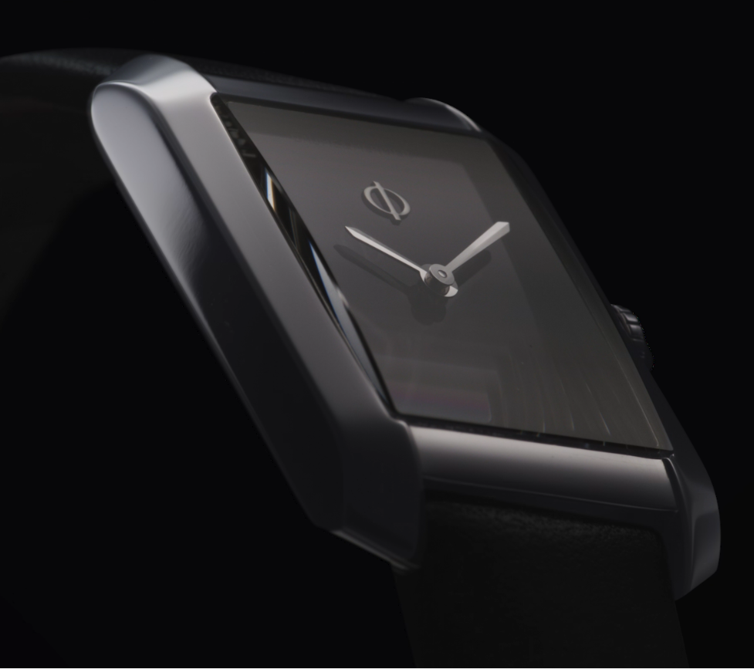 | 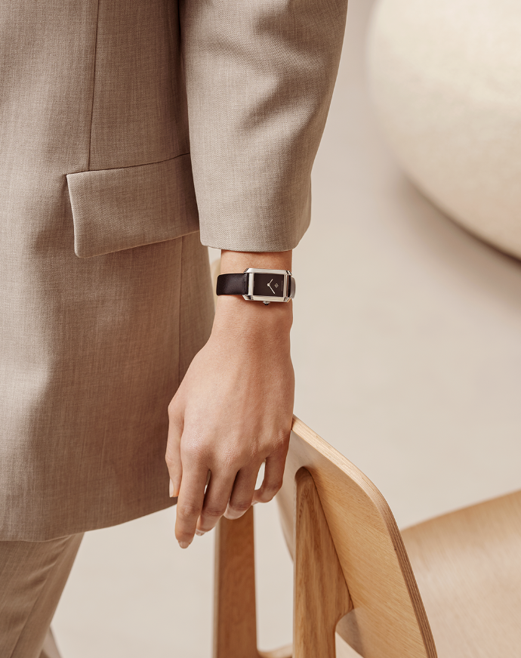 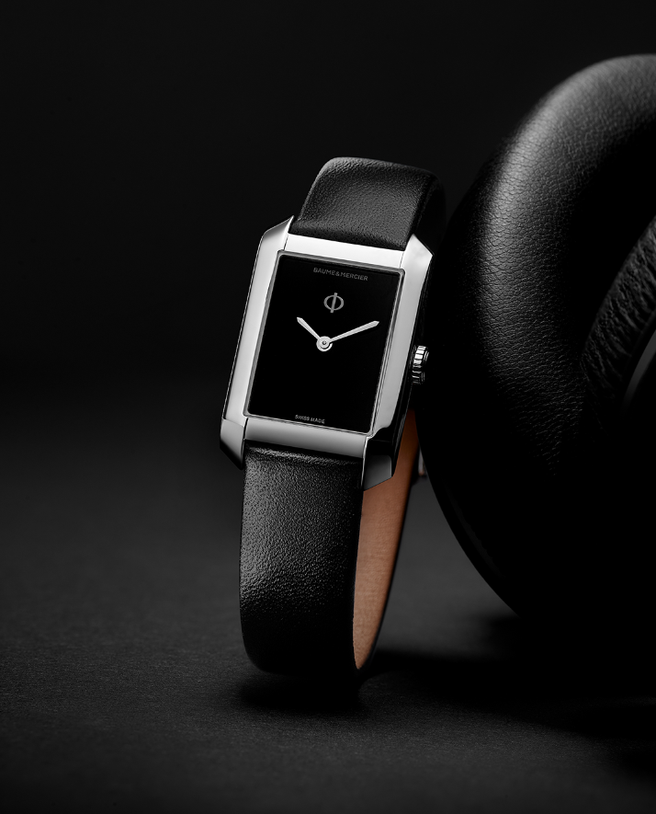 | 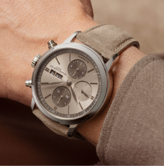 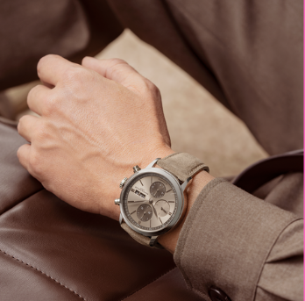
Text | The two-tone bracelet is coming back at its finest making the Hampton 10751 a unique timepiece from our creations. Discover this first-rate shape watch, the Hampton once again illustrates the chic intemporel. -- Hampton 10751 Small size, Quartz, Stainless steel case, 5 ATM Water-Resistance, Interchangable polished and satin-finished stainless steel and steel pink gold capped links. -- #BaumeetMercier #Hampton #ShapingTime #DailyWatch #Watches #Watch #InstaWatch #WatchOfTheDay #WatchesOfInstagram #WatchLover #WatchCollector #LuxuryWatch #InstaWatch #Style #Elegant #WristWatch #Timepiece #WatchMaking #InstaWatches | The Hampton 10751 case, with its bold contrasts, is crafted in steel revealing luminous, refined finishes that demonstrate the careful work of the craftsmen at the Manufacture in Les Brenets. -- Hampton 10751 Small size, Quartz, Stainless steel case, 5 ATM Water-Resistance, Interchangable polished and satin-finished stainless steel and steel pink gold capped links. -- #BaumeetMercier #Hampton #ShapingTime #DailyWatch #Watches #Watch #InstaWatch #WatchOfTheDay #WatchesOfInstagram #WatchLover #WatchCollector #LuxuryWatch #InstaWatch #Style #Elegant #WristWatch #Timepiece #WatchMaking #InstaWatches | French-style elegance presented with simplicity. A black lacquered dial against a rectangular steel case, a black cabochon on the crown inset with an agate, and a black strap. -- Hampton 10760 Small size, Quartz, 5 ATM Water-Resistance, Interchangeable black calfskin strap. -- #BaumeetMercier #Hampton #ShapingTime #DailyWatch #Watches #Watch #InstaWatch #WatchOfTheDay #WatchesOfInstagram #WatchLover #WatchCollector #LuxuryWatch #InstaWatch #Style #Elegant #WristWatch #Timepiece #WatchMaking #InstaWatches | The new Hampton 10760 is the latest tribute to the Maison's artistic vision, combining innovation and rigour to redefine the essence of timekeeping. -- Hampton 10760 Small size, Quartz, 5 ATM Water-Resistance, Interchangeable black calfskin strap. -- #BaumeetMercier #Hampton #ShapingTime #DailyWatch #Watches #Watch #InstaWatch #WatchOfTheDay #WatchesOfInstagram #WatchLover #WatchCollector #LuxuryWatch #InstaWatch #Style #Elegant #WristWatch #Timepiece #WatchMaking #InstaWatches | Let the Classima 10767 illuminate your wrist this year with this soft beige as the finishing touch of your elegant yet sporty look. -- Classima 10782 42 mm, Automatic, Polished stainless steel case, Scratch-resistant sapphire crystal, Open case back, small seconds, chronograph, day, date, sun-satin finished sand dial, Interchangeable sand nubuck calfskin strap. -- #BaumeetMercier #Classima #Chronograph #ShapingTime #Baumatic #DailyWatch #Watches #Watch #InstaWatch #WatchOfTheDay #WatchesOfInstagram #WatchLover #WatchCollector #LuxuryWatch #InstaWatch #Style #Elegant #WristWatch #Timepiece #WatchMaking #InstaWatches

