INSTAGRAM
Date | November 26th | November 29th | November 26th | November 29th | December 2nd
Image |  | 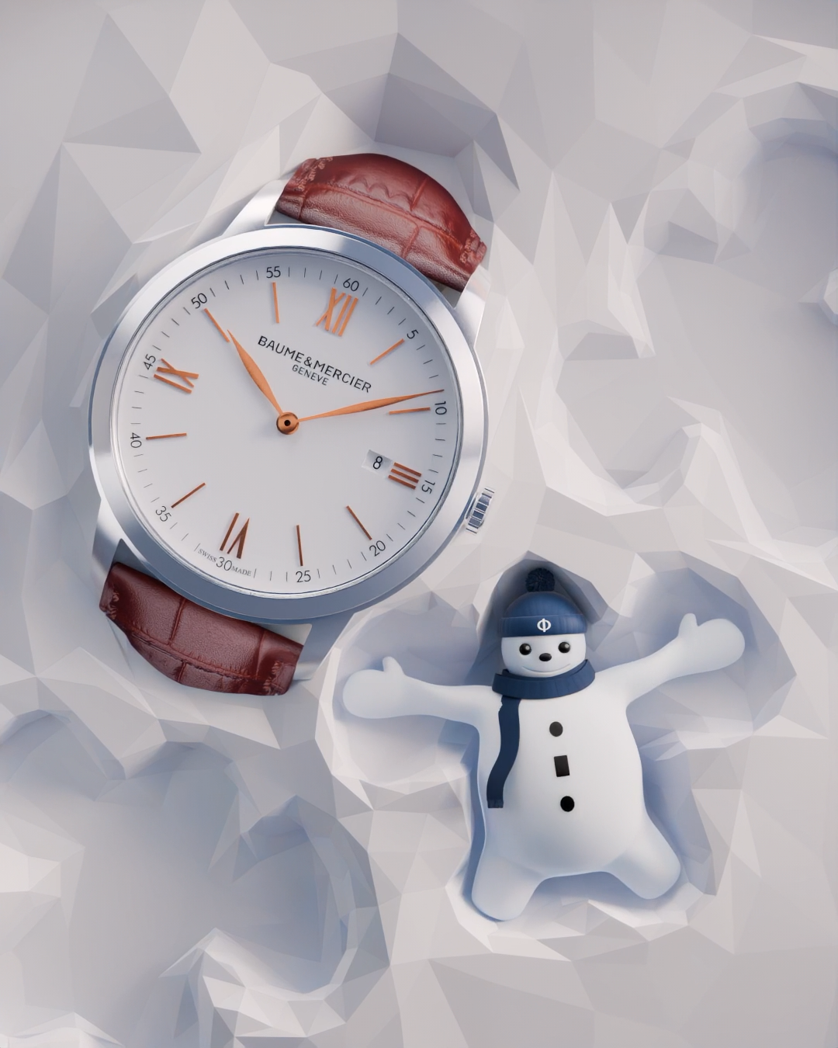 | 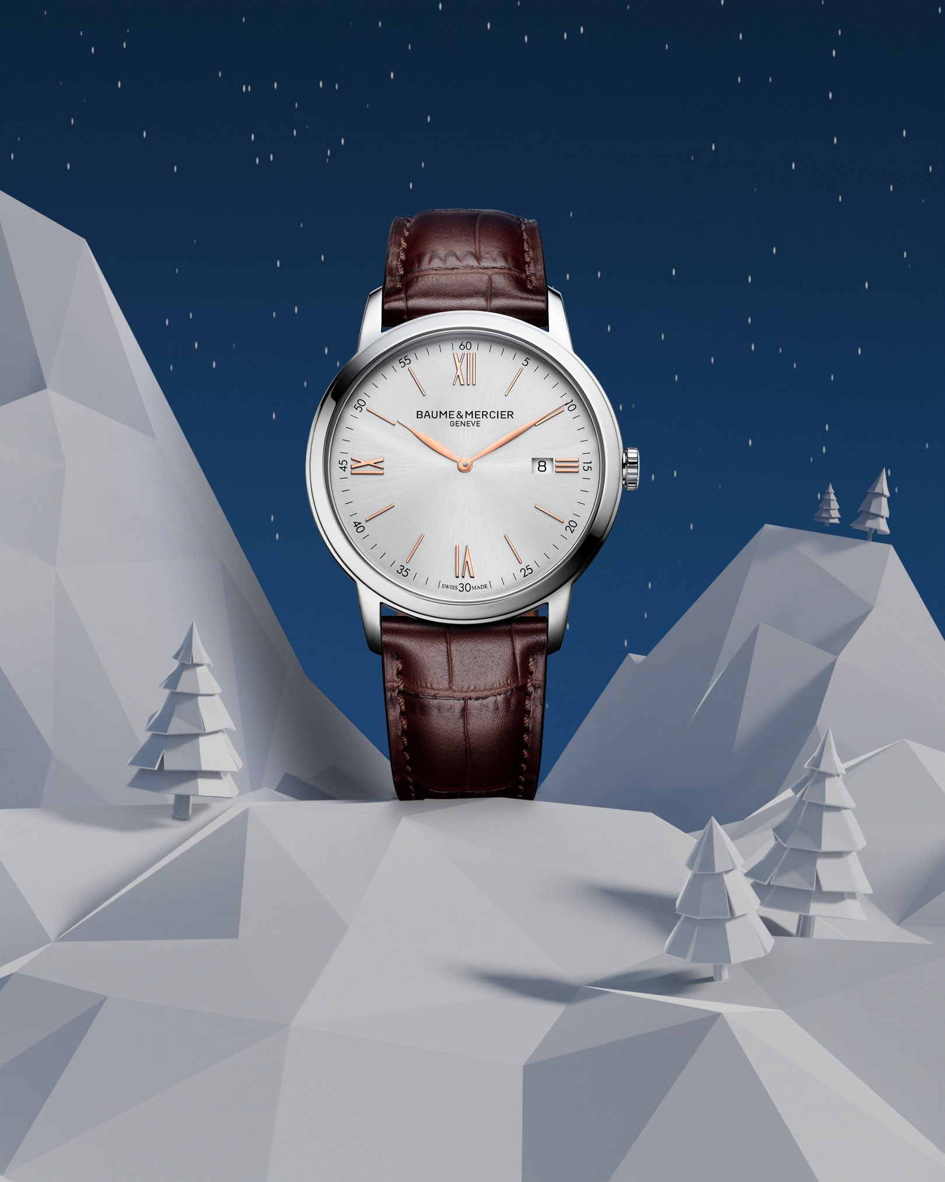 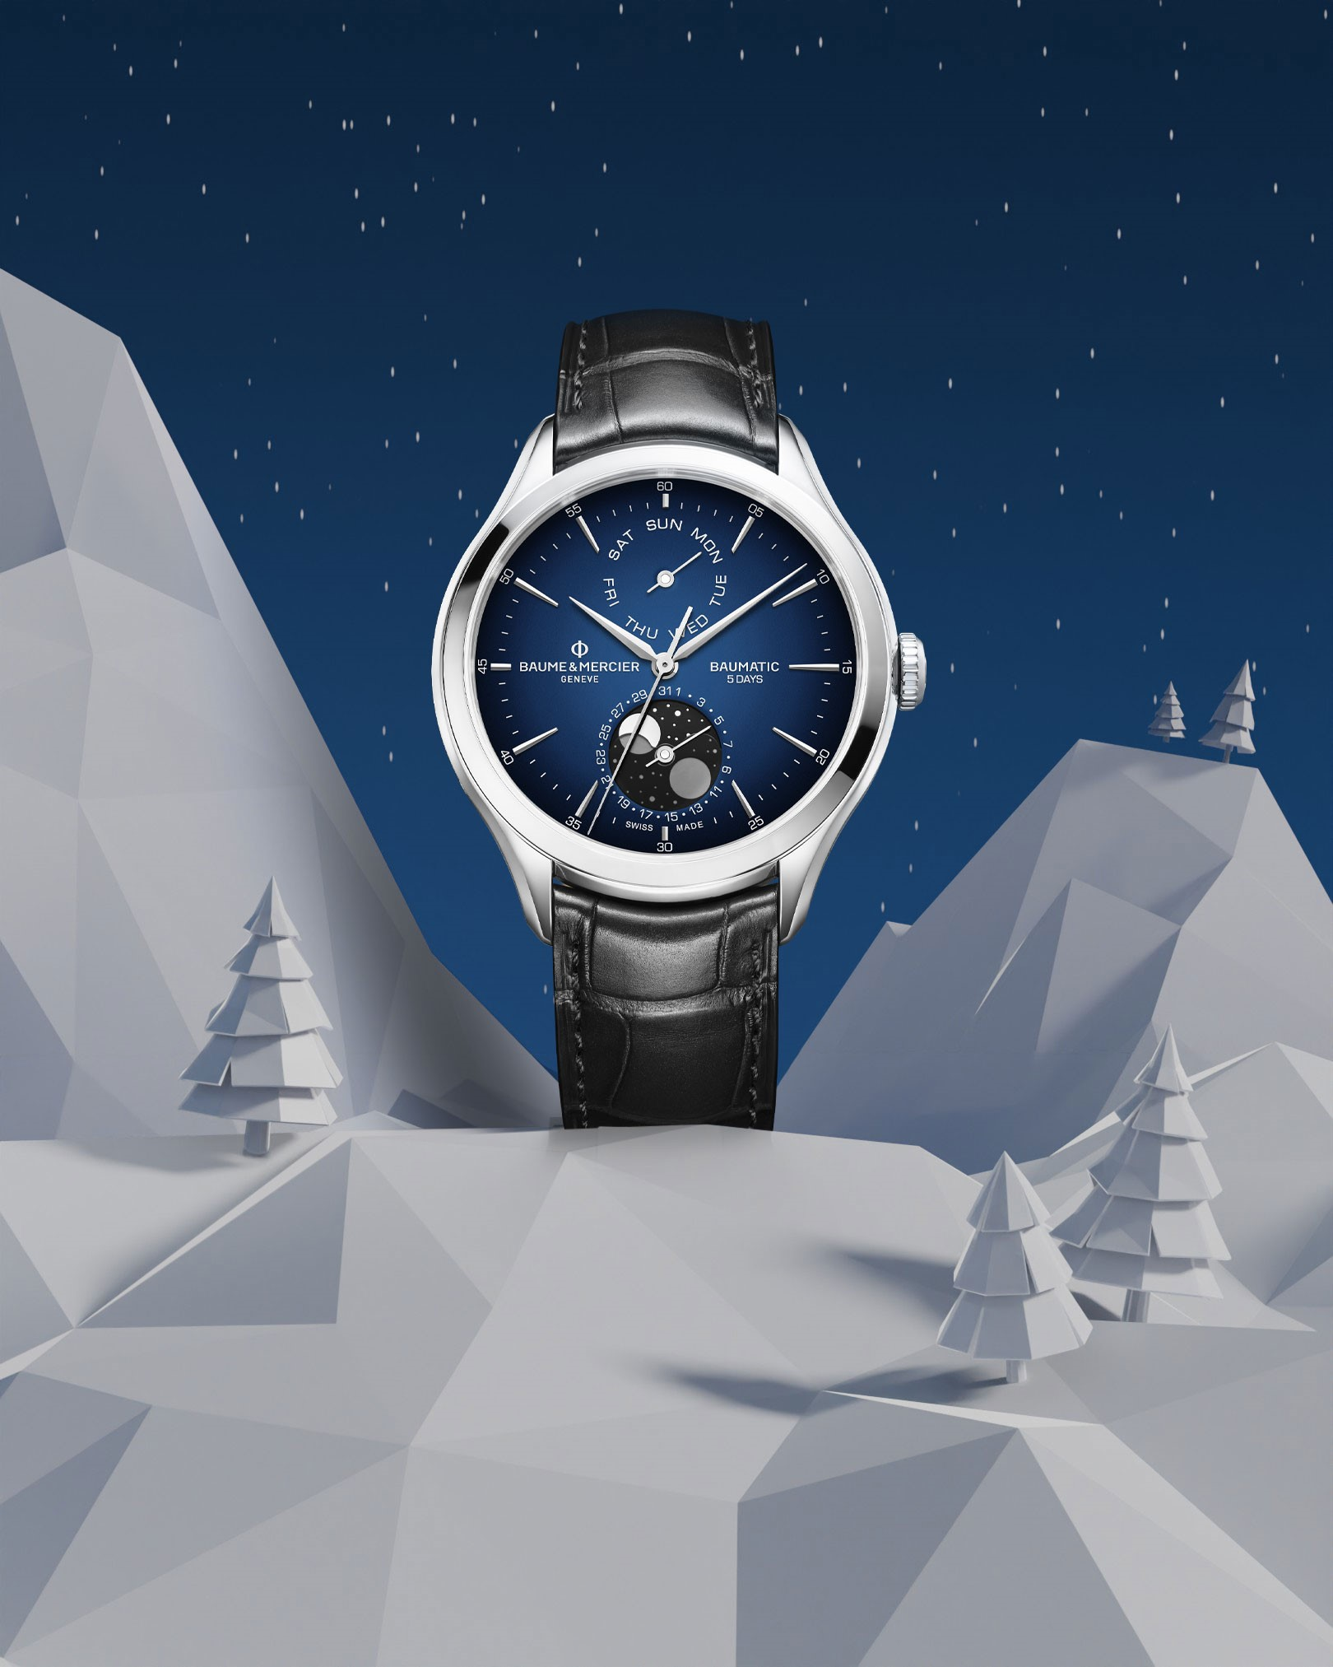   |  | 
Text | Slide into the holiday season with our newest team member: Baumy the Snowman! Baumy celebrates the Maison's expertise in the art of shapes and our commitment to the highest quality. Over the next week, brighten your holiday season with a unique Baume & Mercier gift coming from the heart of the Swiss Jura. -- Riviera 10616, Clifton 10593, Hampton 10472, Classima 10415 -- #BaumeetMercier #HolidaySeason #BaumyTheSnowman #SwissSince1830 #ArtOfShapes #Christmas #Christmasgifts | 🎨❄️ Baumy, the Snowman, is up to something magical! ❄️🎨 In the heart of a winter wonderland, Baumy is sketching the most beautiful snow angel, and guess what he’s found? A stunning, round Classima that’s simply the perfect gift for Christmas. 🎁✨ Whether you're sketching memories or marking time, this holiday season is all about creating moments to treasure. 🎄💫 Don’t let time slip by—make this Classima the highlight under your tree! 🎁 -- Classima 10415 42mm, Quartz, Date aperture at 3 o’clock, red-brown alligator strap. -- #BaumeetMercier #HolidaySeason #BaumyTheSnowman #Celebration #SwissSince1830 #ArtOfShapes #Christmas #Christmasgifts | Step into a winter wonderland where craftsmanship meets celebration. ❄️ Our collections, brought to life with the art of shape and the magic of Baumy, await to tell your time stories. Which one will be yours this season? -- Hit the link in bio to discover our gifts selection -- #BaumeetMercier #HolidaySeason #BaumyTheSnowman #SwissSince1830 #ArtOfShapes #Christmas #Christmasgifts | Baumy's playful spirit is getting stronger as Christmas is approaching ❄️ Behind every snowball is a masterpiece waiting to be unveiled. Celebrate time with Baumy and Baume & Mercier this season. -- Hit the link in bio to discover our gifts selection -- #BaumeetMercier #HolidaySeason #BaumyTheSnowman #SwissSince1830 #ArtOfShapes #Christmas #Christmasgifts | Baumy knows that time conects us in the most beautiful ways. ✨This Holiday Season, celebrate these moments with one of Baumy's favorite creations elegantly crafted from the Riviera and Hampton collections. -- Hit the link in bio to discover our gifts selection -- #BaumeetMercier #HolidaySeason #BaumyTheSnowman #SwissSince1830 #ArtOfShapes #Christmas #Christmasgifts

Date | December 5th (VIDEO) | December 8th | December 11th (VIDEO) | December 14th | December 17th
Image |  | 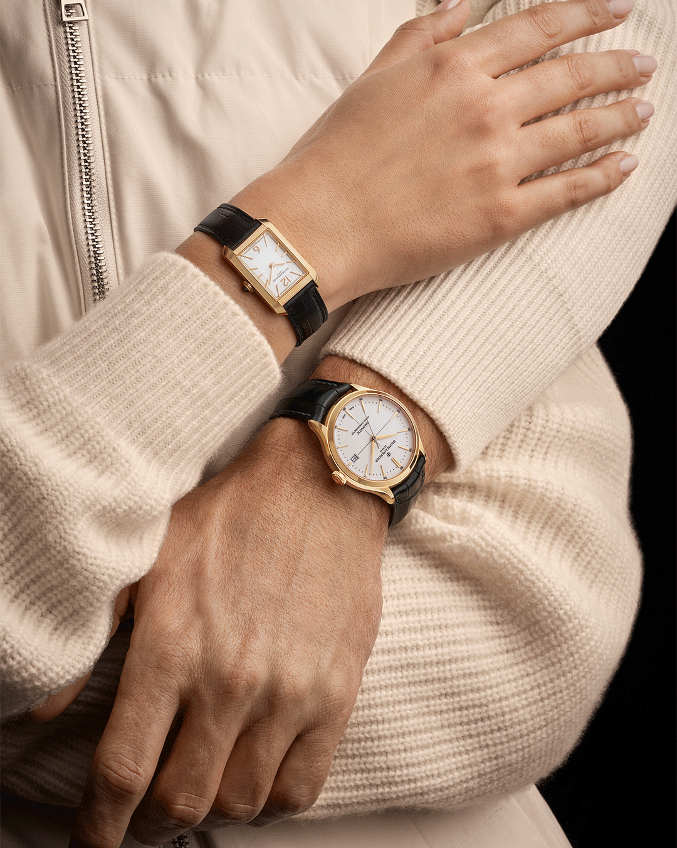 |  | 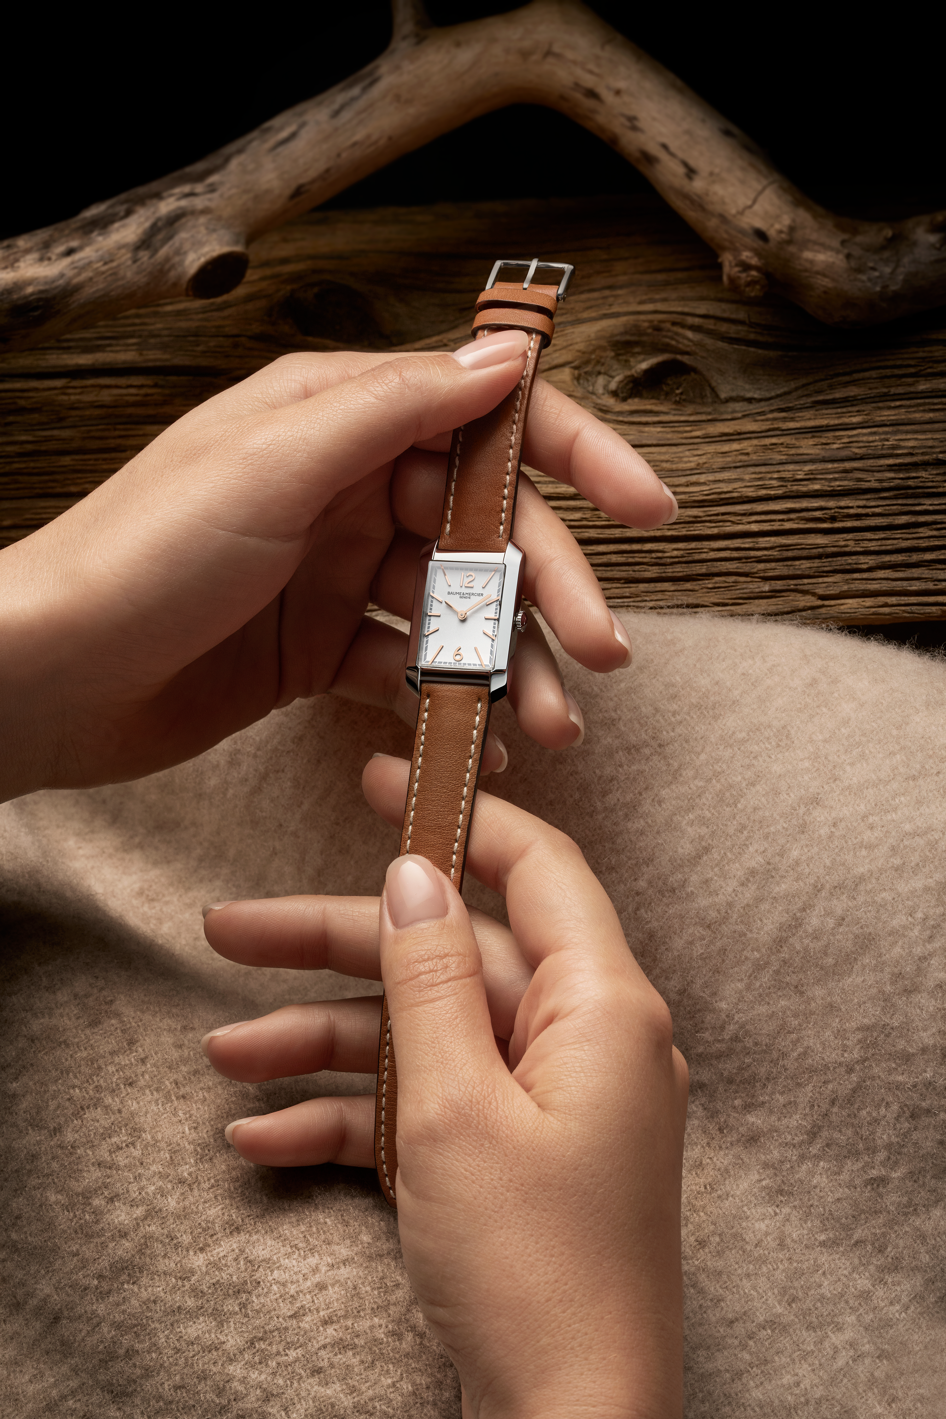  |   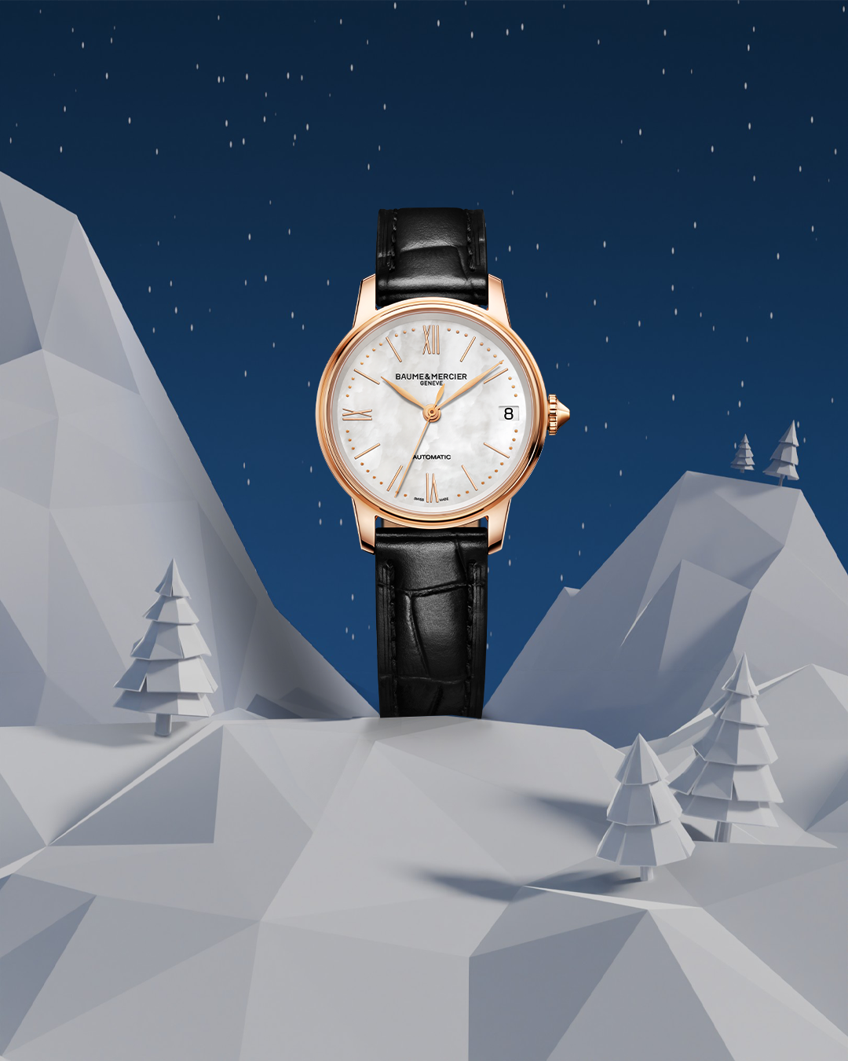 
Text | Baumy’s final masterpiece: unveiling time itself. ❄️ Discover the dial of the Clifton 10467 as Baumy's magic reveals it to the world. -- Hit the link in bio to discover our gifts selection -- #BaumeetMercier #HolidaySeason #BaumyTheSnowman #SwissSince1830 #ArtOfShapes #Christmas #Christmasgifts | Precious moments deserve golden timepieces. Celebrate love, connection, and the art of giving with Baumy-approved elegance this holiday season. -- Hit the link in bio to discover our gifts selection -- #BaumeetMercier #HolidaySeason #BaumyTheSnowman #SwissSince1830 #ArtOfShapes #Christmas #Christmasgifts | Watch Baumy glide gracefully on the dial of the Hampton, bringing playfulness to precision this festive season. Discover the magic of movement. -- Hit the link in bio to discover our gifts selection -- #BaumeetMercier #HolidaySeason #BaumyTheSnowman #SwissSince1830 #ArtOfShapes #Christmas #Christmasgifts | Vintage elegance merging seamlessly with modern craftmanship. ✨ The Hampton 10472 and 10752 are inspired by the 1920s, giving it its Art Deco style. Hold onto the past, cherish the present, and celebrate with our Maison. -- Hit the link in bio to discover our gifts selection -- #BaumeetMercier #HolidaySeason #BaumyTheSnowman #SwissSince1830 #ArtOfShapes #Christmas #Christmasgifts | Another glance at Baumy’s favorites from our Maison’s collections, each crafted with the art of shape. ❄️ Let these timepieces add a little magic to your season. Which one would you love to unwrap? -- Hit the link in bio to discover our gifts selection -- #BaumeetMercier #HolidaySeason #BaumyTheSnowman #SwissSince1830 #ArtOfShapes #Christmas #Christmasgifts
Date | December 20th | December 23rd (VIDEO) | December 26th | December 29th
VISUAL TBC
Image | 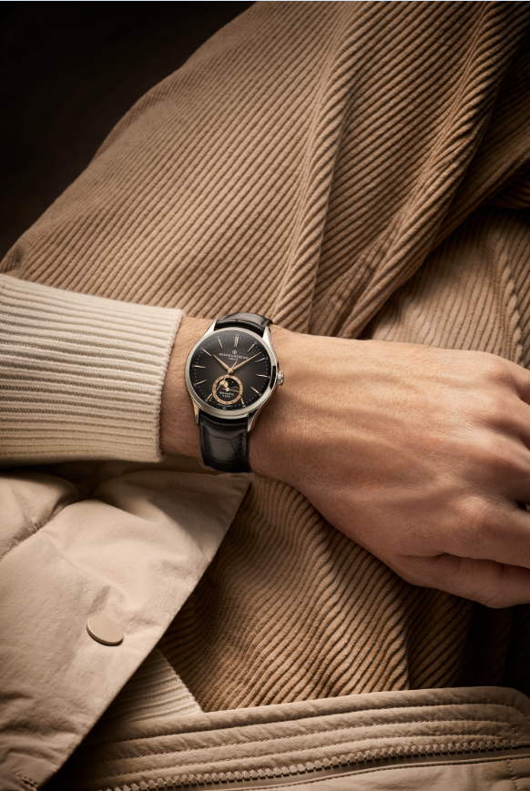 |  | 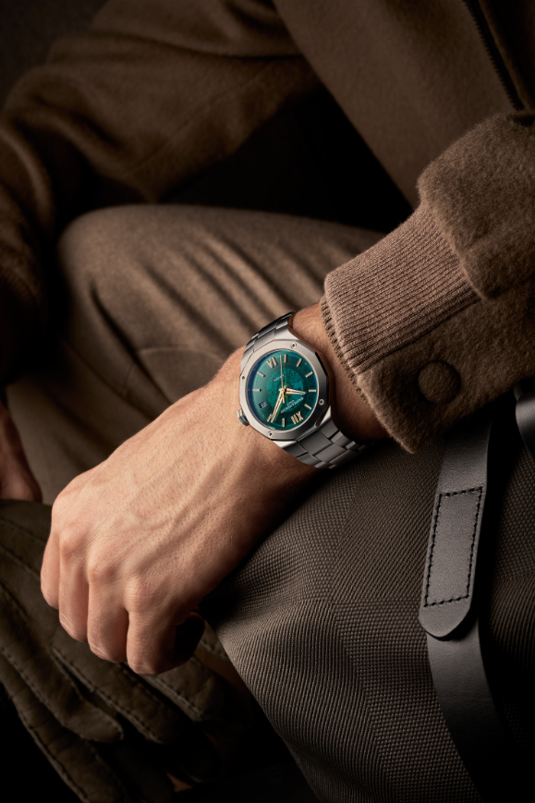   |   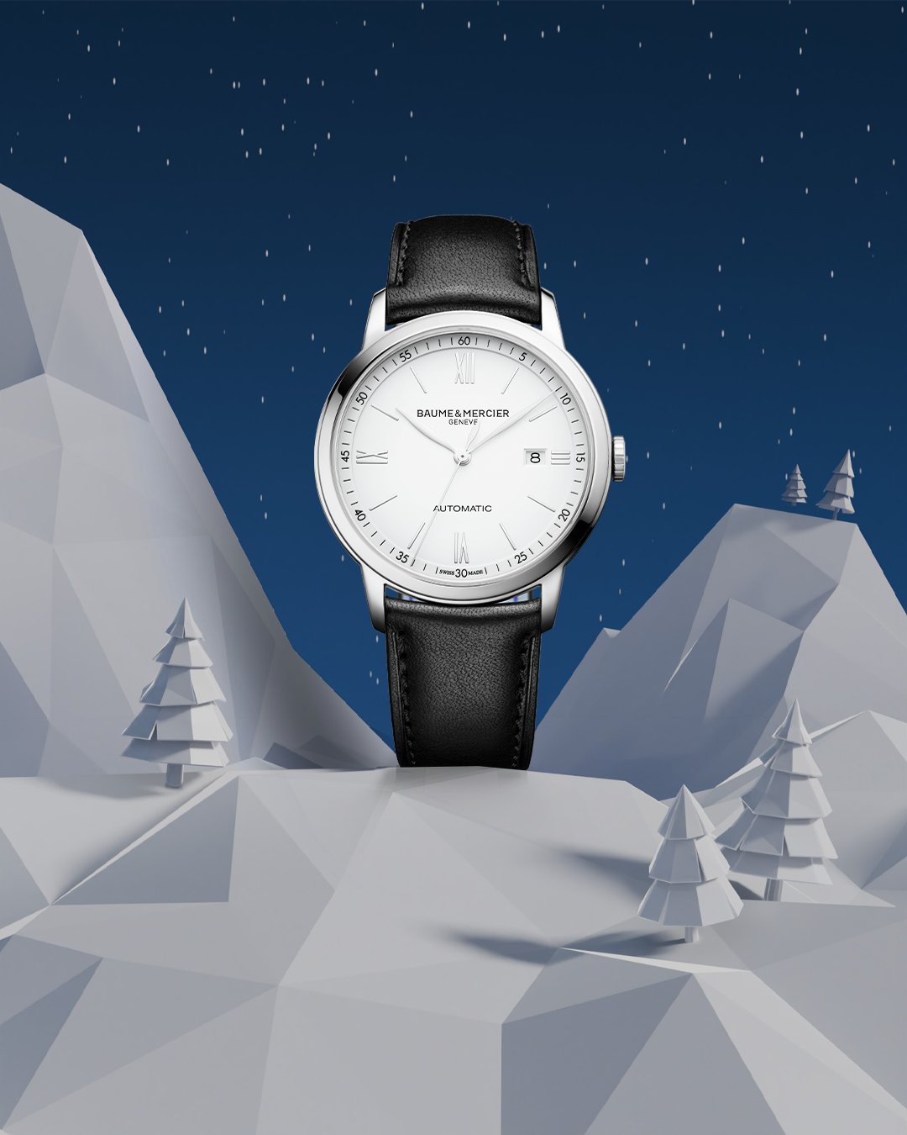  | 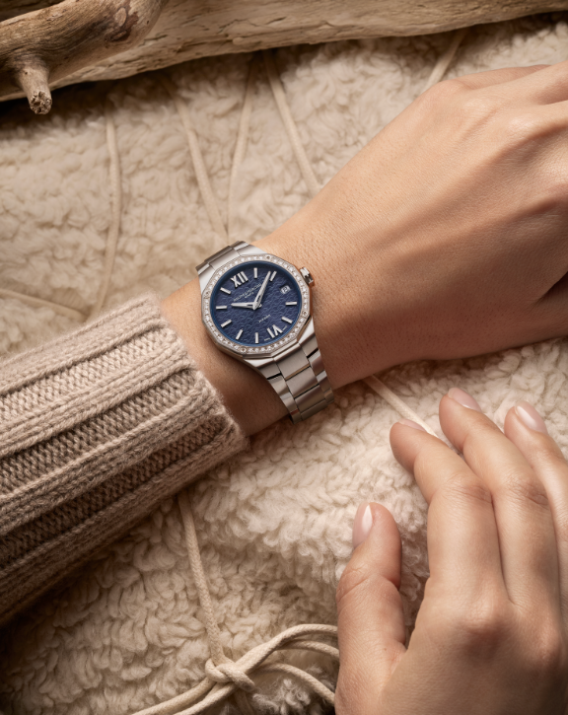 
Text | For the dreamers and stargazers. 🌙 The Clifton 10758 with its moonphase complication captures the rhythm of the universe. Celebrate the magic of the night with Baume & Mercier. -- Hit the link in bio to discover our gifts selection -- #BaumeetMercier #HolidaySeason #BaumyTheSnowman #SwissSince1830 #ArtOfShapes #Christmas #Christmasgifts | A message from Baumy to you: ‘Happy Holiday Season!’ 🎄 Celebrate time, cherish moments, and embrace the art of giving. From our Maison to your home, may your holidays be as timeless as our creations. – Baumy ❄️ -- Hit the link in bio to discover our gifts selection -- #BaumeetMercier #HolidaySeason #BaumyTheSnowman #SwissSince1830 #ArtOfShapes #Christmas #Christmasgifts | On every wrist, a story of caftmanship and Baume & Mercier's art of shape comes to life. Which timepiece will Baumy inspire you to wear this Holiday Season? -- Hit the link in bio to discover our gifts selection -- #BaumeetMercier #HolidaySeason #BaumyTheSnowman #SwissSince1830 #ArtOfShapes #Christmas #Christmasgifts | Every collection tells a story, and Baumy is here to bring it to life. ❄️ Which story will you wear? -- Hit the link in bio to discover our gifts selection -- #BaumeetMercier #HolidaySeason #BaumyTheSnowman #SwissSince1830 #ArtOfShapes #Christmas #Christmasgifts | Champagne tones for celebrations that sparkle. ✨ This season, let your Baume & Mercier timepiece shine as brightly as the moments you create. Baumy approves, and so will you. -- Hit the link in bio to discover our gifts selection -- #BaumeetMercier #HolidaySeason #BaumyTheSnowman #SwissSince1830 #ArtOfShapes #Christmas #Christmasgifts

DEC-JAN
Date | March 13th - VIDEO | February 3rd - STATIC | February 5th - VIDEO | March 17th - STATIC | March 20th - VIDEO
Image | 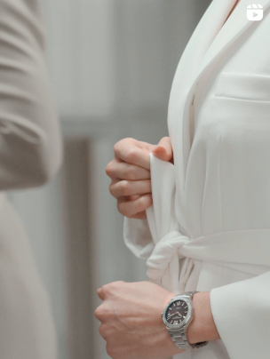 | 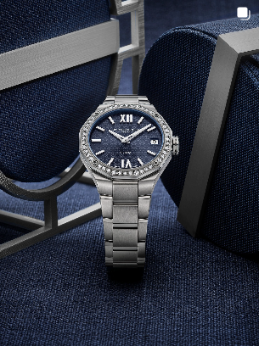 | 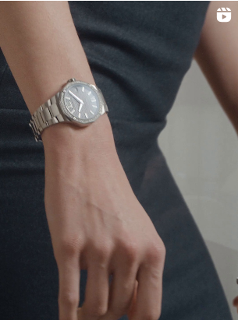 |  | 
Text | Looking for the perfect jewel to complete your elegant white look? A Baume & Mercier Riviera timepiece is certainly the right choice. Its timeless design, refined aesthetics with a paved bezel, and impeccable quality will elevate your style no matter the occasion. Click on the link in the bio to find your perfect match. -- Riviera Quartz Night Blue - 10765 33 mm, sun satin-finished and polished stainless steel bezel set with 44 diamonds, night blue dial and transparent waves decor, metal bracelet, Fast strap technology - Interchangeable strap system. -- #BaumeetMercier #Riviera #Since73 #ShapingTime #Baumatic #DailyWatch #Watches #Watch #InstaWatch #WatchOfTheDay #WatchesOfInstagram #WatchLover #WatchCollector | Elevate your wrist with the Riviera Quartz in 33mm. Like a symphony of precision and artistry, this timepiece is adorned with 44 exquisite diamonds that adorn the bezel and frame an enchanting dark blue dial with a mesmerizing wave pattern. It's more than a timepiece, it's a statement of refined taste. - Riviera 10765 33 mm, sun satin-finished and polished stainless steel bezel set with 44 diamonds, night blue dial and transparent waves decor, metal bracelet, Fast strap technology - Interchangeable strap system. - #BaumeetMercier #ShapingTime #Riviera #Since73 #Womenwatch #Diamondwatch #DailyWatch | The Riviera 10765 is by essence our ultimate dress watch. Its captivating dark blue dial with wave pattern is perfectly complemented by the sparkle of 44 diamonds on the bezel. Imagine this timepiece paired with a flowing dress in a matching shade of blue for a look of effortless elegance and sophistication? Stunning! - Riviera 10765 33 mm, sun satin-finished and polished stainless steel bezel set with 44 diamonds, night blue dial and transparent waves decor, metal bracelet, Fast strap technology - Interchangeable strap system. - #BaumeetMercier #ShapingTime #Riviera #Since73 #Womenwatch #Diamondwatch #DailyWatch | Everyday refinement in the smallest details - The Clifton 10756 and 10593 are the perfect balance between classic and contemporary styles, thanks to their refined finishes and the fine crafting of their Baumatic movement. -- Clifton 10593 42 mm, Baumatic manufacture movement, satin-polished stainless steel case, domed scratch-resistant sapphire crystal 5 days power reserve, 5 ATM, Antimagnetic 1500 Gauss, Day-date, Moon-phase, Alligator strap. Clifton 10756 39 mm, Baumatic manufacture movement, Satin-polished stainless steel case, domed scratch-resistant sapphire crystal, 5 days power reserve, , Antimagnetic 1500 Gauss, Moon-phase, Alligator strap. Eligible for an 8-year warranty -- #BaumeetMercier #Baumatic #ShapingTime #Clifton #WatchCollector #Horology #DailyWatch #Watches #Watch #SwissMade #WatchOfTheDay | Own your day, own your night. A Baume & Mercier watch isn't just an accessory; it's a statement of confidence that complements every facet of your life. Dress it up, dress it down, always stand out. - Classima 10780 and Clifton 10756 - #BaumeetMercier #ShapingTime #Clifton #Classima #Menwatches #Swisswatches #DailyWatch
Date | March 24th - STATIC | March 26th - VIDEO | March 27th - VIDEO | March 28th - VIDEO - SAME AS MARCH 26th | March 29th - VIDEO
Image | 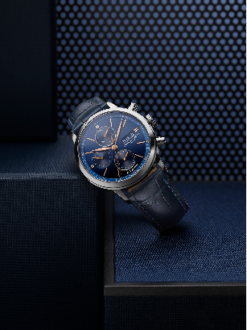 |  |  | 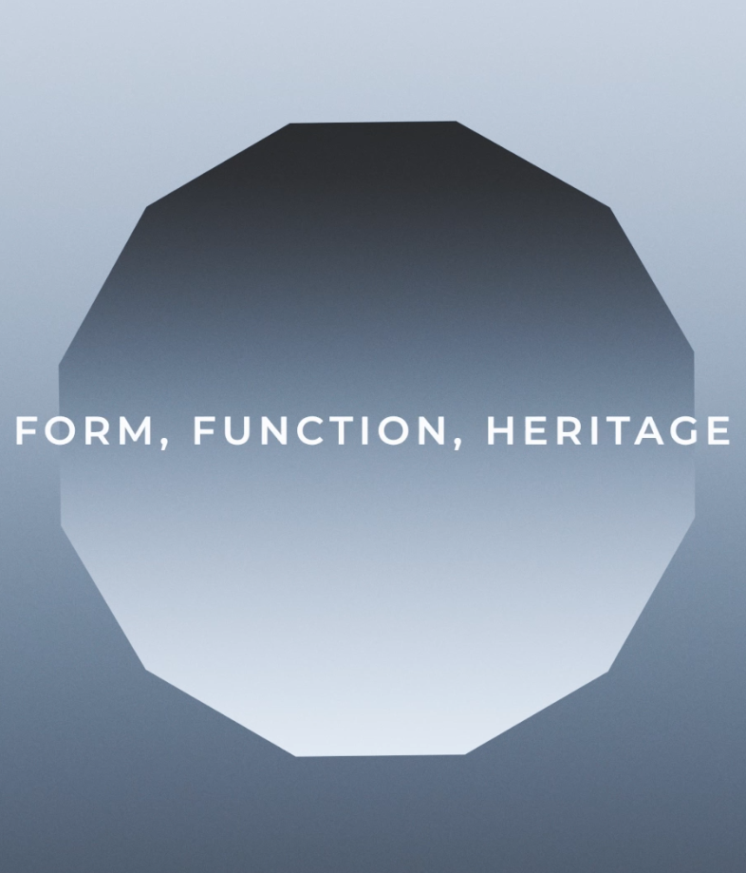 | 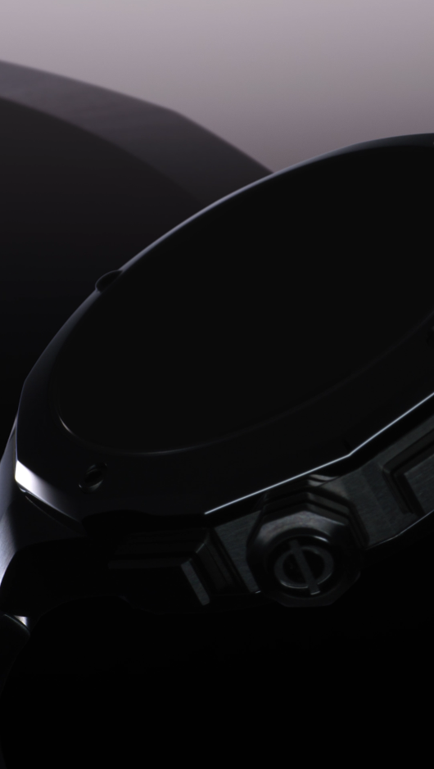
Text | Since its creation, Baume & Mercier’s Classima collection has attracted countless admirers. The Classima 10784 brings back the beloved chronograph complication and features a vibrant blue dial with tone-on-tone chronograph counters. A classic to have in its collection. -- Classima 10784 42 mm, Automatic, polished stainless steel case, scratch-resistant sapphire crystal, open case back, small seconds, chronograph, day, date, blue alligator strap with tone-on-tone stitching on the top. -- #BaumeetMercier #Classima #Chronograph #ShapingTime #Watch #LuxuryWatch #Style #Elegant #Timepiece #WatchMaking | A few days to wait! This year, at Watches & Wonders Geneva, experience "The Art of Balance" with Baume & Mercier and discover how we bring together elegant form, practical function and rich heritage in each of our timepiece. Stay tuned and be ready on April 1st, 2025 to be among the first to discover our 2025 striking lineup! #BaumeEtMercier #TheArtOfBalance #Form #Function #Heritage #WatchesAndWonders2025 #WWG25 | Rewind time with a retro touch and master the moment. A new timepiece tailored-made for measuring elapsed times with unparalleled precision is coming out on April 1st. Stay connected to discover a marvel of craftmanship. Can you guess what's coming up? #BaumeEtMercier #TheArtOfBalance #Form #Function #Heritage #Riviera #WatchesAndWonders2025 #WWG25 | Baume & Mercier, the Maison where Form meets Function, and Heritage inspires. On April 1st, discover how "The Art of Balance" philosophy has been infused on all our novelties creating striking and timeless companions to wear everyday. #BaumeEtMercier #TheArtOfBalance #Form #Function #Heritage #WatchesAndWonders2025 #WWG25 | The Riviera gets a shot of adrenaline. A modern, sporty timepiece joins the collection, celebrating Baume & Mercier's timekeeping in style. Get ready for a striking new Riviera – where contrasts ignite. Can you guess what's coming up? #BaumeEtMercier #TheArtOfBalance #Form #Function #Heritage #Riviera #WatchesAndWonders2025 #WWG25
Date | March 30th - VIDEO | March 31th - VIDEO
Image |  | 
Text | A nod to the past, designed for the present. The new Clifton embodies the elegance of vintage round dress watches, a testament to Baume & Mercier's heritage to be discovered on April 1st. Can you guess what's coming up? #BaumeEtMercier #TheArtOfBalance #Form #Function #Heritage #Clifton #WatchesAndWonders2025 #WWG25 | A legacy reborn. The new Hampton stays true to its Art Deco origins, a symbol of timeless elegance and Baume & Mercier's heritage to be unveiled on April 1st. Can you guess what's coming up? #BaumeEtMercier #TheArtOfBalance #Form #Function #Heritage #Hampton #WatchesAndWonders2025 #WWG25

GRID PREVIEW


